Test
Simple Statistics |  | Classical Test Theory
Test Length | 20 | Alpha(Covariance) | 0.766
Sample Size | 400 | Alpha(Phi) | 0.778
Mean | 13.518 | Alpha(Tetrachoric) | 0.881
SE of Mean | 0.187 | Omega(Covariance) | 0.781
Variance | 13.919 | Omega(Phi) | 0.790
SD | 3.731 | Omega(Tetrachoric) | 0.894
Skewness | -0.671
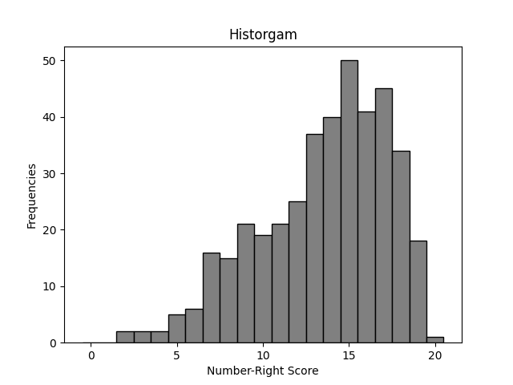
Kurtosis | -3.184
Min | 2
Max | 20
Range | 18
Q1(25%) | 11
Median(50%) | 14
Q3(75%) | 16
Interquartile Range | 5
Q2(Stainine) | 6
Q3(Stainine) | 8
Q4(Stainine) | 11
Q5(Stainine) | 13
Q6(Stainine) | 15
Q7(Stainine) | 17
Q8(Stainine) | 18
Q9(Stainine) | 19

Exametrika CTT | Version 1.0
Author | Kojiro Shojima (2022)
Analysis Date | 2023-05-26 00:31:36

Dimensionality
Scree Plot
 | Dimensionality
Component (Dimension) | Eigenvalue | % of Variance | Cumulative %
1 | 7.603 | 7.603 | 0.380
2 | 1.288 | 8.891 | 0.445
3 | 1.174 | 10.065 | 0.503
4 | 1.039 | 11.104 | 0.555
5 | 1.002 | 12.107 | 0.605
6 | 0.947 | 13.053 | 0.653
7 | 0.830 | 13.883 | 0.694
8 | 0.758 | 14.641 | 0.732
9 | 0.735 | 15.376 | 0.769
10 | 0.716 | 16.092 | 0.805
11 | 0.613 | 16.705 | 0.835
12 | 0.599 | 17.304 | 0.865
13 | 0.524 | 17.828 | 0.891
14 | 0.436 | 18.264 | 0.913
15 | 0.407 | 18.671 | 0.934
16 | 0.360 | 19.030 | 0.952
17 | 0.337 | 19.368 | 0.968
18 | 0.287 | 19.655 | 0.983
19 | 0.242 | 19.897 | 0.995
20 | 0.103 | 20.000 | 1.000

