SW Info
 | *SW Info Tab may be filled in on a separate document, if desired, as long as content is maintained
 | Plan/Report Identification

 | State | MWS DOC# | Rev
 | Plan | DOC2053697 | 1
 | Report | DOC2053697 | 2
 | Plan | DOC2053697 | 3
 | Report | DOC2053697 | 4
 | Plan | DOC2053697 | 5

 | Document Revision History
 | Complete the table below for each revision. Add lines as necessary. Revision number should correspond to electronic revision number.

 | Rev # | Author | Summary of Change
 | 1 | Ralph Williams | Software Validation Plan
 | 2 | Ralph Williams | Software Validation Report
 | 3 | Sirisha Kota | Software Validation Plan
 | 4 | Brad Peterson | Software Validation Report
 | 5 | Sirisha Kota | Software Validation Plan

 | Software Info
 | Equipment ID |  | Windows 7 or equivalent
 | Software File Name & Version: |  | ZeissPDI.jar
 | Software Archive Location |  | DOC2054880
 | Configuration (PDL/Recipe) Documents |  | 5781640PDL

 | Operating Environment including any required supporting or interfacing hardware and software (including configurations, versions, utilities, fixtures, etc)
 | Hardware: PC Software: Microsoft Windows 7 or equivalent Java8 JRE (1.8.XXX)

 | Software Purpose & Intent
 | Description of what software does, software architecture, flow chart, etc..
 | This software validation is for the MercuryG "ZeissPDI" (Pack2.0, Single Pack) user interface. This software will copy the raw data output from the Zeiss O-Select camera into virtual memory, compile the raw data, perform statistical analysis to determine Pass/Fail specs on the data, and finally display the Pass/Fail grade to the User. When all relevant data is collected, the software will store the complete records into the database. A complete record consists of the associated compiled data records, a Pass/Fail grade for each spec, as well as an overall Pass/Fail from grade each of the four measured MercuryG Packs contained on the Frame that was used during the dicing process. Revision 2: This revision of the software is to accommodate the following requirements: 1. Minimize the lag to SQL server 2. Remove the restriction to fully populate the frame 3. Write one pack at a time to SQL (instead of 4) 4. Calculate delta from nominal value instead of the actual measurement value Revision 3: This revision of the software is to fix the following bug: The UI was not writing data to SQL for packs which were identified as Visual Defects.

 | Software Type

 |  | Commercial Off the Shelf (COTS)
 |  | Configurable Software
 |  | Custom Built Software

 | Software Impact

 | Major | Failure of the automated equipment impacts decisions that affect product quality. (e.g. product acceptance criteria, test data analysis).
 | Minor | Failure of the automated equipment impacts quality system record integrity (e.g., record loss, record corruption).

 | Severity Justification: add text here
 | This software will be used for acceptance testing of the MercuryG Pack2.0/Single Pack product at the Post-Dice Inspection process.

 | High | A failure of the system will likely be detected through downstream controls (e.g. process or product controls, manual inspection, etc)
 | Low | A failure of the system is unlikely to be detected through downstream controls

 | Detectability Justification: add text here
 | 100% downstream verification

 |  |  | Detectability
 |  |  | High | Low
 | Severity | Minor | Low | Medium
 |  | Major | Medium | High

 | Software Impact (High, Medium, or Low):
If Software Impact is Medium or High, document the mitigations in your process or equipment that reduces the risk:
 | Medium See 5111000QPA
Software Installation
Define how and where the software is loaded onto the equipment.
i.e. folder file path or special software needed (PLC Proficy Machine Edition)

 | Place correct version of the ZeissPDI.jar file on the PC.

 | Software Validation Conclusions (REPORT STATE)

 |  | Yes
 |  | No

 |  | Yes
 |  | No

 |  | Yes
 |  | No

 | Validation Summary
 | Software Validation Statement

 | Validation Result:
 |  | Pass
 |  | Fail

 | Name:
 | Date:

 | Required Approvers
 | Approval for the Plan and Report State shall be in MyWorkshop Routes. If approval route is independent of equipment qualification route, then route to the roles below. Additional approvers and reviewers are acceptable.
 | Role |  | Name
 | Engineering Rep/Product Champion |  | Mike Prescott
 | Manufacturing Project Leader or Senior Manufacturing Engineer or Equipment Owner (not the author or tester) |  | Nick Lodl
 | Manufacturing/Test Equipment Engineer or designee (Author) |  | Brad Peterson
 | Quality Assurance |  | Tony Gillon
 | Tester (may be the author) |  | Brad Peterson
 | Other (if necessary) |  | NA

Objective Evidence
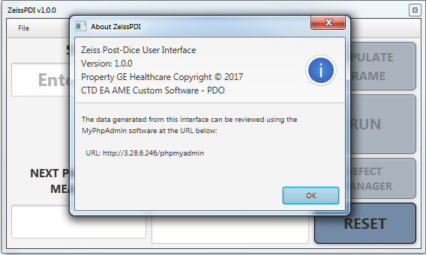
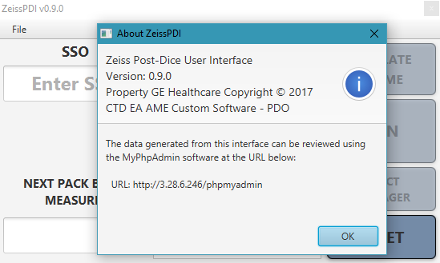
2.1

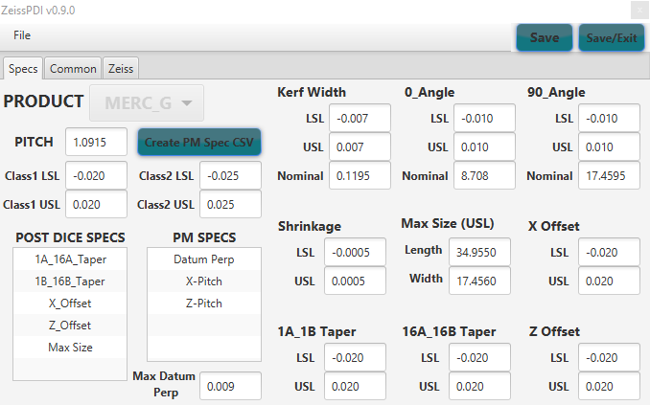
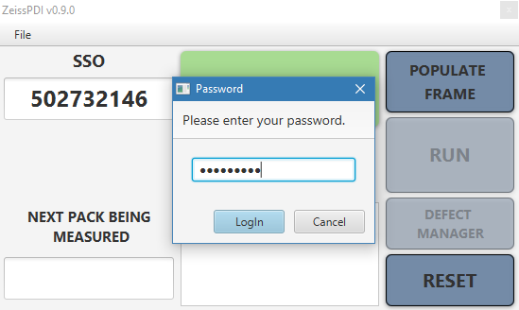
3.1
3.1

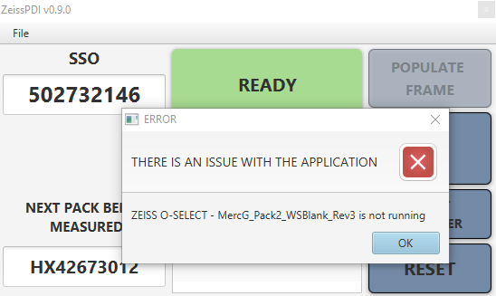
5.1
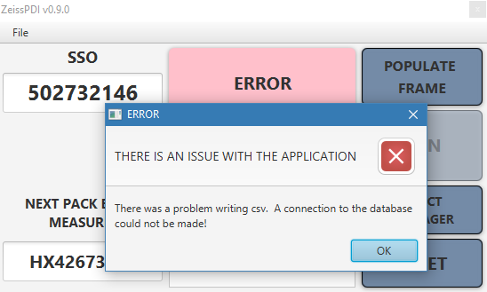
5.2

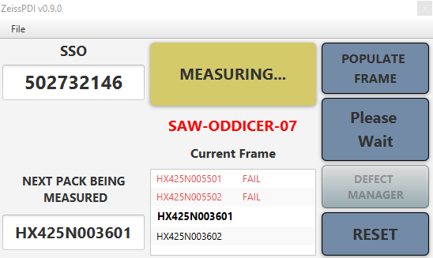
6.1
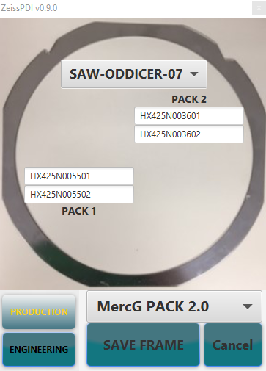
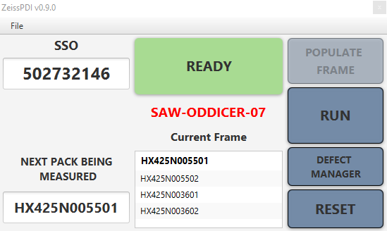
6.3.1
6.3.1

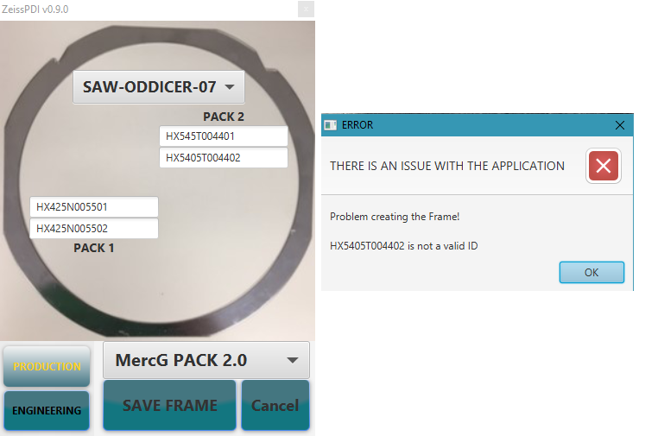
6.3.2

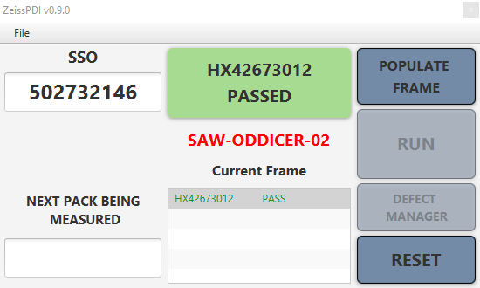
6.4.2
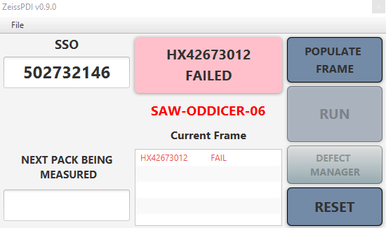
6.4.3
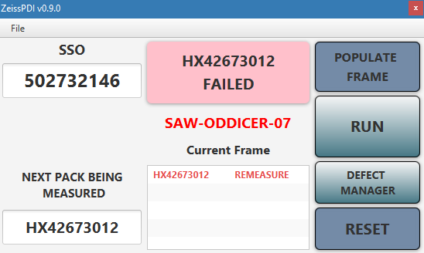
6.4.4

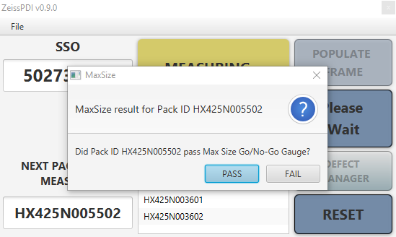
6.5
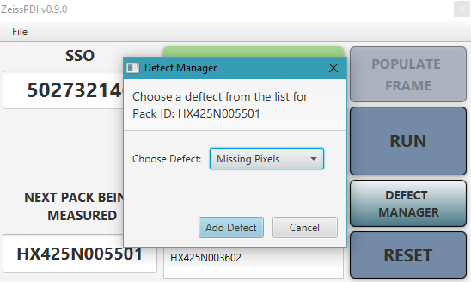
6.6

