Sheet1
Topics(structure) | sum specific | Things I learned |  | Famous Reasons for using this DS: |  |  | Techniques which are used across multiple DS:- |  | How to recognize the technique:- | if you want to read about it:-
Binary Search Tree |  | 1- The right and left child of each node are STRICTLY less than or greater than THERE IS NO EQUAL TO. | how to traverse left child node then parent itself and then right child node of the parent:- If null is first encountered, you know it’s the leftmost child node and so you can pop it, you will check if it has a right node and switch to it even if its null, since if its null then we will automatically pop the parent node from the stack otherwise if its not then it'll proceed as normal exploring its left child nodes till it reaches the leaf left child node. |  |  |  | Contribution Technique | eg question: | Types of Questions for Contribution Technique • Sum of Differences or Distances: • Problems asking for the sum of differences or distances between elements. • Example: Sum of absolute differences between all pairs in an array. • Counting Pairs with Specific Properties: • Problems where you need to count pairs of elements (i, j) that satisfy certain conditions. • Example: Count pairs (i, j) such that their sum is divisible by a given number. • Aggregate Contributions Across Data Structures: • Problems where each element’s contribution needs to be aggregated across a data structure. • Example: Total influence of nodes in a graph based on connected edges. • Bit Manipulation Problems: • Problems involving bitwise operations where each bit position contributes to the result. • Example: Sum of different bits between all pairs in an array. • Geometric Problems: • Problems involving distances, areas, or other geometric properties. • Example: Sum of areas of triangles formed by points in a plane. • Dynamic Programming Problems: • Problems where contributions from subproblems need to be combined to form the solution. • Example: Counting paths in a grid where each cell contributes to the paths passing through it. • Prefix/Suffix Sum Problems: • Problems where each element’s contribution to prefix or suffix sums needs to be considered. • Example: Sum of products of all subarrays in an array. • Graph and Tree Problems: • Problems where nodes or edges contribute to certain properties like paths or subtrees. • Example: Sum of distances from each node to all other nodes in a tree. • Range Queries: • Problems involving range queries where each element in a range contributes to the result. • Example: Sum of elements in subarrays or submatrices. Key Indicators for Contribution Technique • Sum or Total: • The problem asks for a sum or total of some property across elements, pairs, or substructures. • Repeated Counting: | https://medium.com/spidernitt/contribution-technique-i-c1730f195b41
 |  | 2- The root node's right and left sub trees should also be a binary tree in itself, meaning if the root node's value is 5 and the right chil node of it is 10 and then there is a left child node of 10, so ob it should be smaller than 10 but it CANNOT be smaller than 5 itself, otherwise it would have been put in the left sub tree in the first place. | Practise Pre-order and inorder regularly especially in Iterative code and morris traversal code.
 |  | 3- A leaf node's parent is going to ALWAYS be the second smallest number(value) in a BST!
 |  | 4- There are 4 ways to traverse a Tree, 1- Pre-order - Root Node --> Left child --> Right child 2- In-order - Left Child --> Root Node --> Right child 3- Post-order traversal - Left child --> Right Child --> Root Node 4- Level order traversal - | ABSOLUTE KEY REMINDER --> PREORDER, INORDER, POSTORDER are ALL just values in a LIST and not NODES!
 |  | Morris Traversal method (Temporary thread method) --> keep revising this again and again very important method.
 | maxsumpath | A path can also ONLY CONSIST OF THE NODE ITSELF if THAT NODE BY ITSELF IS GREATER THAN ANY OTHER NODES IN ANY PATH (BASICALLY A NODE BY ITSELF IS ALSO A PATH)
 |  | When numbers are in negative and writing a recursive function, be aware of the base condition if it inlcudes numbers like 0 or anything cause negative numbers will be over-ruled by 0's base condition and the answer will come wrong.
 |  | IF you are considering left_combined nodes values and right_combined nodes values, do not forget that the root node byitself can also be greater than both of these and so root_combined should also be assessed
Binary Tree |  | A binary tree can be reconstructued only using the preorder or inorder or postorder list, just make sure that the nulls are present in the list, if they are not then you will need atleast two of the above in order to be able to reconstruct the tree. | I know for sure that preorder and inorder can provide you enough info together (IF BOTH DON’T HAVE NULLS REPRESENTED WITHIN THEM) to make you able to create a binary tree. | Traversals(Pre-Order, Post-Order, In-Order, Level Order) - Lowest Common Ancestor
 | Serialization | Serialization is the conversion of ANY DATA STRUCTURE (usually complex) into a single string or into its binary representation and then passing it over the network/medium so as to be able to transfer same info with less utiization of the net. |  | Left View of a Binary Tree,
 |  |  |  | Maximum Path Sum
Heap |  | Remember that heap is ALWAYS a complete binary tree |  | heap sort
 |  |  |  | Dijkstra
 |  |  |  | Median of a Stream

Hashmap |  |  |  | Whenever a quick lookup is needed

Stack/Queue |  | Use stack when you are going throigh a bunch of values and you see that you will always require the last seen element the first then use Stack. |  | Largest Rectangle in a Histogram
 |  | THIS IS THE MOST DIFF DS to identify, so work on identifying this the most for practise

Graphs |  | BFS and Dijkstra are used the find the shortest path between two nodes in a graph |  | Graph Search(BFS, DFS, Dijkstra),
 |  |  |  | Topological Sort,
 |  |  |  | Loop in a Graph - Bus Routes

 | Prefix Sumarray | 1- you can find the amount in just 1 position in the array by simply subtracting the element present at position I - the element at position i-1 | eg:- | Maximum Subarray,
 | 1- (KADANE's ALgo) | 2- to find the sum of elements from posititon x to position y in an array then you onky need to subtract value at position y - value at position x-1 | 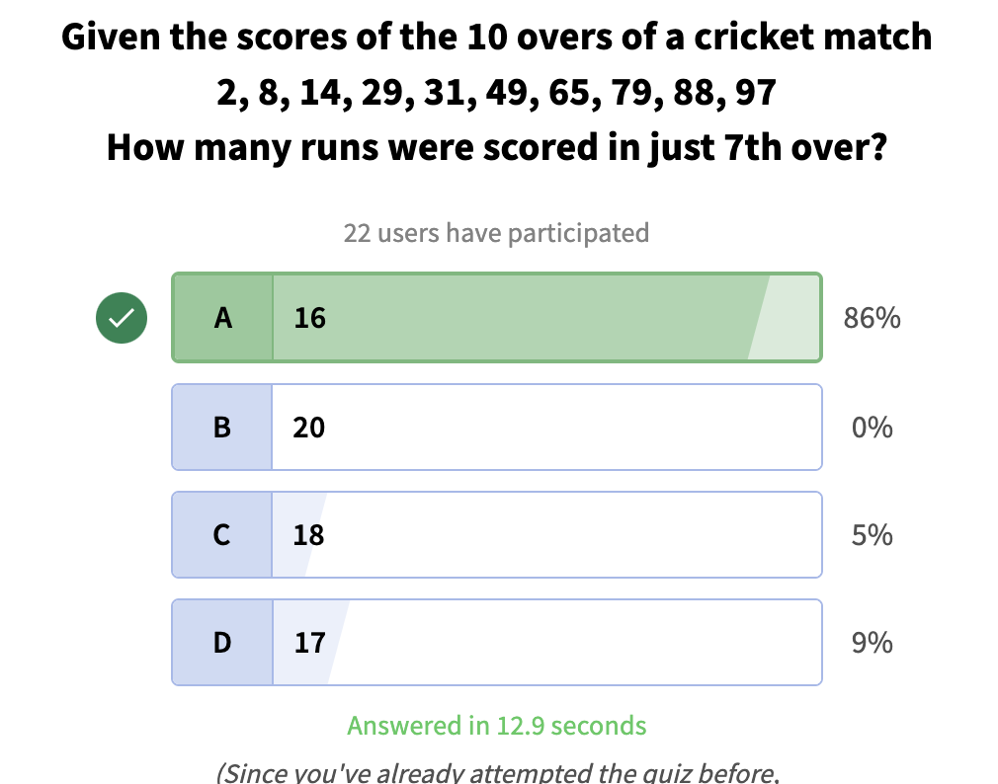 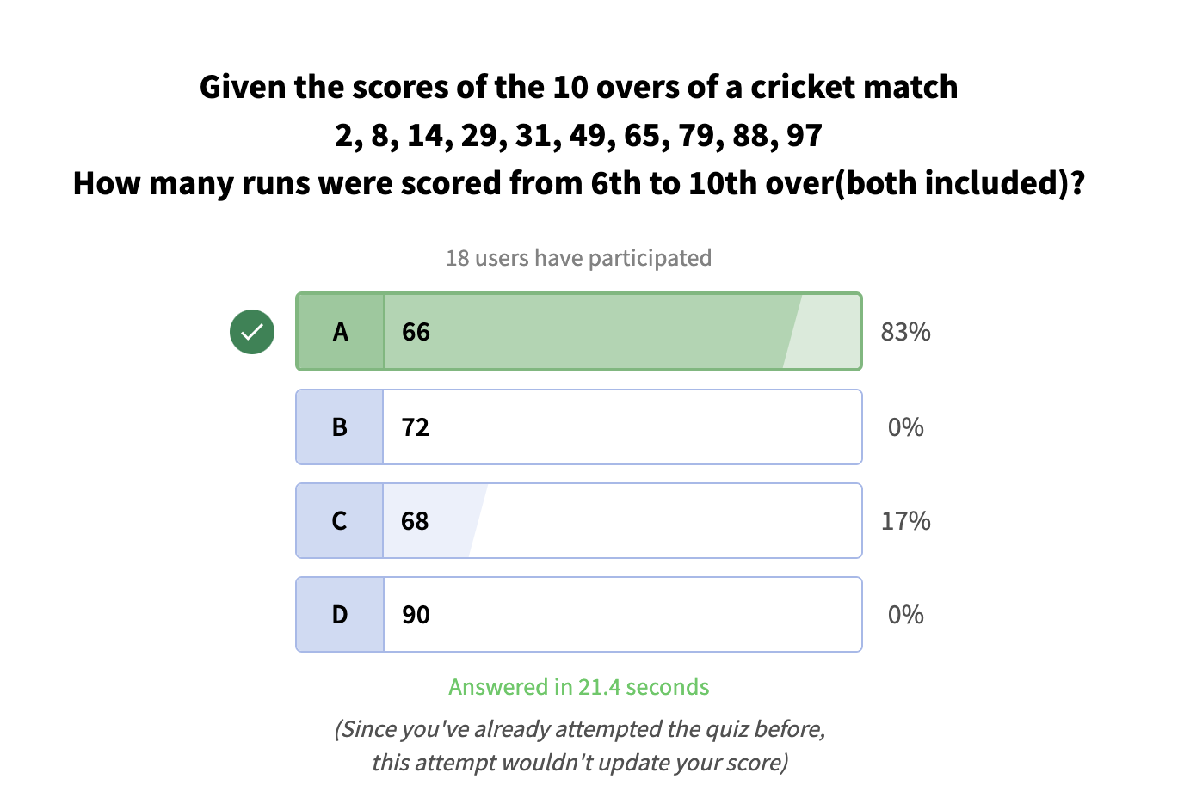 eg:- | addition of numbers from index I to n-1 in an array. --> Question here --> | for example if I give you list of lists which contains [I,j] and I is indicating the index at which you want to do the addition till the end of the array and j is the number you want to add | if it was rather from a left to right range instead of n-1 then it is a famous leetcode question called "its called "Range Sum Query - Immutable" on leetcode"
 |  | 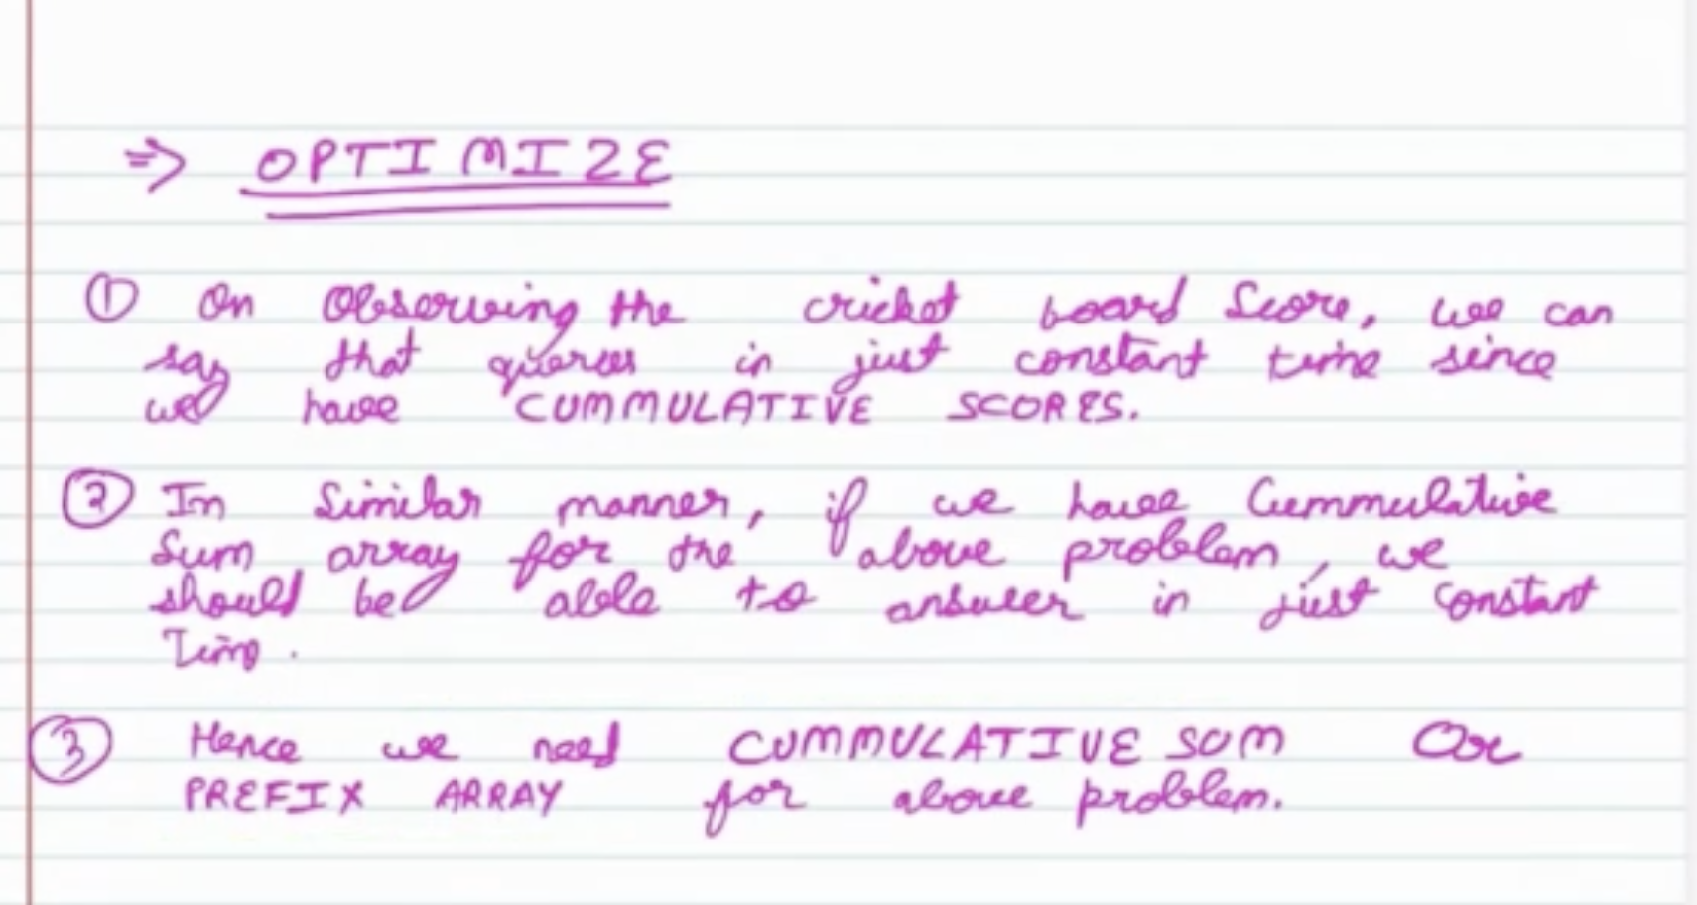 Observations:- |  | For a particular number, you want to find if the sum of all the numbers on its left and the sum of all the numbers on its right and if they are equal, then that number is called equilibrium number. | its called "Find Pivot Index" on leetcode
 | SUBARRAY |  | Google/meta question regarding it. | contribution technique (think rather how many times it appeared in each subarray rather than trying to solve it with prefix sum or anything.) | its called "Range Sum Query - Immutable" on leetcode

 |  | use a prefix sum array of type long cause int can overflow if the numbers we are adding go beyond 10^5
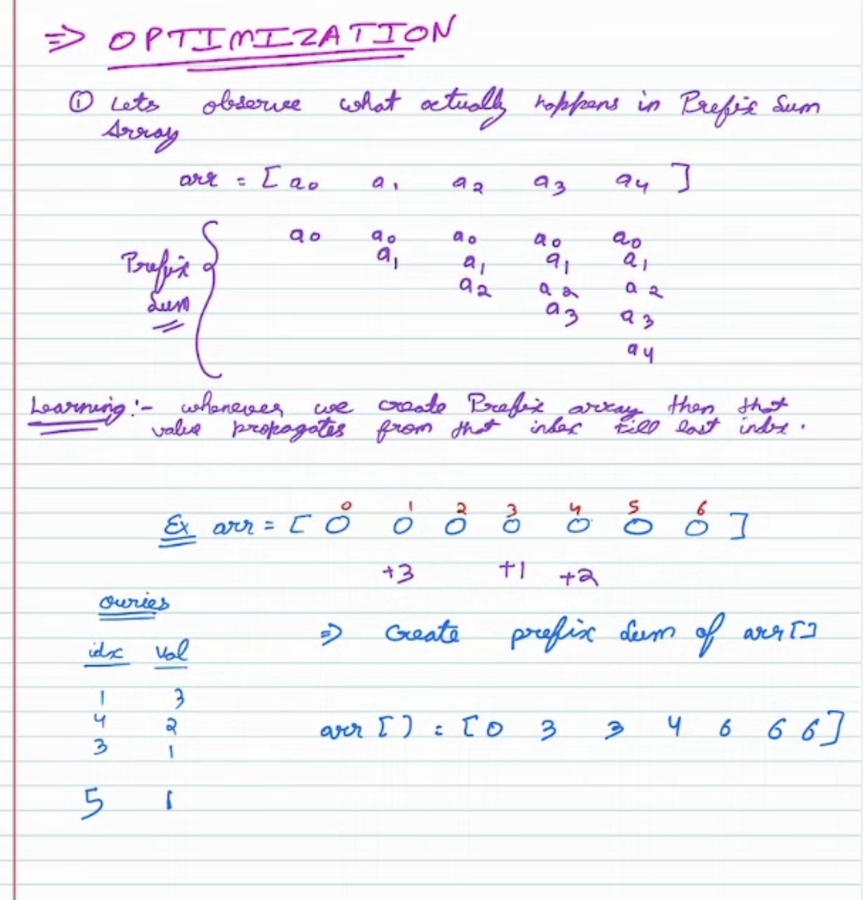

 | Union Find | It is an algorithm specifically made for "DISJOINT" / "CONNECTED" components count/identification, so the moment you see such keywords, consider UNION FIND TOO!! | whenever you do union find you are finding the ROOT PARENT and not just any parent, remember this

DYNAMIC PROGRAMMING |  | You can use variables instead of making an OPT array everytime and make the space consitraint go from O(n)to O(1) in many situations like:- 1- Using Variables in Dynamic Programming: When solving a dynamic programming problem, if the current state depends only on a fixed number of previous states (e.g., the last 2 or 3 states), you can optimize space by using variables instead of maintaining the entire DP table or array. 2- No Top-Down Backtracking: If you don't need to backtrack (e.g., to reconstruct a solution path), you can safely replace the DP table with variables since you're only interested in the final result. 3- When to Keep the DP Table: If the solution requires storing intermediate results to trace back the specific choices (e.g., finding the sequence of items in the knapsack problem), you need the DP table to reconstruct the solution. | Remember to follow these steps: # 1- First define OPT[i] and know the difference between what OPT[i] is and what i is representing(different from OPT[i]) # 2- then define the subproblem, try asking yourself, questions like: # - How did i reach the end value, what will i have to do in order to reach here, how did i reach the last step, the last house, the last etc... # 3- Make the recurrence relation # 4- draw out the dependencies and make sure that you have got all the dependencies you need to proceed further # 5- Check for constraints. | You can recognize that it is a dynamic programming sum by knowing if the sum is asking any of these things in it; 1- Overlapping Subproblems: If the problem can be broken into smaller subproblems, and these subproblems are solved multiple times (e.g., Fibonacci sequence, subset sum). 2- Optimal Substructure: If the solution to the problem can be constructed using the solutions of its subproblems (e.g., shortest paths, knapsack problem). 3- Choice-Driven Problems: If the problem involves making decisions (e.g., take or skip, split or merge) to maximize/minimize a value or find all possible combinations (e.g., coin change, house robber).

 | 1- Longest palindromic substring | go through each of the letter in the word and span outwards in both the directions to check if it’s a palindrome or not and if it is then get the index f the longest length and so can use this to reduce the TC.

 | 2- maximum product array | i solved the maximum product subarray question and from that I learned the trick of "whenever you have a negative sign which is affecting the solution depending on if its evenly or oddly occuring then you can instead also keep track of the curmin which would help you find the curMax if you were to come across an even number of negative signs |  | Overlapping subproblems
 | 3- Word Break | When solving a problem where a string needs to be segmented into valid words, instead of iterating through all possible substrings of s, iterate through the given wordDict and check if each word matches the current prefix of s |  | can this be done(true/false) when comparing substrings to segmented words
 | 4- longest increasing subsequence | For O(n log n) Binary Search Solution: Trick Learned: Instead of keeping an actual subsequence, keep track of the smallest possible tail values of increasing subsequences of different lengths. If a new number can replace an existing element (using binary search) while maintaining order, do so! This helps ensure that your sequence stays optimized while still tracking valid LIS lengths.

