Bug_Tracking_Sheet
Defect ID | Steps to generate Defect | Actual Result | Expected Result
Browser: Google Chrome
1 | 1. Go to "http://maps.google.com". 2. Click on "Directions" symbol on "Search Google Maps" window. 3. Enter correct origin in "Starting Point" field. 4. Enter correct destination in 'Destination" field. 5. Click on "Transit" option. 6.Keep the option as "Leave Now". 7. Click on "Schedule Explorer" link. 8.Click on "Route Options" window. 8.Select "Route option" as train, bus or any other. 9. Try to close the route options preference window. | 1.There is no "Close" button at the right corner of "Prefer" window (refer the screeshot below). User is unable to view the schedule at this point becuase the window can not be closed. 2. If user tries clicking outside of the "Prefer" window, complete "Schedule Explorer" frame is getting closed instead of just the "Prefer" window (refer screenshot 2). | 1. There should be close symbol at the right corner of "Prefer" window to close. OR If clicking outside "Prefer" window ,only "Prefer" window should be closed and not the complete schedule explorer.

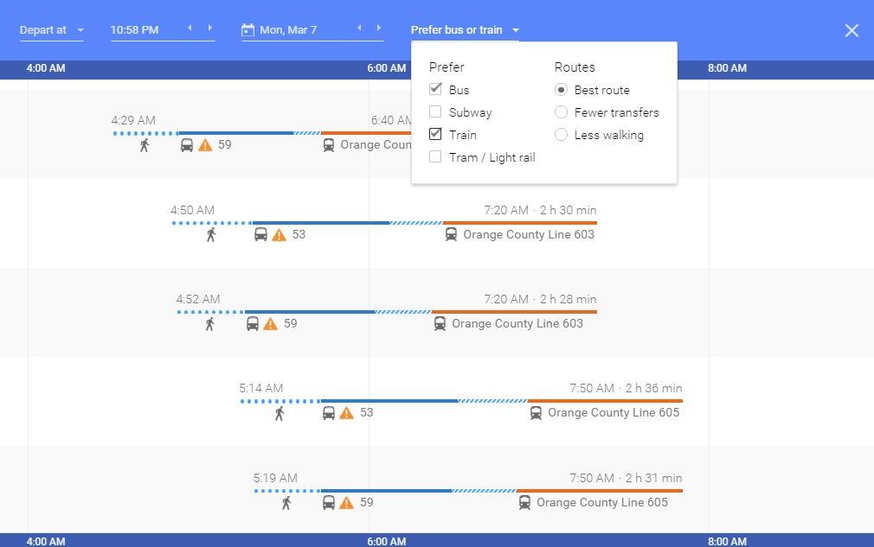

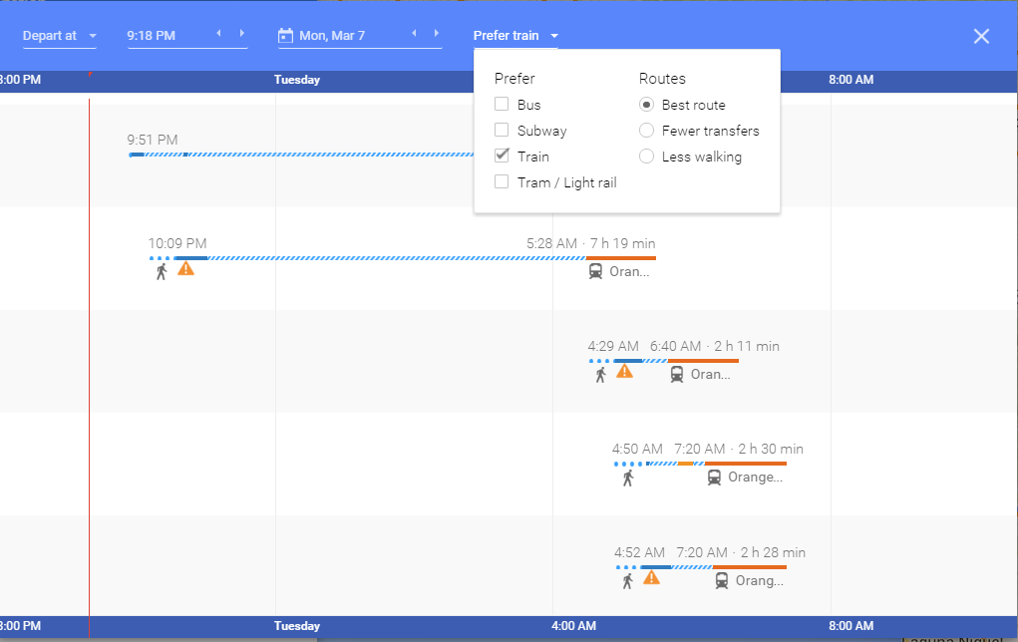

If clicked in this region to view the schedules, whole Schedule Explorer frame disappears.

Recommendation
Recommendation
The transit feature and schedule explorer of the Google maps was tested thoroughly with 36 High Priority test cases. It is observed that the feature is ready to release because:
1. Feature covers all the major functionality from user's point of view.
2. There are no critical bugs, which can harm the functionaity of the application.
3. GUI is user friendly for the transit feature.
Having said that, schedule explorer module can be improved in terms of its UI. As reported in the bug tracking sheet, there is a problem with the Preference window in the schedule explorer frame. This needs to be corrected in the next release.

