styblinski
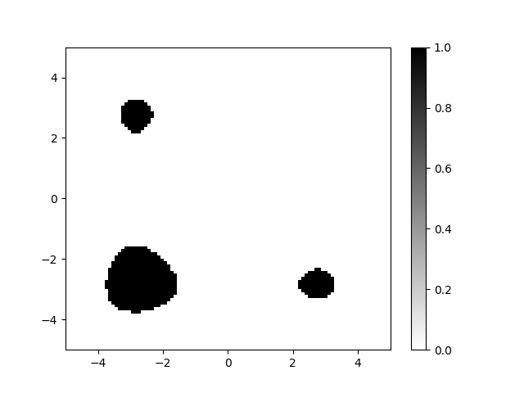
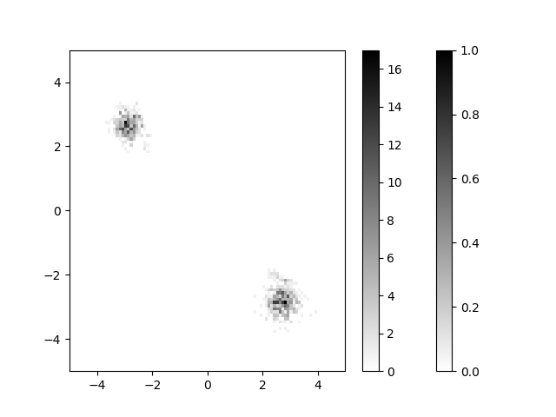
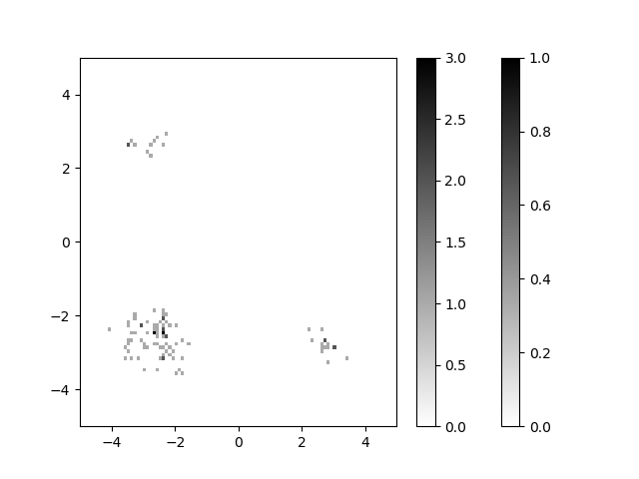
 |  |  |  |  |  |  |  |  |  |  |  |  |  |  |  | 3 | 4 |  | 1 | 2 | 5 | 6 | 7
ndim |  | 2 | 2 | 5 | 10 | 20 | 20 | 20 | 20 | 20 | 20 | 20 | 20 | 20 | 20 | 20 | 20 | 20 | 20 | 20 | 20 | 20 | 20
n_units/layer |  | 3x20 | 3x20 | 3x20 | 3x20 | 3x20 | 3x20 | 3x20 | 3x20 | 3x20 | 3x20 | 3x200 | 3x200 | 3x200 | 4x200 | 4x200 | 4x200 | 4x200 | 4x200 | 4x200 | 3x200 | 3x200 | 3x200
nr_mix |  | 5 | 5 | 5 | 5 | 5 | 5 | 10 | 40 | 40 | 40 | 40 | 40 | 40 | 5 | 5 | 5 | 40 | 40 | 40 | 40 | 40 | 40
beta |  | 1 | 1 | 1 | 1 | 1 | 1 | 1 | 1 | 1 | 1 | 1 | 1 | 1 | 10 | 10 | 10 | 10 | 10 | 10 | 5 | 5 | 5
seed |  | 10 | 20 | 10 | 10 | 10 | 20 | 10 | 10 | 20 | 30 | 10 | 20 | 30 | 10 | 20 | 30 | 10 | 20 | 30 | 10 | 20 | 30
niter_policy |  | 150 | 150 | 500 | 100 | 1700 | 1700 | 1700 | 1700 | 1700 | 1700 | 1700 | 1700 | 1700 | 1700 | 1700 | 1700 | 1700 | 1700 | 1700 | 1700 | 1700 | 1700
niter_cem_kde |  | 100 |  | 2000 | 1000
niter_cem_gauss |  | 100 |  | 1000 | 1000

accuracy [%] | random | 5.1±1.4 | 5.4±2.87 | 0.1±0.3 | 0 | 0 | 0 | 0 | 0 | 0 | 0 | 0 | 0 | 0 | 0 | 0 | 0 | 0 | 0 | 0 | 0 | 0 | 0
 | policy | 77.89±3.24 | 88.10±3.27 | 86.3±1.79 | 70.66±1.24 | 0.40±0.66 | 39.1±4.25 | 44.70±5.87 | 9.80±2.60 | 11.80±1.83 | 22.70±4.10 | 84.60±2.01 | 76.70±3.61 | 85.50±3.67 | 60±2.449 | 92±1.633 | 78±1.414 | 83.66±0.47 | 90.33±3.091 | 86.33±1.699 | 80±0.816 | 83±3.74 | 78±4.18
 | cem_kde | 31.90±2.30 | 15.56±1.00 | 4.90±2.26 | 0
 | cem_gauss | 85.50±2.11 | 6.90±0.81 | 55.50±4.34 | 0

accuracy [%] (for calculation) | random | 5.1 | 5.4 | 0.1 | 0 | 0 | 0 | 0 | 0 | 0 | 0 | 0 | 0 | 0 | 0 | 0 | 0 | 0 | 0 | 0 | 0 | 0 | 0
 | policy | 77.89 | 88.1 | 86.3 | 70.6 | 0.4 | 39.1 | 44.7 | 9.8 | 11.8 | 22.7 | 84.6 | 76.7 | 85.5 | 60 | 92 | 78 | 83 | 90.33 | 86.33 | 80 | 83 | 78
 | cem_kde | 31.9 | 15.56 | 4.9 | 0
 | cem_gauss | 85.5 | 6.9 | 55.5 | 0

solution variation | random | 3.917 | 2.4 | 0 | - | - | - | - | - | - | - | - | - | - | - | - | - | - | - | - | - | - | -
 | policy | 7.64 | 2.97 | 2.4 | 2.47 | 0.75 | 2.79 | 0.8 | 0.92 | 2.048 | 1.58 | 1.17 | 1.23 | 1.5 | 1.95 | 1.74 | 1.13 | 1.29 | 2.278 | 1.577 | 1.852 | 0.96 | 2.01
 | cem_kde | 1.72 | 4.3 | 1.57
 | cem_gauss | 0.2 | 3.59 | 1.08 | -

proposed variation | random | 8.62 | 8.72 | 8.4 | 8.38 | 8.4 | 8.55 | 8.4 | 8.4 | 8.55 | 8.44 | 8.4 | 8.55 | 8.44 | 8.44 | 8.44 | 8.44 | 8.44 | 8.44 | 8.44 | 8.44 | 8.44 | 8.44
 | policy | 7.8 | 3.62 | 2.58 | 2.67 | 2.48 | 2.83 | 1.17 | 1.55 | 2.8 | 2.07 | 1.27 | 1.16 | 1.56 | 2.12 | 1.75 | 1.15 | 1.3 | 2.265 | 1.614 | 1.867 | 1 | 1.99
 | cem_kde | 4.57 | 6.97 | 2.26
 | cem_gauss | 0.3 | 2.61 | 0.97 | 1.89

Diversity SCORE (sum of the variance explained by PCA) / ndim | random | 2.92 |  | 0 | 0
 | policy | 0.166 | 1.787 | 1.91 | 2.627 |  |  |  |  |  | 3.005 | 2.09 | 2.461 | 3.0075 | 4.77 | 3.238 | 1.877 | 2.127 | 4.16 | 3.127 | 3.239 | 1.64 | 3.635
 | cem_kde | 1.31 | 2.78 | 3.8754
 | cem_gauss | 0.1405 | 0.385 | 0.557

SCORE | random | 14.892 |  | 0 | 0 | 0 | 0 | 0 | 0 | 0 | 0 | 0 | 0 | 0 | 0 | 0 | 0 | 0 | 0 | 0 | 0 | 0 | 0
 | policy | 12.92974 | 157.4347 | 164.833 | 185.4662 | 0 | 0 | 0 | 0 | 0 | 68.2135 | 176.814 | 188.7587 | 257.14125 | 286.2 | 297.896 | 146.406 | 176.541 | 375.7728 | 269.95391 | 259.12 | 136.12 | 283.53
 | cem_kde | 41.789 | 43.2568 | 18.98946 | 0 | 0 | 0 | 0 | 0 | 0 | 0 | 0 | 0 | 0 | 0 | 0 | 0 | 0 | 0 | 0 | 0 | 0 | 0
 | cem_gauss | 12.01275 | 2.6565 | 30.9135 | 0 | 0 | 0 | 0 | 0 | 0 | 0 | 0 | 0 | 0 | 0 | 0 | 0 | 0 | 0 | 0 | 0 | 0 | 0

Directory |  | search_fig_20191127172628_styblinski_2d_niter150_s10 | search_fig_20191206085140_styblinski_2d_niter150_s20 | search_fig_20191202105134a_styblinski_5d_niter500 | search_fig_20191127172824_styblinski_10d_niter1000 | search_fig_20191127172934_styblinski_20d_niter1700_s10_nr_mix5 | search_fig_20191202104622_styblinski_20d_niter1700_s20_nr_mix5 | search_fig_20191202105101_styblinski_20d_niter1700_s10_nr_mix10 | search_fig_20191202112548_styblinski_20d_niter1700_s10_nr_mix40 | search_fig_20191203080635_styblinski_20d_niter1700_s20_nr_mix40 | search_fig_20191203080715_styblinski_20d_niter1700_s30_nr_mix40 | search_fig_20191203080852_styblinski_20d_niter1700_s10_nr_mix40_ul200 | search_fig_20191203085835_styblinski_20d_niter1700_s20_nr_mix40_ul200 | search_fig_20191203085853_styblinski_20d_niter1700_s30_nr_mix40_ul200 | cont_autoreg_20191210210526_styblinski_20d_niter1700_s10_b10_nrmix5 | cont_autoreg_20191211115321_styblinski_20d_niter1700_s20_b10_nrmix5 | cont_autoreg_20191211115404_styblinski_20d_niter1700_s30_b10_nrmix5 | cont_autoreg_20191210210623_styblinski_20d_niter1700_s10_b10_nrmix40 | cont_autoreg_20191211115208_styblinski_20d_niter1700_s20_b10_nrmix40 | cont_autoreg_20191211115236_styblinski_20d_niter1700_s30_b10_nrmix40 | cont_autoreg_20191211115630_styblinski_20d_niter1700_s10_b5_nrmix40_lay3 | cont_autoreg_20191211115709_styblinski_20d_niter1700_s20_b5_nrmix40_lay3 | cont_autoreg_20191211115754_styblinski_20d_niter1700_s30_b5_nrmix40_lay3
Directory_cem_kde |  | cem_kde_20191203142321_2d_iter100 | - | cem_kde_20191206092700_5d_iter2000 | cem_kde_20191206093208_10d_iter1000
Directory_cem_gauss |  | cem_gauss_20191203142750_2d_iter100 | - | cem_gauss_20191206085555_5d_iter1001 | cem_gauss_20191206090717_10d_iter1000

