LRG 1010 Electric Pump
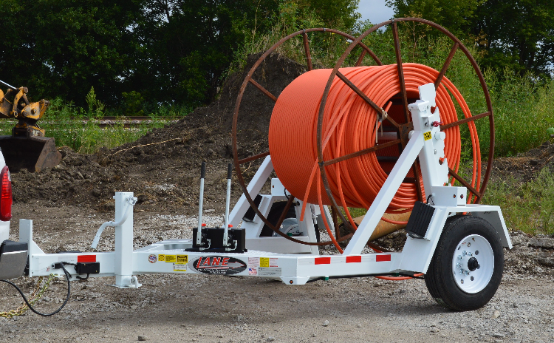

 |  |  |  |  | t5687

LRG 1010

 |  |  | SPECIFICATIONS

 |  | DESCRIPTION |  |  |  |  | HYDRAULICS
MODEL | - | LRG 1010 Electric Pump |  |  | Cylinders | - | 2 x 20 in. welded
GAWR | - | 9,995 lbs. |  |  | Pump | - | 4 Button Electric Over Hydraulic
Over All Length | - | appox. 154 in. |  |  |  | - | Dexron III / Mercon A.T.F.
Over All Width | - | 102 in. |  |  | Tool Box | - | 14 G.A. A-Frame
Reel Capacity | - | 10 ft. x 60 in.
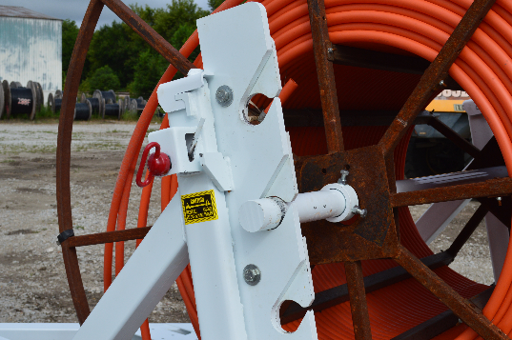
Empty Weight | - | 1,800 lbs.
 |  | RUNNING GEAR
Axle | - | 10,000 lbs.
Brakes | - | Electric
Single Tires | - | 2) ST215/75R17.5 Load Range (H)
Wheels | - | 17.5 x 6.75 8 Bolt White mod
 |  | FRAME
Main Frame | - | 4 x 6 in. Rectangular tube
Gun Rack Shell | - | 4 x 4 in. Square tube
Gun Rack Support | - | 3 1/2 x 3 1/2 in. Square tube
Gun Rack | - | 3/4 in x 5 1/2 in. flat
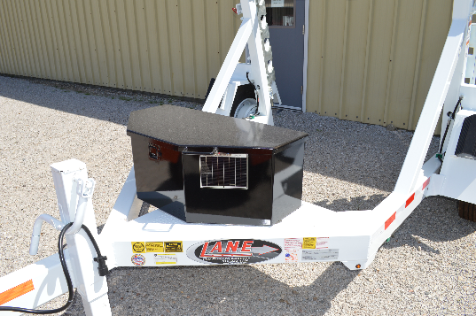
Tongue | - | 4 x 6 in. Rectangular tube
Light Boxes | - | 4 x 6 in. Rectangular tube
Fenders | - | 12 in. Jr Channel
 |  | SPINDLE BAR
Material | - | 2 1/2 in Diam. CRR
 |  | ELECTRICAL
Plug | - | 6 Pole Molded Plug
Wiring | - | 6 Pole Molded Plug
 | - | connections soldered & shrink wrapped
Lights | - | Standard LED package
 |  | SAFETY
Chains | - | Rated to match
Break Away | - | Engager System |  |  | Name: | Test 2
Decals | - | Warning decals & reflective tape
 |  | ACCESSORIES |  |  | Salesperson: | p78
Wheel Chocks | - | Rumber
Jack | - | Single 12K spring loaded drop leg |  |  | Date: | 06/29/2026
 |  | FINISH
PPG Paint | - | Industrial urethane- |  | pink | PRICE |  | 9899

 |  |  |  |  |  |  | SHIPPING NOT INCLUDED

LRG 1010 Blank
 |  |  |  |  | t5687

LRG 1010

 |  |  | SPECIFICATIONS

 |  | DESCRIPTION |  |  |  |  | HYDRAULICS
MODEL | - | LRG 1010 Electric Pump |  |  | Cylinders | - | 2 x 20 in. welded
GAWR | - | 9,995 lbs. |  |  | Pump | - | 4 Button Electric Over Hydraulic
Over All Length | - | appox. 154 in. |  |  |  | - | Dexron III / Mercon A.T.F.
Over All Width | - | 102 in. |  |  | Tool Box | - | 14 G.A. A-Frame
Reel Capacity | - | 10 ft. x 60 in.
Empty Weight | - | 1,800 lbs.
 |  | RUNNING GEAR
Axle | - | 10,000 lbs.
Brakes | - | Electric
Single Tires | - | 2) ST215/75R17.5 Load Range (H)
Wheels | - | 17.5 x 6.75 8 Bolt White mod
 |  | FRAME
Main Frame | - | 4 x 6 in. Rectangular tube
Gun Rack Shell | - | 4 x 4 in. Square tube
Gun Rack Support | - | 3 1/2 x 3 1/2 in. Square tube
Gun Rack | - | 3/4 in x 5 1/2 in. flat
Tongue | - | 4 x 6 in. Rectangular tube
Light Boxes | - | 4 x 6 in. Rectangular tube
Fenders | - | 12 in. Jr Channel
 |  | SPINDLE BAR
Material | - | 2 1/2 in Diam. CRR
 |  | ELECTRICAL
Plug | - | 6 Pole Molded Plug
Wiring | - | 6 Pole Molded Plug
 | - | connections soldered & shrink wrapped
Lights | - | Standard LED package
 |  | SAFETY
Chains | - | Rated to match
Break Away | - | Engager System
Decals | - | Warning decals & reflective tape
 |  | ACCESSORIES
Wheel Chocks | - | Rumber
Jack | - | Single 12K spring loaded drop leg
 |  | FINISH
PPG Paint | - | Industrial urethane- |  | pink

