MC_to_MEM_connection
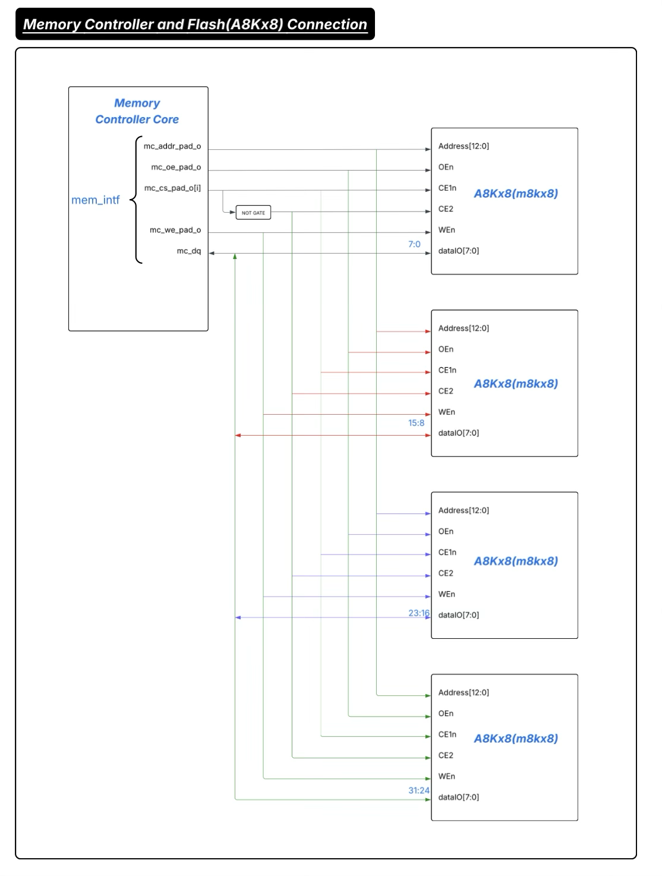
https://lucid.app/lucidchart/646fa08d-6b4c-4c7f-9a5b-40cba813a477/edit?invitationId=inv_007f7854-9bd4-44f3-a6a9-ea25b473a4d8

