Sheet1
Test Case ID | Module | Test Scenario | Reproduction Steps | Expected Results | Actual Results | Status | Severity | Screenshots
TC_001 | Homepage | Verify home page loads successfully | 1.Open website URL | Homa page should load without errors | Home page loaded successfully | Pass | Low | N/A
TC_002 | Navigation | Verify navigation menu links | 1.Open website URL 2.Click each navigation menu item | User should navigate to correct section or page | Navigation works properly | Pass | Medium | N/A
TC_003 | CTA(call to action) Button | Verify "Book a Free Demo" button submission on Laptop/Desktop | 1.Open website on laptop/desktop 2. Click "Book a Free Demo" button 3.Fill Form - submit form | Button should be fully visible and responsive on laptop/desktop screen | Button is fully visble and responsive for submission | Pass | High | N/A
TC_004 | CTA(call to action) Button | Verify "Book a Free Demo" button visibilty and submission on mobile | 1.Open website on mobile 2. Click "Book a Free Demo" button 3. Fill Form - submit form | Button should be fully visible and responsive on mobile screen | Button appears cut off on mobile view | Fail | High | 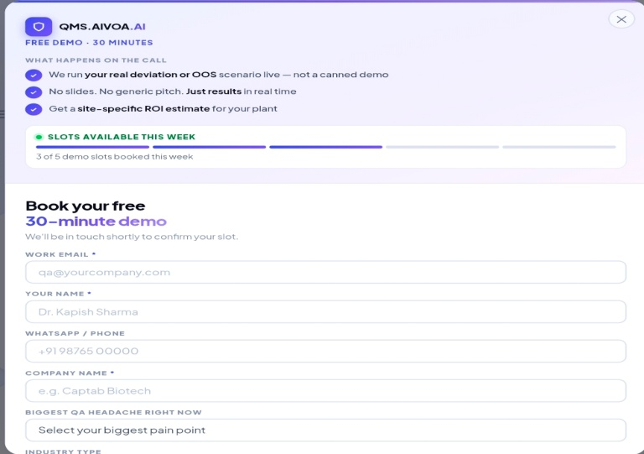
TC_005 | Form Validation | Verify mandatory field validation | 1.Open website 2. Click "Book a Free Demo" button 3.Submit form without entering data | Required field validation should appear | Required field validation displayed | Pass | High | N/A
TC_006 | Email Validation | Verify invalid email format rejection in "Book a Free Demo" form | 1.Open website 2. Click "Book a Free Demo" button 3.Enter ivalid email like xyz.com or xyz@gmail 4.Submit form | System should reject invalid email | Invalid email rejected | Pass | High | N/A
TC_007 | Form Validation | Verify validation for "Your Name" field in "Book a Free Demo" form | 1.Open website 2. Click "Book a Free Demo" button 3.Enter 0 or single digit in User Name field and submit form | System should reject invalid user name input | Form accepts numeric/ single-character input and submits successfully | Fail | High | 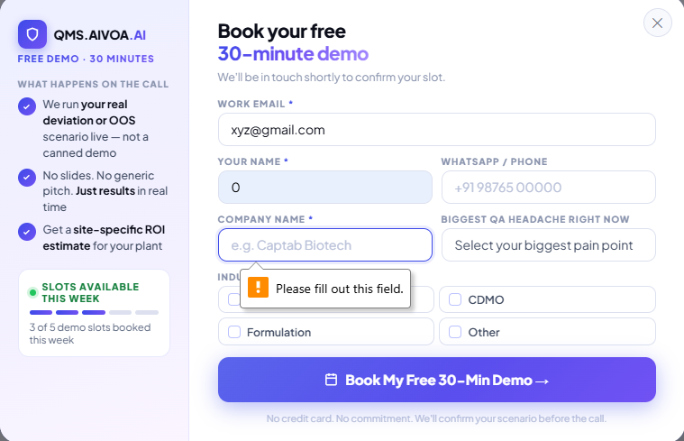
TC_008 | Form Validation | Verify validation for "Company Name" field in "Book a Free Demo" form | 1.Open website 2. Click "Book a Free Demo" button 3.Enter 0 or single digit in Company Name field and submit form | System shold reject invalid company name input | Form accepts invalid company name input and alllows submission | Fail | High | 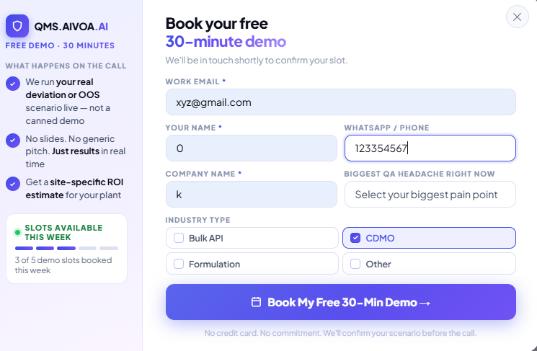
TC_009 | UI Responsiveness | Verify website responsiveness on mobile view | 1.Open website on mobile device | Contents should adjust properly to mobile screen size | Content is not properly fitted on mobile screen and extra empty space appears on right side | Fail | Medium | 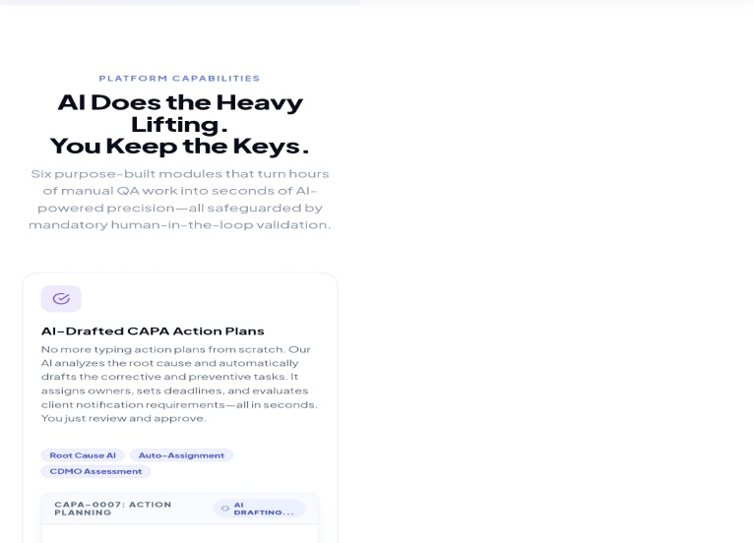
TC_010 | Scroll Behaviour | Verify smooth page scrolling | 1.Open website 2.Scroll through home page sections /modules | Website should scroll smoothly without lag | Slight lag/ slowness observed while scrolling through live module cycle/video section | Pass with Observation | 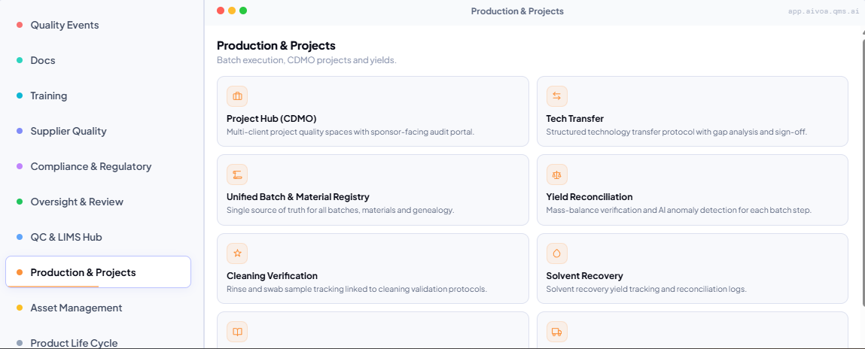 low
TC_011 | Footer Links | Verify Privacy Policy link | 1.Open website 2.Scroll through down to home page sections 3.Click Privacy Policy | Privacy Policy page should open | Privacy Policy page opened successfully | Pass with Observation | 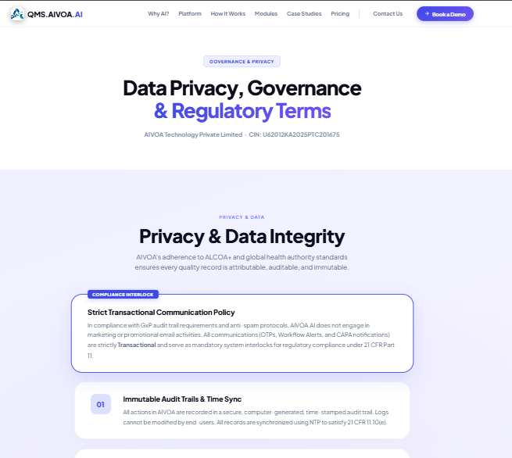 Medium
TC_012 | Footer Links | Verify Terms of Service | 1.Open website 2.Scroll through down to home page sections 3.Click Terms of Service | Terms of Service page should open with unique content | Same content as privacy policy observed | Fail | Medium | 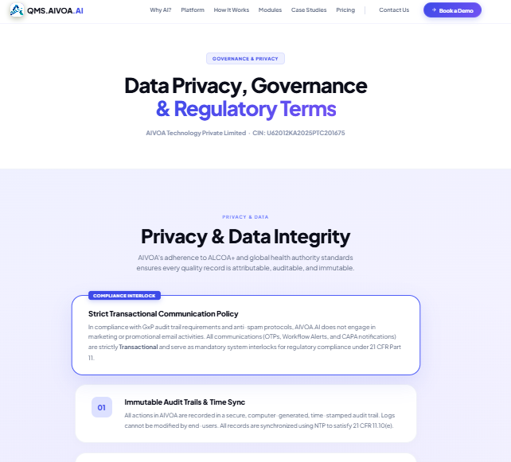
TC_013 | Footer /Social Media Links | Verify Youtube social media link functionality | 1.Open website 2.Scroll to footer 3.Click YouTube icon | YouTube page/channel should open successfully | Clicking YouTube icon redirects to "404 Page Not Found" error page | Fail | Medium | 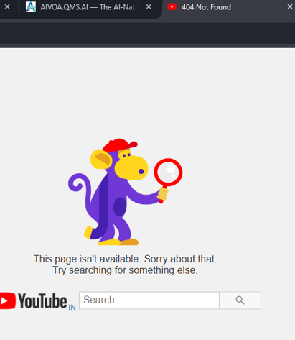
TC_014 | UI Layout | Verify UI alignment of "Watch Full Platform Tour" button | 1.Open website 2.Scroll Through module cycle / video content section | Button should be properly aligned without overlapping other content | "Watch Full Platform Tour" button overlaps with next section heading due to larger font/layout issue | Fail | Medium | 
TC_015 | Performance | Verify Page loading speed | 1.Open webiste on both Mobile Network/ Wi-Fi Network | Website should load within acceptable time | Loaded Successfully | Pass | Low | N/A
TC_016 | HyperLinks | Verify External links opens properly | 1.Open website 2.Click external/social links | Links should redirect correctly | Links working correctly | Pass | Medium | N/A
TC_017 | Contact Information / Redirects Links | Verify Contact links functionality | 1.Click mobile number and email link in contact section | Link should redirect/open properly | Mobile number and email links redirect successfully | Pass | Low | N/A
TC_018 | Homepage UI | Verify proper text alignment and font consistency | 1.Open website and observe section headings and font sizes | Headings and fonts should apper properly aligned and visually balanced | Some section headings/fonts appear oversized and create overlapping/heavy UI apperances | Pass with observation | Low | N/A
TC_019 | Browser Compatability | Verify webiste on chrome browser | 1.Open website in chrome | Website should open and function properly in chrome | Working correctly | Pass | Medium | N/A
TC_020 | User EXperience | Verify easy use of website | 1.Navigate through multiple sections | Navigation should be user friendly | Website usable but text-heavy | Pass | Low | N/A

