Sheet2
after cal. voltage
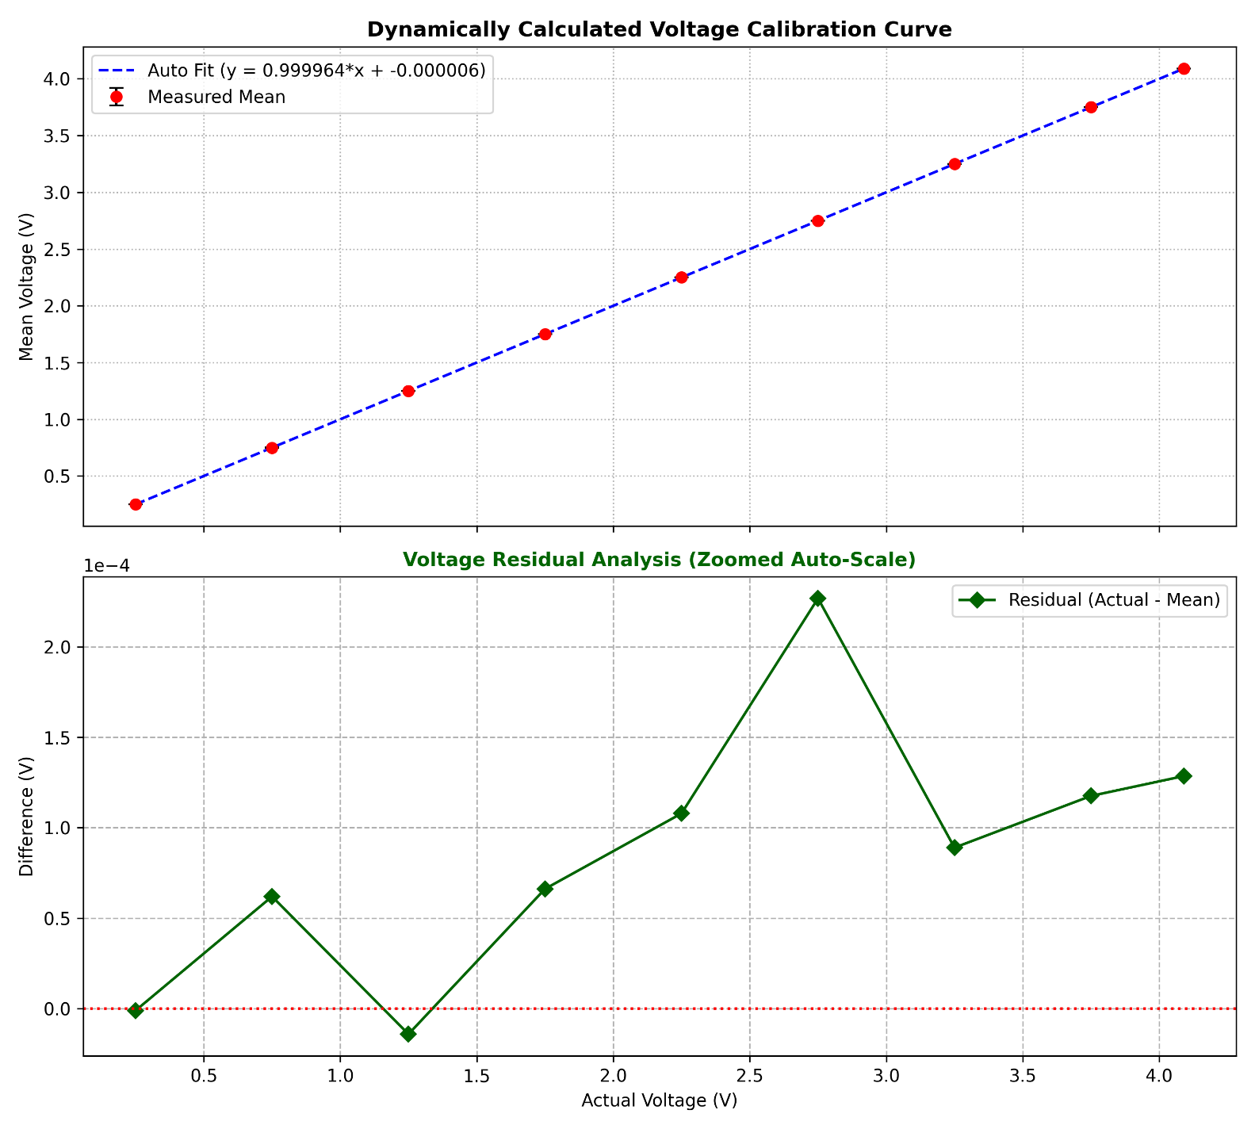

 |  |  |  |  |  |  |  | Regression result | Value
 |  |  |  |  |  |  |  | Slope (m) | 0.999963850
 |  |  |  |  |  |  |  | Intercept (c) | -0.000006275
 |  |  |  |  |  |  |  | R² | 0.999999998
 |  |  |  |  |  |  |  | Equation | y = 0.999963850x + -0.000006275

Actual/reference | Samples | Mean measured | Standard deviation | Min | Max | Error | Error (mV) | Error (%) | SNR (dB) | ENOB | Fit y=mx+c
0.25052 | 800 | 0.250521 | 0.000109 | 0.249050 | 0.250750 | 0.000001 | 0.001138 | 0.0005 | 67.22 | 10.87 | 0.250505
0.75032 | 800 | 0.750258 | 0.000094 | 0.749890 | 0.750570 | -0.000062 | -0.061950 | -0.0083 | 78.01 | 12.67 | 0.750287
1.25000 | 800 | 1.250014 | 0.000100 | 1.249710 | 1.250400 | 0.000014 | 0.014200 | 0.0011 | 81.90 | 13.31 | 1.249949
1.75010 | 800 | 1.750034 | 0.000091 | 1.749710 | 1.750220 | -0.000066 | -0.066150 | -0.0038 | 85.65 | 13.93 | 1.750030
2.25000 | 800 | 2.249892 | 0.000097 | 2.249530 | 2.250210 | -0.000108 | -0.107900 | -0.0048 | 87.27 | 14.20 | 2.249912
2.75000 | 800 | 2.749773 | 0.000101 | 2.749520 | 2.750030 | -0.000227 | -0.226912 | -0.0083 | 88.73 | 14.45 | 2.749894
3.24980 | 800 | 3.249711 | 0.000106 | 3.249510 | 3.250020 | -0.000089 | -0.088975 | -0.0027 | 89.72 | 14.61 | 3.249676
3.74970 | 800 | 3.749582 | 0.000107 | 3.749330 | 3.750020 | -0.000118 | -0.117600 | -0.0031 | 90.85 | 14.80 | 3.749558
4.08960 | 800 | 4.089471 | 0.000099 | 4.089250 | 4.089760 | -0.000129 | -0.128575 | -0.0031 | 92.32 | 15.04 | 4.089446

Sheet3
after cal current
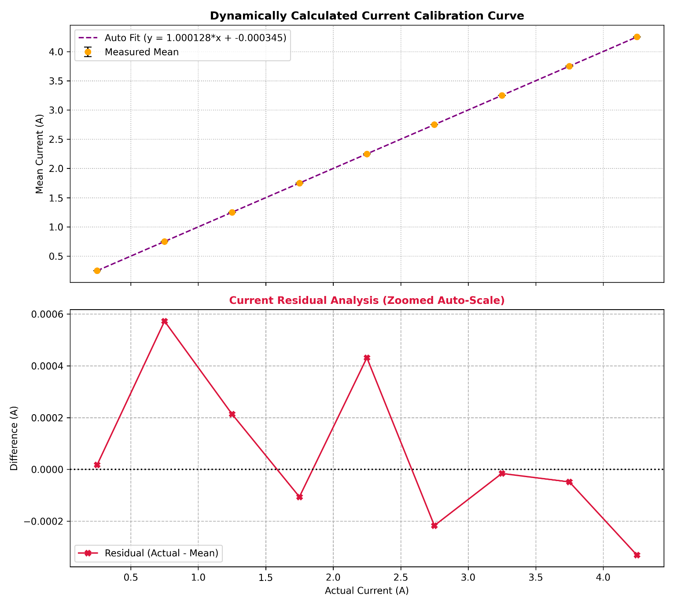

 |  |  |  |  |  |  |  | Regression result | Value
 |  |  |  |  |  |  |  | Slope (m) | 1.000127635
 |  |  |  |  |  |  |  | Intercept (c) | -0.000344572
 |  |  |  |  |  |  |  | R² | 0.999999970
 |  |  |  |  |  |  |  | Equation | y = 1.000127635x + -0.000344572

Actual/reference | Samples | Mean measured | Standard deviation | Min | Max | Error | Error (mV) | Error (%) | SNR (dB) | ENOB | Fit y=mx+c
0.25070 | 800 | 0.250683 | 0.000725 | 0.249720 | 0.251670 | -0.000017 | -0.017387 | -0.0069 | 50.77 | 8.14 | 0.250387
0.75030 | 800 | 0.749727 | 0.001078 | 0.748460 | 0.751380 | -0.000573 | -0.572662 | -0.0763 | 56.85 | 9.15 | 0.750051
1.24980 | 800 | 1.249586 | 0.000567 | 1.248170 | 1.251090 | -0.000214 | -0.213963 | -0.0171 | 66.87 | 10.81 | 1.249615
1.74950 | 800 | 1.749606 | 0.000944 | 1.747880 | 1.751780 | 0.000106 | 0.106112 | 0.0061 | 65.36 | 10.56 | 1.749379
2.24920 | 800 | 2.248769 | 0.000771 | 2.246620 | 2.251490 | -0.000431 | -0.431400 | -0.0192 | 69.29 | 11.22 | 2.249143
2.74910 | 800 | 2.749317 | 0.000826 | 2.746330 | 2.751200 | 0.000217 | 0.217075 | 0.0079 | 70.45 | 11.41 | 2.749106
3.24890 | 800 | 3.248916 | 0.001420 | 3.247010 | 3.251890 | 0.000016 | 0.015700 | 0.0005 | 67.19 | 10.87 | 3.248970
3.74940 | 800 | 3.749448 | 0.001435 | 3.747700 | 3.752570 | 0.000048 | 0.048438 | 0.0013 | 68.34 | 11.06 | 3.749534
4.24940 | 800 | 4.249731 | 0.001381 | 4.246440 | 4.253260 | 0.000331 | 0.331088 | 0.0078 | 69.76 | 11.30 | 4.249598

Sheet4
voltage
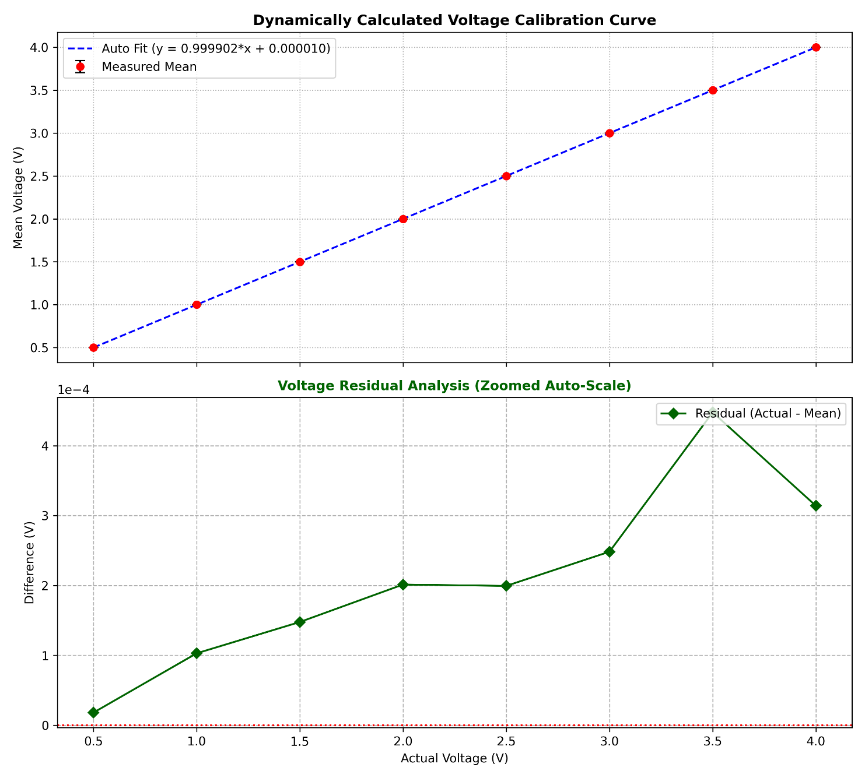

 |  |  |  |  |  |  |  | Regression result | Value
 |  |  |  |  |  |  |  | Slope (m) | 0.99990232663
 |  |  |  |  |  |  |  | Intercept (c) | 0.000010103
 |  |  |  |  |  |  |  | R² | 0.999999998
 |  |  |  |  |  |  |  | Equation | y = 0.999902327x + 0.000010103

Actual/reference (V) | Samples | Mean measured (V) | Standard deviation (V) | Min (V) | Max (V) | Error (V) | Error (mV) | Error (%) | SNR (dB) | ENOB | Fit y=mx+c
0.50010 | 1500 | 0.500083 | 0.000093 | 0.499770 | 0.500280 | -0.000017 | -0.017313 | -0.0035 | 74.58 | 12.10 | 0.500061
0.99992 | 1500 | 0.999818 | 0.000102 | 0.999550 | 1.000060 | -0.000102 | -0.102420 | -0.0102 | 79.87 | 12.97 | 0.999832
1.49970 | 1500 | 1.499552 | 0.000101 | 1.499320 | 1.499830 | -0.000148 | -0.147553 | -0.0098 | 83.40 | 13.56 | 1.499564
1.99980 | 1500 | 1.999599 | 0.000103 | 1.999090 | 1.999770 | -0.000201 | -0.201020 | -0.0101 | 85.74 | 13.95 | 1.999615
2.49970 | 1500 | 2.499501 | 0.000101 | 2.499030 | 2.499720 | -0.000199 | -0.199273 | -0.0080 | 87.87 | 14.30 | 2.499466
2.99970 | 1500 | 2.999452 | 0.000106 | 2.999150 | 2.999830 | -0.000248 | -0.248193 | -0.0083 | 89.06 | 14.50 | 2.999417
3.49980 | 1500 | 3.499353 | 0.000106 | 3.499090 | 3.499600 | -0.000447 | -0.447293 | -0.0128 | 90.35 | 14.72 | 3.499468
3.99960 | 1500 | 3.999286 | 0.000110 | 3.999030 | 3.999550 | -0.000314 | -0.314067 | -0.0079 | 91.23 | 14.86 | 3.999219

Sheet5
current
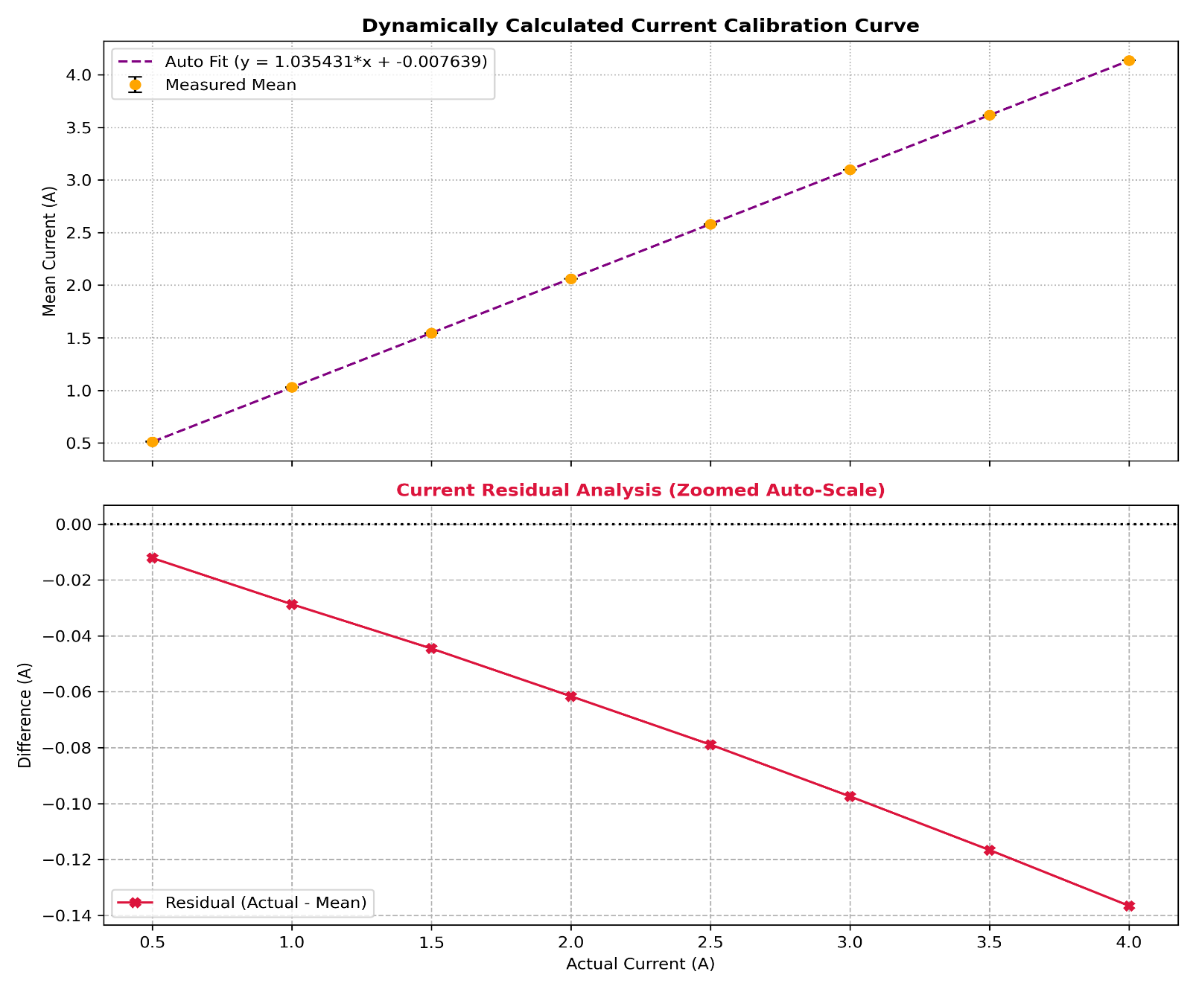

 |  |  |  |  |  |  |  | Regression result | Value
 |  |  |  |  |  |  |  | Slope (m) | 1.0354360156
 |  |  |  |  |  |  |  | Intercept (c) | -0.007645466
 |  |  |  |  |  |  |  | R² | 0.999998169
 |  |  |  |  |  |  |  | Equation | y = 1.035436016x - 0.007645466

Actual/reference (A) | Samples | Mean measured (A) | Standard deviation (A) | Min (A) | Max (A) | Error (A) | Error (mA) | Error (%) | SNR (dB) | ENOB | Fit y=mx+c
0.50070 | 1500 | 0.512831 | 0.000672 | 0.511390 | 0.515410 | 0.012131 | 12.130847 | 2.4228 | 57.65 | 9.28 | 0.510797
1.00040 | 1500 | 1.029078 | 0.000686 | 1.027810 | 1.030820 | 0.028678 | 28.677887 | 2.8666 | 63.52 | 10.26 | 1.028205
1.50020 | 1500 | 1.544726 | 0.001093 | 1.542210 | 1.546230 | 0.044526 | 44.526107 | 2.9680 | 63.00 | 10.17 | 1.545716
1.99960 | 1500 | 2.061197 | 0.001240 | 2.058630 | 2.063650 | 0.061597 | 61.596960 | 3.0805 | 64.42 | 10.41 | 2.062812
2.49950 | 1500 | 2.578428 | 0.001428 | 2.576050 | 2.581070 | 0.078928 | 78.928133 | 3.1578 | 65.13 | 10.53 | 2.580427
2.99950 | 1500 | 3.096963 | 0.001536 | 3.093470 | 3.099500 | 0.097463 | 97.462740 | 3.2493 | 66.09 | 10.69 | 3.098145
3.49970 | 1500 | 3.616375 | 0.001591 | 3.611900 | 3.619930 | 0.116675 | 116.674780 | 3.3339 | 67.13 | 10.86 | 3.616070
4.00020 | 1500 | 4.136880 | 0.002033 | 4.132330 | 4.142380 | 0.136680 | 136.680013 | 3.4168 | 66.17 | 10.70 | 4.134306

