Sheet1
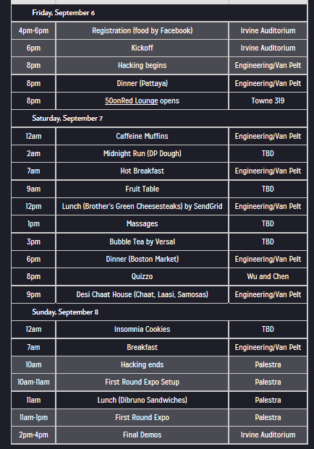
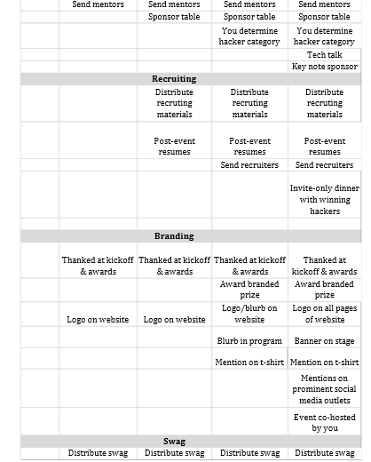

Saturday, March 1
10am | Registration/Brunch
12pm | Kickoff and Tech Talk
1pm | Hacking Begins
4pm | Dinner
9pm | Fourth Meal
Sunday, March 2
7am | Breakfast
1pm | Hacking Ends
1pm | Lunch
2pm | First Round Expo
3pm | Key Note Speaker
4pm | Final Demos

