Tangency
Investment Opportunity Set Two Asset Case
Finding Tangency Portfolio Using Solver

 | Asset: | Domestic Equity | Bond Fund
 | Expected Return | 6.0% | 3.5%
 | Return Standard Deviation | 15.0% | 3.5%

 | Covariance Matrix | Domestic Equity | Bond Fund
 | Domestic Equity | 0.0225 | -0.0003
 | Bond Fund | -0.0003 | 0.0012

 | Risk-free Rate | 2.0%

 |  | Portfolio Weights
 | Target E[r] | Domestic Equity | Bond Fund | Sum of Weights | Portfolio E[r] | Portfolio Var | Portfolio SD | Portfolio SR
 | N/A | 13.2% | 86.8% | 100.0% | 3.8% | 0.0013 | 3.5% | 0.517
 |  |  |  |  | =SUMPRODUCT(C16:D16,$C$4:$D$4)
 |  |  |  |  |  | {=MMULT(C16:D16,MMULT($C$8:$D$9,TRANSPOSE(C16:D16)))}
 |  | Portfolio Weights
 | Target E[r] | Domestic Equity | Bond Fund | Sum of Weights | Portfolio E[r] | Portfolio Var | Portfolio SD | Portfolio SR
 | 2.5% | -40.0% | 140.0% | 100.0% | 2.5% | 0.0063 | 7.9% | 0.063
 | 3.0% | -20.0% | 120.0% | 100.0% | 3.0% | 0.0028 | 5.3% | 0.189
 | 3.5% | 0.0% | 100.0% | 100.0% | 3.5% | 0.0012 | 3.5% | 0.429
 | 4.0% | 20.0% | 80.0% | 100.0% | 4.0% | 0.0016 | 4.0% | 0.500
 | 4.5% | 40.0% | 60.0% | 100.0% | 4.5% | 0.0039 | 6.3% | 0.400
 | 5.0% | 60.0% | 40.0% | 100.0% | 5.0% | 0.0082 | 9.0% | 0.332
 | 5.5% | 80.0% | 20.0% | 100.0% | 5.5% | 0.0144 | 12.0% | 0.292
 | 6.0% | 100.0% | 0.0% | 100.0% | 6.0% | 0.0225 | 15.0% | 0.267

 |  | Domestic Equity | Bond Fund | Sum of Weights | Portfolio E[r] | Portfolio Var | Portfolio SD | Portfolio SR
 | Tangency Weights | 13.2% | 86.8% | 100.0% | 0.0383 | 0.1% | 0.0354 | 0.5166

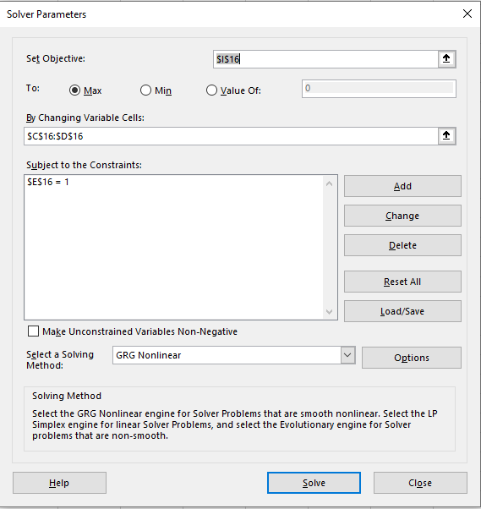

 | Solving system of equations:
 | Excess Returns | 4.0% | 1.5% | =D4-$C$11
 | w | 1.93 | 12.66 | {=MMULT(C57:D57,MINVERSE(C8:D9))}
 | Tangency Weights | 0.132 | 0.868 | =D58/SUM($C$58:$D$58)

CAL
Investment Opportunity Set Two Asset Case
The Capital Allocation Line

 | Asset: | Domestic Equity | Bond Fund
 | Expected Return | 6.0% | 3.5%
 | Return Standard Deviation | 15.0% | 3.5%

 | Covariance Matrix | Domestic Equity | Bond Fund
 | Domestic Equity | 0.0225 | -0.0003
 | Bond Fund | -0.0003 | 0.0012

 | Risk-free Rate | 2.0%

 |  | Portfolio Weights
 | Target E[r] | Domestic Equity | Bond Fund | Sum of Weights | Portfolio E[r] | Portfolio Var | Portfolio SD | Portfolio SR
 | 2.5% | -40.0% | 140.0% | 100.0% | 2.5% | 0.0063 | 7.9% | 0.063
 | 3.0% | -20.0% | 120.0% | 100.0% | 3.0% | 0.0028 | 5.3% | 0.189
 | 3.5% | 0.0% | 100.0% | 100.0% | 3.5% | 0.0012 | 3.5% | 0.429
 | 4.0% | 20.0% | 80.0% | 100.0% | 4.0% | 0.0016 | 4.0% | 0.500
 | 4.5% | 40.0% | 60.0% | 100.0% | 4.5% | 0.0039 | 6.3% | 0.400
 | 5.0% | 60.0% | 40.0% | 100.0% | 5.0% | 0.0082 | 9.0% | 0.332
 | 5.5% | 80.0% | 20.0% | 100.0% | 5.5% | 0.0144 | 12.0% | 0.292
 | 6.0% | 100.0% | 0.0% | 100.0% | 6.0% | 0.0225 | 15.0% | 0.267

 |  | Domestic Equity | Bond Fund | Sum of Weights | Portfolio E[r] | Portfolio Var | Portfolio SD | Portfolio SR
 | Tangency Weights | 13.2% | 86.8% | 100.0% | 0.0383 | 0.1% | 0.0354 | 0.5166

 |  | Weight in Risk-free | Weight in Tangency | Portfolio E[r] | Portfolio SD | Portfolio SR
 |  | 100.0% | 0.0% | 2.0% | 0.0% | #DIV/0!
 |  | 60.0% | 40.0% | 2.7% | 1.4% | 0.5166
 |  | 20.0% | 80.0% | 3.5% | 2.8% | 0.5166
 |  | -20.0% | 120.0% | 4.2% | 4.3% | 0.5166
 |  | -60.0% | 160.0% | 4.9% | 5.7% | 0.5166

