Landing Page
*Clinical calculators similar to this one are to assist healthcare professionals in making complex decisions. This calculator is a tool to be used in combination with clinical judgement, not as a stand alone one-size-fits all depot for dosing

Vancomycin AUC Calculator


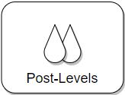



Exclusions:
- Hemodialysis, CRRT, AKI/Unstable Renal Function
- UTI, Skin and soft tissue infections (ABSSSI), Surgical Prophylaxis
- Enterococcal infections, Staphylococcus Epidermidis
(Renal)
(non-AUC)
(non-MRSA Infections)

