Station Metadata
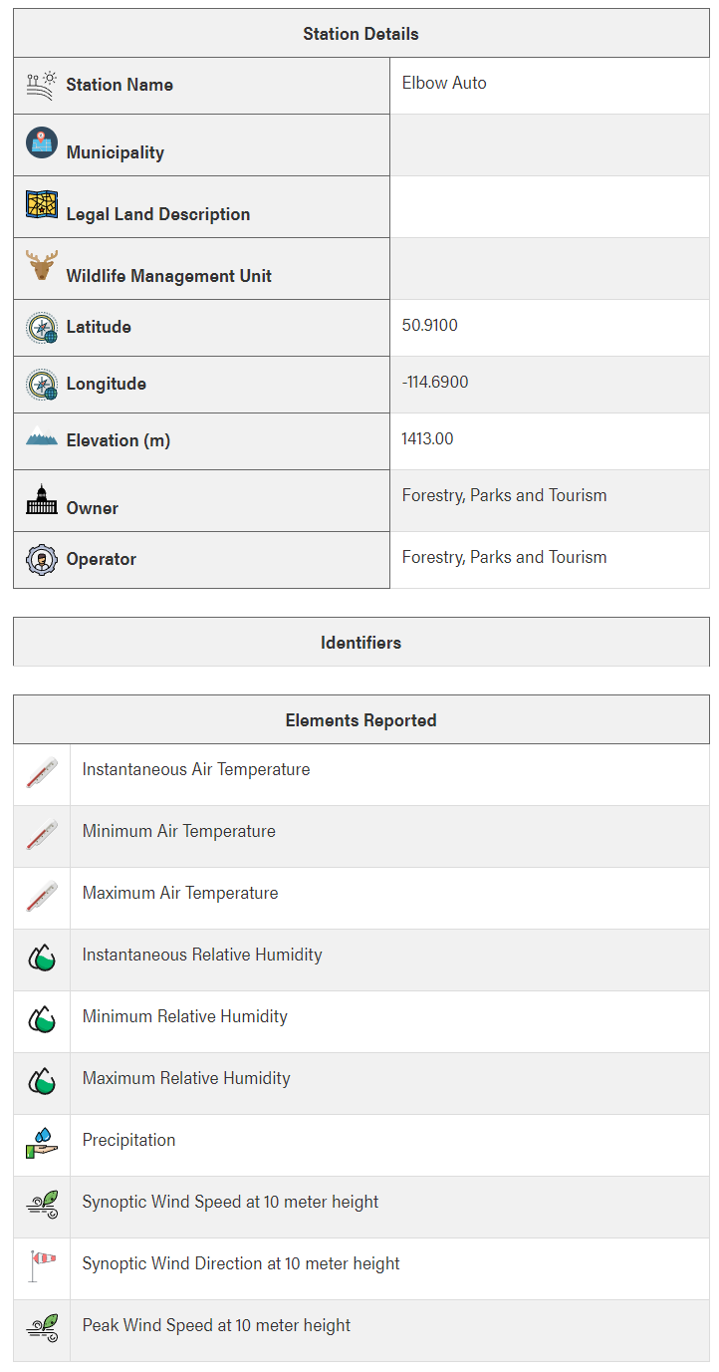
Hydrometric and climate station metadata

Hydrometric
Agency | Water Survey of Canada
Station name/ID | Elbow River at Sarcee Bridge (05BJ010)
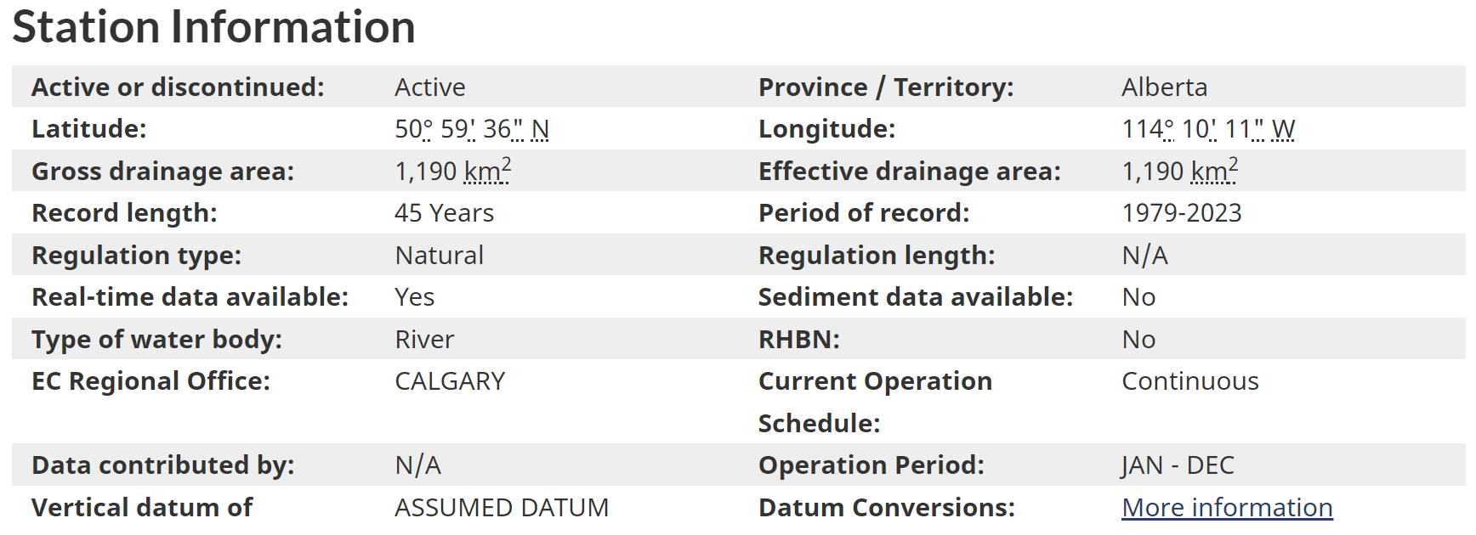

Climate
Agency | Alberta Forestry Parks and Tourism
Station name/ID | Elbow Ranger Station / Elbow Auto (3052270)

