Sheet1
RefNro | Authors | Title | Classificator | SourceCl | Database | Journal | Year | S1 | S2 | S3 | S4 | S5 | S6 | T1 | T2 | T3 | T4 | T5
[1] | Abera, T., Davi, L., Paverd, A., Tsudik, G., & Irvine, U. C. | Things , Trouble , Trust : On Building Trust in IoT Systems. 3 | Conference proceedings | 2 |  |  | 2016 | 0 | 0 | 0 | 0 | 0 | 0 | 0 | 0 | 0 | 0 | 1
[2]
[3]
delete unused
otherwise will give error "Cannot convert non-finite values..."
here can be automatic description of source as in this case or some other random parameter, like country etc
Not handled in code so far
topics / chapters where the source belong marked with 1, rest with zeros.
Empty will give errors,
[4]
[5]
[6]
[7]
[8]
[9]
[10]
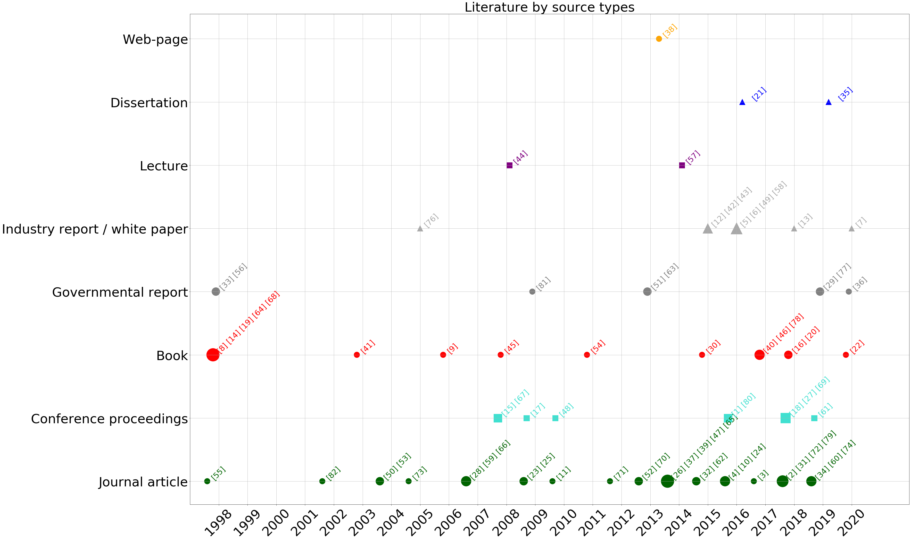
[11]
[12]
[13]
[14]
[15]
[16]
[17]
[18]
[19]
[20]
[21]
[22]
[23]
[24]
[25]
[26]
[27]
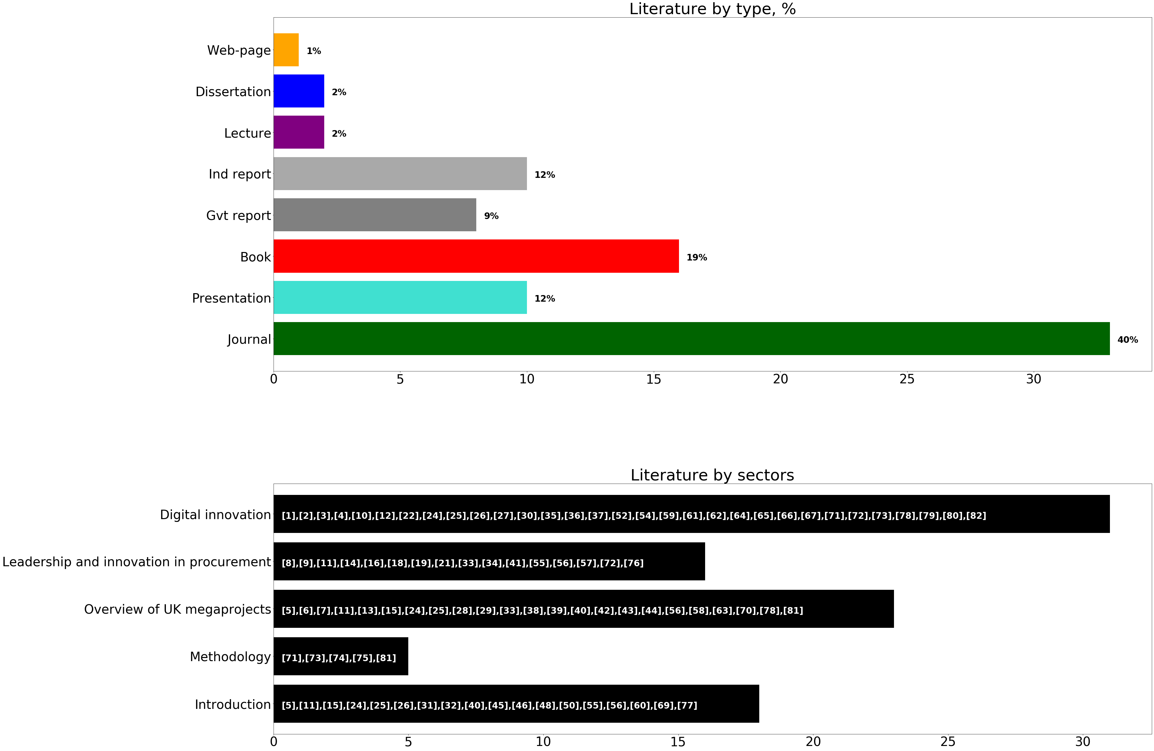
[28]
[29]
[30]
[31]
[32]
[33]
[34]
[35]
[36]
[37]
[38]
[39]
[40]
[41]
[42]
[43]
[44]
[45]
[46]
[47]
[48]
[49]
[50]
[51]
[52]
[53]
[54]
[55]
[56]
[57]
[58]
[59]
[60]
[61]
[62]
[63]
[64]
[65]
[66]
[67]
[68]
[69]
[70]
[71]
[72]
[73]
[74]
[75]
[76]
[77]
[78]
[79]
[80]
[81]
[82]

