Results
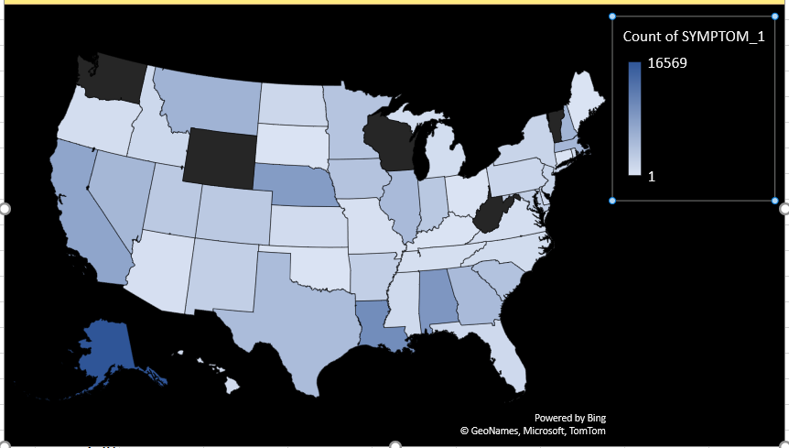
 |  |  | Vacinated deaths by manufacturer
 | JANSSEN | MODERNA | NOVAVAX | PFIZER\BIONTECH | UNKNOWN MANUFACTURER
Jan | 161 | 718 | 0 | 517 | 4
Feb | 108 | 362 | 0 | 368 | 1
Mar | 78 | 355 | 0 | 427 | 4
Apr | 36 | 204 | 0 | 242 | 2
May | 41 | 156 | 0 | 189 | 1
Jun | 34 | 155 | 0 | 166 | 3
Jul | 37 | 172 | 0 | 148 | 0
Aug | 31 | 204 | 0 | 191 | 2
Sep | 44 | 149 | 0 | 126 | 1
Oct | 35 | 116 | 0 | 127 | 1
Nov | 40 | 76 | 0 | 104 | 0
Dec | 57 | 109 | 0 | 105 | 3
 | JANSSEN | MODERNA | NOVAVAX | PFIZER\BIONTECH | UNKNOWN MANUFACTURER
Jan | 161 | 718 | 0 | 517 | 4
Feb | 108 | 362 | 0 | 368 | 1
Mar | 78 | 355 | 0 | 427 | 4
Apr | 36 | 204 | 0 | 242 | 2
May | 41 | 156 | 0 | 189 | 1
Jun | 34 | 155 | 0 | 166 | 3
Jul | 37 | 172 | 0 | 148 | 0
Aug | 31 | 204 | 0 | 191 | 2
Sep | 44 | 149 | 0 | 126 | 1
Oct | 35 | 116 | 0 | 127 | 1
Nov | 40 | 76 | 0 | 104 | 0
Dec | 57 | 109 | 0 | 105 | 3

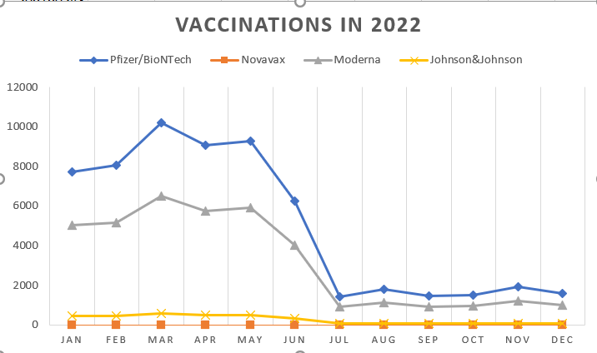
 |  |  | State wise Adverse events

State wise Adverse events
 | Total
AK | 351
AL | 1082
AR | 1136
AS | 16
AZ | 3674
CA | 16683
CO | 8963
CT | 2358
DC | 426
DE | 418
FL | 7319
GA | 3053
GU | 39
HI | 464
IA | 1295
ID | 1123
IL | 4790
IN | 2553
KS | 1001
KY | 3723
LA | 1322
MA | 4790
MD | 3198
ME | 914
MH | 1
MI | 10177
MN | 5134
MO | 2314
MP | 7
MS | 938
MT | 741
NC | 3638
ND | 310
NE | 662
NH | 1031
NJ | 5650
NM | 833
NV | 1377
NY | 8352
OH | 5554
OK | 1805
OR | 2333
PA | 5201
PR | 1735
PW | 3
QW | 1
RI | 729
SC | 1535
SD | 489
TN | 2599
...

 |  | Death by gender

Death rate by Gender
 | Total
1 F | 2342
1 M | 3642
1 U | 226

 |  |  |  |  | 6200
 |  |  |  |  | 3642
 |  |  |  |  | 58.741935484

 |  | Age group vs died
 | JANSSEN | MODERNA | NOVAVAX | PFIZER\BIONTECH | UNKNOWN MANUFACTURER
0 | 0 | 0 | 0 | 1 | 0
1 | 0 | 1 | 0 | 0 | 0
2 | 0 | 3 | 0 | 1 | 0
3 | 0 | 0 | 0 | 0 | 0
4 | 0 | 0 | 0 | 0 | 0
5 | 0 | 0 | 0 | 1 | 0
6 | 0 | 0 | 0 | 0 | 0
7 | 0 | 0 | 0 | 1 | 0
8 | 0 | 0 | 0 | 2 | 0
9 | 0 | 0 | 0 | 2 | 0
10 | 0 | 0 | 0 | 2 | 0
11 | 0 | 0 | 0 | 1 | 0
12 | 0 | 0 | 0 | 1 | 0
13 | 0 | 2 | 0 | 2 | 0
14 | 0 | 0 | 0 | 3 | 0
15 | 0 | 2 | 0 | 2 | 0
16 | 0 | 1 | 0 | 0 | 0
17 | 0 | 1 | 0 | 2 | 0
18 | 0 | 2 | 0 | 2 | 0
19 | 1 | 3 | 0 | 4 | 0
20 | 1 | 2 | 0 | 1 | 0
21 | 0 | 1 | 0 | 2 | 0
22 | 0 | 2 | 0 | 2 | 0
23 | 0 | 3 | 0 | 2 | 0
24 | 0 | 0 | 0 | 3 | 0
25 | 0 | 0 | 0 | 2 | 0
26 | 0 | 0 | 0 | 0 | 0
27 | 1 | 1 | 0 | 3 | 0
28 | 1 | 2 | 0 | 0 | 0
29 | 3 | 1 | 0 | 0 | 0
30 | 2 | 3 | 0 | 2 | 0
31 | 1 | 3 | 0 | 6 | 0
32 | 2 | 2 | 0 | 4 | 0
33 | 2 | 1 | 0 | 3 | 0
34 | 2 | 1 | 0 | 1 | 0
35 | 0 | 4 | 0 | 2 | 0
36 | 0 | 5 | 0 | 1 | 0
37 | 0 | 5 | 0 | 5 | 0
38 | 0 | 7 | 0 | 2 | 0
39 | 0 | 3 | 0 | 1 | 1
40 | 2 | 4 | 0 | 5 | 0
41 | 1 | 2 | 0 | 4 | 0
42 | 0 | 3 | 0 | 9 | 1
43 | 3 | 4 | 0 | 5 | 0
44 | 1 | 7 | 0 | 4 | 1
45 | 3 | 3 | 0 | 11 | 0
46 | 2 | 6 | 0 | 7 | 1
47 | 2 | 6 | 0 | 4 | 0
48 | 4 | 4 | 0 | 8 | 0
49 | 10 | 7 | 0 | 13 | 0
...

 |  |  | Age wise adverse events vs vaccine
 | JANSSEN | MODERNA | NOVAVAX | PFIZER\BIONTECH | UNKNOWN MANUFACTURER
0 | 2 | 51 | 0 | 39 | 0
1 | 1 | 273 | 0 | 196 | 0
2 | 2 | 421 | 0 | 343 | 0
3 | 1 | 269 | 1 | 326 | 1
4 | 1 | 269 | 0 | 473 | 2
5 | 0 | 93 | 1 | 1577 | 0
6 | 0 | 77 | 0 | 926 | 0
7 | 1 | 48 | 0 | 1074 | 2
8 | 0 | 45 | 0 | 1075 | 0
9 | 0 | 55 | 0 | 1171 | 2
10 | 1 | 49 | 0 | 1279 | 0
11 | 5 | 74 | 0 | 1652 | 0
12 | 5 | 178 | 1 | 1528 | 1
13 | 11 | 155 | 0 | 948 | 0
14 | 15 | 212 | 2 | 916 | 1
15 | 21 | 234 | 0 | 979 | 0
16 | 48 | 374 | 1 | 902 | 5
17 | 88 | 659 | 1 | 805 | 3
18 | 77 | 278 | 4 | 646 | 1
19 | 66 | 447 | 2 | 494 | 1
20 | 51 | 517 | 2 | 470 | 3
21 | 57 | 487 | 2 | 488 | 1
22 | 54 | 447 | 3 | 470 | 2
23 | 49 | 527 | 1 | 560 | 3
24 | 56 | 539 | 1 | 523 | 4
25 | 60 | 561 | 1 | 575 | 1
26 | 45 | 637 | 4 | 640 | 6
27 | 70 | 696 | 4 | 642 | 5
28 | 77 | 600 | 3 | 677 | 6
29 | 83 | 732 | 3 | 762 | 4
30 | 100 | 722 | 6 | 779 | 2
31 | 76 | 744 | 3 | 864 | 1
32 | 85 | 772 | 2 | 901 | 5
33 | 89 | 751 | 4 | 938 | 2
34 | 77 | 811 | 3 | 894 | 0
35 | 94 | 786 | 2 | 912 | 3
36 | 85 | 870 | 1 | 962 | 7
37 | 103 | 865 | 2 | 1046 | 4
38 | 94 | 852 | 4 | 983 | 3
39 | 98 | 868 | 5 | 977 | 7
40 | 120 | 811 | 5 | 1005 | 7
41 | 104 | 879 | 1 | 1029 | 4
42 | 92 | 812 | 4 | 1014 | 8
43 | 106 | 828 | 3 | 979 | 1
44 | 80 | 896 | 1 | 1053 | 3
45 | 106 | 839 | 7 | 1056 | 3
46 | 115 | 888 | 1 | 1007 | 3
47 | 103 | 875 | 2 | 1019 | 5
48 | 120 | 917 | 2 | 1043 | 6
49 | 117 | 937 | 2 | 1123 | 2
...

Vaccine wise Adverse effects
 | Total
JANSSEN | 9217
MODERNA | 83249
NOVAVAX | 199
PFIZER\BIONTECH | 101491

hOSPITALIZED days vs vaccine manufacturer
 | Total
JANSSEN | 1314
MODERNA | 6799
NOVAVAX | 7
PFIZER\BIONTECH | 8221

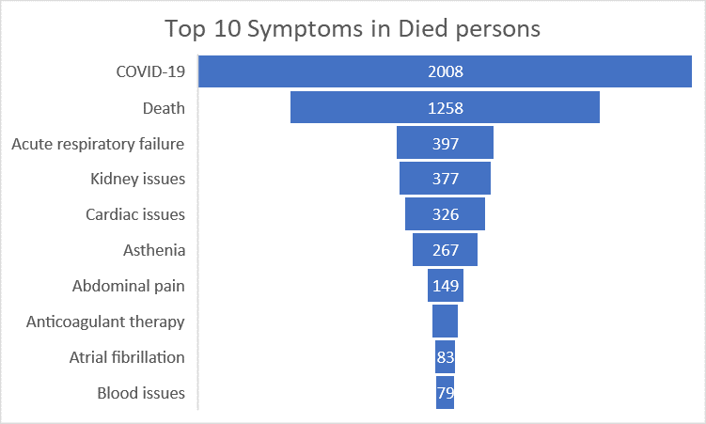
Symptoms | Sum of DIED
COVID-19 | 2008
Death | 1258
Acute respiratory failure | 397
Kidney issues | 377
Cardiac issues | 326
Asthenia | 267
Abdominal pain | 149
Anticoagulant therapy | 104
Atrial fibrillation | 83
Blood issues | 79

 |  |  |  | Adverse evernts by state

