Introduction
1.2 Programme Overview Standard Chartered Bank (“SCB”) Wealth Management (“WM”) has three strategic objectives based on five-year financial plan to double the AUM, what we have communicated to investors and discussion with our customer segment colleagues – principally across Retail and PvB segments. Three strategic objectives are to: 1. Achieve Scale in growing our AUM and income 2. Strengthen competitive advantage of our wealth management proposition 3. Deploy a standard and scalable wealth management platform Current application landscape is very fragmented and it cannot be scalable to support the business model that we would like to achieve the above three objectives. It requires a unified system that supports the enhanced business model across PvB and Retail locations. The initiative has been confirmed as a global transformation program (“Enable Program”) to deliver a standardized, front-to-back WM platform serving customers within Retail and WM segments. The Global WM platform transformation is made up by two major components – Core and Digital initiatives. As part of Enable program, Temenos Wealth suite (Triple A plus (TAP) and T24) is chosen for front-end and core banking platform.
Bank Setup Introduction: • Bank setup is a critical prerequisite to successful testing and go-live for all projects and programs. Hence, it is imperative to have robust maintenance process to manage any changes during SDLC stages of the program till go live. > Bank Setup competency manages and maintains parameters / configuration values across program covering core projects i.e. 1.0,1.2 and 2.0
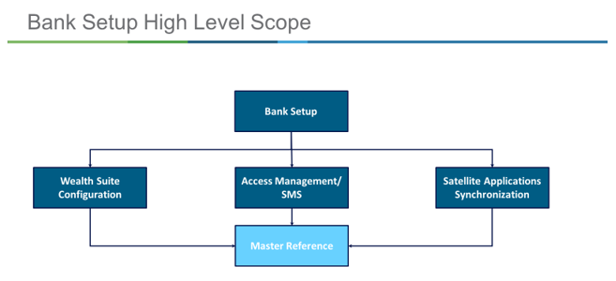

Wealth suite Architecture Overview:

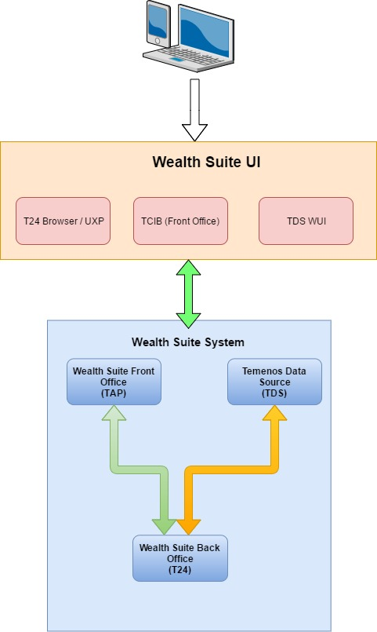
Triple A Plus will be the Front office solution for SCB. In-scope pillars for TAP are Portfolio Performance, Suitability, Order Management & Advisory. TAP is completely integrated with T24 (Back Office) system to send & receive information. Back Office solution for SCB is T24, which acts as the settlement system for entire Wealth suite solution that has integrated connectivity with wealth suite systems(TAP/TDS).
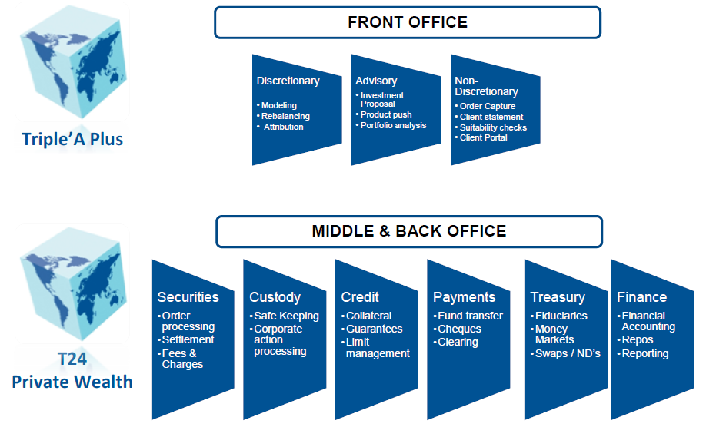

Parameter/ Configuration In-Scope:

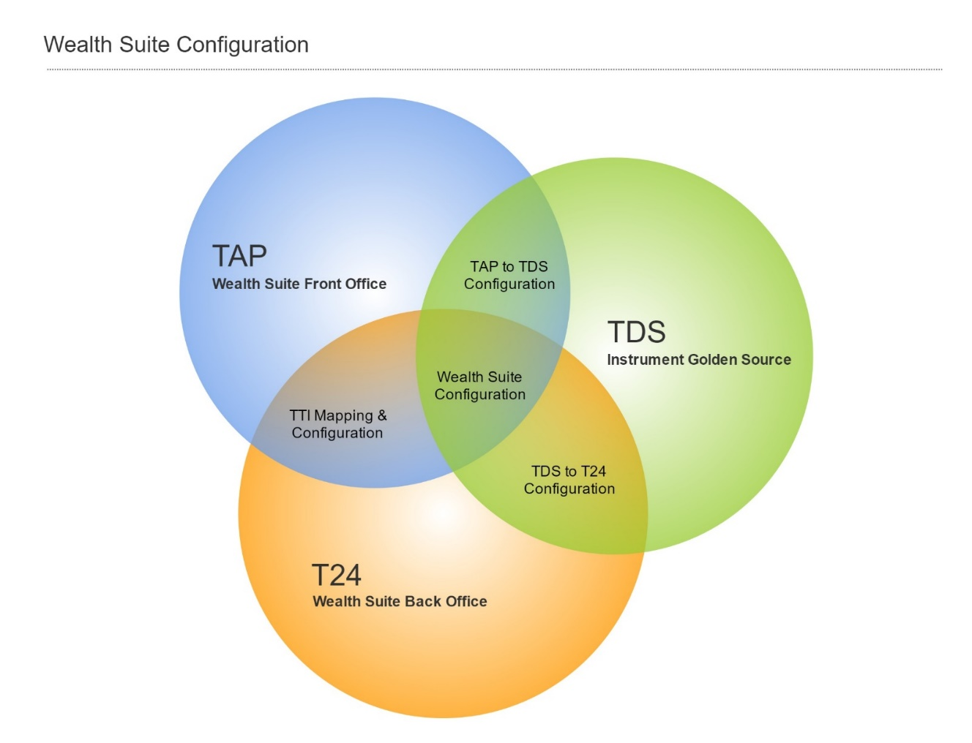

Wealth Suite configuration has multiple touch points that needs to be in sync to make it work as one system. Below is the classification of Wealth Suite configuration components. ➢ Wealth Suite Front Office – TAP ➢ Wealth Suite Back Office – T24 ➢ Instrument Golden Source – TDS ➢ TTI mapping & Configuration – TTI interface ➢ Wealth Suite Configuration – TAP, TDS & T24 ➢ TDS to T24 configuration – TDS Interface ➢ TDS to TAP configuration – New Wealth Suite integration layer

