Project selection guide
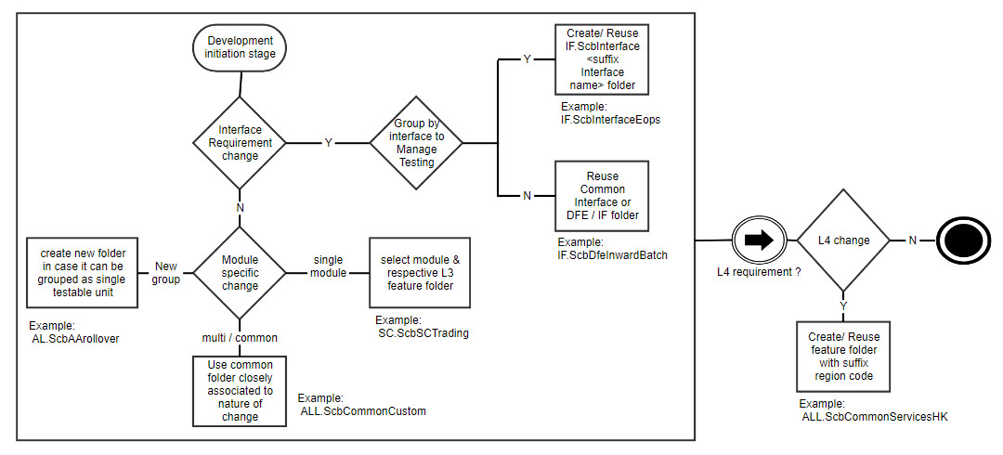
Steps to select appropriate t24-source repository folder for development:

