Data Types
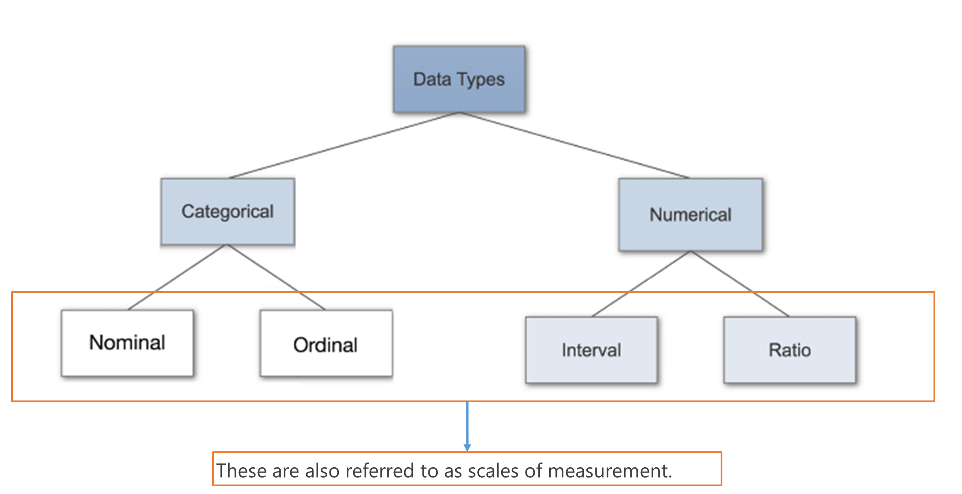
Scales of Measurement

Qualitative |  |  |  | Quantitative

Categorical |  |  |  | Numerical
Nominal Data |  | Ordinal Data |  | Interval |  | Ratio
Placeholder |  | Ordered Data |  | Temp/ Time |  | Profit | INR 0
Gender |  | Ranking for a product |  | 0 Degrees | Cold, freezing, temp, climate, angle, poles, weather, ice, false | Sales | INR 0
Male | 0 | Bad | 1 | 00:00 Hrs | 12AM, midnight, time format, start of the new date | Weight | 0 Kgs
Female | 1 | Good | 2 |  |  | No. of children | 0
TG | 2 | Excellent | 3
 |  |  |  | 0 does not imply there is no temperature/ time

 |  |  |  | True Zero does not exist |  | True meaning of Zero
 |  |  |  |  |  | True meaning - Nothing

Hypothesis
Null Hypo | Ho : | Average age is 22 |  |  | Consignment of a Product | Error
Alt Hypo | H1 or Ha : | Average age is not 22 |  |  | Picked for checking | Faulty | Temperment | Decision
 |  |  |  | A | 100 | 4 | Strict | Rej the Consignment
Age for one sample in a state is 25 |  |  | Rej Ho
 |  |  |  | B | 100 | 20 | Chilled Out | Acc the Consignment
Night College
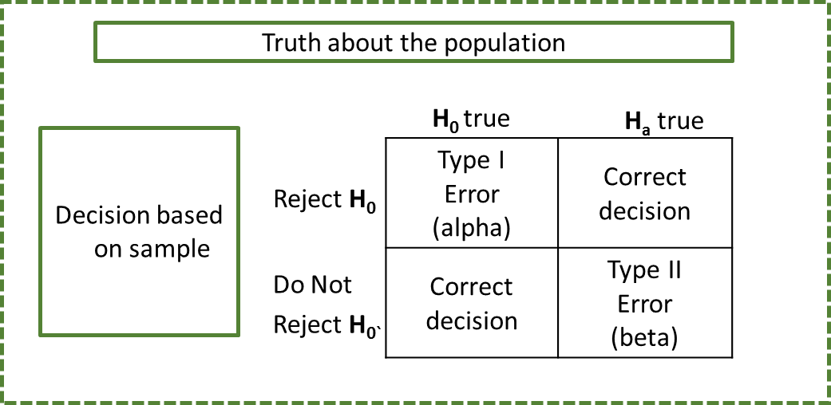
 |  |  |  | Threshold for error - P(type I Error) - Level of Significance - Alpha - 5%

 |  |  |  | If we take 100 samples, we may rej the null hypo in 5 samples even if it is correct

 |  |  |  | Confidence Level = 1 - alpha = 0.95

Sheet2
X | y
Tv Adv Budget | Sales
25 | 7.2
95.7 | 9.5
188.4 | 14.9
27.5 | 6.9
266.9 | 25.4
68.4 | 13.6
217.7 | 19.4
74.7 | 14.7
234.5 | 11.9
265.2 | 12.7
262.9 | 12
182.6 | 21.2
44.7 | 10.1
44.5 | 10.4
8.7 | 7.2
250.9 | 22.2 | Y = b0 + b1x1 | Linear regression |  |  | Simple Linear Equation
62.3 | 9.7 | y = 0.0481x + 6.8978 | 6.8978 | b0 - intercept |  | y = mx + c | c - intercept
276.9 | 27 |  |  | b1 - Coefficient of x |  |  | m - slope of the line
289.7 | 25.4 |  |  | How much will y change if x changes by one unit?
17.9 | 8
240.1 | 15.9 | Sales = 6.8978 + 0.0481*Tv Adv Budget
38.2 | 7.6
204.1 | 19 | What is the interpretation of 0.0481?
112.9 | 11.9
121 | 11.6 | Sales_1 | 6.9459 |  | Tv Adv Budget is 1 unit
175.7 | 14.1 | Sales_2 | 6.994 |  | Increasing the budget by 1 unit
96.2 | 11.4
139.2 | 12.2 | Sales_2 - Sales_1 | 0.0481
286 | 15.9
255.4 | 19.8 | **a "unit" increase in TV ad spending is associated with a **0.0475 (b1) "unit" increase in Sales**.
199.8 | 10.6
100.4 | 10.7
139.3 | 13.4 |  |  |  |  |  |  | b0 | 6.8978
229.5 | 19.7 | Tv Adv Budget | Sales = 6.8978 + 0.0481*Tv Adv Budget (y_pred) |  |  |  |  | b1 | 0.0481
198.9 | 23.7 | 228.3 | 17.87903
237.4 | 18.9 | 149.7 | 14.09837
109.8 | 16.7 | 123.1 | 12.81891
273.7 | 20.8 | 59.6 | 9.76456
187.8 | 15.6 | 222.4 | 17.59524
75.5 | 9.9 | 184.9 | 15.79149
0.7 | 1.6 | 214.7 | 17.22487
197.6 | 16.6 | 93.9 | 11.41439
19.6 | 7.6 | 43.1 | 8.97091
69.2 | 11.3 | 67.8 | 10.15898
26.8 | 8.8
165.6 | 12.6 | Root Mean Squared Error = RMSE
18.8 | 7
166.8 | 19.6 | y_pred | y_test | (y_pred - y_test) | (y_pred - y_test)^2
110.7 | 16 | 17.87903 | 15.5 | 2.37903 | 5.6597837409
76.4 | 9.4 | 14.09837 | 17.3 | -3.20163 | 10.250434657
248.8 | 18.9 | 12.81891 | 15.2 | -2.38109 | 5.6695895881
53.5 | 8.1 | 9.76456 | 9.7 | 0.06456 | 0.0041679936
8.6 | 4.8 | 17.59524 | 11.7 | 5.89524 | 34.753854658
187.9 | 14.7 | 15.79149 | 20.7 | -4.90851 | 24.09347042
180.8 | 12.9 | 17.22487 | 17.4 | -0.17513 | 0.0306705169
50 | 8.4 | 11.41439 | 15.3 | -3.88561 | 15.097965072
43 | 9.6 | 8.97091 | 10.1 | -1.12909 | 1.2748442281
177 | 12.8 | 10.15898 | 12.5 | -2.34102 | 5.4803746404
284.3 | 15
120.5 | 14.2 |  |  | Mean | 10.231515551
48.3 | 11.6
147.3 | 14.6 |  |  | RMSE | 3.1986740302
222.4 | 11.5
131.7 | 12.9
117.2 | 11.9
293.6 | 20.7
17.2 | 9.3
199.8 | 11.4
241.7 | 21.8
177 | 17.1
224 | 11.6
287.6 | 26.2
73.4 | 10.9
191.1 | 17.3
209.6 | 15.9
36.9 | 10.8
13.1 | 5.3
216.4 | 22.6
56.2 | 8.7
70.6 | 10.5
261.3 | 24.2
227.2 | 14.8
75.3 | 11.3
238.2 | 20.7
13.2 | 5.6
156.6 | 10.5
102.7 | 14
66.9 | 9.7
283.6 | 25.5
120.2 | 13.2
116 | 11
219.8 | 19.6
239.8 | 12.3
131.1 | 18
220.3 | 24.7
171.3 | 19
25.1 | 8.5
225.8 | 13.4
239.3 | 15.7
97.5 | 9.7
210.7 | 18.4
280.2 | 14.8
164.5 | 14.5
163.3 | 16.9
296.4 | 23.8
31.5 | 9.5
8.4 | 5.7
134.3 | 11.2
195.4 | 22.4
76.4 | 11.8
78.2 | 14.6
168.4 | 11.7
89.7 | 10.6
140.3 | 10.3
141.3 | 15.5
151.5 | 18.5
107.4 | 11.5
139.5 | 10.3
90.4 | 8.7
163.5 | 18
205 | 22.6
87.2 | 10.6
206.8 | 12.2
39.5 | 10.8
66.1 | 8.6
232.1 | 13.4
136.2 | 13.2
243.2 | 25.4
5.4 | 5.3
228 | 21.5
276.7 | 11.8
104.6 | 10.4
19.4 | 6.6
149.8 | 10.1
262.7 | 20.2
210.8 | 23.8
202.5 | 16.6
290.7 | 12.8
281.4 | 24.4
172.5 | 14.4
85.7 | 13.3
230.1 | 22.1
97.2 | 9.6
240.1 | 13.2
137.9 | 19.2
206.9 | 12.9
218.5 | 12.2
193.2 | 15.2
220.5 | 20.1
88.3 | 12.9
Test Data
228.3 | 15.5
149.7 | 17.3
123.1 | 15.2
59.6 | 9.7
222.4 | 11.7
184.9 | 20.7
214.7 | 17.4
93.9 | 15.3
43.1 | 10.1
67.8 | 12.5
265.6 | 17.4
28.6 | 7.3
16.9 | 8.7
253.8 | 17.6
197.6 | 11.7
193.7 | 19.2
213.5 | 21.7
199.1 | 18.3
18.7 | 6.7
7.8 | 6.6
25.6 | 9.5
142.9 | 15
17.2 | 5.9
292.9 | 21.4
218.4 | 18
4.1 | 3.2
248.4 | 20.2
11.7 | 7.3
239.9 | 23.2
129.4 | 11
175.1 | 14.9
215.4 | 17.1
213.4 | 17
7.3 | 5.5
109.8 | 12.4
76.3 | 12
184.9 | 15.5
280.7 | 16.1
80.2 | 8.8
23.8 | 9.2
38 | 10.9
94.2 | 9.7
216.8 | 22.3
75.1 | 12.6
237.4 | 12.5
125.7 | 15.9
69 | 9.3
170.2 | 11.7
57.5 | 11.8
135.2 | 17.2

