Recovery_Summary
species | test |  | ReferenceID | Reference_number_1 | Recovery_fatigue | blood_biochem | recovery_ratio-repeat_swim_repeat swim | EPOC | cardiac_phys | gross_energy_muscleworkup | Notes | fatigue_swim_speed | metabolism_w_notes
Oncorhynchus nerka | Ucrit | Brett, J.R., 1965. The relation of size to rate of oxygen and sustained swimming speed of sockeye salmon (Oncorhynchus nerka). Journal of Fisheries Research Board of Canada 22, 1491‚Äì1500. | 1. BRETT 1965 Journal of the Fisheries Research Board of Canada | 1 | discuss | 0 | 0 | 0 | 0 | 0 |  | 1 | swim
Oncorhynchus nerka | TTF | Brett, J.R., 1973. Energy Expenditure of Sockeye Salmon, Oncorhynchus nerka , During Sustained Performance. Journal of the Fisheries Research Board of Canada 30, 1799‚Äì1809. https://doi.org/10.1139/f73-290 | 2. Brett 1973 Energy expenditure of sockeye salmon during sustained performance.pdf | 2 | 0 | 0 | 0 | 0 | 0 | 1* | * no main exploration of recovery performance | 1 | swim
Oncorhynchus nerka | Ucrit | Brett, J.R., Glass, N.R., 1973. Metabolic Rates and Critical Swimming Speeds of Sockeye Salmon ( Oncorhynchus nerka ) in Relation to Size and Temperature. Journal of the Fisheries Research Board of Canada 30, 379‚Äì387. https://doi.org/10.1139/f73-068 | 3. Brett and Glass 1973.pdf | 3 | 0 | 0 | 0 | 0 | 0 | 0 |  | 0 | 0
Oncorhynchus tshawytscha | Ucrit | Farrell, A.P., Steffensen, J.F., 1987. Coronary ligation reduces maximum sustained swimming speed in Chinook salmon, Oncorhynchus tshawytscha. Comparative Biochemistry and Physiology Part A 87, 35‚Äì37. | 4. Farrell and Steffensen 1987.pdf | 4 | discuss | 0 | 0 | 0 | 1* | 0 | * one fish was swum twice with coronary ligation, but no systematic investigation | 0 | 0
Oncorhynchus nerka | Field | Quinn, T.P., 1988. Estimated swimming speeds of migrating adult sockeye salmon. Canadian Journal of Zoology 66, 2160‚Äì2163. https://doi.org/10.1139/z88-322 | 5. Quinn 1987.pdf | 5 | 0 | 0 | 0 | 0 | 0 | 0 |  | 0 | 0
Oncorhynchus gorbuscha | Ucrit | Williams, I.V., Brett, J.R., 1987. Critical Swimming Speed of Fraser and Thompson River Pink Salmon ( Oncorhynchus gorbuscha ). Canadian Journal of Fisheries and Aquatic Sciences 44, 348‚Äì356. https://doi.org/10.1139/f87-043 | 6. William and Brett 1986.pdf | 6 | discuss | 0 | 0 | 0 | 0 | 0 | * don’t know what is cumulated fatigue there | 0 | 0
Oncorhynchus nerka | Ucrit | Jain, K.E., Birtwell, I.K., Farrell, A.P., 1998. Repeat swimming performance of mature sockeye salmon following a brief recovery period: a proposed measure of fish health and water quality 76, 14. | 7. Jain et al 1998.pdf | 7 | main | 1 | 1 | 0 | 0 | 0 |  | 0 | recov, swim
Oncorhynchus nerka | Fishway | Hinch, S.G., Bratty, J., 2000. Effects of Swim Speed and Activity Pattern on Success of Adult Sockeye Salmon Migration through an Area of Difficult Passage. Transactions of the American Fisheries Society 129, 598‚Äì606. | 8. Hinch_and Bratty 2000.pdf | 8 | discuss | 0 | 0 | 0 | 0 | 0 |  | 0 | 0
Oncorhynchus gorbuscha, Oncorhynchus nerka | Ucrit | MacNutt, M.J., Hinch, S.G., Lee, C.G., Phibbs, J.R., Lotto, A.G., Healey, M.C., Farrell, A.P., 2006. Temperature effects on swimming performance, energetics, and aerobic capacities of mature adult pink salmon ( Oncorhynchus gorbuscha ) compared with those of sockeye salmon ( Oncorhynchus nerka ). Canadian Journal of Zoology 84, 88‚Äì97. https://doi.org/10.1139/z05-181 | 9. McNutt et al 2005.pdf | 9 | main | 0 | 1 | 0 | 0 | 0 |  | 0 | recov, swim
Oncorhynchus kisutch | Ucrit | Lee, C.G., Devlin, R.H., Farrell, A.P., 2003. Swimming performance, oxygen consumption and excess post-exercise oxygen consumption in adult transgenic and ocean-ranched coho salmon. Journal of Fish Biology 62, 753‚Äì766. https://doi.org/10.1046/j.1095-8649.2003.00057.x | 10. Lee et al 2003a.pdf | 10 | main | 0 | 1 | 1 | 0 | 0 |  | 0 | swim, epoc
Oncorhynchus nerka, Oncorhynchus kisutch | Ucrit | Lee, C.G., 2003. The effect of temperature on swimming performance and oxygen consumption in adult sockeye (Oncorhynchus nerka) and coho (O. kisutch) salmon stocks. Journal of Experimental Biology 206, 3239‚Äì3251. https://doi.org/10.1242/jeb.00547 | 12. Lee et al 2003c.pdf | 12 | main | 0 | 0 | 1 | 0 | 1 |  | 0 | swim, epoc
Oncorhynchus nerka, Oncorhynchus gorbuscha | Ucrit | Farrell, A.P., Lee, C.G., Tierney, K., Hodaly, A., Clutterham, S., Healey, M., Hinch, S., Lotto, A., 2003. Field-based measurements of oxygen uptake and swimming performance with adult Pacific salmon using a mobile respirometer swim tunnel. Journal of Fish Biology 62, 64‚Äì84. https://doi.org/10.1046/j.1095-8649.2003.00010.x | 13. Farrell et al 2003.pdf | 13 | main | 0 | 1 | 0 | 0 | 0 |  | 0 | recov, swim
Oncorhynchus nerka | Ucrit | Tierney, K.B., Farrell, A.P., 2004. The relationships between fish health, metabolic rate, swimming performance and recovery in return-run sockeye salmon, Oncorhynchus nerka (Walbaum). Journal of Fish Diseases 27, 663‚Äì671. https://doi.org/10.1111/j.1365-2761.2004.00590.x | 14. Tierney_and Farrell 2004.pdf | 14 | main | 1 | 1 | 0 | 0 | 0 |  | 0 | recov, swim
Oncorhynchus nerka | Ucrit | Wagner, G.N., Hinch, S.G., Kuchel, L.J., Lotto, A., Jones, S.R., Patterson, D.A., Macdonald, J.S., Kraak, G.V.D., Shrimpton, M., English, K.K., Larsson, S., Cooke, S.J., Healey, M.C., Farrell, A.P., 2005. Metabolic rates and swimming performance of adult Fraser River sockeye salmon ( Oncorhynchus nerka ) after a controlled infection with Parvicapsula minibicornis. Canadian Journal of Fisheries and Aquatic Sciences 62, 2124‚Äì2133. https://doi.org/10.1139/f05-126 | 15. Wagner et al 2005.pdf | 15 | main | 1 | 1 | 1 | 1 | 1 | fatprobe | 0 | swim, epoc
Oncorhynchus nerka | Ucrit | Wagner, G.N., Kuchel, L.J., Lotto, A., Patterson, D.A., Shrimpton, J.M., Hinch, S.G., Farrell, A.P., 2006. Routine and Active Metabolic Rates of Migrating Adult Wild Sockeye Salmon ( Oncorhynchus nerka Walbaum) in Seawater and Freshwater. Physiological and Biochemical Zoology 79, 100‚Äì108. https://doi.org/10.1086/498186 | 16. Wagner et al 2005b.pdf | 16 | main | 0 | 1 | 0 | 0 | 0 |  | 0 | recov, swim
Oncorhynchus kisutch | Ucrit | Cech, J.J., McEnroe, M., Randall, D.J., 2004. Coho salmon haematological, metabolic and acid-base changes during exercise and recovery in sea water. Journal of Fish Biology 65, 1223‚Äì1232. https://doi.org/10.1111/j.0022-1112.2004.00489.x | 17. Cech et al 2004.pdf | 17 | main | 1 | 0 | 0 | 0 | 0 | acidosis | 0 | 0
Oncorhynchus kisutch | Umax | Farrell, A.P., Gallaugher, P.E., Fraser, J., Pike, D., Bowering, P., Hadwin, A.K.M., Parkhouse, W., Routledge, R., 2001. Successful recovery of the physiological status of coho salmon on board a commercial gillnet vessel by means of a newly designed revival box. Canadian Journal of Fisheries and Aquatic Sciences 58, 1932‚Äì1946. https://doi.org/10.1139/cjfas-58-10-1932 | 18. Farrell et al 2001.pdf | 18 | main | 1 | 0 | 0 | 0 | 1 | muscle tissue analysis | 0 | 0
Oncorhynchus nerka | Ucrit | Farrell, A.P., Gamperl, A.K., Birtwell, I.K., 1998. Prolonged swimming, recovery and repeat swimming performance of mature sockeye salmon Oncorhynchus nerka exposed to moderate hypoxia and pentacholorophenol. Journal of Experimental Biology 201, 2183‚Äì2193. | 19. Farrell et al 1998.pdf | 19 | main | 1 | 1 | 0 | 1 | 0 |  | 0 | recov, swim
Oncorhynchus gorbuscha, Oncorhynchus nerka | Field | Standen, E.M., Hinch, S.G., Healey, M.C., Farrell, A.P., 2002. Energetic costs of migration through the Fraser River Canyon, British Columbia, in adult pink ( Oncorhynchus gorbuscha ) and sockeye ( Oncorhynchus nerka ) salmon as assessed by EMG telemetry. Canadian Journal of Fisheries and Aquatic Sciences 59, 1809‚Äì1818. https://doi.org/10.1139/f02-151 | 20-Standen et al 2002.pdf | 20 | 0 | 0 | 0 | 0 | 0 | 0 |  | 0 | 0
Oncorhynchus gorbuscha, Oncorhynchus nerka | Fishway | Hinch, S.G., Standen, E.M., Healey, M.C., Farrell, A.P., 2002. Swimming patterns and behaviour of upriver-migrating adult pink (Oncorhynchus gorbuscha) and sockeye (O. nerka) salmon as assessed by EMG telemetry in the Fraser River, British Columbia, Canada, in: Thorstad, E.B., Fleming, I.A., N√¶sje, T.F. (Eds.), Aquatic Telemetry. Springer Netherlands, Dordrecht, pp. 147‚Äì160. https://doi.org/10.1007/978-94-017-0771-8_17 | 21 -Hinch et al 2002.pdf | 21 | 0 | 0 | 0 | 0 | 0 | 0 |  | 0 | 0
Oncorhynchus nerka | Fishway | Burnett, N.J., Hinch, S.G., Braun, D.C., Casselman, M.T., Middleton, C.T., Wilson, S.M., Cooke, S.J., 2014. Burst Swimming in Areas of High Flow: Delayed Consequences of Anaerobiosis in Wild Adult Sockeye Salmon. Physiological and Biochemical Zoology 87, 587‚Äì598. https://doi.org/10.1086/677219 | 22. Burnette et al 2014.pdf | 22 | discuss | 0 | 0 | 0 | 0 | 0 | heavily dicussed | 0 | 0
Oncorhynchus nerka | Field | Burnett, N.J., Hinch, S.G., Donaldson, M.R., Furey, N.B., Patterson, D.A., Roscoe, D.W., Cooke, S.J., 2013. Alterations to dam-spill discharge influence sex-specific activity, behaviour and passage success of migrating adult sockeye salmon: INFLUENCE OF MODIFIED FLOW RELEASES ON SOCKEYE SALMON MIGRATION. Ecohydrology n/a-n/a. https://doi.org/10.1002/eco.1440 | 23. Burnette et al 2014b.pdf | 23 | 0 | 0 | 0 | 0 | 0 | 0 |  | 0 | 0
Oncorhynchus gorbuscha | Umax | Clark, T.D., Jeffries, K.M., Hinch, S.G., Farrell, A.P., 2011. Exceptional aerobic scope and cardiovascular performance of pink salmon (Oncorhynchus gorbuscha) may underlie resilience in a warming climate. Journal of Experimental Biology 214, 3074‚Äì3081. https://doi.org/10.1242/jeb.060517 | 24. Clark et al 2011.pdf | 24 | 0 | 0 | 0 | 0 | 0 | 0 |  | 0 | 0
Oncorhynchus nerka | Ucrit | Eliason et al 2011; Eliason et al., 2013ab | 25. Eliason et al 2013a.pdf | 25 | main | 1 | 1 | 0 | 1 | 0 |  | 0 | recov, swim
Oncorhynchus nerka | Ucrit | Eliason et al 2011; Eliason et al., 2013ab | 26. Eliason et al 2013b.pdf | 26 | main | 1 | 0 | 0 | 1 | 0 | * n=5 in post swim recovery | 0 | recov, swim
Oncorhynchus nerka | Ucrit | Wilson, S.M., Hinch, S.G., Eliason, E.J., Farrell, A.P., Cooke, S.J., 2013. Calibrating acoustic acceleration transmitters for estimating energy use by wild adult Pacific salmon. Comparative Biochemistry and Physiology Part A: Molecular & Integrative Physiology 164, 491‚Äì498. https://doi.org/10.1016/j.cbpa.2012.12.002 | 27. Wilson et al 2013.pdf | 27 | 0 | 0 | 0 | 0 | 0 | 0 |  | 0 | 0
Oncorhynchus kisutch | Ucrit | Leggatt, R.A., Biagi, C.A., Sakhrani, D., Dominelli, R., Eliason, E.J., Farrell, A.P., Devlin, R.H., 2017. Fitness component assessments of wild-type and growth hormone transgenic coho salmon reared in seawater mesocosms. Aquaculture 473, 31‚Äì42. https://doi.org/10.1016/j.aquaculture.2017.01.022 | 28. Leggatt et al 2017.pdf | 28 | discuss | 0 | 0 | 1 | 0 | 0 |  | 0 | swim, epoc
Oncorhynchus nerka | Field | Hinch, S.G., Rand, P.S., 1998. Swim speeds and energy use of upriver-migrating sockeye salmon (Oncorhynchus nerka): role of local environment and fish characteristics. Canadian Journal of Fisheries and Aquatic Sciences 55, 1821‚Äì1831. https://doi.org/10.1139/cjfas-55-8-1821 | 29- Hinch and Rand 1998.pdf | 29 | 0 | 0 | 0 | 0 | 0 | 0 |  | 0 | 0
Oncorhynchus nerka | Field | Hinch, S.G., Rand, P.S., 2000. Optimal swimming speeds and forward-assisted propulsion: energy-conserving behaviours of upriver-migrating adult salmon 57, 9. | 30-Hinch and Rand 2000.pdf | 30 | 0 | 0 | 0 | 0 | 0 | 0 |  | 0 | 0
Oncorhynchus nerka | Field | Standen, E.M., Hinch, S.G., Rand, P.S., 2004. Influence of river speed on path selection by migrating adult sockeye salmon ( Oncorhynchus nerka ). Canadian Journal of Fisheries and Aquatic Sciences 61, 905‚Äì912. https://doi.org/10.1139/f04-035 | 31.Standen et al 2004.pdf | 31 | 0 | 0 | 0 | 0 | 0 | 0 |  | 0 | 0
Oncorhynchus tshawytscha | Ucrit | Geist, D.R., Abernethy, C.S., Blanton, S.L., Cullinan, V.I., 2000. The Use of Electromyogram Telemetry to Estimate Energy Expenditure of Adult Fall Chinook Salmon. Transactions of the American Fisheries Society 129, 126‚Äì135. | 33 Geist et al 2000.pdf | 33 | 0 | 0 | 0 | 0 | 0 | 0 |  | 0 | 0
Oncorhynchus tshawytscha | Ucrit, Field | Brown, R.S., Geist, D.R., Mesa, M.G., 2006. Use of Electromyogram Telemetry to Assess Swimming Activity of Adult Spring Chinook Salmon Migrating Past a Columbia River Dam. Transactions of the American Fisheries Society 135, 281‚Äì287. https://doi.org/10.1577/T05-223.1 | 35. Brown et al 2006.pdf | 35 | 0 | 0 | 0 | 0 | 0 | 0 |  | 0 | 0
Oncorhynchus tshawytscha | Field | Brown, R.S., Geist, D.R., 2002. Determination of Swimming Speeds and Energetic Demands of Upriver Migrating Fall Chinook Salmon (Oncorhynchus tshawytscha) in the Klickitat River (No. Project Number 22063). United States Department of Energy, United States. | 36. Brown and Geist 2002 DE Report.pdf | 36 | discuss | 0 | 0 | 0 | 0 | 0 |  | 0 | 0
Oncorhynchus tshawytscha | Ucrit | Geist, D.R., Brown, R.S., Cullinan, V.I., Mesa, M.G., VanderKooi, S.P., McKinstry, C.A., 2003. Relationships between metabolic rate, muscle electromyograms and swim performance of adult chinook salmon. Journal of Fish Biology 63, 970‚Äì989. https://doi.org/10.1046/j.1095-8649.2003.00217.x | 37. Geist et al 2003.pdf | 37 | 0 | 0 | 0 | 0 | 0 | 0 |  | 0 | 0
Oncorhynchus nerka | Fishway | Pon, L.B., Hinch, S.G., Cooke, S.J., Patterson, D.A., Farrell, A.P., 2009. Physiological, energetic and behavioural correlates of successful fishway passage of adult sockeye salmon Oncorhynchus nerka in the Seton River, British Columbia. Journal of Fish Biology 74, 1323‚Äì1336. https://doi.org/10.1111/j.1095-8649.2009.02213.x | 38. Pon et al 2009.pdf | 38 | discuss | 0 | 0 | 0 | 0 | 0 | blood taken but not during recovery measurement | 0 | 0
Oncorhynchus keta | Field, Ucrit | Makiguchi, Y., Nii, H., Nakao, K., Ueda, H., 2008. Migratory behaviour of adult chum salmon, Oncorhynchus keta, in a reconstructed reach of the Shibetsu River, Japan: MIGRATION OF CHUM SALMON. Fisheries Management and Ecology 15, 425‚Äì433. https://doi.org/10.1111/j.1365-2400.2008.00632.x | 39. Makiguchi et al 2008.pdf | 39 | discuss | 0 | 0 | 0 | 0 | 0 |  | 0 | 0
Oncorhynchus nerka | Jump | Lauritzen, D.V., Hertel, F., Gordon, M.S., 2005. A kinematic examination of wild sockeye salmon jumping up natural waterfalls. Journal of Fish Biology 67, 1010‚Äì1020. https://doi.org/10.1111/j.0022-1112.2005.00799.x | 40.Lauritzen et al 2005.pdf | 40 | 0 | 0 | 0 | 0 | 0 | 0 |  | 0 | 0
Oncorhynchus keta | Field, Ucrit | Makiguchi, Y., Konno, Y., Konishi, K., Miyoshi, K., Sakashita, T., Nii, H., Nakao, K., Ueda, H., 2011. EMG telemetry studies on upstream migration of chum salmon in the Toyohira river, Hokkaido, Japan. Fish Physiology and Biochemistry 37, 273‚Äì284. https://doi.org/10.1007/s10695-011-9495-y | 41. Makiguchi et al 2011.pdf | 41 | discuss | 0 | 0 | 0 | 0 | 0 |  | 0 | 0
Oncorhynchus keta | Ucrit | Hayashida, K., Nii, H., Tsuji, T., Miyoshi, K., Hamamoto, S., Ueda, H., 2013. Effects of anesthesia and surgery on U crit performance and MO2 in chum salmon, Oncorhynchus keta. Fish Physiology and Biochemistry 39, 907‚Äì915. https://doi.org/10.1007/s10695-012-9750-x | 42. Hayashida et al 2013.pdf | 42 | discuss | 0 | 1 | 0 | 0 | 0 | * repeat tests 6 X but no recovery ratio actually calculated | 0 | 0
Oncorhynchus gorbuscha | Ucrit | Makiguchi, Y., Nii, H., Nakao, K., Ueda, H., 2017. Sex differences in metabolic rate and swimming performance in pink salmon ( Oncorhynchus gorbuscha ): the effect of male secondary sexual traits. Ecology of Freshwater Fish 26, 322‚Äì332. https://doi.org/10.1111/eff.12278 | 43. Makiguchi_et_al-2017.pdf | 43 | 0 | 0 | 0 | 0 | 0 | 0 |  | 0 | 0
Oncorhynchus keta, Oncorhynchus masou | Ucrit, Field | Miyoshi, K., Hayashida, K., Sakashita, T., Fujii, M., Nii, H., Nakao, K., Ueda, H., 2014. Comparison of the swimming ability and upstream-migration behavior between chum salmon and masu salmon. Canadian Journal of Fisheries and Aquatic Sciences 71, 217‚Äì225. https://doi.org/10.1139/cjfas-2013-0480 | 44. Miyoshi et al 2014.pdf | 44 | discuss | 0 | 0 | 0 | 0 | 0 | * holding time diring swim, assumed recovery | 1 | 0
Oncorhynchus kisutch | Umax | Raby, G.D., Casselman, M.T., Cooke, S.J., Hinch, S.G., Farrell, A.P., Clark, T.D., 2016. Aerobic scope increases throughout an ecologically relevant temperature range in coho salmon. The Journal of Experimental Biology 219, 1922‚Äì1931. https://doi.org/10.1242/jeb.137166 | 45. Raby et al 2016.pdf | 45 | 0 | 0 | 0 | 0 | 0 | 0 |  | 0 | 0
Oncorhynchus nerka | Field | Burnett, N.J., Hinch, S.G., Bett, N.N., Braun, D.C., Casselman, M.T., Cooke, S.J., Gelchu, A., Lingard, S., Middleton, C.T., Minke-Martin, V., White, C.F.H., 2017. Reducing Carryover Effects on the Migration and Spawning Success of Sockeye Salmon through a Management Experiment of Dam Flows: Mitigating Carryover Effects of Dam Passage. River Research and Applications 33, 3‚Äì15. https://doi.org/10.1002/rra.3051 | 46. Burnette et al 2017.pdf | 46 | discuss | 0 | 0 | 0 | 0 | 0 | * field study longer recovery times after swim in fish passage | 1 | 0
Oncorhynchus nerka | Field | Wilson, S., Hinch, S., Drenner, S., Martins, E., Furey, N., Patterson, D., Welch, D., Cooke, S., 2014. Coastal marine and in-river migration behaviour of adult sockeye salmon en route to spawning grounds. Marine Ecology Progress Series 496, 71‚Äì84. https://doi.org/10.3354/meps10673 | 47. Wilson et al 2014.pdf | 47 | 0 | 0 | 0 | 0 | 0 | 0 |  | 0 | 0
Oncorhynchus nerka | Ucrit | Eliason et al 2011; Eliason et al., 2013ab | 48. EJEP.pdf | 48 | discuss | 1 | 1 | 0 | 1 | 0 |  | 0 | recov, swim
Oncorhynchus nerka, Oncorhynchus kisutch, Oncorhynchus spp., Oncorhynchus keta | Field | Ellis, D.V., 1966. Swimming Speeds of Sockeye and Coho Salmon on Spawning Migration. Journal of the Fisheries Research Board of Canada 23, 181‚Äì187. https://doi.org/10.1139/f66-017 | 50. Ellis 1966 Swimming speeds of sockeye and coho salmon on spawning migrations JFB Can | 50 | 0 | 0 | 0 | 0 | 0 | 0 |  | 0 | 0
Oncorhynchus mykiss, Oncorhynchus tshawytscha, Oncorhynchus keta | Field | Weaver, Charles. 1963. ‚ÄúInfluence of Water Velocity upon Orientation and Performance of Adult Migrating Salmonids.‚Äù Fisheries Bulletin 63 (1): 97‚Äì121. | 53. Weaver-1963 | 53 | discuss | 0 | 0 | 0 | 0 | 0 |  | 1 | 0
Oncorhynchus nerka, Oncorhynchus keta | Swim | Paulik, Garald., J, and Allan. DeLacy C. 1957. ‚ÄúSwimming Abilities of Upstream Migrant Silver Salmon, Sockeye Salmon, and Steelhead at Several Water Velocities.‚Äù Technical Report 44. School of Fisheries: University of Washington. | 54. Paulik and DeLacy-1957 | 54 | discuss | 0 | 1 | 0 | 0 | 0 | * daily repeat tests | 0 | 0
Salmo salar | Ucrit | Wagner, G. N., R. S. McKinley, P. A. Bj√∏rn, and B. Finstad. 2003. ‚ÄúPhysiological Impact of Sea Lice on Swimming Performance of Atlantic Salmon.‚Äù Journal of Fish Biology 62 (5): 1000‚Äì1009. https://doi.org/10.1046/j.1095-8649.2003.00091.x. | 55. Wagner et al. - 2003 - Physiological impact of sea lice on swimming perfo.pdf | 55 | main | 1 | 0 | 0 | 0 | 0 |  | 0 | 0
Salmo salar | Fishway | Colavecchia, M., C. Katopodis, R. Goosney, D. A. Scruton, and R. S. McKinley. 1998. ‚ÄúMeasurement of Burst Swimming Performance in Wild Atlantic Salmon (Salmo Salar L.) Using Digital Telemetry.‚Äù Regulated Rivers: Research & Management 14 (1): 41‚Äì51. https://doi.org/10.1002/(SICI)1099-1646(199801/02)14:1<41::AID-RRR475>3.0.CO;2-8. | 56. Colavecchia et al. - 1998 - Measurement of burst swimming performance in wild .pdf | 56 | discuss | 0 | 0 | 0 | 0 | 0 |  | 0 | 0
Salmo salar | Ucrit, TTF | Booth, Richard K., R. Scott McKinley, Finn √òkland, and Mitch M. Sisak. 1997. ‚ÄúIn Situ Measurement of Swimming Performance of Wild Atlantic Salmon ( Salmo Salar ) Using Radio Transmitted Electromyogram Signals.‚Äù Aquatic Living Resources 10 (4): 213‚Äì19. https://doi.org/10.1051/alr:1997023. | 57. Booth et al. - 1997 - iIn situi measurement of swimming performance.pdf | 57 | discuss | 0 | 0 | 0 | 0 | 0 |  | 0 | 0
Oncorhynchus nerka | Jump | Lauritzen, D V, F S Hertel, L K Jordan, and M S Gordon. 2010. ‚ÄúSalmon Jumping: Behavior, Kinematics and Optimal Conditions, with Possible Implications for Fish Passageway Design.‚Äù Bioinspiration & Biomimetics 5 (3): 035006. https://doi.org/10.1088/1748-3182/5/3/035006. | 58. Lauritzen_2010_Bioinspir._Biomim._5_035006.pdf | 58 | discuss | 0 | 0 | 0 | 0 | 0 |  | 0 | 0
Salmo salar | TTF | Thorstad, E.B., Ökland, F., Finstad, B., 2000. Effects of telemetry transmitters on swimming performance of adult Atlantic salmon. Journal of Fish Biology 57, 531‚Äì535. https://doi.org/10.1111/j.1095-8649.2000.tb02192.x | 60. Thorstad et al. - 2000 - Effects of telemetry transmitters on swimming perf.pdf | 60 | 0 | 0 | 0 | 0 | 0 | 0 |  | 0 | 0
Salmo salar | TTF | Thorstad, E.B., Finstad, B., √òkland, F., McKinley, R.S., Booth, R.K., 1997. Endurance of farmed and sea-ranched Atlantic salmon Salmo salar L. at spawning. Aquaculture Research 28, 635‚Äì640. https://doi.org/10.1046/j.1365-2109.1997.00906.x | 61.Thorstad et al. - 1997 - Endurance of farmed and sea-ranched Atlantic salmo.pdf | 61 | 0 | 0 | 0 | 0 | 0 | 0 | fatigue study but no recovery talk | 0 | 0
Salmo salar | Ucrit | Ökland, F., Finstad, B., McKinley, R.S., Thorstad, E.B., Booth, R.K., 1997. Radio-transmitted electromyogram signals as indicators of physical activity in Atlantic salmon. Journal of Fish Biology 51, 476‚Äì488. https://doi.org/10.1111/j.1095-8649.1997.tb01505.x | 62. Ökland et al. - 1997 - Radio-transmitted electromyogram signals as indica.pdf | 62 | 0 | 0 | 0 | 0 | 0 | 0 |  | 0 | 0
Oncorhynchus masou | Field | Ueda, H., 2004. Recent biotelemetry research on lacustrine salmon homing migration. Memoirs of National Institute of Polar Research 80‚Äì88. | 63. Ueda 2003.pdf | 63 | discuss | 0 | 0 | 0 | 0 | 0 |  | 0 | 0
Oncorhynchus mykiss | Ucrit | Chandroo, K.P., Cooke, S.J., McKinley, R.S., Moccia, R.D., 2005. Use of electromyogram telemetry to assess the behavioural and energetic responses of rainbow trout, Oncorhynchus mykiss (Walbaum) to transportation stress. Aquaculture Research 36, 1226‚Äì1238. https://doi.org/10.1111/j.1365-2109.2005.01347.x | 65. Chandroo et al. - 2005 - Use of electromyogram telemetry to assess the beha.pdf | 65 | discuss | 0 | 0 | 0 | 0 | 0 | * fish ucrit in rested fish and not rested fish, so indirectly exploring recovery performance | 1 | 0
Oncorhynchus mykiss | Ucrit | Jain, K.E., Farrell, A.P., 2003. Influence of seasonal temperature on the repeat swimming performance of rainbow trout Oncorhynchus mykiss. Journal of Experimental Biology 206, 3569‚Äì3579. https://doi.org/10.1242/jeb.00588 | 68. Jain and Farrell - 2003 - Influence of seasonal temperature on the repeat sw.pdf | 68 | main | 1 | 1 | 0 | 0 | 0 |  | 0 | 0
Oncorhynchus mykiss | Ucrit | Beddow, T.A., McKinley, R.S., 1998. Effects of thermal environment on Electromyographical signals obtained from Atlantic salmon (Salmo salar L.) during forced swimming, in: Lagard√®re, J.-P., Anras, M.-L.B., Claireaux, G. (Eds.), Advances in Invertebrates and Fish Telemetry. Springer Netherlands, Dordrecht, pp. 225‚Äì232. https://doi.org/10.1007/978-94-011-5090-3_26 | 69. Beddow and McKinley - 1998 - Effects of thermal environment on Electromyographi.pdf | 69 | main | 0 | 1 | 0 | 0 | 0 | * monthly EMG Ucrit swim, but don’t talk abot the recovery; no MO2? | 0 | 0
searched papers for key words:
- fatig*
- recov*
- dept
- anaerob*
Salmo salar | Ucrit | Beddow, T.A., McKinley, R.S., 1999. Importance of electrode positioning in biotelemetry studies estimating muscle activity in fish. Journal of Fish Biology 54, 819‚Äì831. https://doi.org/10.1111/j.1095-8649.1999.tb02035.x | 70. Beddow and McKinley - 1999 - Importance of electrode positioning in biotelemetr.pdf | 70 | 0 | 0 | 0 | 0 | 0 | 0 |  | 0 | 0
Salmo salar | Ucrit | Ytrest√∏yl, T., Finstad, B., McKinley, R.S., 2001. Swimming performance and blood chemistry in Atlantic salmon spawners exposed to acid river water with elevated aluminium concentrations. Journal of Fish Biology 58, 1025‚Äì1038. https://doi.org/10.1111/j.1095-8649.2001.tb00552.x | 71.Ytrestøyl et al. - 2001 - Swimming performance and blood chemistry in Atlant.pdf | 71 | 0 | 0 | 0 | 0 | 0 | 0 |  | 0 | 0
Oncorhynchus mykiss | Ucrit | Shingles, A., McKenzie, D.J., Taylor, E.W., Moretti, A., Butler, P.J., Ceradini, S., 2001. Effects of sublethal ammonia exposure on swimming performance in rainbow trout (Oncorhynchus mykiss). Journal of Experimental Biology 204, 2691‚Äì2698. | 72. Ammonia and swimming performance in trout.pdf | 72 | 0 | 0 | 0 | 0 | 0 | 0 |  | 0 | 0
Oncorhynchus mykiss | Ucrit | Farrell, A.P., Johansen, J.A., Steffensen, J.F., Moyes, C.D., West, T.C., Suarez, R.K., 1990. Effects of exercise training and coronary ablation on swimming performance, heart size, and cardiac enzymes in Rainbow Trout, Oncorhynchus mykiss. Canadian Journal of Zoology 1174‚Äì 1179. | 73. CanJZool 1990 APF.pdf | 73 | 0 | 0 | 0 | 0 | 0 | 0 |  | 0 | 0
Oncorhynchus mykiss | Ucrit | Gallaugher, P., Axelsson, M., Farrell, A.P., 1992. Swimming performance and heamotological variables in splenectomized rainbow trout, Oncorhynchus mykiss 171, 301‚Äì314. | 74. Gallaugher et al. - SWIMMING PERFORMANCE AND HAEMATOLOGICAL VARIABLES .pdf | 74 | discuss | 0 | 0 | 0 | 0 | 0 | real shy mention | 0 | 0
Oncorhynchus mykiss | Ucrit | Farrell, A.P., Johansen, J.A., Suarez, R.K., 1991. Effects of exercise-training on cardiac performance and muscle enzymes in rainbow trout,Oncorhynchus mykiss. Fish Physiology and Biochemistry 9, 303‚Äì312. https://doi.org/10.1007/BF02265151 | 75. Farrell et al. - 1991 - Effects of exercise-training on cardiac performanc.pdf | 75 | 0 | 0 | 0 | 0 | 0 | 0 |  | 0 | 0
Oncorhynchus mykiss | Umax, Ucrit | Farrell, A.P., 2008. Comparisons of swimming performance in rainbow trout using constant acceleration and critical swimming speed tests. Journal of Fish Biology 72, 693‚Äì710. https://doi.org/10.1111/j.1095-8649.2007.01759.x | 76. Farrell - 2008 - Comparisons of swimming performance in rainbow tro.pdf | 76 | main | 1 | 1 | 0 | 0 | 0 | * lacate after secoind Ucrit repeat | 0 | 0
Oncorhynchus mykiss | Ucrit | Anderson, W.G., McKinley, R.S., Colavecchia, M., 1997. The Use of Clove Oil as an Anesthetic for Rainbow Trout and Its Effects on Swimming Performance. North American Journal of Fisheries Management 17, 301‚Äì307. https://doi.org/10.1577/1548-8675(1997)017<0301:TUOCOA>2.3.CO;2 | 77. Anderson et al. - 1997 - The Use of Clove Oil as an Anesthetic for Rainbow .pdf | 77 | 0 | 0 | 0 | 0 | 0 | 0 |  | 0 | 0
Salmo salar | Swim | Tang, J., Wardle, C.S., 1992. Power output of two sizes of Atlantic salmon (Salmo salar) at their maximum sustained swimming speeds. Journal of Experimental Biology 166, 33‚Äì46. | 78. Tang and Wardle - POWER OUTPUT OF TWO SIZES OF ATLANTIC SALMON (SALM.pdf | 78 | 0 | 0 | 0 | 0 | 0 | 0 |  | 0 | 0
Oncorhynchus nerka | TTF | Steinhausen, M.F., Sandblom, E., Eliason, E.J., Verhille, C., Farrell, A.P., 2008. The effect of acute temperature increases on the cardiorespiratory performance of resting and swimming sockeye salmon (Oncorhynchus nerka). Journal of Experimental Biology 211, 3915‚Äì3926. https://doi.org/10.1242/jeb.019281 | 79. Steinhausen et al. - 2008 - The effect of acute temperature increases on the c.pdf | 79 | main | 1 | 0 | 0 | 1 | 0 |  | 1 | recov, swim
Oncorhynchus mykiss | Ucrit | McKenzie, D.J., 2004. The effects of sustained exercise and hypoxia upon oxygen tensions in the red muscle of rainbow trout. Journal of Experimental Biology 207, 3629‚Äì3637. https://doi.org/10.1242/jeb.01199 | 80. McKenzie - 2004 - The effects of sustained exercise and hypoxia upon.pdf | 80 | main | 1 | 0 | 0 | 1 | 0 |  | 0 | recov, swim
Salmo salar | Ucrit | Wilson, C.M., Friesen, E.N., Higgs, D.A., Farrell, A.P., 2007. The effect of dietary lipid and protein source on the swimming performance, recovery ability and oxygen consumption of Atlantic salmon (Salmo salar). Aquaculture 273, 687‚Äì699. https://doi.org/10.1016/j.aquaculture.2007.10.027 | 81. Wilson et al. - 2007 - The effect of dietary lipid and protein source on .pdf | 81 | main | 0 | 1 | 0 | 0 | 1 |  | 0 | recov, swim
Salmo salar | Ucrit | Wagner, G.N., Balfry, S.K., Higgs, D.A., Lall, S.P., Farrell, A.P., 2004. Dietary fatty acid composition affects the repeat swimming performance of Atlantic salmon in seawater. Comparative Biochemistry and Physiology Part A: Molecular & Integrative Physiology 137, 567‚Äì576. https://doi.org/10.1016/j.cbpb.2003.11.005 | 82. Wagner et al. - 2004 - Dietary fatty acid composition affects the repeat .pdf | 82 | main | 0 | 1 | 0 | 0 | 0 |  | 0 | 0
Salmo salar | Ucrit | Dunmall, K.M., Schreer, J.F., 2003. A comparison of the swimming and cardiac performance of farmed and wild Atlantic salmon, Salmo salar, before and after gamete stripping. Aquaculture 220, 869‚Äì882. https://doi.org/10.1016/S0044-8486(02)00566-5 | 83. Dunmall and Schreer - 2003 - A comparison of the swimming and cardiac performan.pdf | 83 | 0 | 0 | 0 | 0 | 0 | 0 |  | 0 | 0
Salmo salar | TTF, Ucrit | Hvas, M., Oppedal, F., 2017. Sustained swimming capacity of Atlantic salmon. Aquaculture Environment Interactions 9, 361‚Äì369. https://doi.org/10.3354/aei00215 | 84. Hvas and Oppedal - 2017 - Sustained swimming capacity of Atlantic salmon.pdf | 84 | discuss | 0 | 0 | 0 | 0 | 0 | swum fish to reach fatigue, long term - no post swim recovery | 1 | endurance swim
Salmo salar | Ucrit | Hvas, M., Folkedal, O., Imsland, A., Oppedal, F., 2017. The effect of thermal acclimation on aerobic scope and critical swimming speed in Atlantic salmon, Salmo salar. The Journal of Experimental Biology 220, 2757‚Äì2764. https://doi.org/10.1242/jeb.154021 | 85. Hvas et al. - 2017 - The effect of thermal acclimation on aerobic scope.pdf | 85 | discuss | 0 | 0 | 0 | 0 | 0 |  | 0 | 0
Salmo salar | Ucrit | Remen, M., Solstorm, F., Bui, S., Klebert, P., V√•gseth, T., Solstorm, D., Hvas, M., Oppedal, F., 2016. Critical swimming speed in groups of Atlantic salmon Salmo salar. Aquaculture Environment Interactions 8, 659‚Äì664. https://doi.org/10.3354/aei00207 | 86. Remen et al. - 2016 - Critical swimming speed in groups of Atlantic salm.pdf | 86 | discuss | 0 | 0 | 0 | 0 | 0 | very brief | 0 | 0
Oncorhynchus mykiss | Ucrit, Field | Cocherell, S.A., Cocherell, D.E., Jones, G.J., Miranda, J.B., Thompson, L.C., Cech, J.J., Klimley, A.P., 2011. Rainbow trout Oncorhynchus mykiss energetic responsesto pulsed flows in the American River, California, assessed by electromyogram telemetry. Environ Biol Fish 90, 29‚Äì41. https://doi.org/10.1007/s10641-010-9714-x | 87.Cocherell et al. - 2011 - Rainbow trout Oncorhynchus mykiss energetic respon.pdf | 87 | 0 | 0 | 0 | 0 | 0 | 0 |  | 0 | 0
Oncorhynchus gorbuscha, Oncorhynchus keta | Ucrit, Field | Makiguchi, Y., Nii, H., Nakao, K., Ueda, H., 2007. Upstream migration of adult chum and pink salmon in the Shibetsu River. Hydrobiologia 582, 43‚Äì54. https://doi.org/10.1007/s10750-006-0555-8 | 88. Makiguchi et al. - 2007 - Upstream migration of adult chum and pink salmon i.pdf | 88 | 0 | 0 | 0 | 0 | 0 | 0 |  | 0 | 0
Oncorhynchus kisutch | Ucrit | Kraskura, K., Hardison, E.A., Little, A.G., Dressler, T., Prystay, T.S., Hendriks, B., Farrell, A.P., Cooke, S.J., Patterson, D.A., Hinch, S.G., Eliason, E.J., 2021. Sex-specific differences in swimming, aerobic metabolism and recovery from exercise in adult coho salmon (Oncorhynchus kisutch) across ecologically relevant temperatures. Conservation Physiology 9, coab016. https://doi.org/10.1093/conphys/coab016 | 89. Kraskura and Hardison et al 2020 Cons Phys | 89 | main | 1 | 0 | 0 | 0 | 0 |  | 0 | recov, swim
Oncorhynchus mykiss | Ucrit | Jain, K.E., Hamilton, J.C., Farrell, A.P., 1997. Use of a Ramp Velocity Test to Measure Critical Swimming Speed in Rainbow Trout (<i>Onchorhynchus mykiss<i/>. Comparative Biochemistry and Physiology Part A: Molecular & Integrative Physiology 117, 441‚Äì444. | 90. Jain et al 1997.pdf | 90 | main | 0 | 1 | 0 | 0 | 0 |  | 0 | 0
Salmo salar | Ucrit | Deitch, E.J., 2006. Cardiorespiratory modifications, and limitations, in post-smolt growth hormone transgenic Atlantic salmon Salmo salar. Journal of Experimental Biology 209, 1310‚Äì1325. https://doi.org/10.1242/jeb.02105 | 91. Deitch - 2006 - Cardiorespiratory modifications, and limitations, .pdf | 91 | 0 | 0 | 0 | 0 | 0 | 0 | * lots of cardio resp work done, but not after swim recovery | 0 | 0
Oncorhynchus mykiss | Ucrit | Farrell, A.P., 2003. On-line venous oxygen tensions in rainbow trout during graded exercise at two acclimation temperatures. Journal of Experimental Biology 206, 487‚Äì496. https://doi.org/10.1242/jeb.00100 | 92. Farrell - 2003 - On-line venous oxygen tensions in rainbow trout du.pdf | 92 | main | 1 | 0 | 0 | 1 | 0 |  | 0 | 0
Salmo salar | Ucrit | Yi, M., Du, Y., Chi, L., Sun, G., Li, X., Liu, Y., 2016. The impact of Aeromonas salmonicida infection on behaviour and physiology of Atlantic salmon (Salmo salar L.). Aquaculture Research 47, 2287‚Äì2296. https://doi.org/10.1111/are.12681 | 93. Yi et al. - 2016 - The impact of Aeromonas salmonicida infection on b.pdf | 93 | main | 1 | 1 | 0 | 0 | 1 | * daily ucrits 6 days, recovery ration not measured - repeat loong term recovery | 0 | 0
Oncorhynchus mykiss | Ucrit | Skov, P.V., Larsen, B.K., Frisk, M., Jokumsen, A., 2011. Effects of rearing density and water current on the respiratory physiology and haematology in rainbow trout, Oncorhynchus mykiss at high temperature. Aquaculture 319, 446‚Äì452. https://doi.org/10.1016/j.aquaculture.2011.07.008 | 94. Skov et al. - 2011 - Effects of rearing density and water current on th.pdf | 94 | 0 | 0 | 0 | 0 | 0 | 0 |  | 0 | 0
Oncorhynchus mykiss | Ucrit | Thorarensen, H., Gallaugher, P., Farrell, A.P., 1996. Cardiac Output in Swimming Rainbow Trout, Oncorhynchus mykiss, Acclimated to Seawater. Physiological Zoology 69, 139‚Äì153. https://doi.org/10.1086/physzool.69.1.30164204 | 95. Thorarensen et al. - 1996 - Cardiac Output in Swimming Rainbow Trout, iOncor.pdf | 95 | main | 1 | 0 | 0 | 1 | 0 |  | 0 | 0
Salmo salar | Ucrit | Wagner, G.N., Mckinley, R.S., Bj√∏rn, P.A., Finstad, B., 2004. Short-term freshwater exposure benefits sea lice-infected Atlantic salmon. Journal of Fish Biology 64, 1593‚Äì1604. https://doi.org/10.1111/j.0022-1112.2004.00414.x | 96. Wagner et al. - 2004 - Short-term freshwater exposure benefits sea lice-i.pdf | 96 | 0 | 0 | 0 | 0 | 0 | 0 |  | 0 | 0
Salmo salar | Ucrit | Zrini, Z. A., & Gamperl, A. K. (2021). Validating Star-Oddi heart rate and acceleration data storage tags for use in Atlantic salmon (Salmo salar). Animal Biotelemetry, 9(1), 12. https://doi.org/10.1186/s40317-021-00235-1 | 100. Zrini, Z. A., & Gamperl, A. K. (2021). Validating Star-Oddi heart rate and acceleration data storage tags for use in Atlantic salmon (Salmo salar). Animal Biotelemetry, 9(1), 12. https://doi.org/10.1186/s40317-021-00235-1 | 100 | discuss | 0 | 0 | 0 | 0 | 0 | * recovery heart rate, but no hr recovery after swimming | 0 | 0
Salmo salar | Ucrit | Hvas, M., Folkedal, O., Oppedal, F., 2021. Heart rates of Atlantic salmon Salmo salar during a critical swim speed test and subsequent recovery. Journal of Fish Biology 98, 102‚Äì111. https://doi.org/10.1111/jfb.14561 | 102. Hvas, M., Folkedal, O., Oppedal, F., 2021. Heart rates of Atlantic salmon Salmo salar during a critical swim speed test and subsequent recovery. Journal of Fish Biology 98, 102–111. https://doi.org/10.1111/jfb.14561 | 102 | main | 0 | 0 | 0 | 1 | 0 | heart rates | 0 | 0
Salmo salar | Ucrit | Riseth, E.N., Fraser, T.W.K., Sambraus, F., Stien, L.H., Hvas, M., 2020. Is it advantageous for Atlantic salmon to be triploid at lower temperatures? Journal of Thermal Biology 89, 102548. https://doi.org/10.1016/j.jtherbio.2020.102548 | 104. Riseth, E.N., Fraser, T.W.K., Sambraus, F., Stien, L.H., Hvas, M., 2020. Is it advantageous for Atlantic salmon to be triploid at lower temperatures? Journal of Thermal Biology 89, 102548. https://doi.org/10.1016/j.jtherbio.2020.102548 | 104 | 0 | 0 | 0 | 0 | 0 | 0 |  | 0 | 0
Salmo salar | Ucrit, TTF | Hvas, M., Folkedal, O., Oppedal, F., 2021. What is the limit of sustained swimming in Atlantic salmon post smolts? Aquacult. Environ. Interact. 13, 189‚Äì198. https://doi.org/10.3354/aei00401 | 105. Hvas, M., Folkedal, O., Oppedal, F., 2021. What is the limit of sustained swimming in Atlantic salmon post smolts? Aquacult. Environ. Interact. 13, 189–198. https://doi.org/10.3354/aei00401 | 105 | discuss | 0 | 0 | 0 | 0 | 0 | fatigue discussed, not measured in context in recovery ' | 1 | 0
Salmo salar | Ucrit, TTF | Booth, R.K., 1998. Swimming performance of Anadromous Atlantic salmon, Salmo salar L., during their spawning migration in the Exploits River, Newfoundland, Canada (PhD Thesis). University of Waterloo, Waterloo, Ontario, Canada. | 201 - Booth et al thesis | 201 | 0 | 0 | 0 | 0 | 0 | 0 |  | 0 | 0
Salmo salar | Ucrit | Booth, R.K., Bombardier, E.B., McKinley, R.S., Scruton, D.A., Goosney, R.F., 1997. Swimming Performance of Post Spawning Adult (Kelts) and Juvenile (Smolts) Atlantic Salmon, (Canadian Manuscript Report of Fisheries and Aquatic Sciences No. No. 2406). | 202 - Booth et al technical report | 202 | 0 | 0 | 0 | 0 | 0 | 0 |  | 0 | 0
Salmo salar | Ucrit | Hvas, M., Folkedal, O., Oppedal, F., 2021. Heart rates of Atlantic salmon Salmo salar during a critical swim speed test and subsequent recovery. Journal of Fish Biology 98, 102‚Äì111. https://doi.org/10.1111/jfb.14561 | 203- Hvas Cons Phys 2022 | 203 | discuss | 0 | 0 | 0 | 0 | 0 | disscused in terms of blood physiology | 0 | 0
Oncorhynchus keta | Ucrit | Iino, Y., Kitagawa, T., Abe, T.K., Nagasaka, T., Shimizu, Y., Ota, K., n.d. Ontogeny of Critical Swimming Speeds for Juvenile Chum Salmon. | 204 - Iino et al tech report 2021 | 204 | 0 | 0 | 0 | 0 | 0 | 0 |  | 0 | 0
Oncorhynchus mykiss | Ucrit | Claireaux, G., McKenzie, D.J., Genge, A.G., Chatelier, A., Aubin, J., Farrell, A.P., 2005. Linking swimming performance, cardiac pumping ability and cardiac anatomy in rainbow trout. Journal of Experimental Biology 208, 1775‚Äì1784. https://doi.org/10.1242/jeb.01587 | 205 -claireaux et al | 205 | 0 | 0 | 0 | 0 | 0 | 0 |  | 0 | 0
Oncorhynchus mykiss | Ucrit | Gallaugher, P., Thorarensen, H., Farrell, A.P., 1995. Hematocrit in oxygen transport and swimming in rainbow trout (Oncorhynchus mykiss). Respiration Physiology 102, 279‚Äì292. https://doi.org/10.1016/0034-5687(95)00065-8 | 206 - Gaullagher et al 1995 | 206 | 0 | 0 | 0 | 0 | 0 | 0 |  | 0 | 0
Oncorhynchus mykiss, Oncorhynchus tshawytscha, Oncorhynchus kisutch | Fishway | Weaver, C. 1963. Influence of water velocity upon orientation and performance of Adult migrating salmonids. Fishery Bulletin 63(1). | Weaver, C. 1963. Influence of water velocity upon orientation and performance of Adult migrating salmonids. Fishery Bulletin 63(1). | 211 | 0 | 0 | 0 | 0 | 0 | 0 |  | 0 | 0
Oncorhynchus mykiss | Ucrit | Kiceniuk, J.W., and Jones, D.R. 1977. The Oxygen Transport System in Trout (Salmo Gairdneri) During Sustained Exercise. Journal of Experimental Biology 69(1): 247‚Äì260. doi:10.1242/jeb.69.1.247. | Kiceniuk, J.W., and Jones, D.R. 1977. The Oxygen Transport System in Trout (Salmo Gairdneri) During Sustained Exercise. Journal of Experimental Biology 69(1): 247‚Äì260. doi:10.1242/jeb.69.1.247. | 212 | main | 0 | 0 | 0 | 1 | 0 |  | 0 | 0
Oncorhynchus nerka, Oncorhynchus kisutch | Swim | DeLacy, Allan., C., Felton, S.P., and Paulik, Garald., J. 1956. A study to investigate the effects of fatigue and current velocities on adult salmon and steelhead trout. Progress Report, U.S. Army Corps of Engineers, North Pacific Division, Portland, OR. | DeLacy, Allan., C., Felton, S.P., and Paulik, Garald., J. 1956. A study to investigate the effects of fatigue and current velocities on adult salmon and steelhead trout. Progress Report, U.S. Army Corps of Engineers, North Pacific Division, Portland, OR. | 213 | main | 1 | 0 | 0 | 0 | 0 | *one of the first studies of measuiring lactate, phoscreatine, no plots , discussion type results | 0 | 0
Oncorhynchus keta, Oncorhynchus kisutch | Fishway | Powers, P.D., and Orsborn, J.F. 1985. New Concepts in Fish Ladder Design: Analysis of Barriers to Upstream Fish Migration, Volume IV of IV, Investigation of the Physical and Biological Conditions Affecting Fish Passage Success at Culverts and Waterfalls, 1982-1984 Final Report. Washington State University, Albrook Hydraulics Laboratory. doi:10.2172/917018. | Jones, D., Kiceniuk, J., and Bamford, O. 1974. Evaluation of the Swimming Performance of Several Fish Species from the Mackenzie River. Journal of the Fisheries Research Board of Canada 31: 1641‚Äì1647. doi:10.1139/f74-206. | 214 | discuss | 0 | 0 | 0 | 0 | 0 | equations of swim speeds, and capacity using 'time to fatigue; | 1 | 0
Oncorhynchus mykiss | Ucrit | Jones, D., Kiceniuk, J., and Bamford, O. 1974. Evaluation of the Swimming Performance of Several Fish Species from the Mackenzie River. Journal of the Fisheries Research Board of Canada 31: 1641‚Äì1647. doi:10.1139/f74-206. | Powers, P.D., and Orsborn, J.F. 1985. New Concepts in Fish Ladder Design: Analysis of Barriers to Upstream Fish Migration, Volume IV of IV, Investigation of the Physical and Biological Conditions Affecting Fish Passage Success at Culverts and Waterfalls, 1982-1984 Final Report. Washington State University, Albrook Hydraulics Laboratory. doi:10.2172/917018. | 215 | 0 | 0 | 0 | 0 | 0 | 0 |  | 0 | 0
Oncorhynchus kisutch | TTF | Paulik, Garald., J., and DeLacy, Allan., C. 1957. The effect of rest on the swimming performance of fatigued adult silver salmon. Technical Report, University of Washington, College of Fisheries, Seattle, WA. | Paulik, Garald., J., and DeLacy, Allan., C. 1957. The effect of rest on the swimming performance of fatigued adult silver salmon. Technical Report, University of Washington, College of Fisheries, Seattle, WA. | 216 | discuss | 0 | 0 | 0 | 0 | 0 |  | 0 | 0
Oncorhynchus nerka | TTF | Paulik, Garald., J., and DeLacy, Allan., C. 1958. Changes in the swimming ability of Columbia River sockeye salmon during upstream migration. Technical Report No.46, College of Fisheries University of Washington, Seattle, WA. | Paulik, Garald., J., and DeLacy, Allan., C. 1958. Changes in the swimming ability of Columbia River sockeye salmon during upstream migration. Technical Report, College of Fisheries University of Washington, Seattle, WA. | 217 | discuss | 0 | 0 | 0 | 0 | 0 | discuss fatigue and recovery times of migrating salmon | 0 | 0
Oncorhynchus tshawytscha | Field | Brown, R.S., Geist, D.R., 2002. Determination of Swimming Speeds and Energetic Demands of Upriver Migrating Fall Chinook Salmon (Oncorhynchus tshawytscha) in the Klickitat River (No. PNNL-13975). U.S. Department of Energy, Pacific Northwest National Laboratory. |  | 66 | discuss | 0 | 0 | 0 | 0 | 0 | discuss fatigue and recovery times of migrating salmon | 0 | 0
Oncorhynchus mykiss, Oncorhynchus tshawytscha, Oncorhynchus kisutch | TTF | Brett, J.R. 1967. Swimming Performance of Sockeye Salmon ( Oncorhynchus nerka ) in relation to Fatigue Time and Temperature. J. Fish. Res. Bd. Can. 24(8): 1731‚Äì1741. doi:10.1139/f67-142. |  | 11 | discuss | 0 | 0 | 0 | 0 | 0 | * dose response curves with number of fish fatigued at a partircular speed | 1 | 0

 |  |  |  | main | 28 | 19 | 19 | 4 | 11 | 5
 |  |  |  | discuss | 34

supplementary info figs etc.
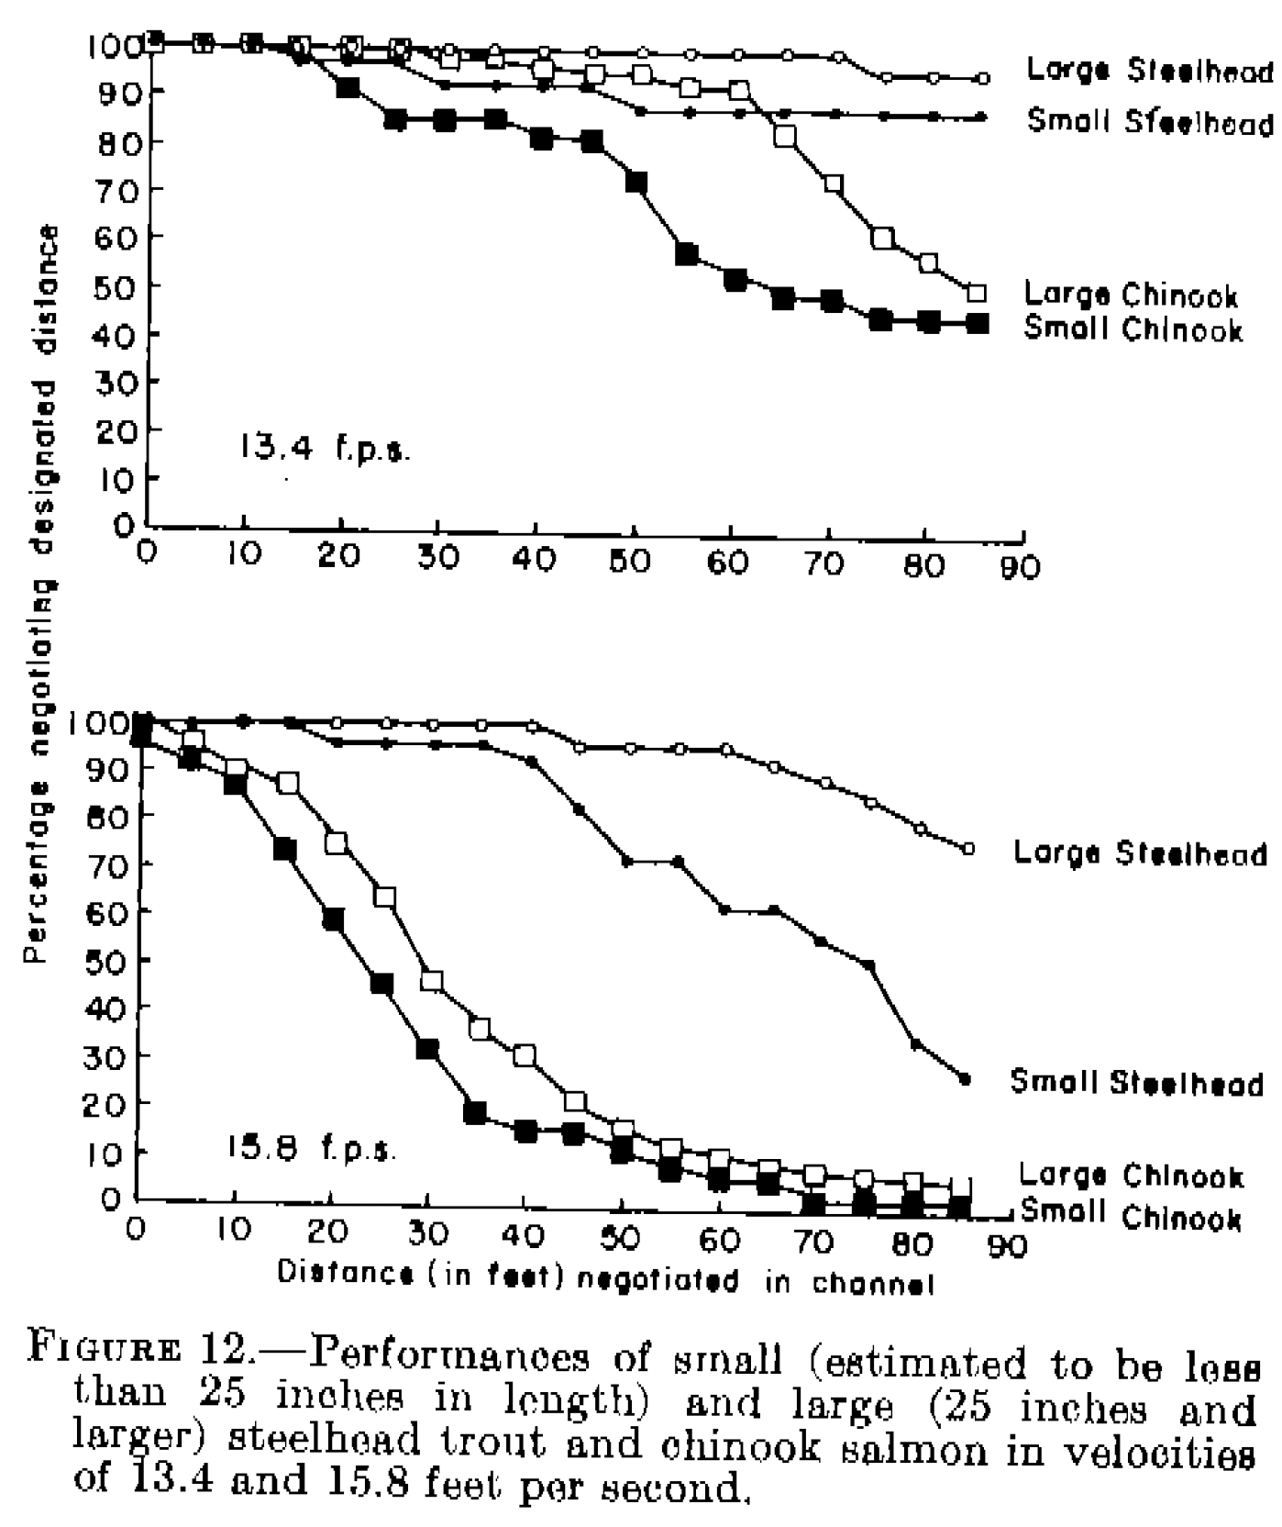
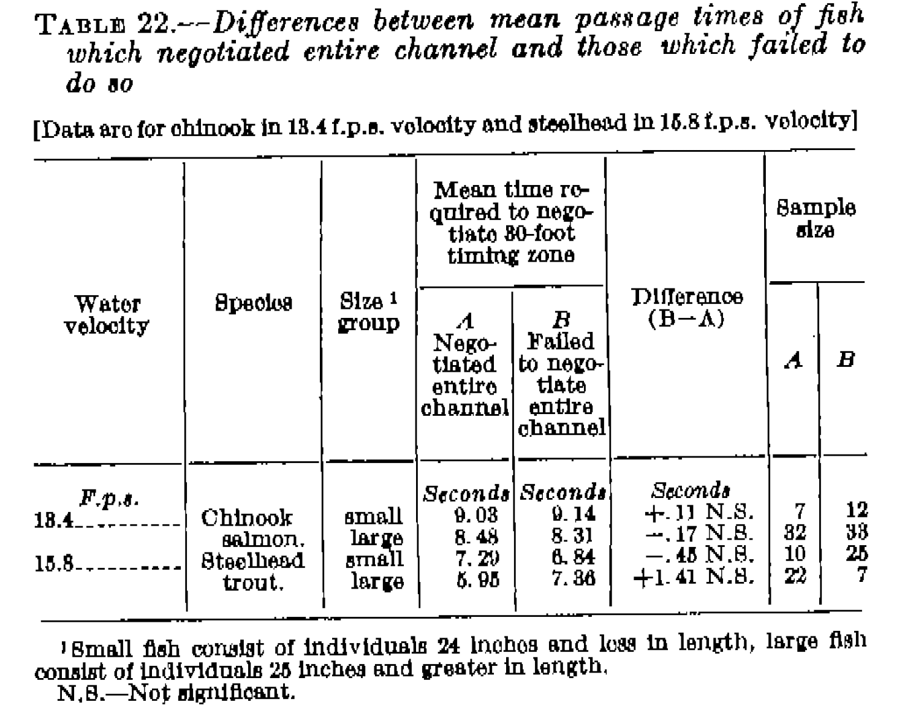
 |  | <<<< | Study 53. Weaver 1963 | >>>

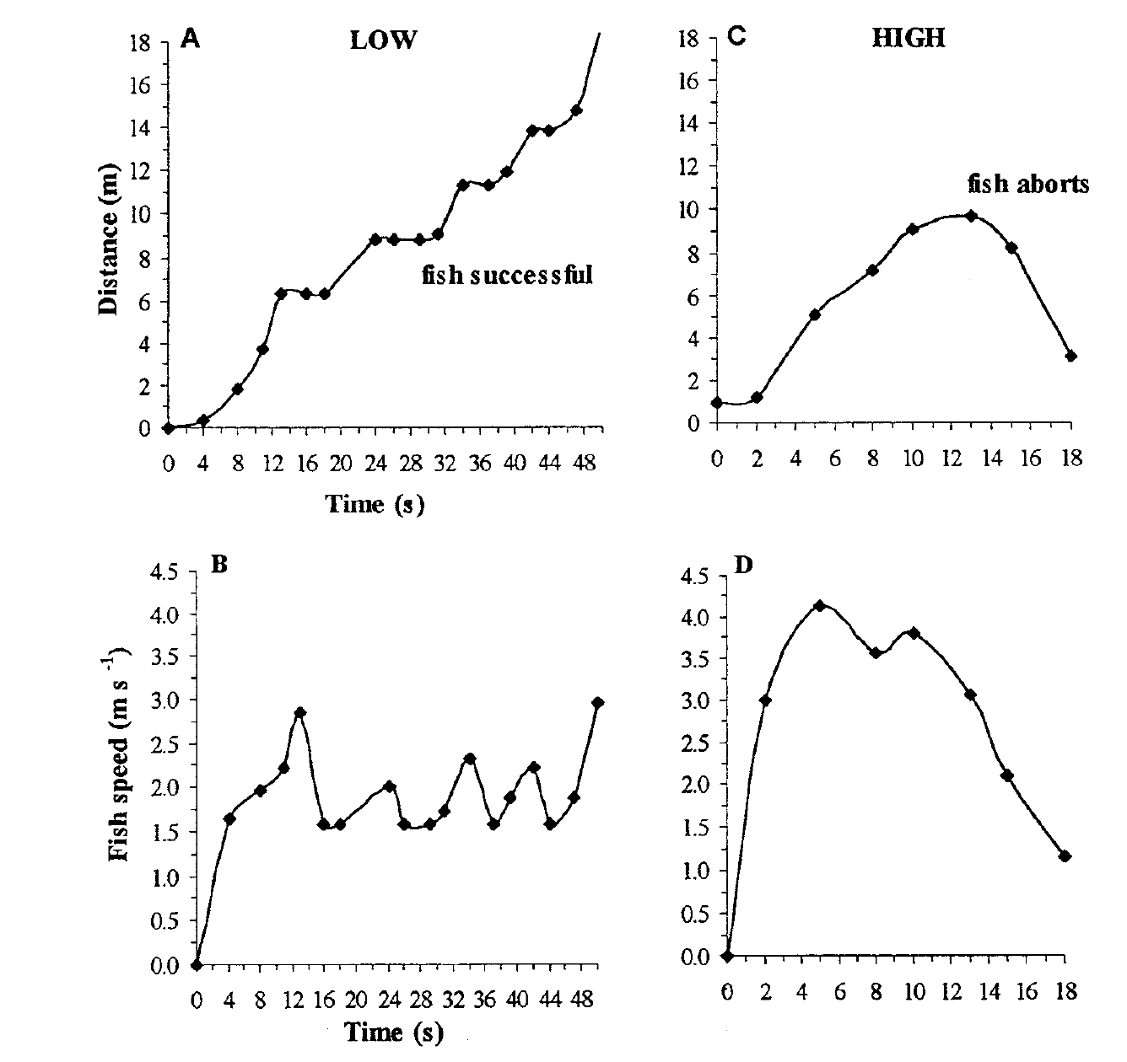
<<< | Colavecchia et al 1998

