Recovery_Summary_june24
 | species | test | ReferenceID | Reference_number_1 | Recovery_fatigue | blood_biochem | fatigue_swim | recovery_ratio-repeat_swim | metabolism_w_notes | EPOC | cardiac_phys | gross_energy_muscleworkup | Notes
1 | Oncorhynchus nerka | Ucrit | 1. BRETT 1965 Journal of the Fisheries Research Board of Canada | 1 | discuss | 0 | 1 | 0 | swim | 0 | 0 | 0
2 | Oncorhynchus nerka | TTF | 2. Brett 1973 Energy expenditure of sockeye salmon during sustained performance.pdf | 2 | 0 | 0 | 1 | 0 | swim | 0 | 0 | 1
3 | Oncorhynchus nerka | Ucrit | 3. Brett and Glass 1973.pdf | 3 | 0 | 0 | 0 | 0 | 0 | 0 | 0 | 0
4 | Oncorhynchus tshawytscha | Ucrit | 4. Farrell and Steffensen 1987.pdf | 4 | discuss | 0 | 0 | 0 | 0 | 0 | 1 | 0 | * one fish was swum twice with coronary ligation, but no systematic investigation
5 | Oncorhynchus nerka | Field | 5. Quinn 1987.pdf | 5 | 0 | 0 | 0 | 0 | 0 | 0 | 0 | 0
6 | Oncorhynchus gorbuscha | Ucrit | 6. William and Brett 1986.pdf | 6 | discuss | 0 | 0 | 0 | 0 | 0 | 0 | 0 | * don’t know what is cumulated fatigue there
7 | Oncorhynchus nerka | Ucrit | 7. Jain et al 1998.pdf | 7 | main | 1 | 0 | 1 | recov, swim | 0 | 0 | 0
8 | Oncorhynchus nerka | Field | 8. Hinch_and Bratty 2000.pdf | 8 | discuss | 0 | 0 | 0 | 0 | 0 | 0 | 0
9 | Oncorhynchus gorbuscha, Oncorhynchus nerka | Ucrit | 9. McNutt et al 2005.pdf | 9 | discuss | 0 | 0 | 1 | recov, swim | 0 | 0 | 0
10 | Oncorhynchus kisutch | Ucrit | 10. Lee et al 2003a.pdf | 10 | main | 0 | 0 | 1 | swim, epoc | 1 | 0 | 0
11 | Oncorhynchus nerka, Oncorhynchus kisutch | Ucrit | 12. Lee et al 2003c.pdf | 12 | main | 0 | 0 | 0 | swim, epoc | 1 | 0 | 1
12 | Oncorhynchus nerka, Oncorhynchus gorbuscha | Ucrit | 13. Farrell et al 2003.pdf | 13 | main | 0 | 0 | 1 | recov, swim | 0 | 0 | 0
13 | Oncorhynchus nerka | Ucrit | 14. Tierney_and Farrell 2004.pdf | 14 | main | 1 | 0 | 1 | recov, swim | 0 | 0 | 0
14 | Oncorhynchus nerka | Ucrit | 15. Wagner et al 2005.pdf | 15 | main | 1 | 0 | 1 | swim, epoc | 1 | 1 | 1 | fatprobe
15 | Oncorhynchus nerka | Ucrit | 16. Wagner et al 2005b.pdf | 16 | main | 0 | 0 | 1 | recov, swim | 0 | 0 | 0
16 | Oncorhynchus kisutch | Ucrit | 17. Cech et al 2004.pdf | 17 | main | 1 | 0 | 0 | 0 | 0 | 0 | 0 | acidosis
17 | Oncorhynchus kisutch | Umax | 18. Farrell et al 2001.pdf | 18 | main | 1 | 0 | 0 | 0 | 0 | 0 | 1 | muscle tissue analysis
18 | Oncorhynchus nerka | Ucrit | 19. Farrell et al 1998.pdf | 19 | main | 1 | 0 | 1 | recov, swim | 0 | 1 | 0
19 | Oncorhynchus gorbuscha, Oncorhynchus nerka | Field | 20-Standen et al 2002.pdf | 20 | 0 | 0 | 0 | 0 | 0 | 0 | 0 | 0
20 | Oncorhynchus gorbuscha, Oncorhynchus nerka | Field | 21 -Hinch et al 2002.pdf | 21 | 0 | 0 | 0 | 0 | 0 | 0 | 0 | 0
21 | Oncorhynchus nerka | Field | 22. Burnette et al 2014.pdf | 22 | discuss | 0 | 0 | 0 | 0 | 0 | 0 | 0 | heavily dicussed
22 | Oncorhynchus nerka | Field | 23. Burnette et al 2014b.pdf | 23 | 0 | 0 | 0 | 0 | 0 | 0 | 0 | 0
23 | Oncorhynchus gorbuscha | Umax | 24. Clark et al 2011.pdf | 24 | 0 | 0 | 0 | 0 | 0 | 0 | 0 | 0
24 | Oncorhynchus nerka | Ucrit | 25. Eliason et al 2013a.pdf | 25 | main | 1 | 0 | 1 | recov, swim | 0 | 1 | 0
25 | Oncorhynchus nerka | Ucrit | 26. Eliason et al 2013b.pdf | 26 | main | 1 | 0 | 0 | recov, swim | 0 | 1 | 0 | * but 5 in post swim recovery only
26 | Oncorhynchus nerka | Ucrit, Acceleration | 27. Wilson et al 2013.pdf | 27 | 0 | 0 | 0 | 0 | 0 | 0 | 0 | 0
27 | Oncorhynchus kisutch | Ucrit | 28. Leggatt et al 2017.pdf | 28 | discuss | 0 | 0 | 0 | swim, epoc | 1 | 0 | 0
28 | Oncorhynchus nerka | Field | 29- Hinch and Rand 1998.pdf | 29 | 0 | 0 | 0 | 0 | 0 | 0 | 0 | 0
29 | Oncorhynchus nerka | Field | 30-Hinch and Rand 2000.pdf | 30 | 0 | 0 | 0 | 0 | 0 | 0 | 0 | 0
30 | Oncorhynchus nerka | Field | 31.Standen et al 2004.pdf | 31 | 0 | 0 | 0 | 0 | 0 | 0 | 0 | 0
31 | Oncorhynchus tshawytscha | Ucrit | 33 Geist et al 2000.pdf | 33 | 0 | 0 | 0 | 0 | 0 | 0 | 0 | 0
32 | Oncorhynchus tshawytscha | Ucrit, Field | 35. Brown et al 2006.pdf | 35 | 0 | 0 | 0 | 0 | 0 | 0 | 0 | 0
33 | Oncorhynchus tshawytscha | Field | 36. Brown and Geist 2002 DE Report.pdf | 36 | discuss | 0 | 0 | 0 | 0 | 0 | 0 | 0
34 | Oncorhynchus tshawytscha | Ucrit | 37. Geist et al 2003.pdf | 37 | 0 | 0 | 0 | 0 | 0 | 0 | 0 | 0
35 | Oncorhynchus nerka | Field | 38. Pon et al 2009.pdf | 38 | discuss | 0 | 0 | 0 | 0 | 0 | 0 | 0 | blood taken but not during recovery measurement
36 | Oncorhynchus keta | Field, Ucrit | 39. Makiguchi et al 2008.pdf | 39 | discuss | 0 | 0 | 0 | 0 | 0 | 0 | 0
37 | Oncorhynchus nerka | Jump | 40.Lauritzen et al 2005.pdf | 40 | 0 | 0 | 0 | 0 | 0 | 0 | 0 | 0 | mentioned in the intro to set up the study but no mention
38 | Oncorhynchus keta | Field, Ucrit | 41. Makiguchi et al 2011.pdf | 41 | discuss | 0 | 0 | 0 | 0 | 0 | 0 | 0
39 | Oncorhynchus keta | Ucrit | 42. Hayashida et al 2013.pdf | 42 | discuss | 0 | 0 | 1 | 0 | 0 | 0 | 0 | * repeat tests 6 X but no recovery ratio actually calculated
40 | Oncorhynchus gorbuscha | Ucrit | 43. Makiguchi_et_al-2017.pdf | 43 | 0 | 0 | 0 | 0 | 0 | 0 | 0 | 0
41 | Oncorhynchus keta, Oncorhynchus masou | Ucrit, Field | 44. Miyoshi et al 2014.pdf | 44 | discuss | 0 | 1 | 0 | 0 | 0 | 0 | 0 | * holding time diring swim, assumed recovery
42 | Oncorhynchus kisutch | Umax | 45. Raby et al 2016.pdf | 45 | 0 | 0 | 0 | 0 | 0 | 0 | 0 | 0
43 | Oncorhynchus nerka | Field | 46. Burnette et al 2017.pdf | 46 | discuss | 0 | 1 | 0 | 0 | 0 | 0 | 0 | * field study longer recovery times after swim in fish passage
44 | Oncorhynchus nerka | Field, Acceleration | 47. Wilson et al 2014.pdf | 47 | 0 | 0 | 0 | 0 | 0 | 0 | 0 | 0
45 | Oncorhynchus nerka | Ucrit | 48. EJEP.pdf | 48 | discuss | 1 | 0 | 1 | recov, swim | 0 | 1 | 0
46 | Oncorhynchus nerka, Oncorhynchus kisutch, Oncorhynchus spp., Oncorhynchus keta | Field | 50. Ellis 1966 Swimming speeds of sockeye and coho salmon on spawning migrations JFB Can | 50 | 0 | 0 | 0 | 0 | 0 | 0 | 0 | 0
47 | Oncorhynchus mykiss, Oncorhynchus tshawytscha, Oncorhynchus keta | Field | 53. Weaver-1963 | 53 | discuss | 0 | 1 | 0 | 0 | 0 | 0 | 0
48 | Oncorhynchus nerka, Oncorhynchus keta | Swim | 54. Paulik and DeLacy-1957 | 54 | discuss | 0 | 0 | 1 | 0 | 0 | 0 | 0 | * daily repeat tests
49 | Salmo salar | Ucrit | 55. Wagner et al. - 2003 - Physiological impact of sea lice on swimming perfo.pdf | 55 | main | 1 | 0 | 0 | 0 | 0 | 0 | 0
50 | Salmo salar | Field, Acceleration | 56. Colavecchia et al. - 1998 - Measurement of burst swimming performance in wild .pdf | 56 | discuss | 0 | 0 | 0 | 0 | 0 | 0 | 0
51 | Salmo salar | Ucrit, TTF | 57. Booth et al. - 1997 - iIn situi measurement of swimming performance.pdf | 57 | discuss | 0 | 0 | 0 | 0 | 0 | 0 | 0
52 | Oncorhynchus nerka | Jump | 58. Lauritzen_2010_Bioinspir._Biomim._5_035006.pdf | 58 | discuss | 0 | 0 | 0 | 0 | 0 | 0 | 0 | mention no more effort of fish - likely due to fatigue
53 | Salmo salar | TTF | 60. Thorstad et al. - 2000 - Effects of telemetry transmitters on swimming perf.pdf | 60 | 0 | 0 | 0 | 0 | 0 | 0 | 0 | 0
54 | Salmo salar | TTF | 61.Thorstad et al. - 1997 - Endurance of farmed and sea-ranched Atlantic salmo.pdf | 61 | 0 | 0 | 0 | 0 | 0 | 0 | 0 | 0 | fatigue study but no recovery talk
55 | Salmo salar | Ucrit | 62. ØKland et al. - 1997 - Radio-transmitted electromyogram signals as indica.pdf | 62 | 0 | 0 | 0 | 0 | 0 | 0 | 0 | 0
56 | Oncorhynchus masou | Field | 63. Ueda 2003.pdf | 63 | discuss | 0 | 0 | 0 | 0 | 0 | 0 | 0
57 | Oncorhynchus mykiss | Ucrit | 65. Chandroo et al. - 2005 - Use of electromyogram telemetry to assess the beha.pdf | 65 | discuss | 0 | 1 | 0 | 0 | 0 | 0 | 0 | * fish ucrit in rested fish and not rested fish, so indirectly resting recoivery but in very different form
58 | Oncorhynchus mykiss | Acceleration | 67. Harper and Blake - 1990 - Fast-Start Performance of Rainbow Trout Salmo Gair.pdf | 67 | 0 | 0 | 0 | 0 | 0 | 0 | 0 | 0
59 | Oncorhynchus mykiss | Ucrit | 68. Jain and Farrell - 2003 - Influence of seasonal temperature on the repeat sw.pdf | 68 | main | 1 | 0 | 1 | 0 | 0 | 0 | 0
60 | Oncorhynchus mykiss | Ucrit | 69. Beddow and McKinley - 1998 - Effects of thermal environment on Electromyographi.pdf | 69 | 0 | 0 | 0 | 1 | 0 | 0 | 0 | 0 | * monthly EMG Ucrit swim, but don’t talk abot the recovery; no MO12?
61 | Salmo salar | Ucrit | 70. Beddow and McKinley - 1999 - Importance of electrode positioning in biotelemetr.pdf | 70 | 0 | 0 | 0 | 0 | 0 | 0 | 0 | 0
skimmed all papers for key words:
- fatig*
- recov*
- dept
- anaerob*
62 | Salmo salar | Ucrit | 71.Ytrestøyl et al. - 2001 - Swimming performance and blood chemistry in Atlant.pdf | 71 | 0 | 0 | 0 | 0 | 0 | 0 | 0 | 0
63 | Oncorhynchus mykiss | Ucrit | 72. Ammonia and swimming performance in trout.pdf | 72 | 0 | 0 | 0 | 0 | 0 | 0 | 0 | 0
64 | Oncorhynchus mykiss | Ucrit | 73. CanJZool 1990 APF.pdf | 73 | 0 | 0 | 0 | 0 | 0 | 0 | 0 | 0
65 | Oncorhynchus mykiss | Ucrit | 74. Gallaugher et al. - SWIMMING PERFORMANCE AND HAEMATOLOGICAL VARIABLES .pdf | 74 | discuss | 0 | 0 | 0 | 0 | 0 | 0 | 0 | real shy mention
66 | Oncorhynchus mykiss | Ucrit | 75. Farrell et al. - 1991 - Effects of exercise-training on cardiac performanc.pdf | 75 | 0 | 0 | 0 | 0 | 0 | 0 | 0 | 0
67 | Oncorhynchus mykiss | Umax, Ucrit | 76. Farrell - 2008 - Comparisons of swimming performance in rainbow tro.pdf | 76 | main | 1 | 0 | 1 | 0 | 0 | 0 | 0 | * lacate after secoind Ucrit repeat
68 | Oncorhynchus mykiss | Ucrit | 77. Anderson et al. - 1997 - The Use of Clove Oil as an Anesthetic for Rainbow .pdf | 77 | 0 | 0 | 0 | 0 | 0 | 0 | 0 | 0
69 | Salmo salar | Swim | 78. Tang and Wardle - POWER OUTPUT OF TWO SIZES OF ATLANTIC SALMON (SALM.pdf | 78 | 0 | 0 | 0 | 0 | 0 | 0 | 0 | 0
70 | Oncorhynchus nerka | TTF | 79. Steinhausen et al. - 2008 - The effect of acute temperature increases on the c.pdf | 79 | main | 1 | 0 | 0 | recov, swim | 0 | 1 | 0
71 | Oncorhynchus mykiss | Ucrit | 80. McKenzie - 2004 - The effects of sustained exercise and hypoxia upon.pdf | 80 | main | 1 | 0 | 0 | recov, swim | 0 | 1 | 0
72 | Salmo salar | Ucrit | 81. Wilson et al. - 2007 - The effect of dietary lipid and protein source on .pdf | 81 | main | 0 | 0 | 1 | recov, swim | 0 | 0 | 1
73 | Salmo salar | Ucrit | 82. Wagner et al. - 2004 - Dietary fatty acid composition affects the repeat .pdf | 82 | main | 0 | 0 | 1 | 0 | 0 | 0 | 0
74 | Salmo salar | Ucrit | 83. Dunmall and Schreer - 2003 - A comparison of the swimming and cardiac performan.pdf | 83 | 0 | 0 | 0 | 0 | 0 | 0 | 0 | 0
75 | Salmo salar | TTF, Ucrit | 84. Hvas and Oppedal - 2017 - Sustained swimming capacity of Atlantic salmon.pdf | 84 | discuss | 0 | 1 | 0 | endurance swim | 0 | 0 | 0 | swum fish to reach fatigue, long term - no post swim recovery
76 | Salmo salar | Ucrit | 85. Hvas et al. - 2017 - The effect of thermal acclimation on aerobic scope.pdf | 85 | discuss | 0 | 0 | 0 | 0 | 0 | 0 | 0
77 | Salmo salar | Ucrit | 86. Remen et al. - 2016 - Critical swimming speed in groups of Atlantic salm.pdf | 86 | discuss | 0 | 0 | 0 | 0 | 0 | 0 | 0 | very brief
78 | Oncorhynchus mykiss | Ucrit, Field | 87.Cocherell et al. - 2011 - Rainbow trout Oncorhynchus mykiss energetic respon.pdf | 87 | 0 | 0 | 0 | 0 | 0 | 0 | 0 | 0
79 | Oncorhynchus gorbuscha, Oncorhynchus keta | Ucrit, Field | 88. Makiguchi et al. - 2007 - Upstream migration of adult chum and pink salmon i.pdf | 88 | 0 | 0 | 0 | 0 | 0 | 0 | 0 | 0
80 | Oncorhynchus kisutch | Ucrit | 89. Kraskura and Hardison et al 2020 Cons Phys | 89 | main | 1 | 0 | 0 | recov, swim | 0 | 0 | 0
81 | Oncorhynchus mykiss | Ucrit | 90. Jain et al 1997.pdf | 90 | discuss | 0 | 0 | 1 | 0 | 0 | 0 | 0
82 | Salmo salar | Ucrit | 91. Deitch - 2006 - Cardiorespiratory modifications, and limitations, .pdf | 91 | 0 | 0 | 0 | 0 | 0 | 0 | 0 | 0 | * lots of cardio resp work done, but not after swim recovery
83 | Oncorhynchus mykiss | Ucrit | 92. Farrell - 2003 - On-line venous oxygen tensions in rainbow trout du.pdf | 92 | main | 1 | 0 | 0 | 0 | 0 | 1 | 0
84 | Salmo salar | Ucrit | 93. Yi et al. - 2016 - The impact of Aeromonas salmonicida infection on b.pdf | 93 | main | 1 | 0 | 1 | 0 | 0 | 0 | 1 | * daily ucrits 6 days, recovery ration not measured - repeat loong term recovery
85 | Oncorhynchus mykiss | Ucrit | 94. Skov et al. - 2011 - Effects of rearing density and water current on th.pdf | 94 | 0 | 0 | 0 | 0 | 0 | 0 | 0 | 0
86 | Oncorhynchus mykiss | Ucrit | 95. Thorarensen et al. - 1996 - Cardiac Output in Swimming Rainbow Trout, iOncor.pdf | 95 | main | 1 | 0 | 0 | 0 | 0 | 1 | 0
87 | Salmo salar | Ucrit | 96. Wagner et al. - 2004 - Short-term freshwater exposure benefits sea lice-i.pdf | 96 | 0 | 0 | 0 | 0 | 0 | 0 | 0 | 0
88 | Salmo salar | Ucrit | 100. Zrini, Z. A., & Gamperl, A. K. (2021). Validating Star-Oddi heart rate and acceleration data storage tags for use in Atlantic salmon (Salmo salar). Animal Biotelemetry, 9(1), 12. https://doi.org/10.1186/s40317-021-00235-1 | 100 | discuss | 0 | 0 | 0 | 0 | 0 | 0 | 0 | * recovery heart rate, but no hr recovery after swimming
89 | Salmo salar | Ucrit | 102. Hvas, M., Folkedal, O., Oppedal, F., 2021. Heart rates of Atlantic salmon Salmo salar during a critical swim speed test and subsequent recovery. Journal of Fish Biology 98, 102–111. https://doi.org/10.1111/jfb.14561 | 102 | main | 0 | 0 | 0 | 0 | 0 | 1 | 0 | heart rates
90 | Salmo salar | Ucrit | 104. Riseth, E.N., Fraser, T.W.K., Sambraus, F., Stien, L.H., Hvas, M., 2020. Is it advantageous for Atlantic salmon to be triploid at lower temperatures? Journal of Thermal Biology 89, 102548. https://doi.org/10.1016/j.jtherbio.2020.102548 | 104 | 0 | 0 | 0 | 0 | 0 | 0 | 0 | 0
91 | Salmo salar | Ucrit | 105. Hvas, M., Folkedal, O., Oppedal, F., 2021. What is the limit of sustained swimming in Atlantic salmon post smolts? Aquacult. Environ. Interact. 13, 189–198. https://doi.org/10.3354/aei00401 | 105 | discuss | 0 | 1 | 0 | time to fatigue swim | 0 | 0 | 0 | fatigue discussed, not measured in context in recovery '
201 | Salmo salar | Ucrit, TTF | 201 - Booth et al thesis | 201 | 0 | 0 | 0 | 0 | 0 | 0 | 0 | 0
202 | Salmo salar | Ucrit | 202 - Booth et al technical report | 202 | 0 | 0 | 0 | 0 | 0 | 0 | 0 | 0
203 | Salmo salar | Ucrit | 203- Hvas Cons Phys 2022 | 203 | discuss | 0 | 0 | 0 | 0 | 0 | 0 | 0 | disscused in terms of blood physiology
204 | Oncorhynchus keta | Ucrit | 204 - Iino et al tech report 2021 | 204 | 0 | 0 | 0 | 0 | 0 | 0 | 0 | 0
205 | Oncorhynchus mykiss | Ucrit | 205 -claireaux et al | 205 | 0 | 0 | 0 | 0 | 0 | 0 | 0 | 0
206 | Oncorhynchus mykiss | Ucrit | 206 - Gaullagher et al 1995 | 206 | 0 | 0 | 0 | 0 | 0 | 0 | 0 | 0

 |  |  |  | discuss | 30 | 18 | 8 | 19 |  | 4 | 11 | 6
 |  |  |  | main | 23
 |  |  |  |  | 53

supplementary info figs etc.
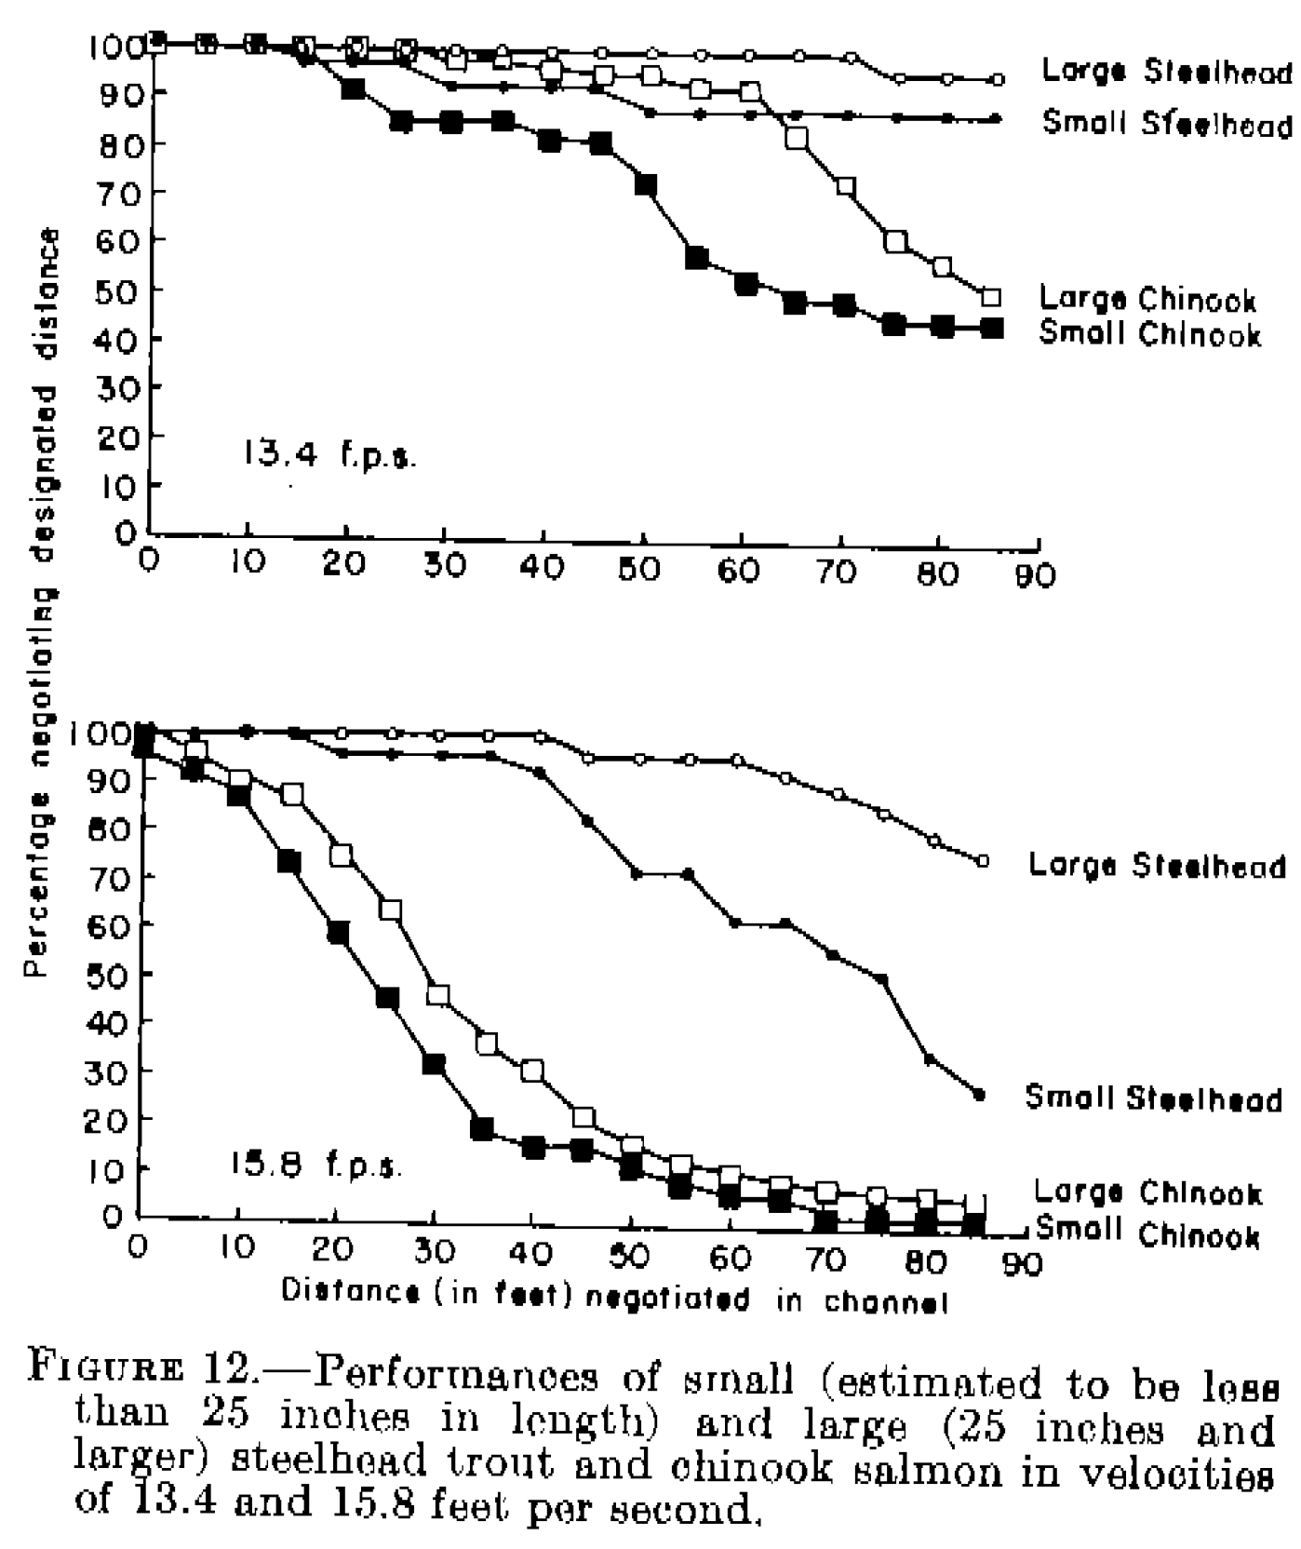
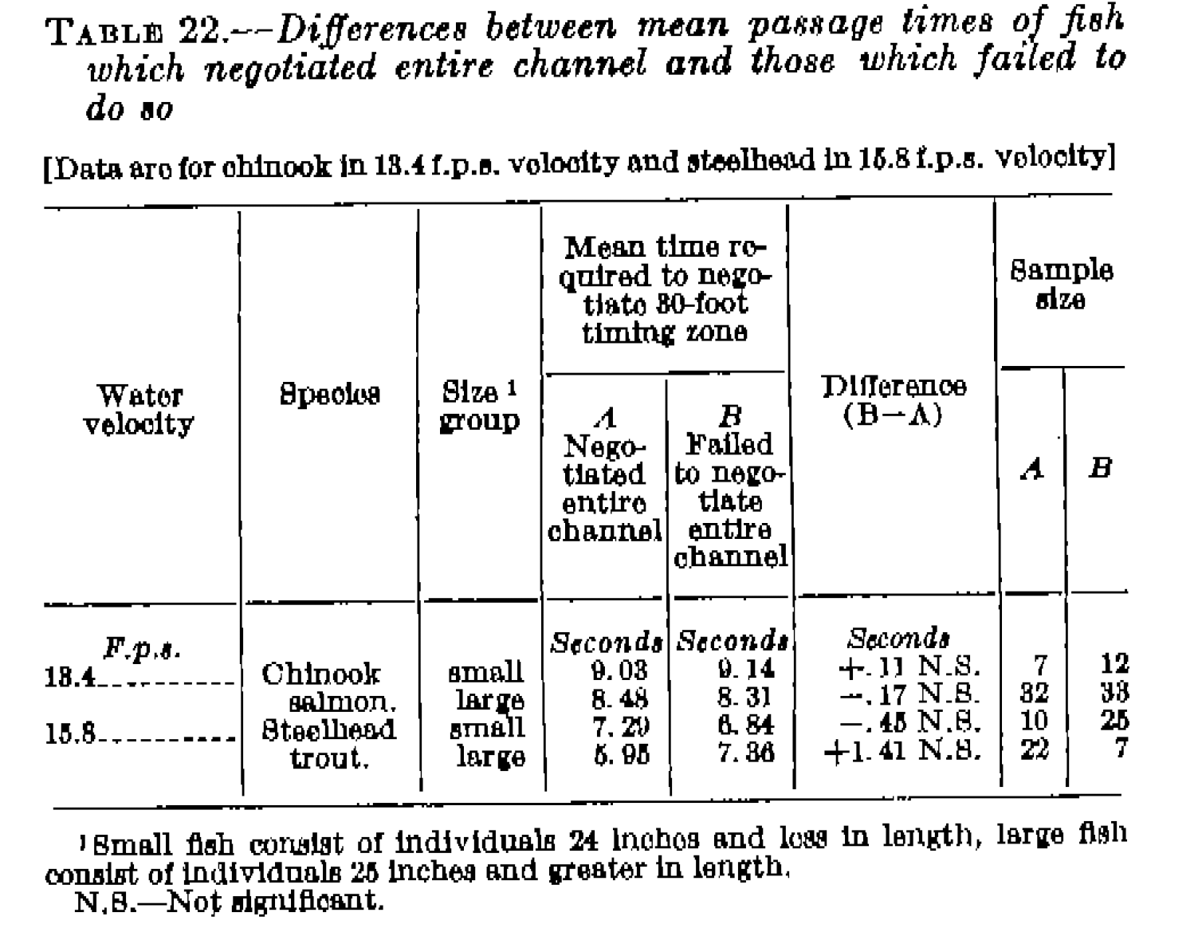
 |  | <<<< | Study 53. Weaver 1963 | >>>

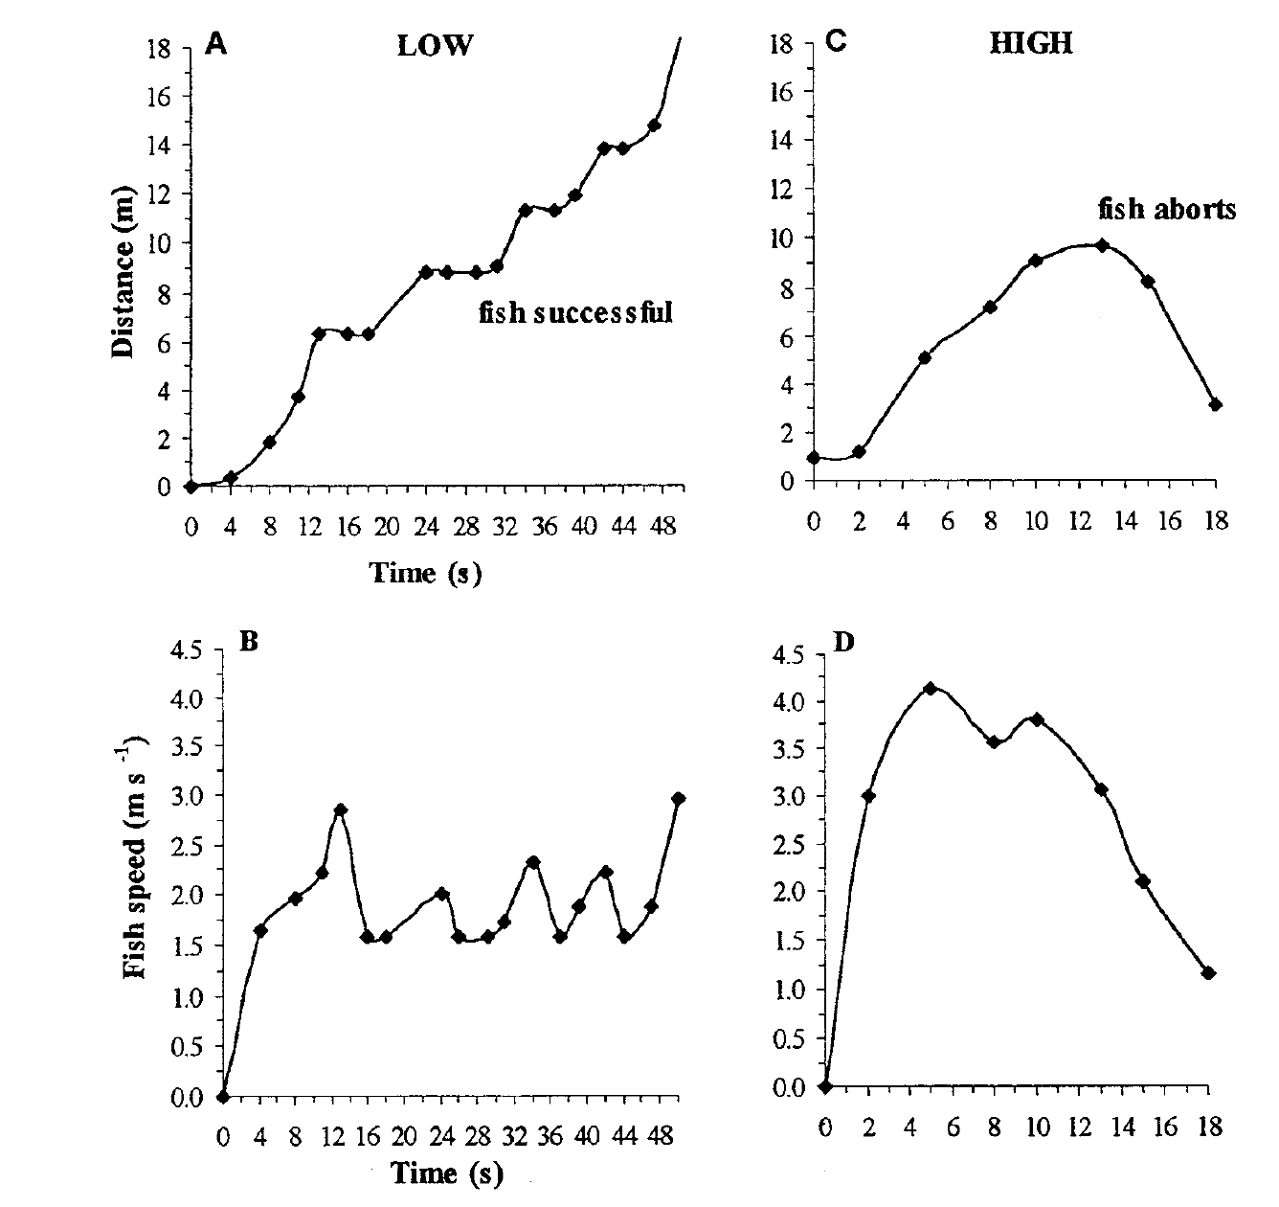
<<< | Colavecchia et al 1998

