images and notes
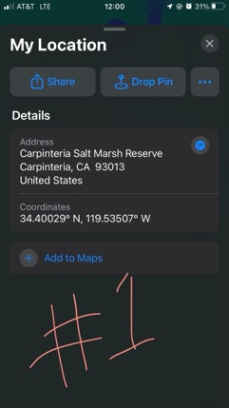
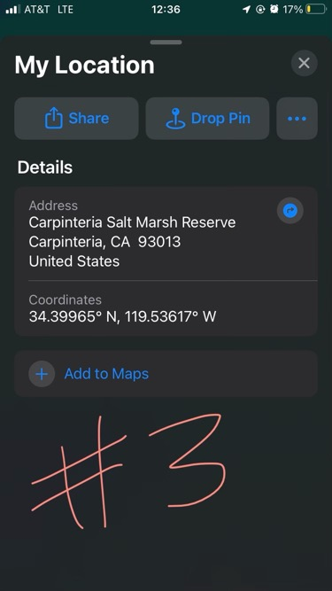
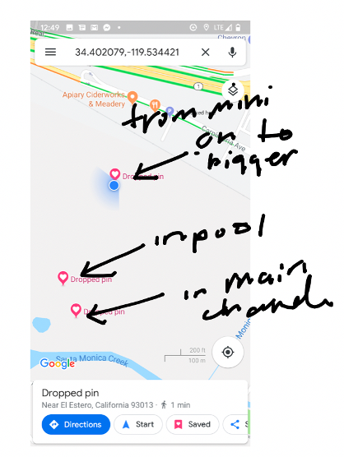

 |  |  |  |  | top (closer to the road))= | Eliason Lab CF3
 |  |  |  |  | middle = | Eliason Lab CF2
 |  |  |  |  | bottom (closer to the ocean) = | Eliason Lab CF4

2021 notes
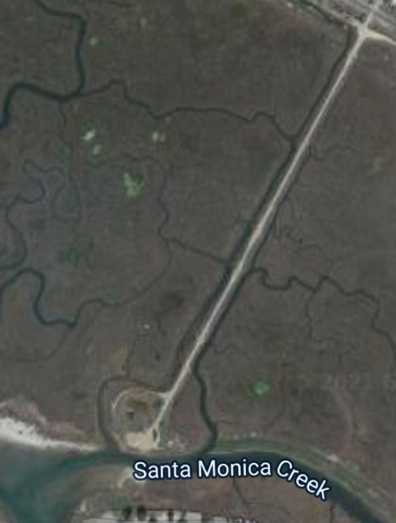
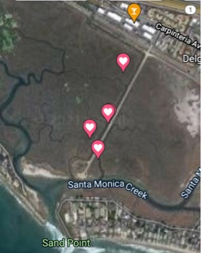
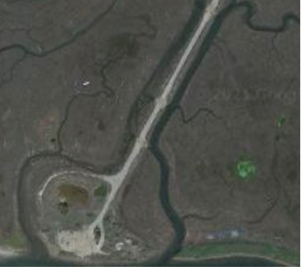

 | ! Need to read out the specific coordinates!

 | Maddie getting loggers back |  |  | 21-Dec-22

 | Maddie's ID | Original ID | Old | Old | Maddies | Maddies
 | 1 | Eliason Lab CF2 = TestSite | 34.400334 | -119.535058 | 34.40029 | -119.53507
 | 3 | carp kk2 | na | na | 34.39965 | -119.53617

