rSAP
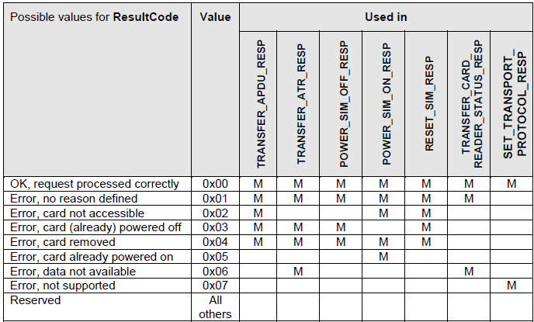
HEADER |  |  |  |  | Parameter | Length | Parameter ID
MSG ID | # PARAMETERS | RESERVED | PAYLOAD |  | MaxMsgSize | 2 | 0x00
1 BYTE | 1 BYTE | 2 BYTES | VARIABLE |  | ConnectionStatus | 1 | 0x01
 |  |  |  |  | ResultCode | 1 | 0x02
PAYLOAD |  |  |  |  | DisconnectionType | 1 | 0x03
EACH PARAMETER |  |  |  |  | CommandAPDU | Varies | 0x04
PAR ID | RESERVED | PAR LEN | PAR VALUE | PADDING | CommandAPDU7816 | Varies | 0x10
1 BYTE | 1 BYTE | 2 BYTES | PAR LEN | 0-3 Bytes | ResponseAPDU | Varies | 0x05
 |  |  |  |  | ATR | Varies | 0x06
 |  |  |  |  | CardReaderStatus | 1 | 0x07
 |  |  |  |  | StatusChange | 1 | 0x08
 |  |  |  |  | Transport Protocol | 1 | 0x09

APDU
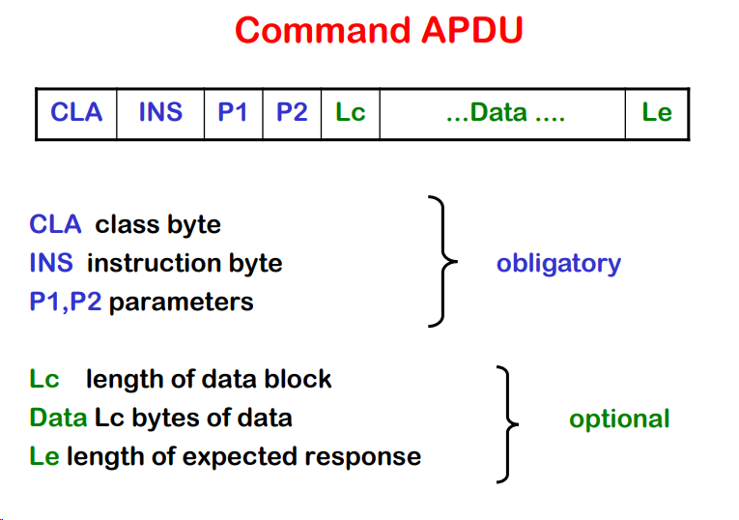

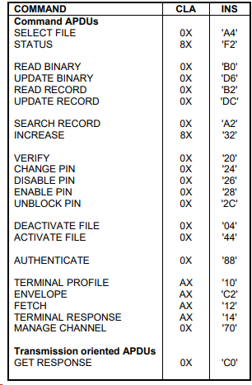

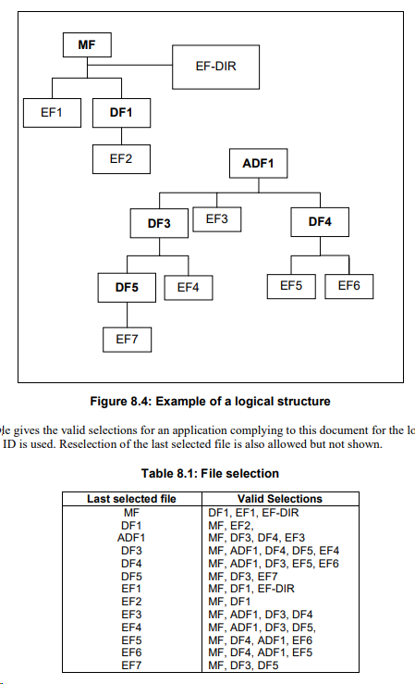

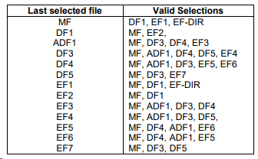

FILES
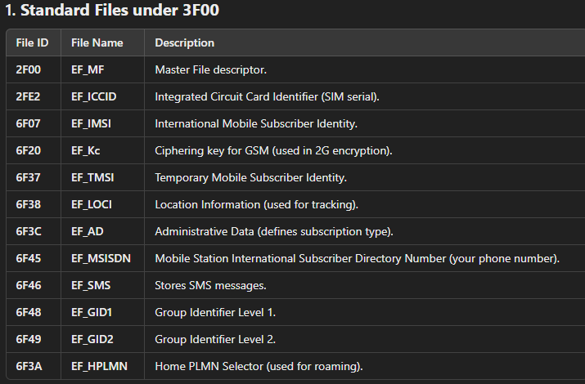

ADPU RESPONSE
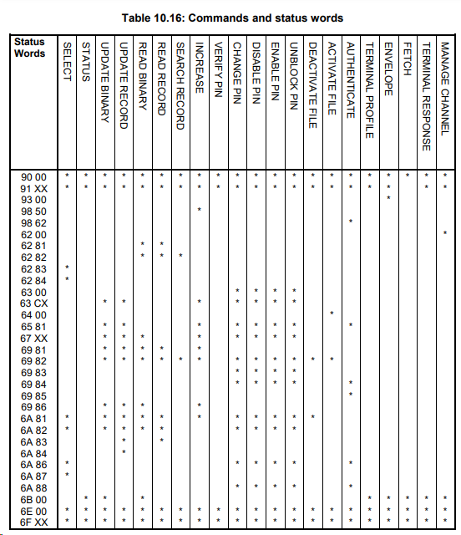

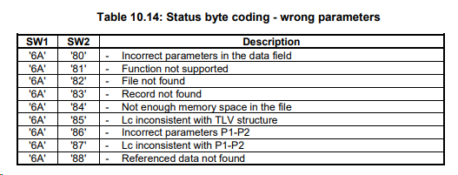

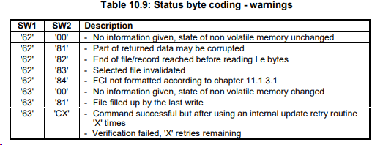

https://www.eftlab.com/knowledge-base/complete-list-of-apdu-responses

SELECT
