Sheet1
TEST CASES:

TC# | Ld Pg | Prev | Description | Result | Display
TC1 | Y | - | Cookies not enabled | A | A
 |  |  | COOKIES ENABLED IN FOLLOWING:
TC2 | Y | - | No cookies yet set (or all expired) | A
TC3 | N | A | Master enters password only | B
 | N | A | or Master enters name & password | B
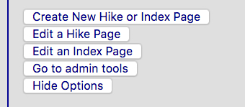
TC4 | N | B | Master clicks on "Hide Options" | C | B
TC5 | N | C | Master re-clicks "Display Options" | B
TC6 | Y | - | Master cookie only set | C
TC7 | N | C | Master clicks "Display Options" | B
TC8 | N | B | Master clicks on "Hide Options" | C
TC9 | Y | - | New user clicks "Sign Me Up" | Reg Pg
TC10 | N | Reg Pg | On success, links back to main: | A
TC11 | N | A | User enters name & bad passwd | D | C
TC12 | N | D | User clicks on "OK" | E
TC13 | N | A | User enters bad name & any passwd | F
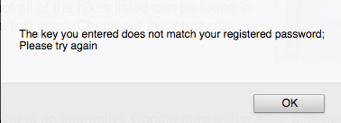
TC14 | N | F | User clicks on "OK" | A
TC15 | N | A | User enters registered name/passwd | G | D
TC16 | N | G | User clicks "Display Options" | H
TC17 | N | H | User clicks on "Hide" | G
TC18 | N | G | User/Master enters Site Master pass | B
TC19 | N | B | Master clicks on "Hide Options" | G
 |  |  | (note: in this case usr cookie is deleted)

 |  |  |  |  | E

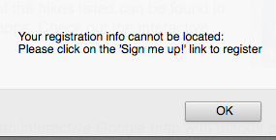
 |  |  |  |  | F

 |  |  |  |  | G

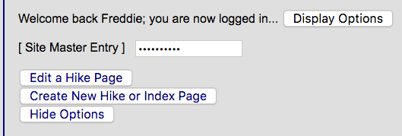
 |  |  |  |  | H

