Table 1
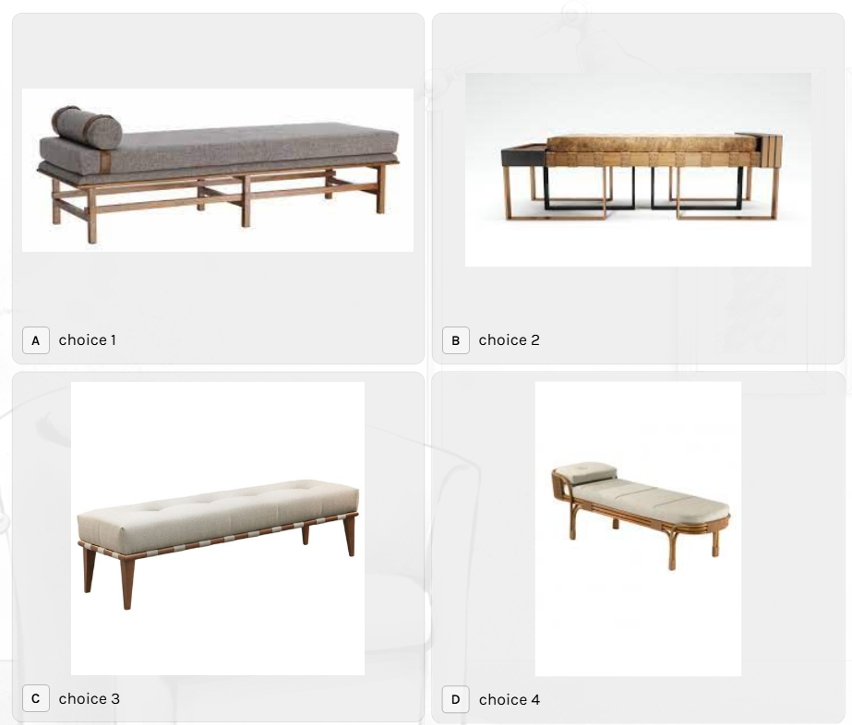
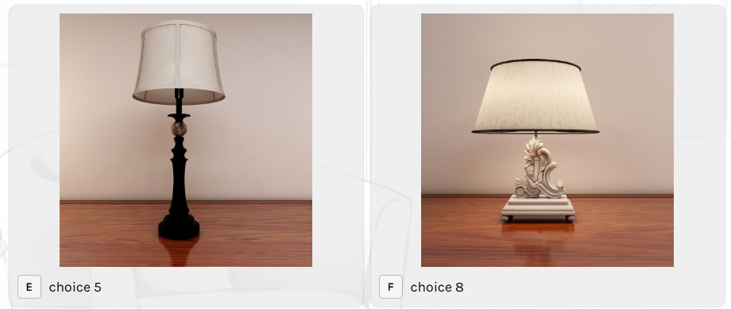
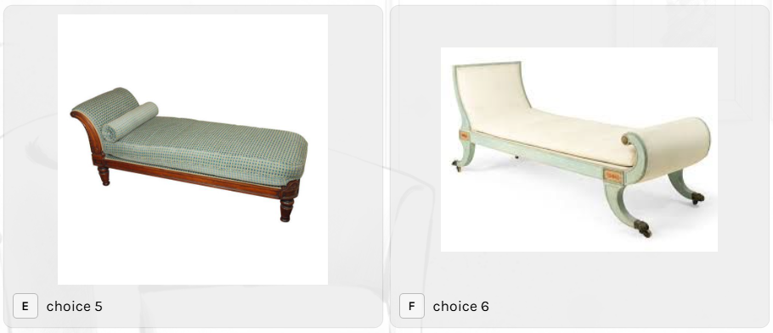
FLOOR PLAN INTELLIGENT

Which space are we starting with?

• Living Room
• Dining Room
• Kitchen
• Master Bedroom
• Bedroom 2
• Bedroom 3
• Guest Bedroom
• Kids' Bedroom
• Study / Home Office
• Puja Room
• Entertainment / Family Room
• Home Theatre
• Bathrooms / Toilets
• Utility / Laundry
• Balcony
• Terrace
• Entrance / Foyer
• Walk-in Wardrobe
• Dressing Room
• Store Room
• Servant / Staff Room
• Other

Then the quiz only asks questions relevant to the rooms selected.

Q1. What type of seating do you want?
Visual options:
• 1-seater
• 2-seater
• 3-seater
• L-shaped
• U-shaped
• Sofa + chaise
• Modular
• Recliner
• Sofa + accent chairs
• Low Indian seating
Q2. How many people should the seating accommodate?
• 2
• 3
• 4
• 5–6
• 7–8
• 9+
Q3. Do you want additional seating?
• No
• 1 accent chair
• 2 accent chairs
• 2 occasional chairs
• Poufs / ottomans
• Bench
• Floor seating
Q4. What coffee table arrangement?
• Single rectangular
• Square
• Round
• Oval
• Nesting tables
• Two separate tables
• No coffee table
Q5. Do you need a TV unit?
• Yes — wall mounted
• Yes — full TV unit
• Yes — low console
• No TV
Q6. Storage required?
• Minimal
• Books
• Display
• Closed storage
• Shoe/storage combination
• Bar cabinet
• Hidden storage
Q7. Other living-room requirements
Multi-select:
• Reading corner
• Conversation area
• Formal seating
• Family seating
• Large TV
• Artwork/display
• Indoor plants
• Piano
• Bar
• Other
2. DINING ROOM
Q1. Dining table shape
• Rectangular
• Square
• Round
• Oval
• Extendable
• Custom
Q2. Number of people?
• 2
• 4
• 6
• 8
• 10
• 12+
Q3. Dining seating
• All chairs
• Chairs + bench
• Bench on one side
• Upholstered chairs
• Mix of chairs
Q4. Do you need a crockery/storage unit?
• No
• Crockery unit
• Console
• Bar cabinet
• Buffet counter
• Full-height storage
Q5. Do you need a bar?
• No
• Small bar cabinet
• Bar counter
• Full bar
3. KITCHEN
This needs to be one of the most important quiz sections because it directly feeds Plan
Intelligence.
Q1. Which kitchen layout do you prefer?
Visual plan sketches:
• Straight
• L-shaped
• Parallel / Galley
• U-shaped
• Island
• Peninsula
• L-shaped + island
• U-shaped + island
• Open kitchen
• Closed kitchen
Q2. Kitchen openness
• Fully open
• Open with island
• Open with peninsula
• Semi-open
• Closed
• Existing opening to retain
Q3. Cooking type
• Hob + chimney
• Hob + built-in oven
• Freestanding cooking range
• Multiple cooking zones
• Indian heavy cooking
• Light cooking
Q4. Refrigerator
• Single-door
• Double-door
• Side-by-side
• French-door
• Built-in
• Existing refrigerator to retain
Q5. Appliances required
Multi-select:
• Oven
• Microwave
• Dishwasher
• Chimney
• Hob
• Refrigerator
• Water purifier
• Coffee machine
• Air fryer
• OTG
• Mixer/grinder
• Other
Q6. Storage preference
• Mostly drawers
• Mostly shutters
• Mix of drawers + shutters
• Tall units
• Pantry
• Appliance garage
• Open shelves
• Glass shutters
Q7. Utility connection?
• Washing machine
• Dryer
• Laundry sink
• Utility counter
• Additional refrigerator
• Service storage
4. MASTER BEDROOM
Q1. Bed size
Visual options:
• Single — 90 × 190/200 cm
• Double — approximately 135 × 190/200 cm
• Queen — 150 × 200 cm
• King — 180 × 200 cm
• Custom
Q2. Bed style
• Platform bed
• Storage bed
• Upholstered bed
• Four-poster
• Poster/headboard bed
• Minimal platform
• Traditional
Q3. Bedside arrangement
• No side tables
• 1 side table
• 2 side tables
• Integrated bedside
• Floating bedside
Q4. Wardrobe type
• Sliding
• Hinged
• Full-height
• Walk-in
• Corner wardrobe
• Wardrobe + dressing
Q5. Wardrobe requirements
• Hanging clothes
• Long hanging
• Folded clothes
• Drawers
• Saree storage
• Suitcase storage
• Shoe storage
• Jewellery
• Linen
• Safe
Q6. Dressing
• No
• Dressing table
• Full-height mirror
• Dressing room
• Walk-in wardrobe
Q7. Seating
• None
• Armchair
• Bench
• Lounge chair
• Chaise
Q8. Other
• TV
• Study desk
• Prayer area
• Makeup area
• Balcony access
• Extra storage
5. OTHER BEDROOMS
For every additional bedroom, first ask:
Who will use this room?
• Adult
• Teenager
• Child
• Guest
• Couple
• Elderly parent
• Flexible / multipurpose
Then use the appropriate questionnaire.
6. GUEST BEDROOM
Bed
• Single
• Queen
• King
• Sofa bed
• Daybed
• Twin beds
• Bunk bed
Additional requirements
• Wardrobe
• Bedside tables
• Dressing
• TV
• Study desk
• Luggage bench
• Reading chair
• Extra storage
Guest flexibility
• Permanent bedroom
• Occasional guest room
• Convertible room
• Guest + study
• Guest + home office
7. KIDS' BEDROOM
Q1. Bed type
• Single
• Bunk
• Loft
• Trundle
• Storage bed
• Study + bed combination
• House/themed bed
Q2. Number of children
• 1
• 2
• 3+
Q3. Study
• No study
• One desk
• Two desks
• Shared long desk
• Built-in study
Q4. Storage
• Wardrobe
• Open shelves
• Toy storage
• Book storage
• Sports storage
• Under-bed storage
• Display
Q5. Activity requirements
• Reading
• Art/craft
• Gaming
• Music
• Play area
• Sports
• Hobby area
Q6. Safety / flexibility
• Rounded furniture
• Low storage
• Child-accessible storage
• Future convertible furniture
8. STUDY / HOME OFFICE
Desk type
• Straight desk
• L-shaped
• U-shaped
• Wall-mounted
• Built-in
• Executive
• Two-person desk
Seating
• Task chair
• Ergonomic chair
• Executive chair
• Two chairs
• Lounge + work combination
Storage
• Bookshelves
• Closed cabinets
• File storage
• Printer storage
• Full-height storage
• Open shelving
Technology
• Single monitor
• Dual monitor
• Laptop
• Desktop
• Printer
• Video-call setup
• Charging station
Users
• 1 person
• 2 people
• Family/shared
9. PUJA ROOM
Location
• Dedicated room
• Niche
• Wall-mounted unit
• Corner
• Inside living room
• Inside dining
• Near entrance
Puja unit
• Minimal
• Traditional
• Cabinet
• Open shelves
• Full-height
• Temple-style
Requirements
• Storage for puja items
• Drawers
• Diya area
• Bell
• Seating
• Doors/shutters
• Ventilation
• Additional storage
10. ENTERTAINMENT / FAMILY ROOM
Main use
• TV watching
• Family relaxation
• Gaming
• Music
• Reading
• Games
• Mixed use
Seating
• Sofa
• L-shaped
• Sectional
• Recliners
• Bean bags
• Floor seating
• Modular seating
TV
• Wall mounted
• TV console
• Projector
• Large screen
Storage
• Media console
• Games
• Books
• Display
• Bar
• Hidden storage
11. HOME THEATRE
Seating type
• Individual recliners
• 2-seater recliner
• 3-seater recliner
• Tiered seating
• Sofa + recliner
• Combination
Screen
• TV
• Projector
• Large screen
Number of seats
• 2–3
• 4–5
• 6–8
• 9–12
• 12+
Other requirements
• Acoustic treatment
• Equipment cabinet
• Speaker locations
• Blackout
• Snack/bar counter
• Storage
12. BATHROOM / TOILET
First ask:
Type
• Powder toilet
• Guest toilet
• Common bathroom
• Master bathroom
• Kids' bathroom
• Attached bathroom
• Accessible bathroom
Layout
• WC + basin
• WC + basin + shower
• WC + basin + bathtub
• WC + basin + shower + bathtub
• Wet/dry separation
Vanity
• Single
• Double
• Wall-mounted
• Floor-standing
• Storage vanity
Indicative vanity widths:
• Single: 60–100 cm
• Double: 120–180 cm
Shower
• Open shower
• Glass enclosure
• Shower cubicle
• Rain shower
• Hand shower + rain shower
Bathtub
• No bathtub
• Freestanding
• Built-in
• Corner
Storage
• Mirror cabinet
• Under-vanity
• Tall cabinet
• Linen storage
• Open shelves
Other
• Bidet
• Health faucet
• Makeup mirror
• Laundry basket
• Heated towel rail
• Accessibility requirements
13. UTILITY / LAUNDRY
Washing machine
• Front load
• Top load
• Built-in
Dryer
• Separate dryer
• Washer-dryer
• No dryer
Storage
• Cleaning supplies
• Linen
• Laundry baskets
• Utility shelves
• Tall storage
Utility counter
• No
• Small counter
• Full counter
• Folding counter
Other
• Utility sink
• Drying area
• Ironing
• Mop storage
• Service access
14. ENTRANCE / FOYER
Shoe storage
• None
• Small cabinet
• Full shoe cabinet
• Shoe + bench
• Concealed
Seating
• None
• Small bench
• Pouf
• Chair
Other
• Console
• Mirror
• Key drawer
• Mail/drop zone
• Coat storage
• Decorative display

15. WALK-IN WARDROBE / DRESSING
Layout
• Single-sided
• Parallel
• L-shaped
• U-shaped
• Island wardrobe
Storage
• Long hanging
• Short hanging
• Drawers
• Open shelves
• Shoe storage
• Bags
• Jewellery
• Accessories
• Suitcases
• Linen
Island
• No
• Small island
• Large island
Dressing
• Dressing table
• Full-height mirror
• Seating
• Makeup storage
16. STORE ROOM
What will be stored?
Multi-select:
• Household items
• Suitcases
• Seasonal items
• Festival decorations
• Cleaning supplies
• Kitchen stock
• Tools
• Sports equipment
• Children's items
• Miscellaneous
Storage type
• Shelves
• Cabinets
• Open racks
• Tall storage
• Combination
17. BALCONY
Primary use
• Seating
• Plants
• Garden
• Morning tea
• Evening relaxation
• Dining
• Work
• Laundry
• Pet area
• Utility
Seating
• 1 chair
• 2 chairs + table
• Bench
• Sofa
• Lounge chair
• Swing
• Hanging chair
Greenery
• Few plants
• Planter wall
• Vertical garden
• Large planters
• Herb garden
• No plants
Other
• Storage
• Bar counter
• Outdoor kitchen
• Laundry
• Pet area
• Privacy screen
18. TERRACE
Main use
• Lounge
• Outdoor dining
• Garden
• Bar/entertaining
• BBQ
• Home theatre
• Exercise/yoga
• Children's play
• Pets
• Multi-purpose
Furniture
• Outdoor sofa
• Dining table
• Lounge chairs
• Bar stools
• Sun loungers
• Swing
• Daybed
Garden
• Planters
• Lawn
• Raised beds
• Vertical garden
• Kitchen garden
• Trees
• Minimal greenery
Other
• Outdoor kitchen
• BBQ
• Bar
• Pergola
• Shade
• Storage
• Outdoor shower
• Utility
19. HOME-WIDE REQUIREMENTS
This is important because these answers should feed the AI Plan Intelligence.
Storage requirement
• Minimal
• Moderate
• High
• Very high
Type of storage
• Mostly closed
• Mostly open
• Combination
• Concealed
Work from home
• No
• Occasionally
• 1 person
• 2 people
• Multiple people
Number of residents
• 1
• 2
• 3
• 4
• 5
• 6+
Children
• None
• 1
• 2
• 3+
Elderly residents
• No
• Yes
Pets
• No
• Dog
• Cat
• Multiple pets
• Other
Entertaining frequency
• Rarely
• Occasionally
• Frequently
• Large gatherings
Cooking
• Light
• Moderate
• Heavy/Indian cooking
• Frequent entertaining
Lifestyle
Multi-select:
• Reading
• Music
• Movies
• Gaming
• Art
• Fitness
• Yoga
• Gardening
• Cooking
• Entertaining
• Work from home
• Collectibles
• Travel/storage
• Pets
20. STYLE QUIZ
This should come after functional requirements, not before.
Which style do you prefer?
Show visual cards:
• Modern
• Contemporary
• Minimal
• Modern Classic
• Scandinavian
• Japandi
• Industrial
• Traditional
• Indian Contemporary
• Luxury
• Organic Modern
• Eclectic
Allow:
Select up to 3
Then:
What do you prefer?
Colours
• Light
• Warm
• Neutral
• Dark
• Earthy
• Colourful
Wood
• Light
• Medium
• Dark
• No preference
Metal
• Black
• Brass
• Chrome
• Bronze
• No preference
21. BUDGET QUIZ
Don't ask the user for a precise number initially.
What level are you planning for?
• Economy
• Mid-range
• Premium
• Luxury
• Not decided
Then, depending on market, Dezinebox can ask an approximate overall interior budget
range.
22. Door & Windows
• Drapes
• Curtains
• Blinds
• Shades
23. Lighting- Type of Lights you like
• Chandelier
• Floor Lamp
• Penddant/Suspended
• Wall Light
• Surface Light
• Concealed Light
• Magnetic Light
• Track light

Typeform quiz

You have shared your theme choices, preferences & color likings with us. Let's now look at your furniture requirements
1. Which space are we starting with? Choose as many as you like A Living B Dining C Bed Room D Kitchen E Kids Room F Toilet G Other | 2. Sofa* There are different types of sofa we use for Interior Space. According to your requirements please select the right one. We may not use the exact sofa but this will help us to filter your choices Choose as many as you like Chaise or Couch / Seater Sofa / L- shape / Sofa cum bed/ Loveseat or 2 seater / Chaise or Couch/ Hight back Chair / Recamier or Divan | 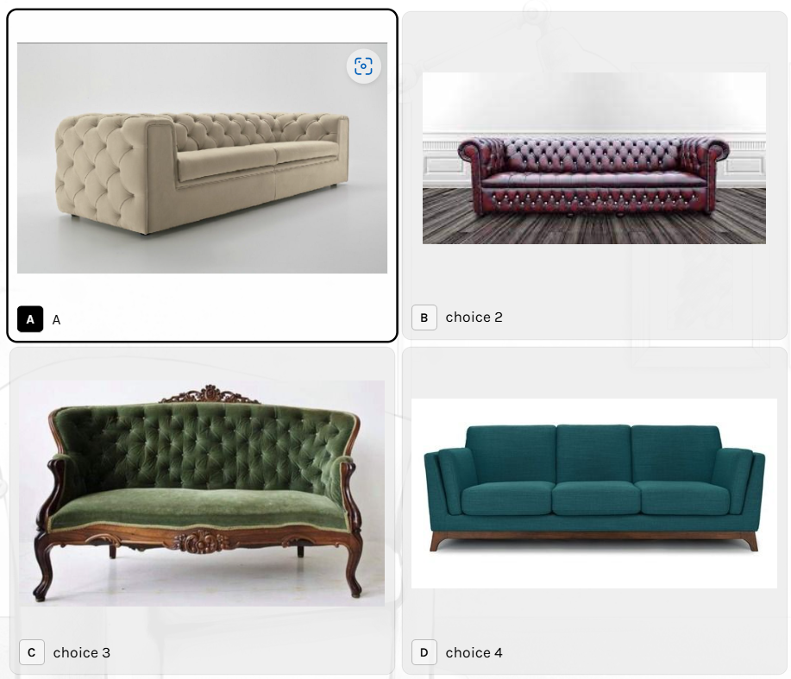 | 3. Type of Sofa* (a) 3 seater sofa / (b) L- shape / (c) Sofa cum bed/ (d) Loveseat or 2 seater / (e) Chaise or Couch/ (f) Hight back Chair / (g) Recamier or Divan Choose one you like (a) 3 seater sofa | 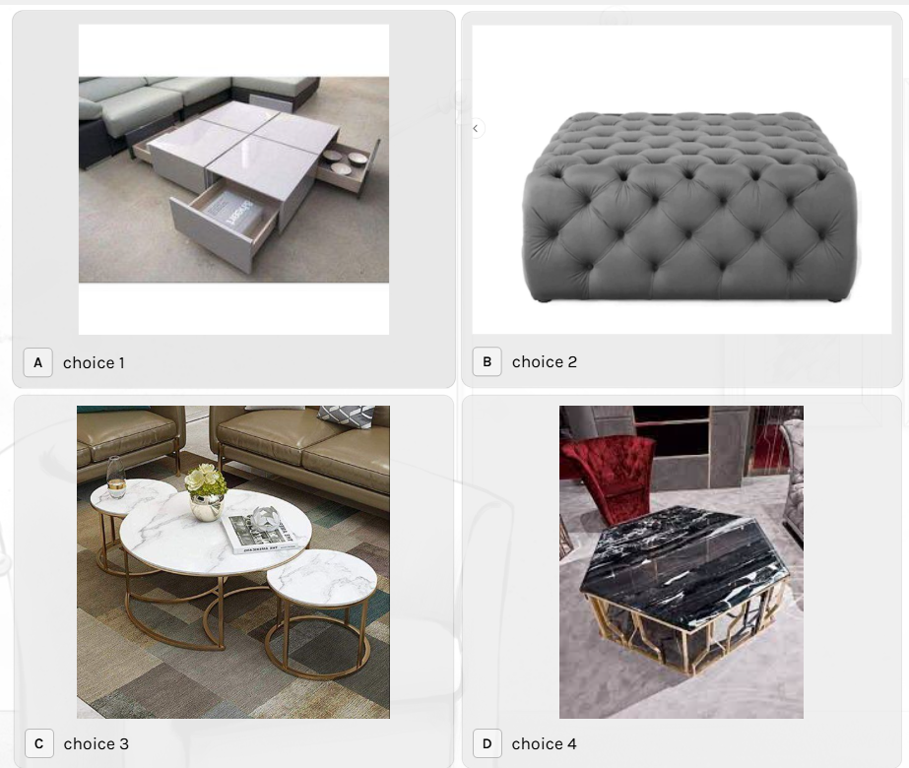 3.2 Centre Table Choose one you like | 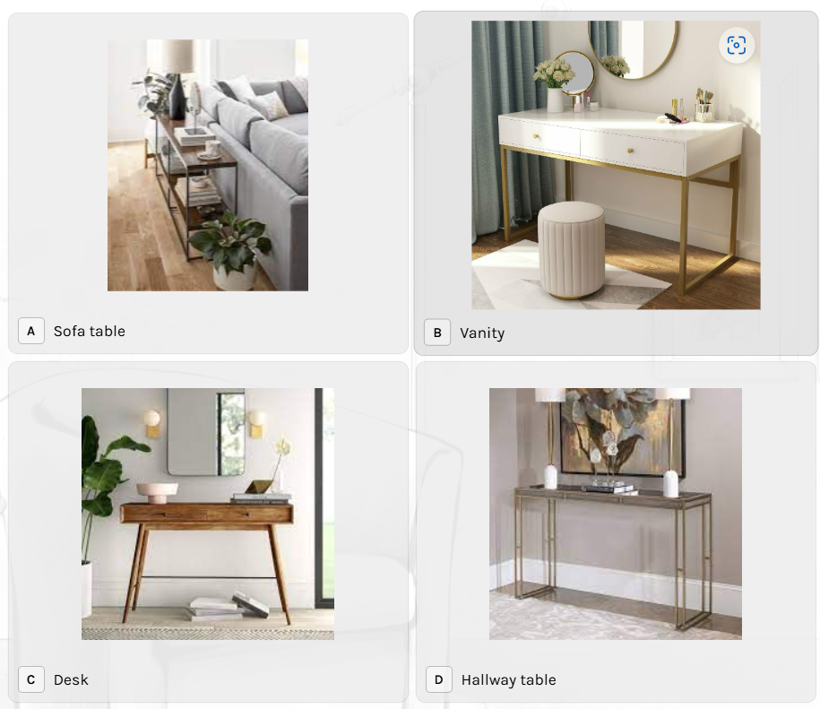 4. The wonderful thing about console tables is that they are extremely versatile and can be used in so many different ways* There are different types of Console Tables. Please select the one you prefer. If you are not able to pick one we will do that for you | 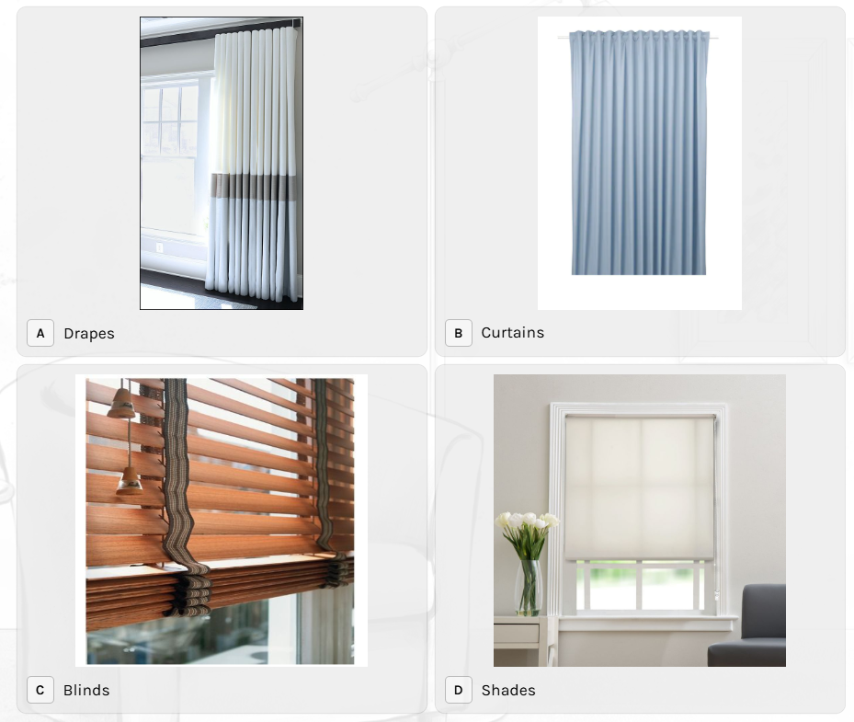 | 5. Door & Windows are must-have functional elements of any space. But do we have to treat them equally all the time? Treatment to these opening can create a lot of drama in the interior design Lets look at few options now.. (a) Window Treatment | 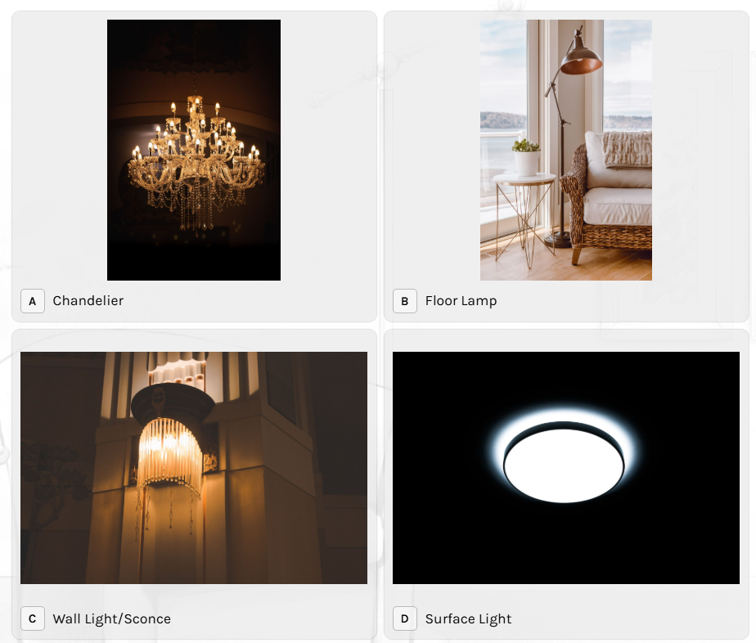 | 6. Lighting design plays a key role in creating the right mood and adjusting the ambiance of interior spaces. We will take you to different types of lighting now. You need to help us with your choices (Choose as many as you like) (a) Type of Lights you like? | 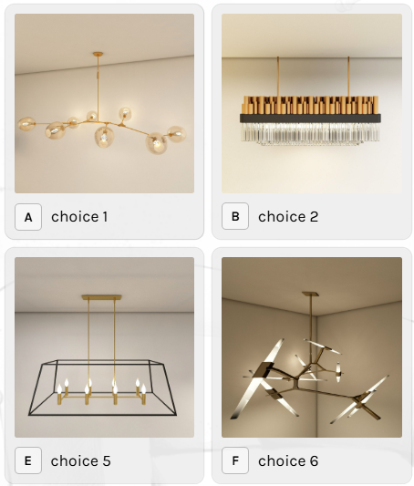 | 6.2- Types of lights (a) Chandelier | 7 - We believe that transparency is needed to create trust and it's also needed to create a dialogue" Hope you provided all the necessary information. If there is anything else you wish to share that would help us design then please mention it here. ' TEXT BOX ' Submit
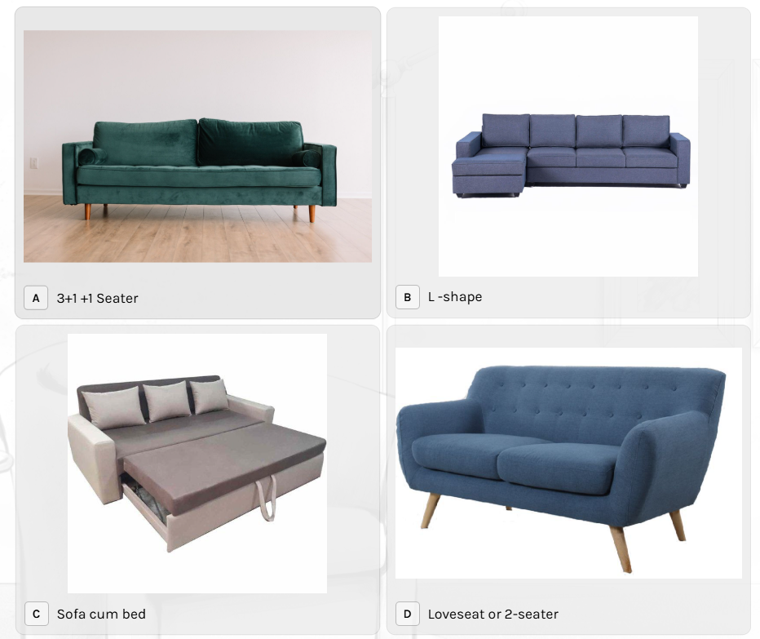
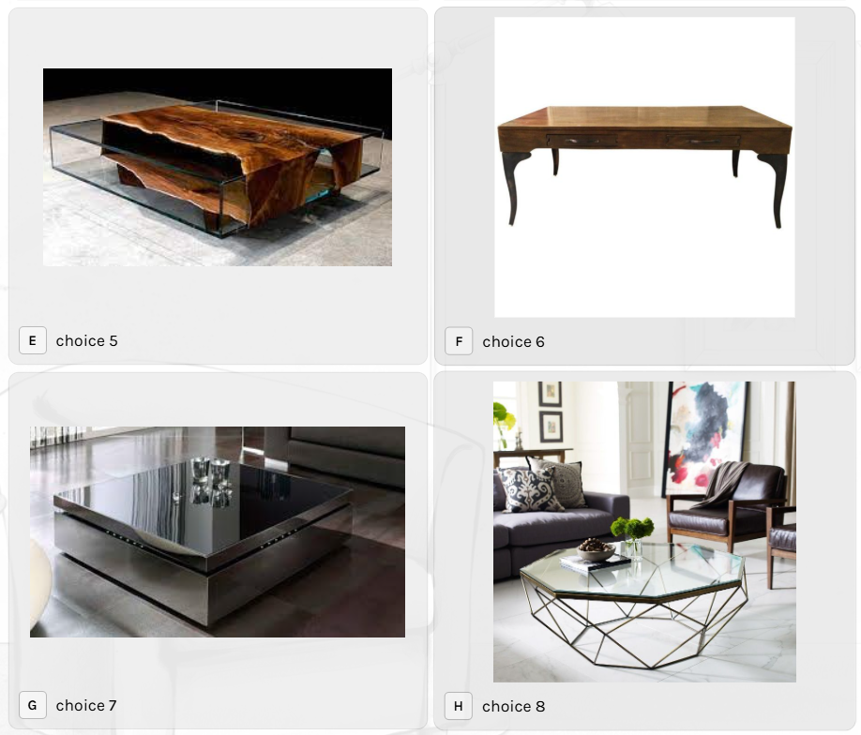
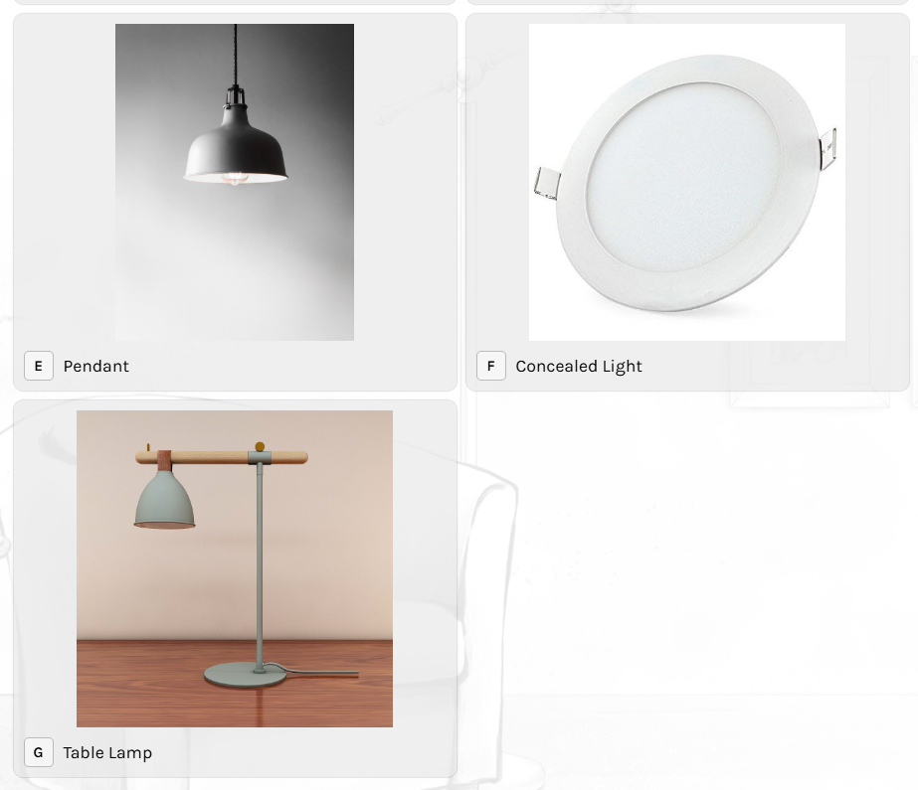
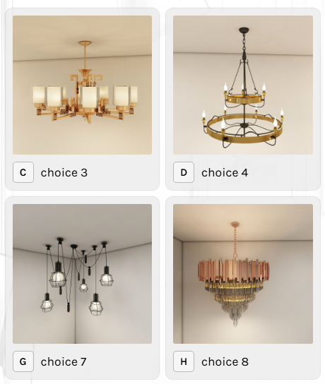

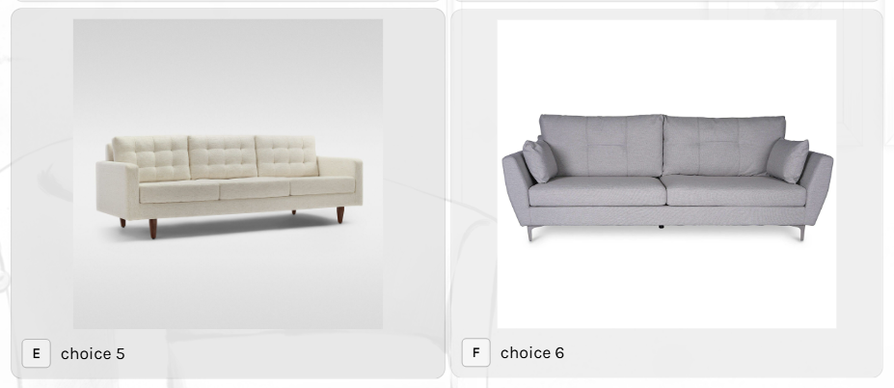

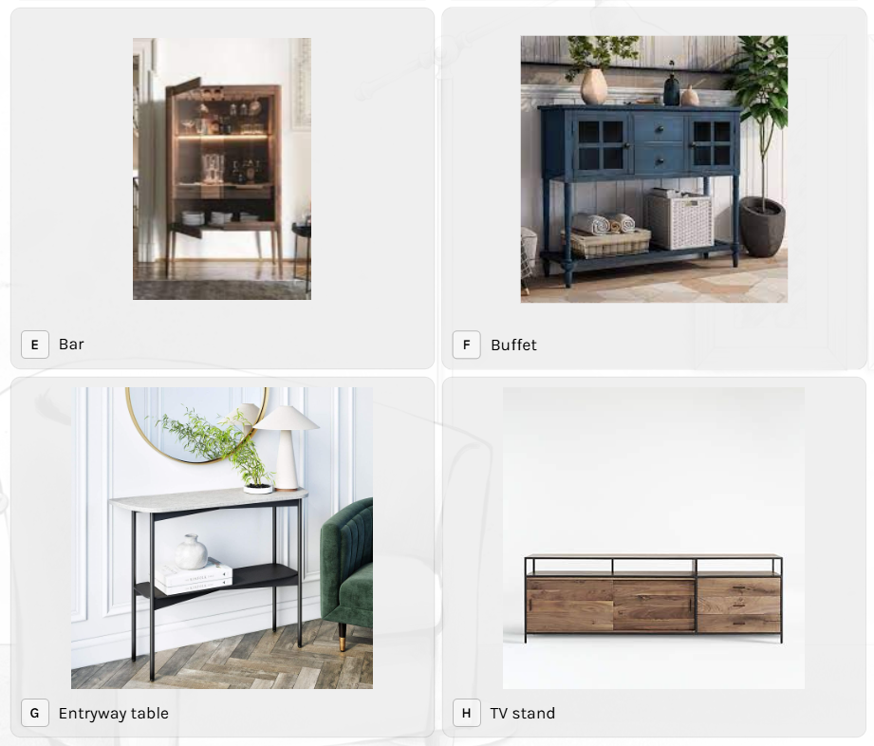

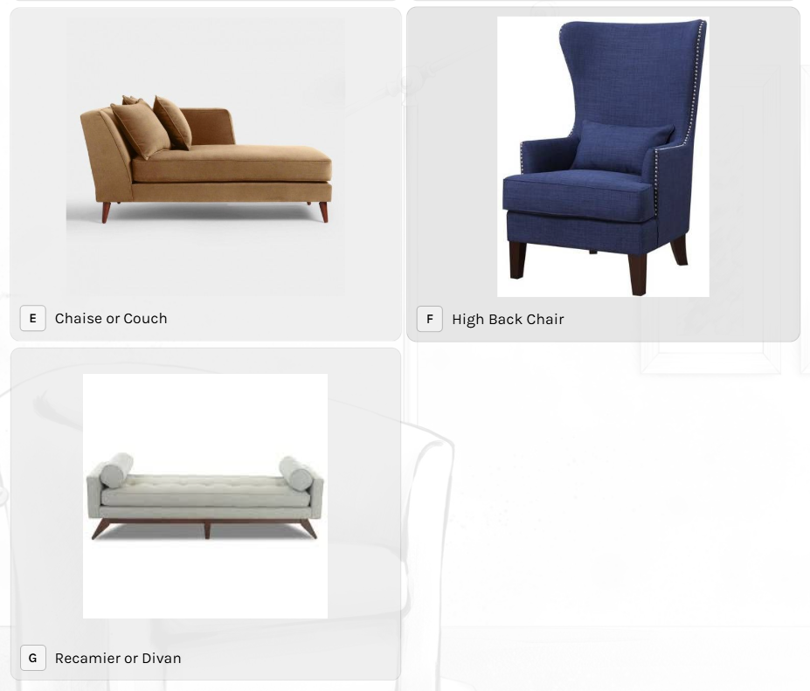

 |  |  | (b) L shape sofa

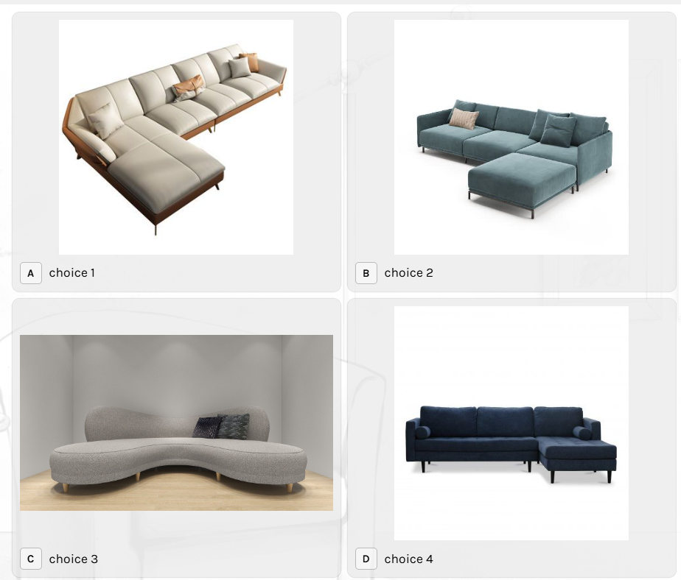

 |  |  |  |  |  |  |  |  |  |  | (b) Floor Lamp

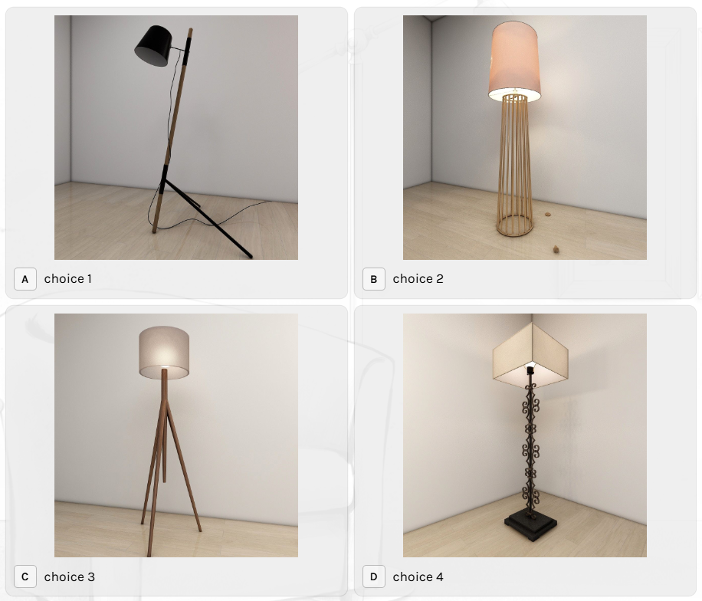

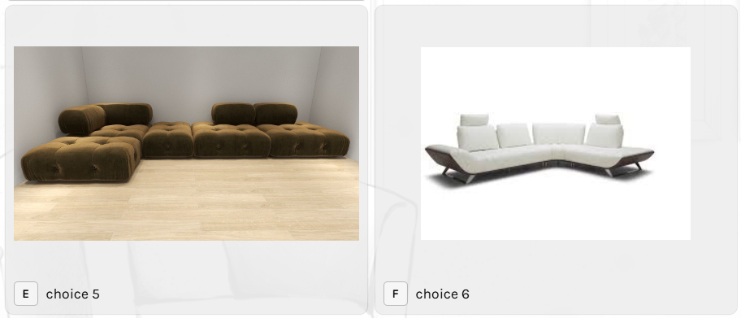

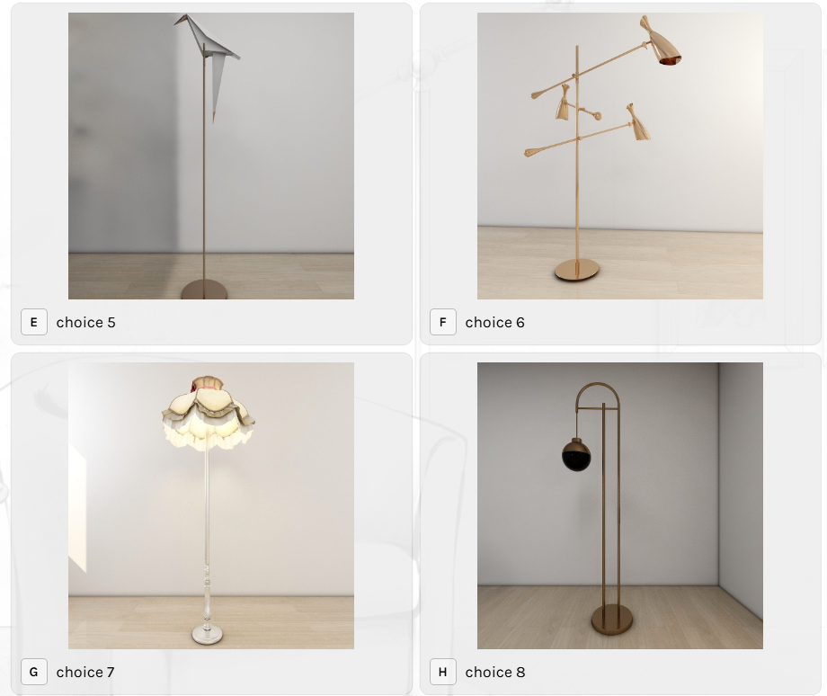

 |  |  | (c) Sofa cum bed

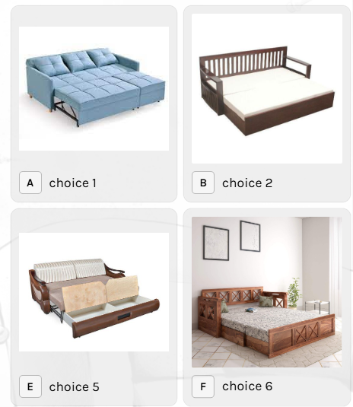

 |  |  |  |  |  |  |  |  |  |  | (c) Wall light/ sconce

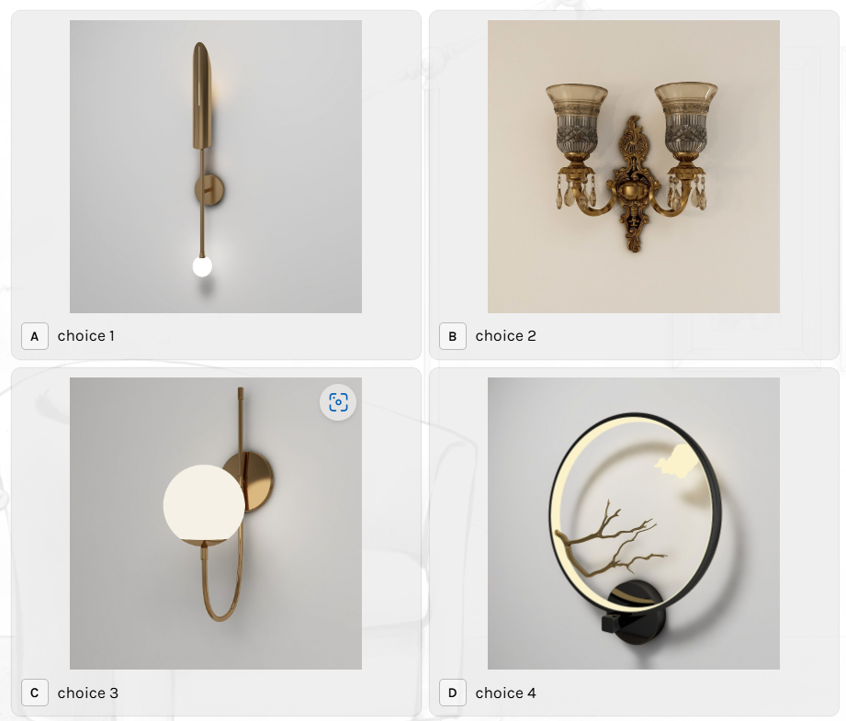

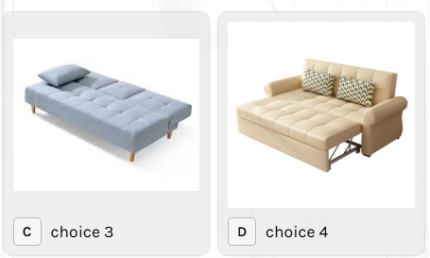

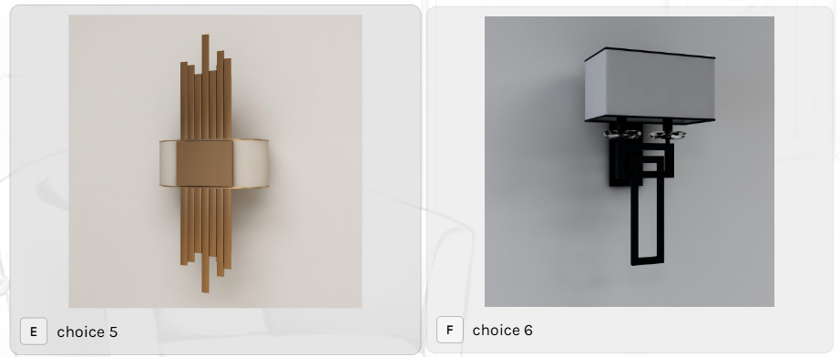

 |  |  |  |  |  |  |  |  |  |  | (d) Surface light

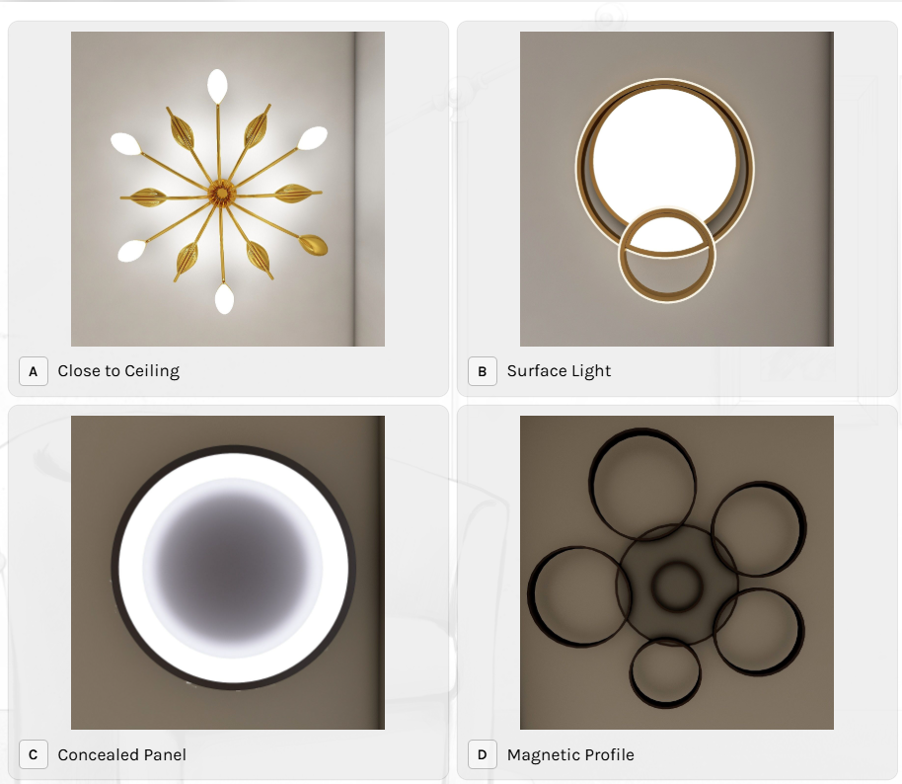
 |  |  | (d) Loveseat or 2 seater

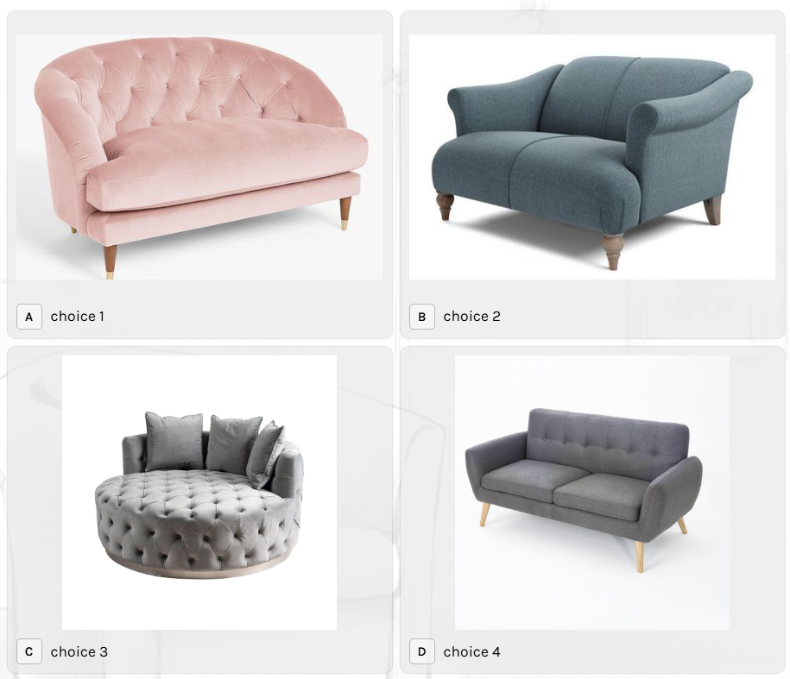

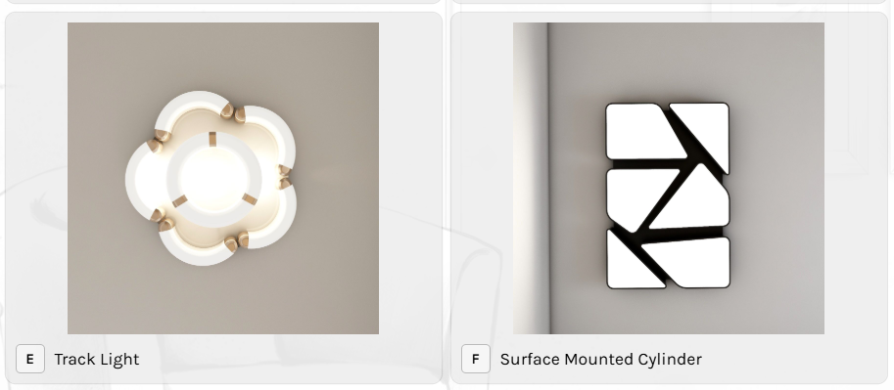

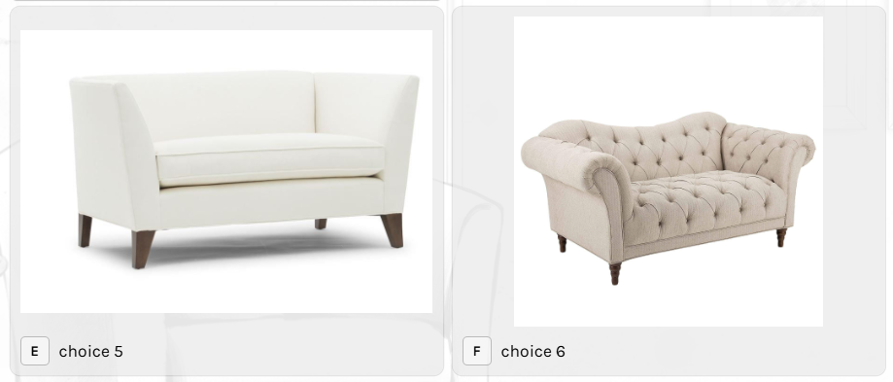

 |  |  |  |  |  |  |  |  |  |  | (e) Pendant

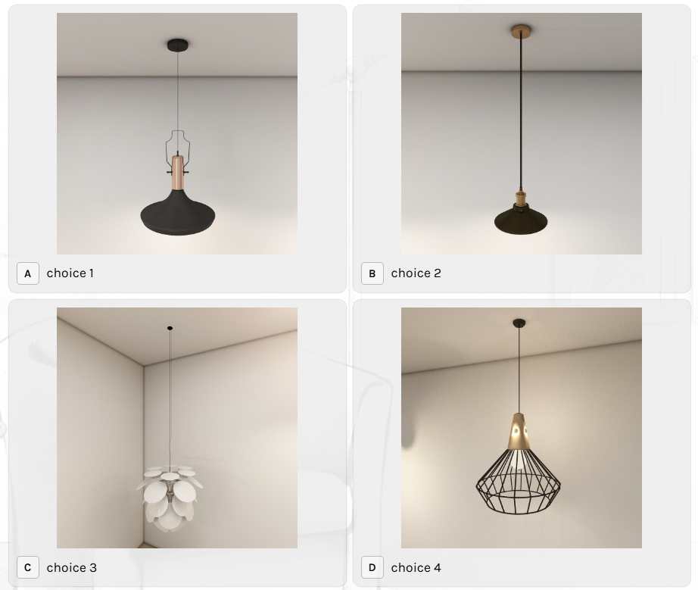

 |  |  | (e) Chaise or couch

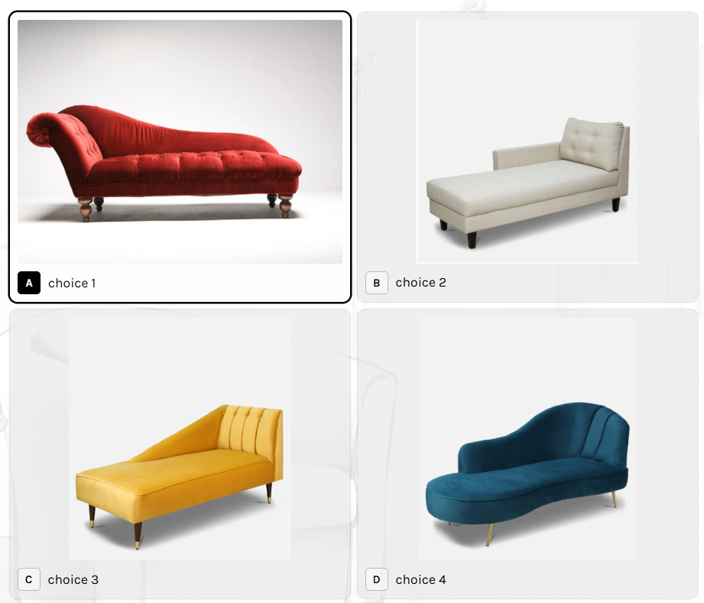

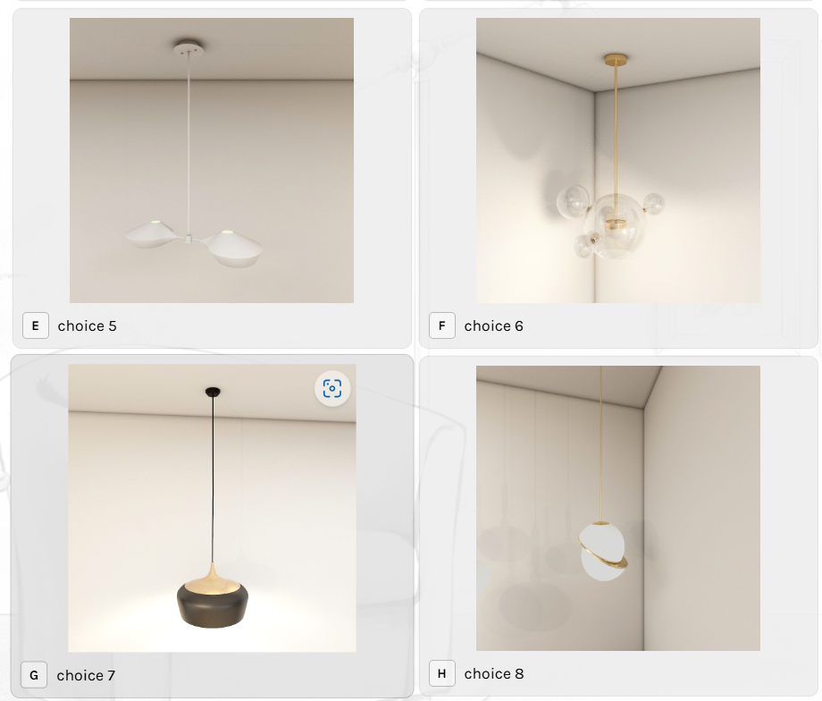

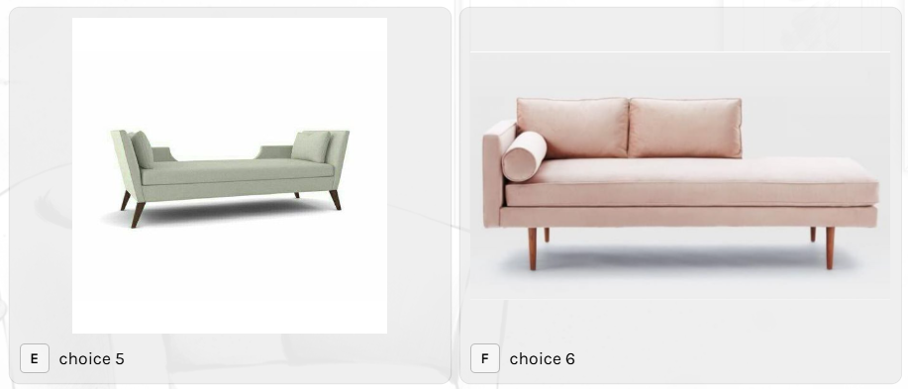

 |  |  |  |  |  |  |  |  |  |  | (f) Concealed light

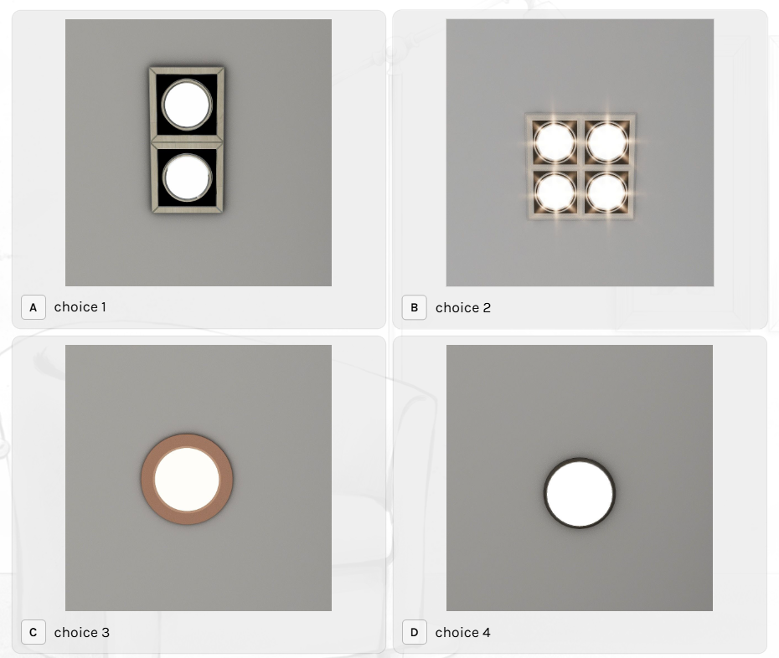
 |  |  | (f) High back / single sofa

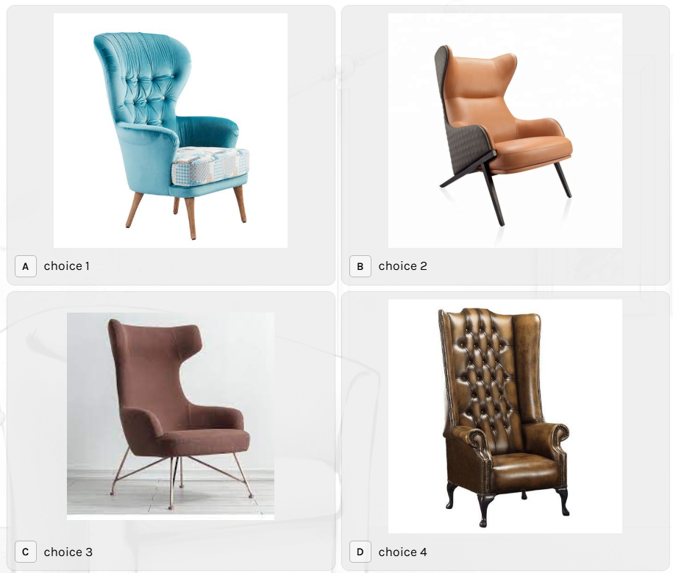

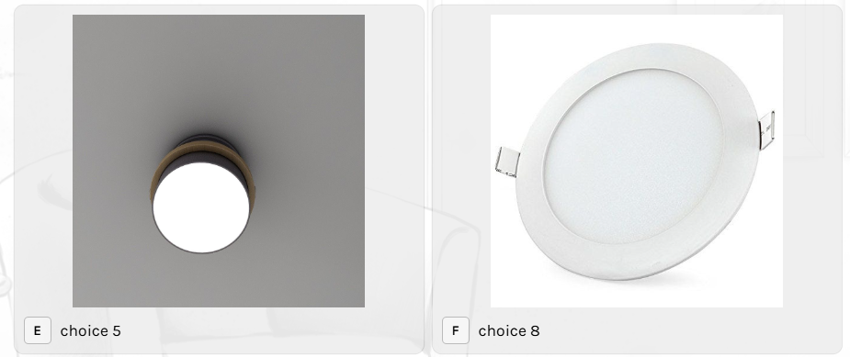

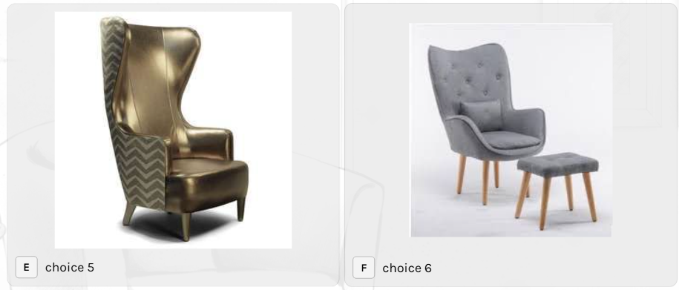

 |  |  |  |  |  |  |  |  |  |  | (g) Table lamp

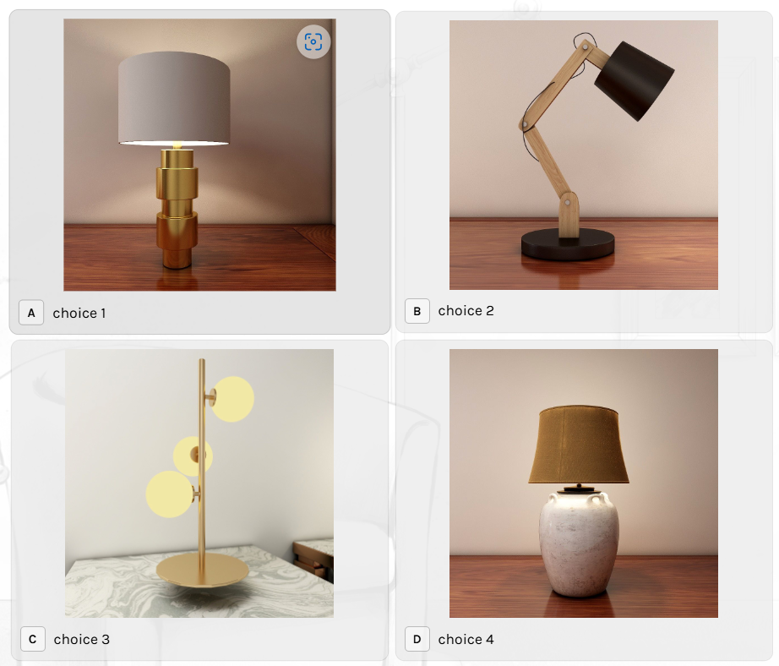

 |  |  | (g) Recamier or divan

