Sheet1
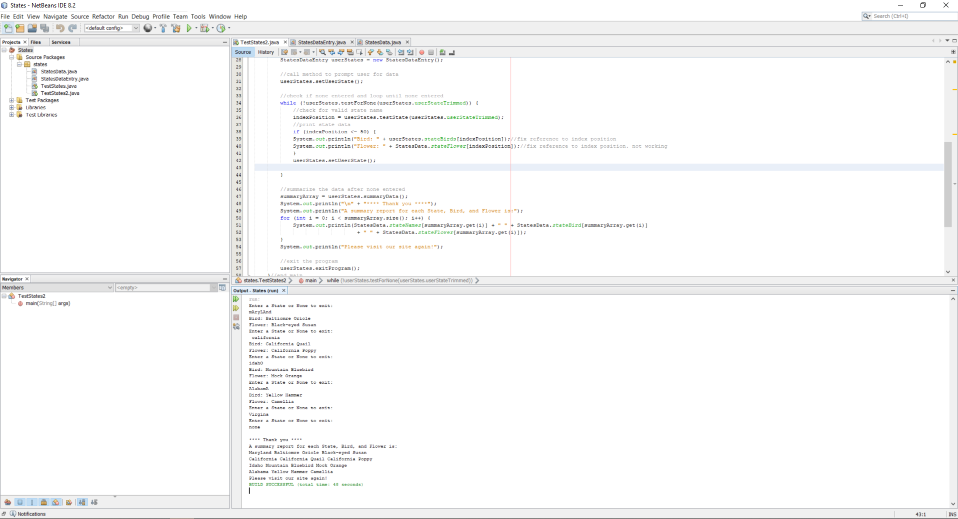
data set | Expected Output | Actual Output | Pass?
"mAryLAnd " | Bird: Balitmore Oriole | Bird: Balitmore Oriole | Yes
 | Flower: Black-Eyed Susan | Flower: Black-Eyed Susan | Yes
" california" | Bird: California Quail | Bird: California Quail | Yes
 | Flower: California Poppy | Flower: California Poppy | Yes
"idahO" | Bird: Mountain Bluebird | Bird: Mountain Bluebird | Yes
 | Flower: Mock Orange | Flower: Mock Orange | Yes
"AlabamA" | Bird: Yellow Hammer | Bird: Yellow Hammer | Yes
 | Flower: Camellia | Flower: Camellia | Yes
"Virgina" | (no output, user prompted again because state name is misspelled) |  | Yes
 | Enter a State or None to exit: | Enter a State or None to exit: | Yes
"none" | **** Thank you **** | **** Thank you **** | Yes
 | A summary report for each State, Bird, and Flower is: | A summary report for each State, Bird, and Flower is: | Yes
 | Maryland Baltimore Oriole Black-Eyed Susan | Maryland Baltimore Oriole Black-Eyed Susan | Yes
 | California California Quail California Poppy | California California Quail California Poppy | Yes
 | Idaho Mountain Bluebird Mock Orange | Idaho Mountain Bluebird Mock Orange | Yes
 | Alabama Yellow Hammer Calellia | Alabama Yellow Hammer Calellia | Yes
 | Please visit our site again! | Please visit our site again! | Yes

