Sheet1
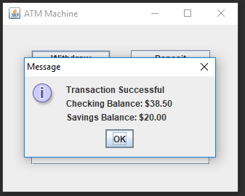
Screen Capture At Launch |  | Passed |  | Withdraw "asfd" | Error Handled | Passed | Withdraw "12" | Error Handled | Passed
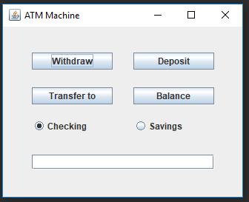
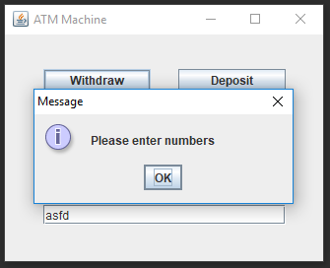
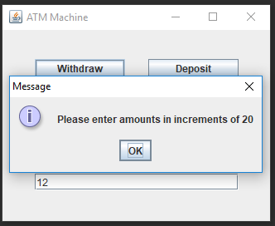

Withdraw "-20" | Error Handled |  | Passed | Withdraw "20" Checking |  | Passed | Withdraw "20" Savings |  | Passed
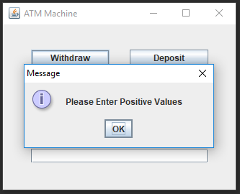
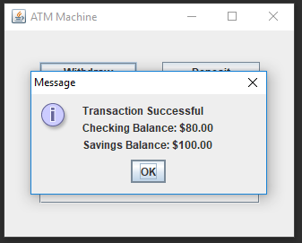
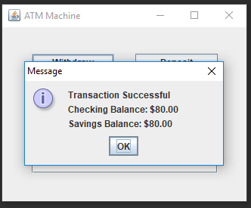

Deposit "20" Savings |  |  | Passed | Deposit "20" Checking |  | Passed | Transfer "100" to Checking |  | Passed
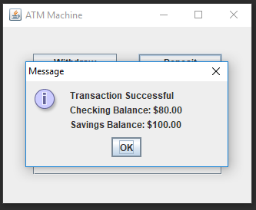
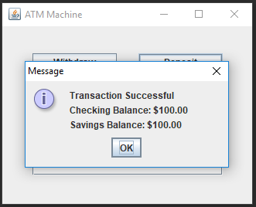
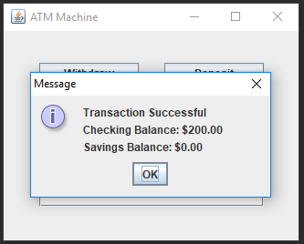

Withdraw "20" Savings |  |  | Passed | Check Balance Savings |  | Passed | Check Balance Checking |  | Passed
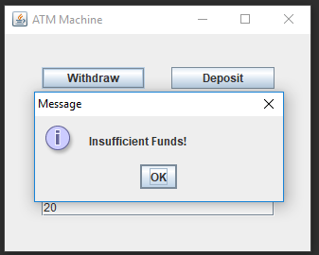
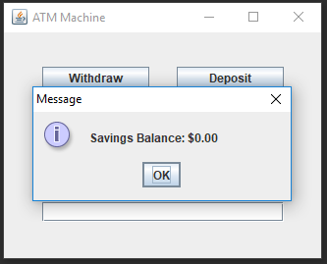
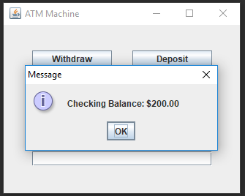

Withdraw "40" Checking |  |  | Passed | Transfer "60" to Savings |  | Passed | Withdraw "40" Savings |  | Passed
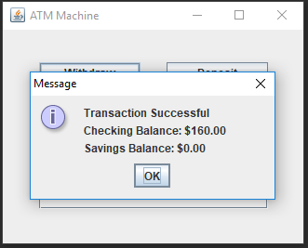
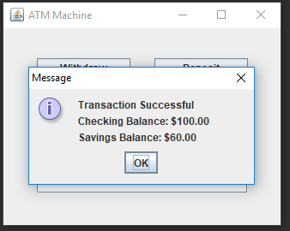
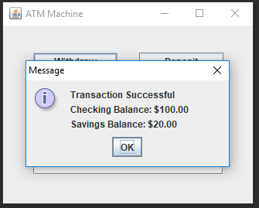

Withdraw "60" Checking |  | $1.50 FEE | Passed

