Sheet1
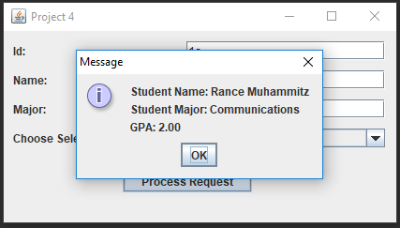
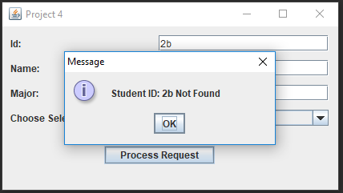
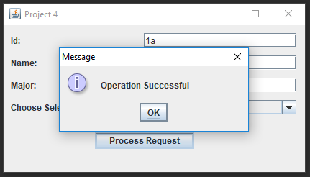
Running |  |  | Passed | Insert | Id: (blank) |  |  | Passed | Insert | Name: (blank) | Passed
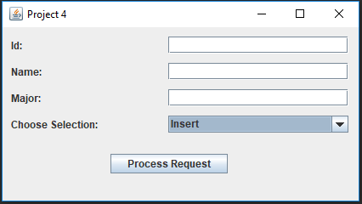
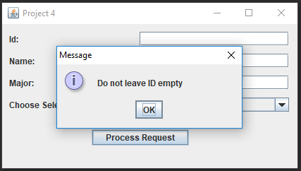
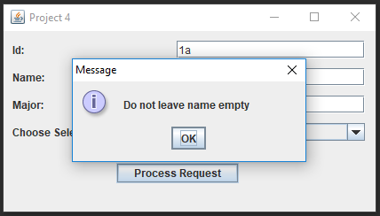

Insert | Major: (blank) |  | Passed | Insert | 1a, Rance Muhhamitz, Communications |  |  | Passed | Find | 2b | Passed
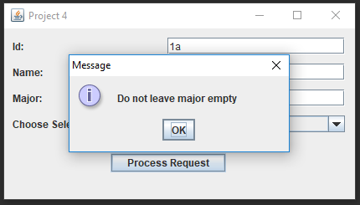


Find | 1a |  | Passed | Insert | 1a |  |  | Passed | Update | 2b | Passed
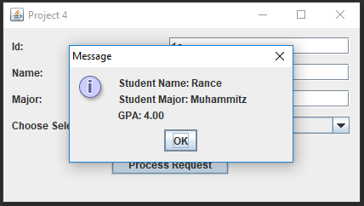


Udate | 1a | grade: C | Passed | Update | 1a | credit: 4 |  | Passed | Update | 1a | Passed
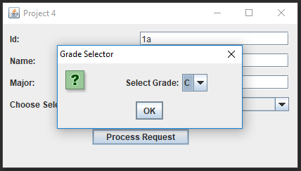
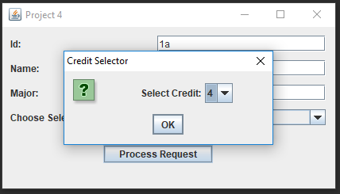

Find | 1a |  | Passed | Delete | 2b |  | Not Found | Passed | Delete | 2b | Passed

