Sheet1
nValue=null | Error Handled | Passed | nValue = -1 |  | Error Handled |  | Passed | nValue = asdf | Error Handled | Passed
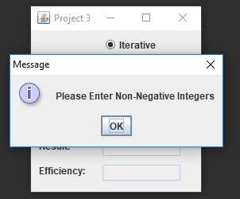

nValue = 0 iterative | Passed | nValue = 0 recursive |  | Passed |  | nValue = 1 iterative |  | Passed | nValue=1 recursive | Passed
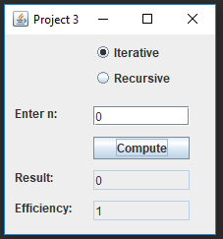
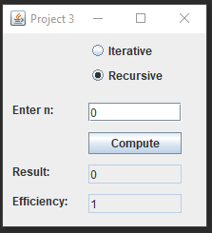



nValue=5 iterative | Passed | nValue=5 recursive |  | Passed

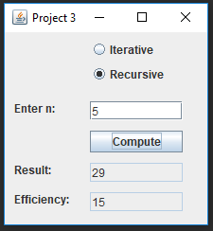

In my efficiency chart you can the orange "Series 1" line represents the iterative method while the grey "Series 2" line represents recursion.
You can clearly see that the iterative method is much more efficient, but with a more efficient recursion method I'm sure the difference
between the two could be much closer.
Efficiency Chart
 | 1 | 1
 | 1 | 3
 | 2 | 5
 | 3 | 9
 | 4 | 15
 | 5 | 25
 | 6 | 41
 | 7 | 67
 | 8 | 109
 | 9 | 177

