Vendite
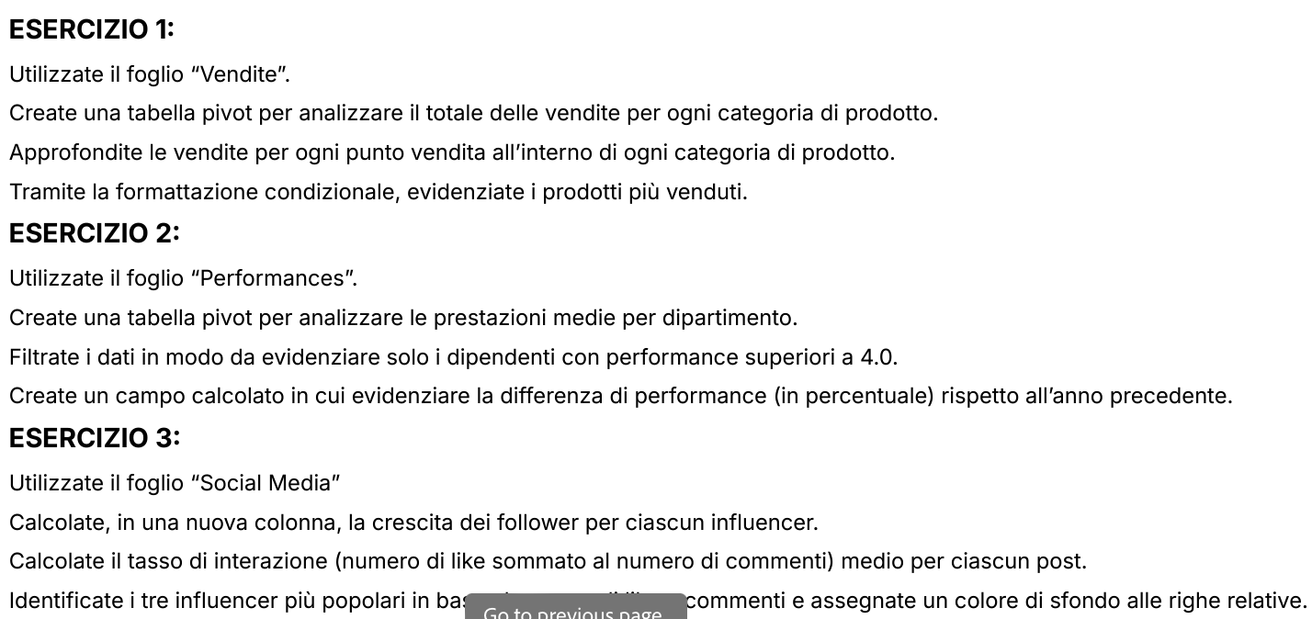
CATEGORIA PRODOTTO | PUNTO VENDITA | VENDITE
Laptop | PV001 | 50,000€
Smartphone | PV002 | 30,000€
Tablet | PV003 | 25,000€
Mouse | PV004 | 15,000€
Laptop | PV005 | 40,000€
Smartphone | PV006 | 35,000€
Monitor | PV007 | 20,000€
Keyboard | PV008 | 10,000€
Router | PV009 | 22,000€
Laptop | PV010 | 38,000€
Mouse | PV001 | 12,000€
Smartphone | PV002 | 28,000€
Tablet | PV003 | 18,000€
Monitor | PV004 | 45,000€
Keyboard | PV005 | 8,000€
Router | PV006 | 32,000€
Laptop | PV007 | 28,000€
Mouse | PV008 | 42,000€
Smartphone | PV009 | 14,000€
Tablet | PV010 | 26,000€
Monitor | PV001 | 15,000€
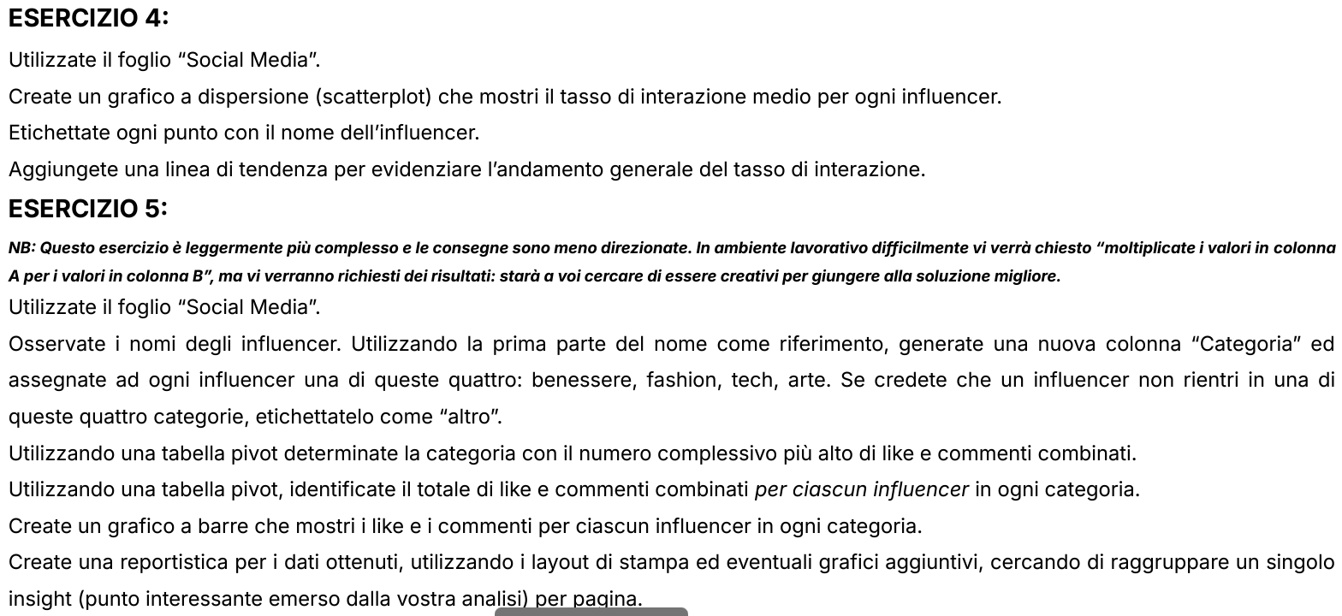
Keyboard | PV002 | 48,000€
Router | PV003 | 10,000€
Laptop | PV004 | 30,000€
Mouse | PV005 | 36,000€
Smartphone | PV006 | 16,000€
Tablet | PV007 | 38,000€
Monitor | PV008 | 26,000€
Keyboard | PV009 | 11,000€
Router | PV010 | 42,000€
Laptop | PV001 | 34,000€
Mouse | PV002 | 24,000€
Smartphone | PV003 | 13,000€
Tablet | PV004 | 49,000€
Monitor | PV005 | 24,000€
Keyboard | PV006 | 22,000€
Router | PV007 | 25,000€
Laptop | PV008 | 9,000€
Mouse | PV009 | 50,000€
Smartphone | PV010 | 40,000€
Tablet | PV001 | 21,000€
Monitor | PV002 | 11,000€
Keyboard | PV003 | 45,000€
Router | PV004 | 22,000€
Laptop | PV005 | 27,000€
Mouse | PV006 | 13,000€
Smartphone | PV007 | 36,000€
Tablet | PV008 | 29,000€
Monitor | PV009 | 52,000€
Keyboard | PV010 | 28,000€
Router | PV001 | 22,000€
Laptop | PV002 | 48,000€
Mouse | PV003 | 24,000€
Smartphone | PV004 | 27,000€
Tablet | PV005 | 17,000€
Monitor | PV006 | 46,000€
Keyboard | PV007 | 36,000€
Router | PV008 | 29,000€
Laptop | PV009 | 15,000€
Mouse | PV010 | 50,000€
Smartphone | PV001 | 48,000€
Tablet | PV002 | 24,000€
Monitor | PV003 | 28,000€
Keyboard | PV004 | 17,000€
Router | PV005 | 45,000€
Laptop | PV006 | 50,000€
Mouse | PV007 | 24,000€
Smartphone | PV008 | 27,000€
Tablet | PV009 | 19,000€
Monitor | PV010 | 28,000€
Keyboard | PV001 | 45,000€
Router | PV002 | 28,000€
Laptop | PV003 | 24,000€
Mouse | PV004 | 29,000€
Smartphone | PV005 | 22,000€
Tablet | PV006 | 49,000€
Monitor | PV007 | 45,000€
Keyboard | PV008 | 50,000€
Router | PV009 | 28,000€
Laptop | PV010 | 45,000€
Mouse | PV001 | 40,000€
Smartphone | PV002 | 21,000€
Tablet | PV003 | 29,000€
Monitor | PV004 | 30,000€
Keyboard | PV005 | 24,000€
Router | PV006 | 26,000€

PivotSocial
Influencer | Somma di Follower Finali | % Interazione per Post | Influencer | Somma di Follower Finali | % Interazione per Post
DIYMaster | 24800 | 35.16% | DIYMaster | 24800 | 35.16%
AdventureJunkie | 27500 | 34.58% | AdventureJunkie | 27500 | 34.58%
ArtAficionado | 30500 | 34.17% | ArtAficionado | 30500 | 34.17%
ChefExtraordinaire | 27500 | 33.30% | ChefExtraordinaire | 27500 | 33.30%
PetWhisperer | 35000 | 32.92% | PetWhisperer | 35000 | 32.92%
WellnessGuru | 57000 | 10.63% | WellnessGuru | 57000 | 10.63%
TrendyTraveler | 64300 | 9.23% | TrendyTraveler | 64300 | 9.23%
AdventureSeeker | 24500 | 5.87% | AdventureSeeker | 24500 | 5.87%
FitnessFiesta | 30300 | 5.28% | FitnessFiesta | 30300 | 5.28%
TrendyTechie | 11800 | 4.74% | TrendyTechie | 11800 | 4.74%
FoodieDelight | 63000 | 4.70% | FoodieDelight | 63000 | 4.70%
MusicMaestro | 16500 | 4.49% | MusicMaestro | 16500 | 4.49%
NatureExplorer | 14500 | 4.49% | NatureExplorer | 14500 | 4.49%
HealthyLiving | 21200 | 4.43% | HealthyLiving | 21200 | 4.43%
MovieBuff | 41300 | 4.29% | MovieBuff | 41300 | 4.29%
BeautyInBlue | 13500 | 4.27% | BeautyInBlue | 13500 | 4.27%
ArtInspiration | 26800 | 4.27% | ArtInspiration | 26800 | 4.27%
TravelNomad | 15500 | 4.18% | TravelNomad | 15500 | 4.18%
TrendSetter | 47700 | 4.17% | TrendSetter | 47700 | 4.17%
NatureLover | 18500 | 4.17% | NatureLover | 18500 | 4.17%
MovieCritic | 17500 | 4.17% | MovieCritic | 17500 | 4.17%
WellnessPro | 42300 | 4.07% | WellnessPro | 42300 | 4.07%
BookLover | 42300 | 3.96% | BookLover | 42300 | 3.96%
HomeDecorPro | 9500 | 3.95% | HomeDecorPro | 9500 | 3.95%
StyleIcon | 21500 | 3.92% | StyleIcon | 21500 | 3.92%
MusicSensation | 54000 | 3.85% | MusicSensation | 54000 | 3.85%
OutdoorExplorer | 23200 | 3.79% | OutdoorExplorer | 23200 | 3.79%
ArtisticSoul | 25500 | 3.77% | ArtisticSoul | 25500 | 3.77%
TechJunkie | 28000 | 3.74% | TechJunkie | 28000 | 3.74%
MusicHarmony | 13200 | 3.67% | MusicHarmony | 13200 | 3.67%
Fashionista | 12500 | 3.64% | Fashionista | 12500 | 3.64%
FitnessFanatic | 43000 | 3.61% | FitnessFanatic | 43000 | 3.61%
CarEnthusiast | 26500 | 3.57% | CarEnthusiast | 26500 | 3.57%
TechEnthusiast | 19200 | 3.56% | TechEnthusiast | 19200 | 3.56%
GamerLegend | 18200 | 3.55% | GamerLegend | 18200 | 3.55%
FashionForward | 20200 | 3.53% | FashionForward | 20200 | 3.53%
BookWorm | 21500 | 3.35% | BookWorm | 21500 | 3.35%
TechGuru | 18200 | 3.27% | TechGuru | 18200 | 3.27%
TechSavvy | 22800 | 3.25% | TechSavvy | 22800 | 3.25%
BeautyQueen | 20500 | 3.22% | BeautyQueen | 20500 | 3.22%
FitnessFreak | 22800 | 3.06% | FitnessFreak | 22800 | 3.06%
FoodieLover | 14500 | 2.75% | FoodieLover | 14500 | 2.75%
Totale complessivo | 1148600 | 4.70%

PivotSocial2
Interazioni Totali
Etichette di riga | Somma di Interazione
Altro | 13340.8
AdventureJunkie | 101.2
AdventureSeeker | 545
BookLover | 1365
BookWorm | 925
CarEnthusiast | 980
ChefExtraordinaire | 111.1
DIYMaster | 91
FoodieDelight | 1640
FoodieLover | 655
MovieBuff | 1305
MovieCritic | 600
NatureExplorer | 490
NatureLover | 600
OutdoorExplorer | 870
PetWhisperer | 121.5
TravelNomad | 550
TrendSetter | 1535
TrendyTraveler | 856
Benessere | 6151
FitnessFanatic | 1580
FitnessFiesta | 815
FitnessFreak | 980
HealthyLiving | 655
WellnessGuru | 696
WellnessPro | 1425
Arte | 4961.2
ArtAficionado | 111.2
ArtInspiration | 820
ArtisticSoul | 875
HomeDecorPro | 380
MusicHarmony | 545
MusicMaestro | 490
MusicSensation | 1740
Tech | 4855
GamerLegend | 760
TechEnthusiast | 815
TechGuru | 765
TechJunkie | 1150
TechSavvy | 985
TrendyTechie | 380
Fashion | 3395
BeautyInBlue | 445
BeautyQueen | 870
FashionForward | 765
Fashionista | 550
StyleIcon | 765
Totale complessivo | 32703

