Data Summary
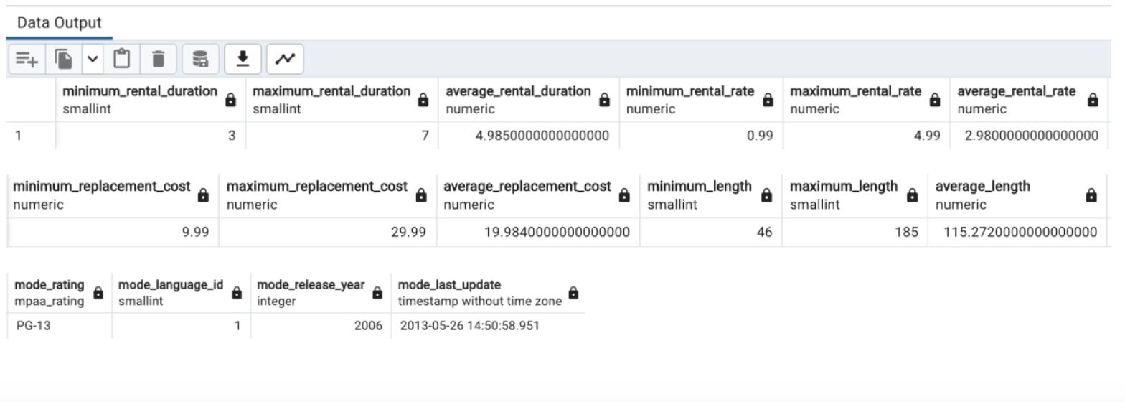
Slide 4 - Data Summary
/*Summary of film table data using SQL to calculate descriptive statistics including the minimum, maximum, and average values for numerical data; mode values for non-numerical data*/
SELECT
MIN(rental_duration) AS minimum_rental_duration,
MAX(rental_duration) AS maximum_rental_duration,
AVG(rental_duration) AS average_rental_duration,
MIN(rental_rate) AS minimum_rental_rate,
MAX(rental_rate) AS maximum_rental_rate,
AVG(rental_rate) AS average_rental_rate,
MIN(replacement_cost) AS minimum_replacement_cost,
MAX(replacement_cost) AS maximum_replacement_cost,
AVG(replacement_cost) AS average_replacement_cost,
MIN(length) AS minimum_length,
MAX(length) AS maximum_length,
AVG(length) AS average_length,
MODE() WITHIN GROUP (ORDER BY rating) AS mode_rating,
MODE() WITHIN GROUP (ORDER BY language_id) AS mode_language_id,
MODE() WITHIN GROUP (ORDER BY release_year) AS mode_release_year,
MODE() WITHIN GROUP (ORDER BY last_update) AS mode_last_update
FROM film

Popular Titles
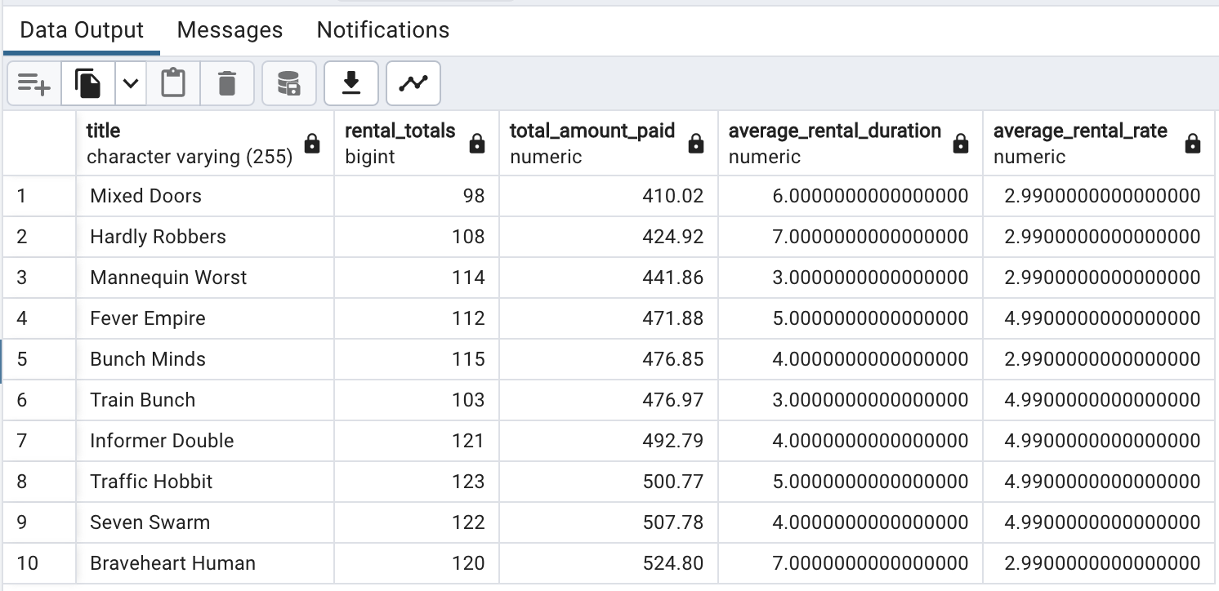
Slide 5 - Movie Titles with Most/Least Revenue Gains
/*Query to find the top 10 movie titles and rental duration*/
SELECT | A.title,
 | COUNT(C.rental_id) AS rental_totals,
 | SUM (amount) AS total_amount_paid,
 | AVG (rental_duration) AS average_rental_duration,
 | AVG (rental_rate) AS average_rental_rate
FROM film A
INNER JOIN inventory B ON A.film_id = B.film_id
INNER JOIN rental C ON B.inventory_id = C.inventory_id
INNER JOIN payment D ON C.customer_id = D.customer_id
GROUP BY A.title
ORDER BY SUM (amount) DESC
LIMIT 10

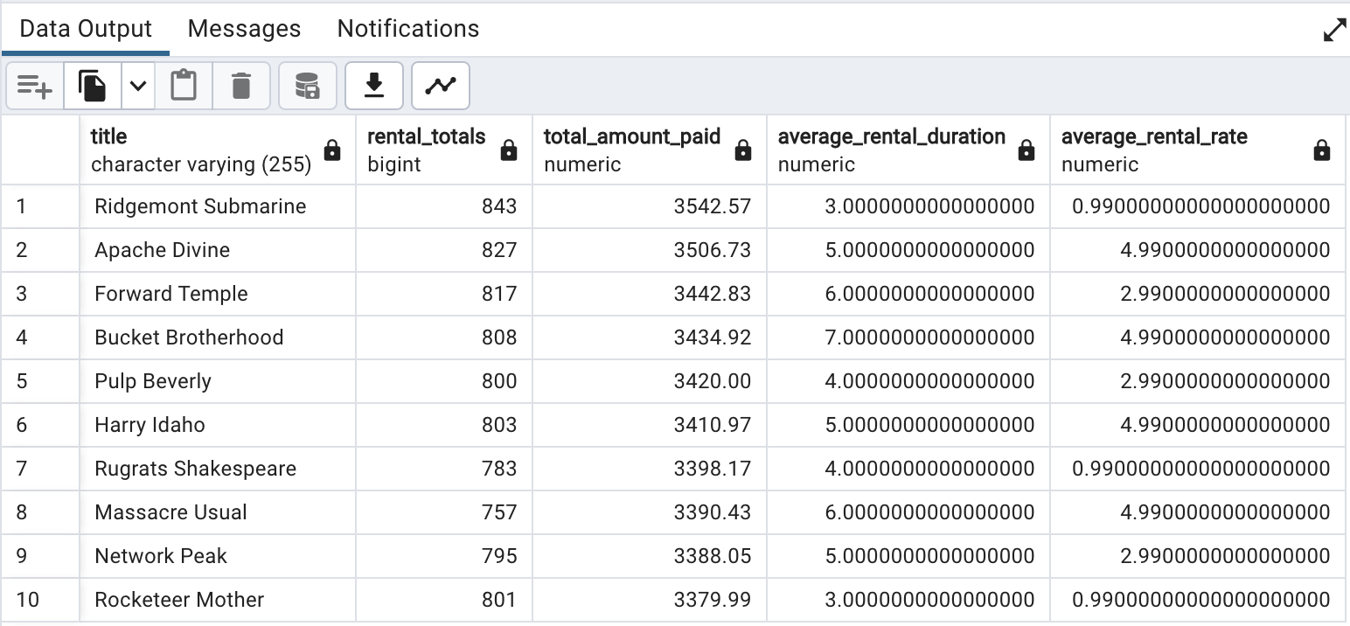

/*Query to find the bottom 10 movie titles, plus their rental duration and rate*/
SELECT | A.title,
 | COUNT(C.rental_id) AS rental_totals,
 | SUM (amount) AS total_amount_paid,
 | AVG (rental_duration) AS average_rental_duration,
 | AVG (rental_rate) AS average_rental_rate
FROM film A
INNER JOIN inventory B ON A.film_id = B.film_id
INNER JOIN rental C ON B.inventory_id = C.inventory_id
INNER JOIN payment D ON C.customer_id = D.customer_id
GROUP BY A.title
ORDER BY SUM (amount) ASC
LIMIT 10

Category Revenue
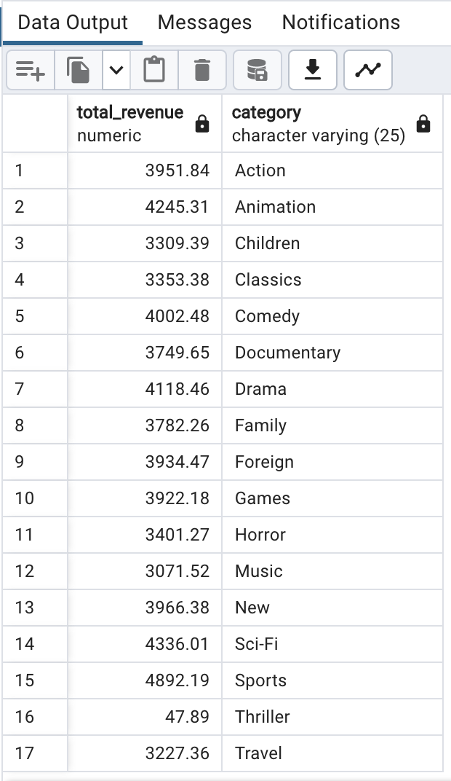
Slide 6 - Revenue by Category
/*Query to find revenue by category*/
SELECT SUM(pa.amount) AS total_revenue, ca.name AS category
FROM payment pa
JOIN rental re ON re.rental_id = pa.rental_id
JOIN inventory i ON i.inventory_id = re.inventory_id
JOIN film fi ON fi.film_id = i.film_id
JOIN film_category fc ON fc.film_id = fi.film_id
JOIN category ca ON ca.category_id = fc.category_id
GROUP BY ca.name
ORDER BY ca.name;

Customers based
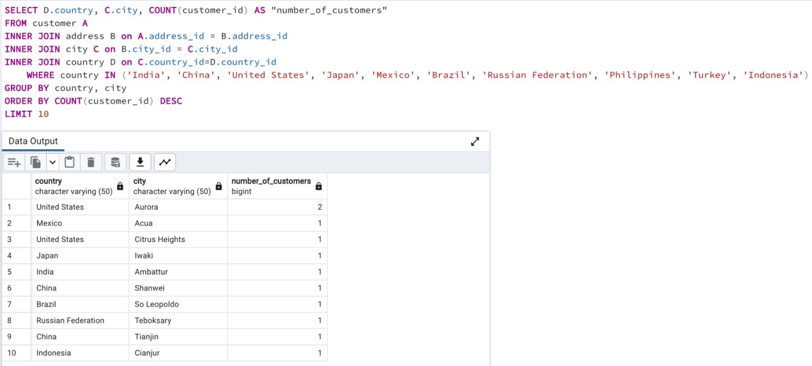
Slide 7 - Global Customers & Sales
/*Query to find the top 10 countries for Rockbuster in terms of customer numbers*/

SELECT D.country, COUNT(customer_id) AS "number_of_customer"
FROM customer A
INNER JOIN address B ON A.address_id = B.address_id
INNER JOIN city C ON B.city_id = C.city_id
INNER JOIN country D ON C.country_id = D.country_id
GROUP BY country
ORDER BY COUNT(customer_id) DESC
LIMIT 10

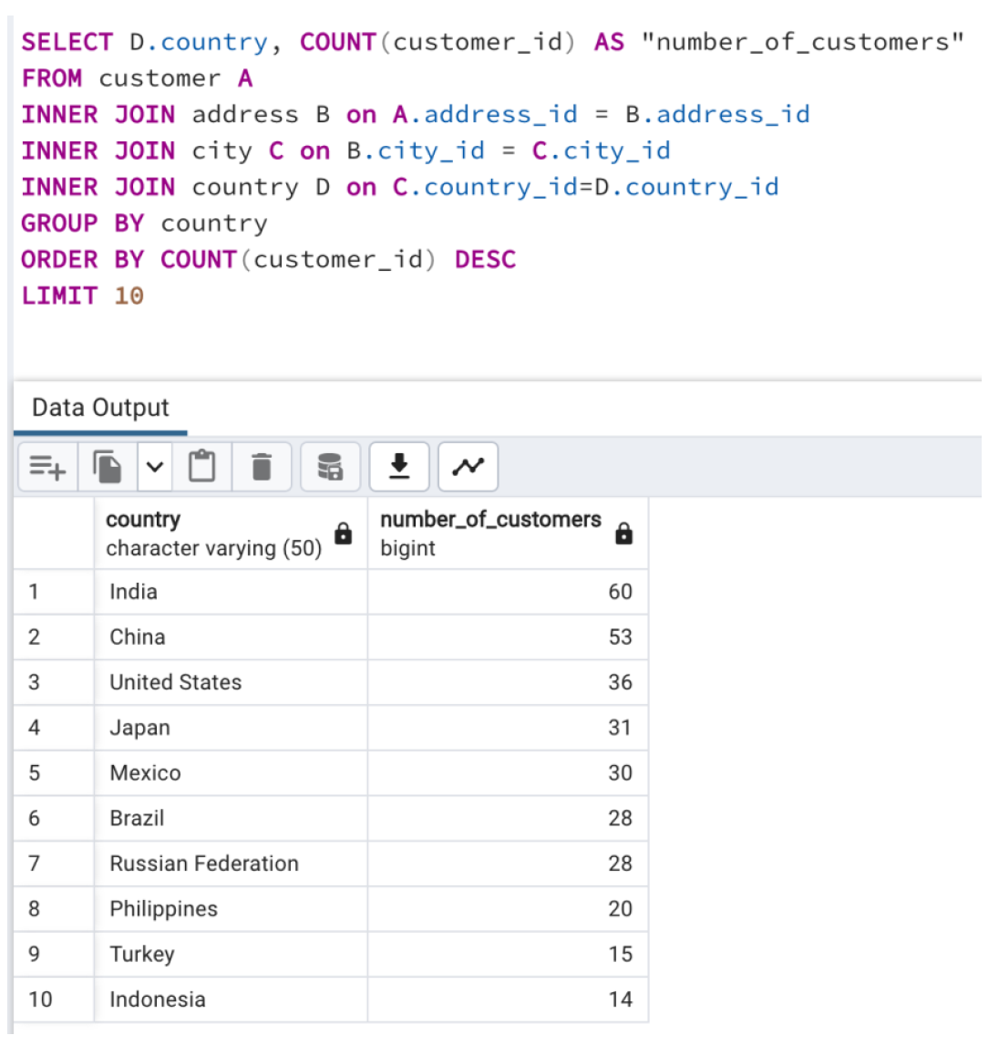

/*Query to find total number of Rockbuster customers, cities, countries*/
SELECT
 | COUNT(DISTINCT customer_id) AS count_customer,
 | COUNT(DISTINCT city) AS count_city,
 | COUNT(DISTINCT country) AS count_country
FROM customer A
 | INNER JOIN address B ON A.address_id = B.address_id
 | INNER JOIN city C ON B.city_id = C.city_id
 | INNER JOIN country D ON C.country_id = D.country_id
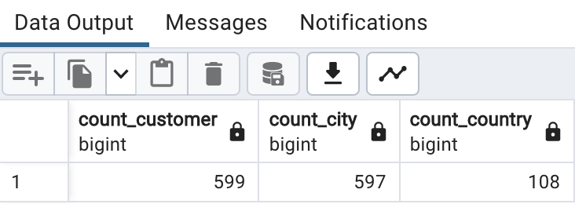

/*Query to find the top 10 cities within the top 10 countries identified previously*/
SELECT D.country, COUNT(customer_id) AS "number_of_customer"
FROM customer A
INNER JOIN address B ON A.address_id = B.address_id
INNER JOIN city C ON B.city_id = C.city_id
INNER JOIN country D ON C.country_id = D.country_id
 | WHERE country IN('India', 'United States', 'Japan', 'Mexico', 'Brazil', 'Russian Federation', 'Philippines', 'Turkey', 'Indonesia')
GROUP BY country, city
ORDER BY COUNT(customer_id) DESC
LIMIT 10

Top customers
Slide 8 - Top Customers
/*Query to find the top 5 customers within the previously identified top 10 cities who have paid the highest total amounts to Rockbuster*/
SELECT A.customer_id,
 | A.first_name AS "customer_first_name",
 | A.last_name AS "customer_last_name",
 | C.city,
 | D.country,
 | SUM(E.amount) AS "total_amount_paid"
FROM customer A
INNER JOIN address B ON A.address_id = B.address_id
INNER JOIN city C ON B.city_id = C.city_id
INNER JOIN country D ON C.country_id = D.country_id
INNER JOIN payment E ON A.customer_id = E.customer_id
WHERE city IN('Aurora', 'Acua', 'Citrus Heights', 'Iwaki', 'Ambattur', 'Shanwei', 'So Leopoldo', 'Teboksary', 'Tianjin', 'Cianjur')
GROUP BY A.customer_id, first_name, last_name, city, country
ORDER BY "total_amount_paid" DESC
LIMIT 5

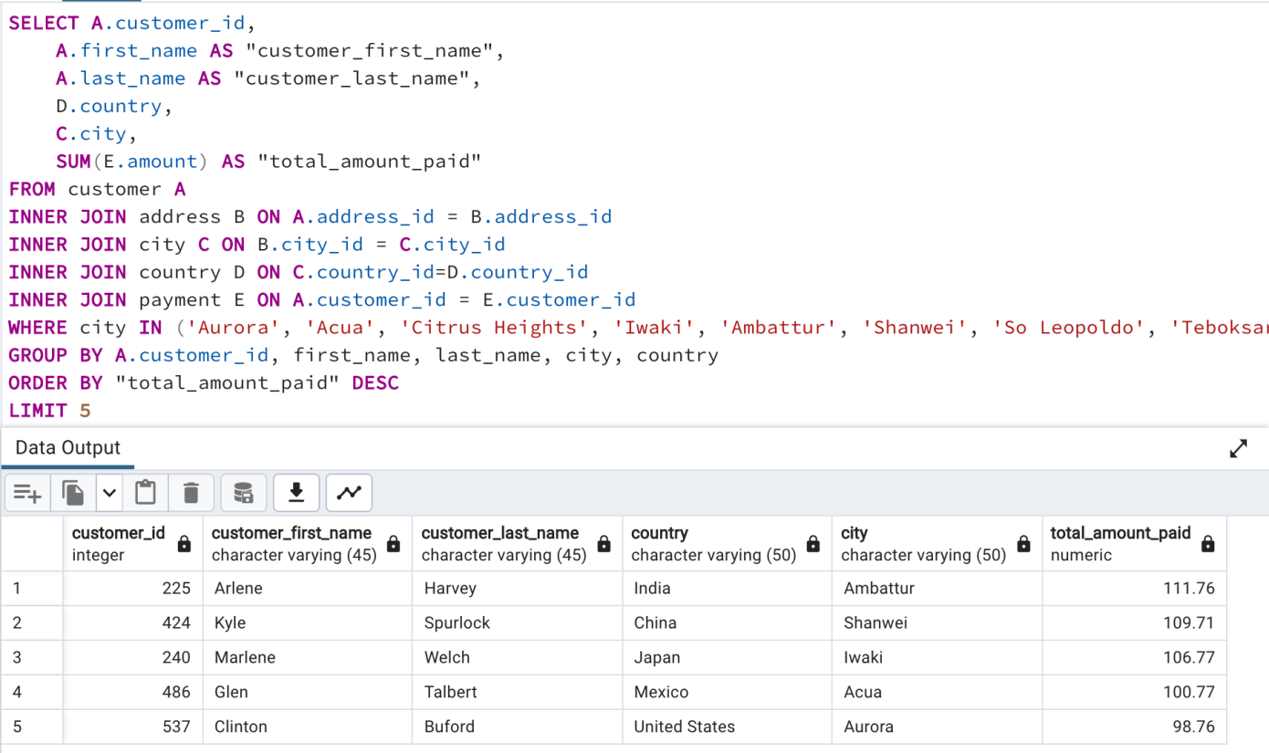

/*Query to find the top 5 customers who have paid the highest total amounts to Rockbuster*/
SELECT A.customer_id,
 | A.first_name AS "customer_first_name",
 | A.last_name AS "customer_last_name",
 | C.city,
 | D.country,
 | SUM(E.amount) AS "total_amount_paid"
FROM customer A
 | INNER JOIN address B ON A.address_id = B.address_id
 | INNER JOIN city C ON B.city_id = C.city_id
 | INNER JOIN country D ON C.country_id = D.country_id
 | INNER JOIN payment E ON A.customer_id = E.customer_id
GROUP BY A.customer_id, first_name, last_name, city, country
ORDER BY "total_amount_paid" DESC
LIMIT 5

