IV Curve
 | I (uA) | P (uW)
0.628 | 833 | 523.124
3.762 | 789 | 2968.218
16.44 | 767 | 12609.48
32.43 | 720 | 23349.6
51.84 | 523 | 27112.32
67.3 | 67.9 | 4569.67
67.7 | 45.5 | 3080.35
68 | 31 | 2108
68.2 | 17.5 | 1193.5
68.3 | 12.2 | 833.26
68.3 | 6.8 | 464.44
68.4 | 0 | 0
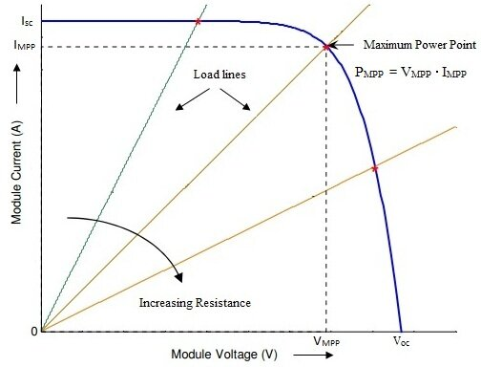
about | 650 lux
Res 47R to 10M
res | V (V) | I (uA) | P (uW) | Rload

 | 0.628 | 833 | 523.124
 | 3.762 | 789 | 2968.218
 | 16.44 | 767 | 12609.48
 | 32.43 | 720 | 23349.6
 | 51.84 | 523 | 27112.32
 | 67.3 | 67.9 | 4569.67
 | 67.7 | 45.5 | 3080.35
 | 68 | 31 | 2108
 | 68.2 | 17.5 | 1193.5
 | 68.3 | 12.2 | 833.26
 | 68.3 | 6.8 | 464.44
 | 68.4 | 0 | 0

 | Rin = Rout/d^2

 | Optimum LTC3638 load resistance ~ 50 Ohm
 | Rin = 50/d^2

 | R = 50 |  |  |  | V = I*R
 |  |  |  |  | R = V/I
 |  |  |  |  | 1/R = I/V | MPPT | 17.872340426
 |  |  |  |  |  |  | 0.055952380952

Load Resistance
Supercapacitor Charging Current
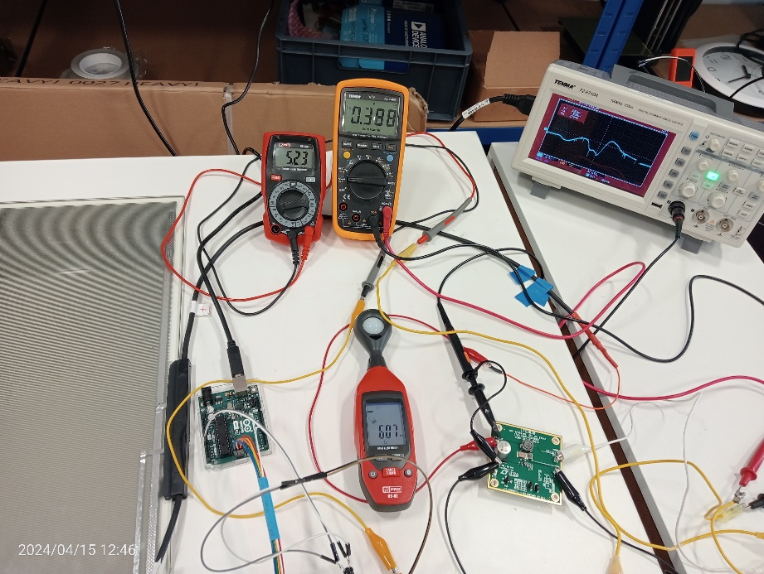
With Schottky diode
R (Ohm) | Schottky diode
330 | 1.5
100 | 3.76
82 | 4.27
75 | 4.44
68 | 4.69
56 | 5.2
51 | 5.44
47 | 5.37
33 | 0.74
0 | 0.78

Without Schottky diode
R(Ohm) | No diode
82 | 4.18
75 | 4.46
68 | 4.83
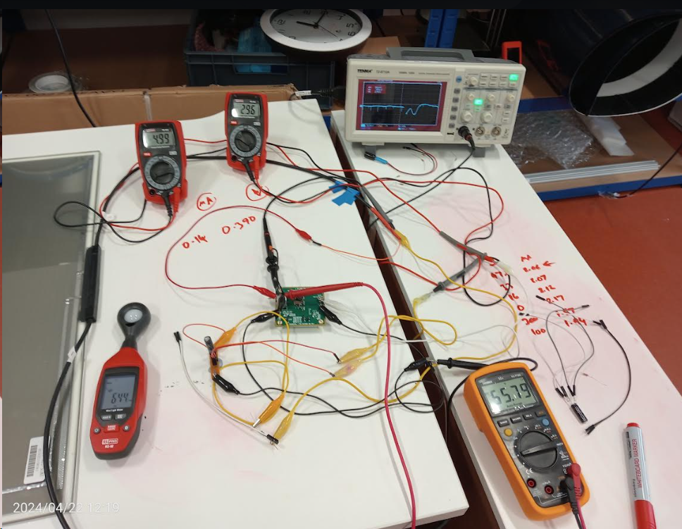
62 | 5.14
56 | 0.64
47 | 0.64
10 | 0.65
0 | 0.65

