Retail Sales MoM Excel
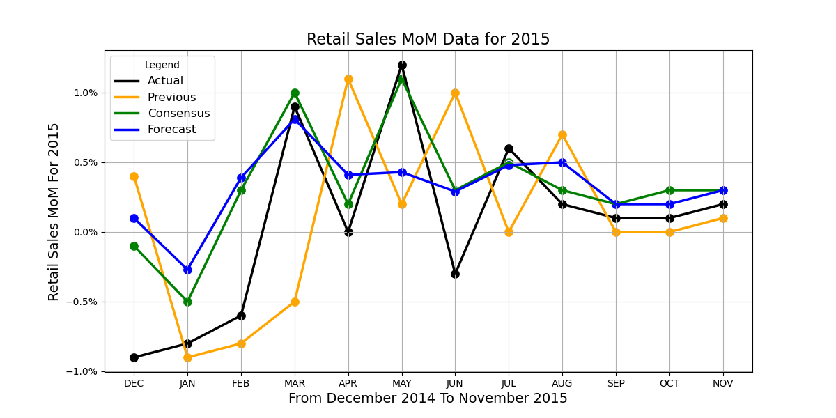
 | 2015 EVENTS | Actual | Previous | Consensus | Forecast
0 | Retail Sales MoM DEC | -0.90% | 0.40% | -0.10% | 0.10%
1 | Retail Sales MoM JAN | -0.80% | -0.90% | -0.50% | -0.27%
2 | Retail Sales MoM FEB | -0.60% | -0.80% | 0.30% | 0.39%
3 | Retail Sales MoM MAR | 0.90% | -0.50% | 1.00% | 0.81%
4 | Retail Sales MoM APR | 0.00% | 1.10% | 0.20% | 0.41%
5 | Retail Sales MoM MAY | 1.20% | 0.20% | 1.10% | 0.43%
6 | Retail Sales MoM JUN | -0.30% | 1.00% | 0.30% | 0.29%
7 | Retail Sales MoM JUL | 0.60% | 0.00% | 0.50% | 0.48%
8 | Retail Sales MoM AUG | 0.20% | 0.70% | 0.30% | 0.50%
9 | Retail Sales MoM SEP | 0.10% | 0.00% | 0.20% | 0.20%
10 | Retail Sales MoM OCT | 0.10% | 0.00% | 0.30% | 0.20%
11 | Retail Sales MoM NOV | 0.20% | 0.10% | 0.30% | 0.30%

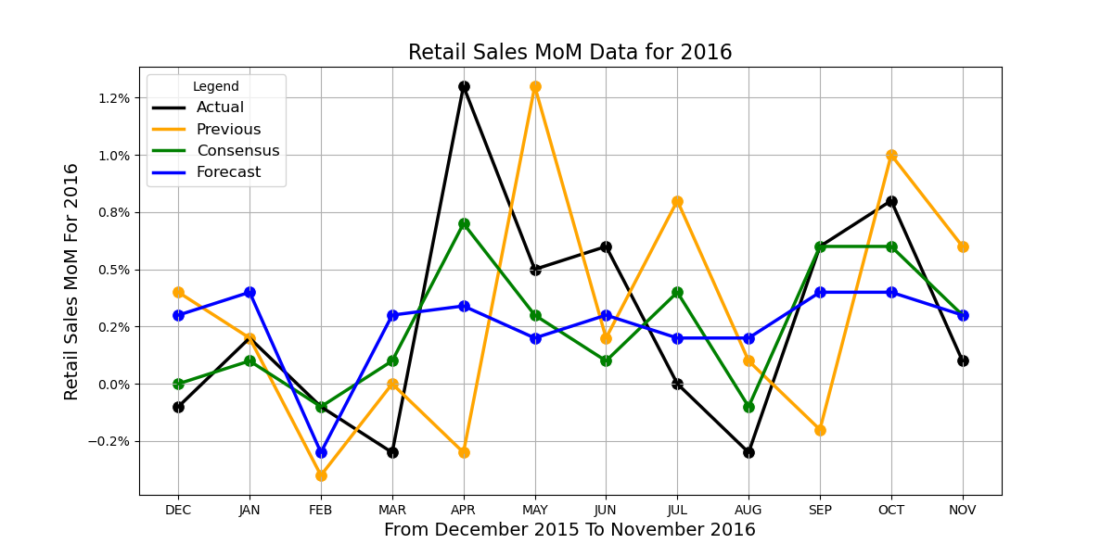
 | 2016 EVENTS | Actual | Previous | Consensus | Forecast
0 | Retail Sales MoM DEC | -0.10% | 0.40% | 0.00% | 0.30%
1 | Retail Sales MoM JAN | 0.20% | 0.20% | 0.10% | 0.40%
2 | Retail Sales MoM FEB | -0.10% | -0.40% | -0.10% | -0.30%
3 | Retail Sales MoM MAR | -0.30% | 0.00% | 0.10% | 0.30%
4 | Retail Sales MoM APR | 1.30% | -0.30% | 0.70% | 0.34%
5 | Retail Sales MoM MAY | 0.50% | 1.30% | 0.30% | 0.20%
6 | Retail Sales MoM JUN | 0.60% | 0.20% | 0.10% | 0.30%
7 | Retail Sales MoM JUL | 0.00% | 0.80% | 0.40% | 0.20%
8 | Retail Sales MoM AUG | -0.30% | 0.10% | -0.10% | 0.20%
9 | Retail Sales MoM SEP | 0.60% | -0.20% | 0.60% | 0.40%
10 | Retail Sales MoM OCT | 0.80% | 1.00% | 0.60% | 0.40%
11 | Retail Sales MoM NOV | 0.10% | 0.60% | 0.30% | 0.30%

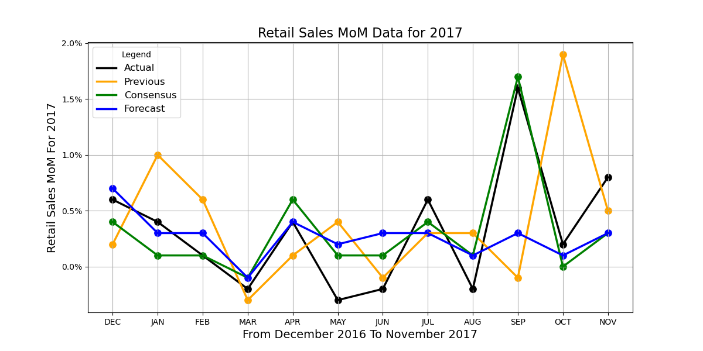
 | 2017 EVENTS | Actual | Previous | Consensus | Forecast
0 | Retail Sales MoM DEC | 0.60% | 0.20% | 0.40% | 0.70%
1 | Retail Sales MoM JAN | 0.40% | 1.00% | 0.10% | 0.30%
2 | Retail Sales MoM FEB | 0.10% | 0.60% | 0.10% | 0.30%
3 | Retail Sales MoM MAR | -0.20% | -0.30% | -0.10% | -0.10%
4 | Retail Sales MoM APR | 0.40% | 0.10% | 0.60% | 0.40%
5 | Retail Sales MoM MAY | -0.30% | 0.40% | 0.10% | 0.20%
6 | Retail Sales MoM JUN | -0.20% | -0.10% | 0.10% | 0.30%
7 | Retail Sales MoM JUL | 0.60% | 0.30% | 0.40% | 0.30%
8 | Retail Sales MoM AUG | -0.20% | 0.30% | 0.10% | 0.10%
9 | Retail Sales MoM SEP | 1.60% | -0.10% | 1.70% | 0.30%
10 | Retail Sales MoM OCT | 0.20% | 1.90% | 0.00% | 0.10%
11 | Retail Sales MoM NOV | 0.80% | 0.50% | 0.30% | 0.30%

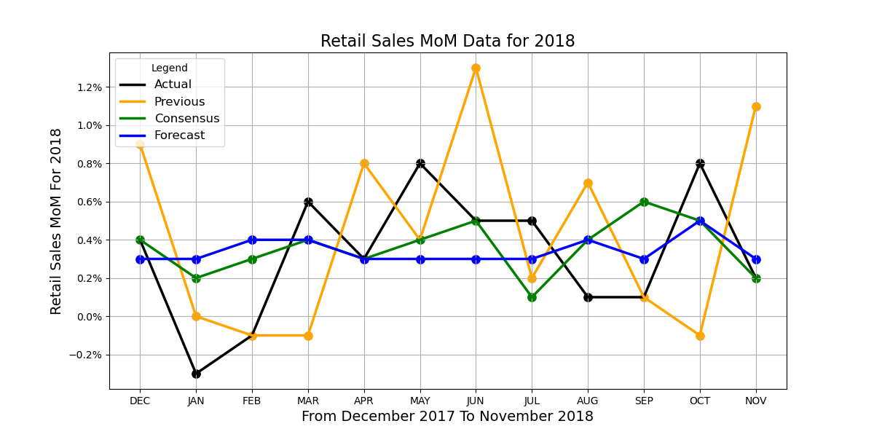
 | 2018 EVENTS | Actual | Previous | Consensus | Forecast
0 | Retail Sales MoM DEC | 0.40% | 0.90% | 0.40% | 0.30%
1 | Retail Sales MoM JAN | -0.30% | 0.00% | 0.20% | 0.30%
2 | Retail Sales MoM FEB | -0.10% | -0.10% | 0.30% | 0.40%
3 | Retail Sales MoM MAR | 0.60% | -0.10% | 0.40% | 0.40%
4 | Retail Sales MoM APR | 0.30% | 0.80% | 0.30% | 0.30%
5 | Retail Sales MoM MAY | 0.80% | 0.40% | 0.40% | 0.30%
6 | Retail Sales MoM JUN | 0.50% | 1.30% | 0.50% | 0.30%
7 | Retail Sales MoM JUL | 0.50% | 0.20% | 0.10% | 0.30%
8 | Retail Sales MoM AUG | 0.10% | 0.70% | 0.40% | 0.40%
9 | Retail Sales MoM SEP | 0.10% | 0.10% | 0.60% | 0.30%
10 | Retail Sales MoM OCT | 0.80% | -0.10% | 0.50% | 0.50%
11 | Retail Sales MoM NOV | 0.20% | 1.10% | 0.20% | 0.30%

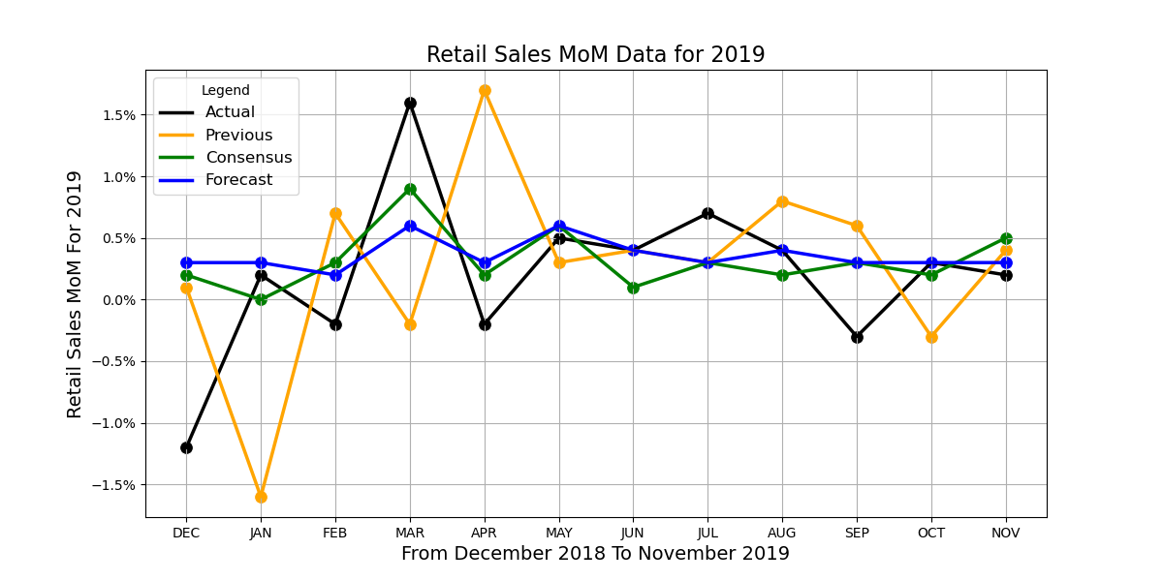
 | 2019 EVENTS | Actual | Previous | Consensus | Forecast
0 | Retail Sales MoM DEC | -1.20% | 0.10% | 0.20% | 0.30%
1 | Retail Sales MoM JAN | 0.20% | -1.60% | 0.00% | 0.30%
2 | Retail Sales MoM FEB | -0.20% | 0.70% | 0.30% | 0.20%
3 | Retail Sales MoM MAR | 1.60% | -0.20% | 0.90% | 0.60%
4 | Retail Sales MoM APR | -0.20% | 1.70% | 0.20% | 0.30%
5 | Retail Sales MoM MAY | 0.50% | 0.30% | 0.60% | 0.60%
6 | Retail Sales MoM JUN | 0.40% | 0.40% | 0.10% | 0.40%
7 | Retail Sales MoM JUL | 0.70% | 0.30% | 0.30% | 0.30%
8 | Retail Sales MoM AUG | 0.40% | 0.80% | 0.20% | 0.40%
9 | Retail Sales MoM SEP | -0.30% | 0.60% | 0.30% | 0.30%
10 | Retail Sales MoM OCT | 0.30% | -0.30% | 0.20% | 0.30%
11 | Retail Sales MoM NOV | 0.20% | 0.40% | 0.50% | 0.30%

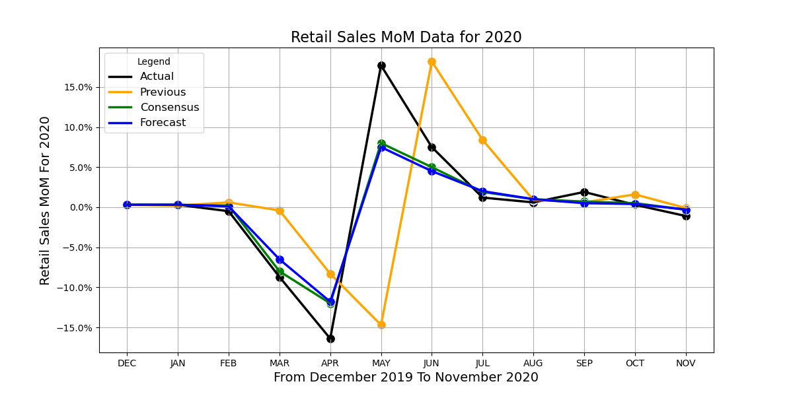
 | 2020 EVENTS | Actual | Previous | Consensus | Forecast
0 | Retail Sales MoM DEC | 0.30% | 0.30% | 0.30% | 0.30%
1 | Retail Sales MoM JAN | 0.30% | 0.20% | 0.30% | 0.30%
2 | Retail Sales MoM FEB | -0.50% | 0.60% | 0.20% | 0.10%
3 | Retail Sales MoM MAR | -8.70% | -0.40% | -8.00% | -6.50%
4 | Retail Sales MoM APR | -16.40% | -8.30% | -12.00% | -11.80%
5 | Retail Sales MoM MAY | 17.70% | -14.70% | 8.00% | 7.50%
6 | Retail Sales MoM JUN | 7.50% | 18.20% | 5.00% | 4.50%
7 | Retail Sales MoM JUL | 1.20% | 8.40% | 1.90% | 2.00%
8 | Retail Sales MoM AUG | 0.60% | 0.90% | 1.00% | 1.00%
9 | Retail Sales MoM SEP | 1.90% | 0.60% | 0.70% | 0.50%
10 | Retail Sales MoM OCT | 0.30% | 1.60% | 0.50% | 0.40%
11 | Retail Sales MoM NOV | -1.10% | -0.10% | -0.30% | -0.30%

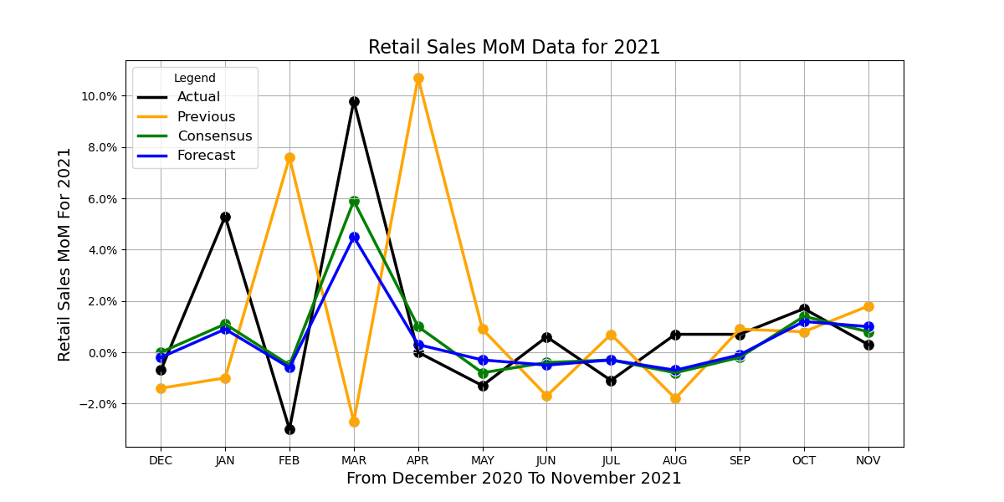
 | 2021 EVENTS | Actual | Previous | Consensus | Forecast
0 | Retail Sales MoM DEC | -0.70% | -1.40% | 0.00% | -0.20%
1 | Retail Sales MoM JAN | 5.30% | -1.00% | 1.10% | 0.90%
2 | Retail Sales MoM FEB | -3.00% | 7.60% | -0.50% | -0.60%
3 | Retail Sales MoM MAR | 9.80% | -2.70% | 5.90% | 4.50%
4 | Retail Sales MoM APR | 0.00% | 10.70% | 1.00% | 0.30%
5 | Retail Sales MoM MAY | -1.30% | 0.90% | -0.80% | -0.30%
6 | Retail Sales MoM JUN | 0.60% | -1.70% | -0.40% | -0.50%
7 | Retail Sales MoM JUL | -1.10% | 0.70% | -0.30% | -0.30%
8 | Retail Sales MoM AUG | 0.70% | -1.80% | -0.80% | -0.70%
9 | Retail Sales MoM SEP | 0.70% | 0.90% | -0.20% | -0.10%
10 | Retail Sales MoM OCT | 1.70% | 0.80% | 1.40% | 1.20%
11 | Retail Sales MoM NOV | 0.30% | 1.80% | 0.80% | 1.00%

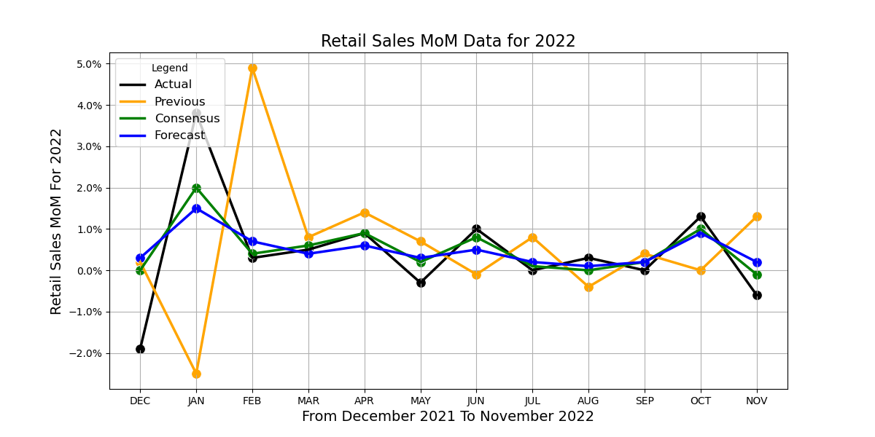
 | 2022 EVENTS | Actual | Previous | Consensus | Forecast
0 | Retail Sales MoM DEC | -1.90% | 0.20% | 0.00% | 0.30%
1 | Retail Sales MoM JAN | 3.80% | -2.50% | 2.00% | 1.50%
2 | Retail Sales MoM FEB | 0.30% | 4.90% | 0.40% | 0.70%
3 | Retail Sales MoM MAR | 0.50% | 0.80% | 0.60% | 0.40%
4 | Retail Sales MoM APR | 0.90% | 1.40% | 0.90% | 0.60%
5 | Retail Sales MoM MAY | -0.30% | 0.70% | 0.20% | 0.30%
6 | Retail Sales MoM JUN | 1.00% | -0.10% | 0.80% | 0.50%
7 | Retail Sales MoM JUL | 0.00% | 0.80% | 0.10% | 0.20%
8 | Retail Sales MoM AUG | 0.30% | -0.40% | 0.00% | 0.10%
9 | Retail Sales MoM SEP | 0.00% | 0.40% | 0.20% | 0.20%
10 | Retail Sales MoM OCT | 1.30% | 0.00% | 1.00% | 0.90%
11 | Retail Sales MoM NOV | -0.60% | 1.30% | -0.10% | 0.20%

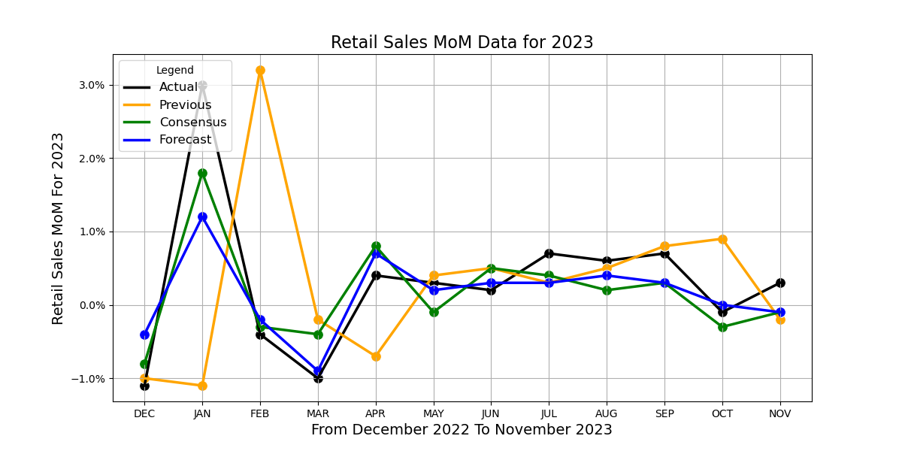
 | 2023 EVENTS | Actual | Previous | Consensus | Forecast
0 | Retail Sales MoM DEC | -1.10% | -1.00% | -0.80% | -0.40%
1 | Retail Sales MoM JAN | 3.00% | -1.10% | 1.80% | 1.20%
2 | Retail Sales MoM FEB | -0.40% | 3.20% | -0.30% | -0.20%
3 | Retail Sales MoM MAR | -1.00% | -0.20% | -0.40% | -0.90%
4 | Retail Sales MoM APR | 0.40% | -0.70% | 0.80% | 0.70%
5 | Retail Sales MoM MAY | 0.30% | 0.40% | -0.10% | 0.20%
6 | Retail Sales MoM JUN | 0.20% | 0.50% | 0.50% | 0.30%
7 | Retail Sales MoM JUL | 0.70% | 0.30% | 0.40% | 0.30%
8 | Retail Sales MoM AUG | 0.60% | 0.50% | 0.20% | 0.40%
9 | Retail Sales MoM SEP | 0.70% | 0.80% | 0.30% | 0.30%
10 | Retail Sales MoM OCT | -0.10% | 0.90% | -0.30% | 0.00%
11 | Retail Sales MoM NOV | 0.30% | -0.20% | -0.10% | -0.10%

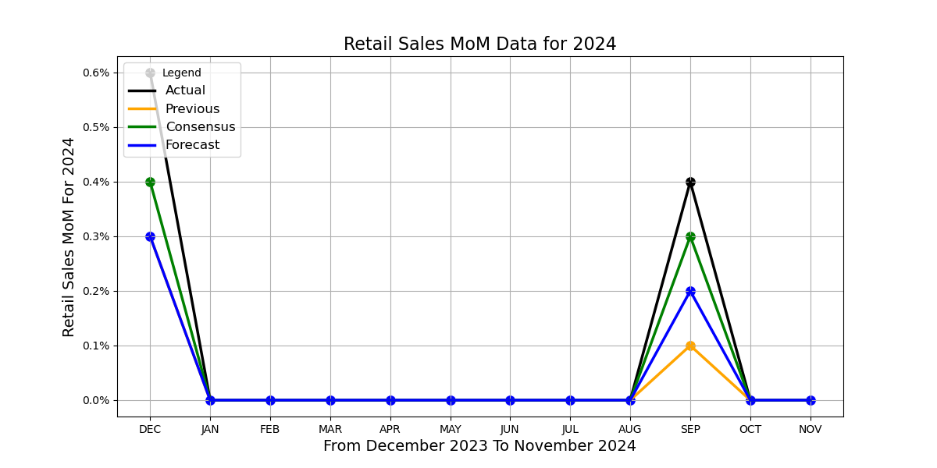
 | 2024 EVENTS | Actual | Previous | Consensus | Forecast
0 | Retail Sales MoM DEC | 0.60% | 0.30% | 0.40% | 0.30%
1 | Retail Sales MoM JAN | -0.80% | 0.40% | -0.10% | 0.30%
2 | Retail Sales MoM FEB | 0.60% | -1.10% | 0.80% | 0.50%
3 | Retail Sales MoM MAR | 0.70% | 0.90% | 0.30% | 0.40%
4 | Retail Sales MoM APR | 0.00% | 0.60% | 0.40% | 0.30%
5 | Retail Sales MoM MAY | 0.10% | -0.20% | 0.20% | 0.20%
6 | Retail Sales MoM JUN | 0.00% | 0.30% | 0.00% | 0.10%
7 | Retail Sales MoM JUL | 1.00% | -0.20% | 0.30% | 0.20%
8 | Retail Sales MoM AUG | 0.10% | 1.10% | -0.20% | -0.30%
9 | Retail Sales MoM SEP | 0.40% | 0.10% | 0.30% | 0.20%
10 | Retail Sales MoM OCT
11 | Retail Sales MoM NOV

