Raw data
SUPPLY CHAIN COMPANY

Objective :-
To determine the possible Root causes for Profit Variation in the Company
Define - Y | X Possible .. .Collected during Measure
Total Profit in Euros | Delivery Time | Location | Business Type | Service Used
3.4 | 11 | England | Commercial | Normal
3.99 | 3 | England | Commercial | Express
4.31 | 9 | England | Commercial | Normal
5.33 | 13 | France | Commercial | Overnight
3.84 | 8 | England | Commercial | Normal
2.82 | 5 | France | Residential | Express
2.97 | 1 | England | Residential | Express
3.92 | 10 | England | Residential | Normal
3.13 | 15 | France | Residential | Express
3.49 | 14 | France | Residential | Express
4.09 | 12 | England | Commercial | Normal
3.17 | 4 | France | Commercial | Overnight
3.94 | 15 | France | Commercial | Normal
4.12 | 7 | England | Commercial | Normal
4.65 | 6 | England | Commercial | Normal
3.57 | 12 | France | Residential | Express
3.34 | 5 | England | Residential | Express
3.21 | 9 | England | Residential | Express
2.22 | 3 | France | Residential | Express
3.66 | 6 | England | Residential | Express
4.49 | 11 | England | Commercial | Normal
4.68 | 13 | France | Commercial | Normal
3.44 | 14 | England | Commercial | Overnight
4.9 | 10 | France | Commercial | Normal
4.58 | 14 | England | Commercial | Normal
2.87 | 15 | France | Residential | Express
4.06 | 1 | England | Residential | Overnight
3.9 | 2 | England | Residential | Express
3.13 | 15 | England | Residential | Normal
3.28 | 14 | France | Residential | Express
4.36 | 15 | France | Commercial | Normal
3.05 | 6 | England | Commercial | Express
3.75 | 11 | France | Commercial | Normal
3.92 | 13 | England | Commercial | Normal
3.67 | 13 | France | Commercial | Overnight
2.99 | 11 | England | Residential | Express
3.34 | 11 | France | Residential | Express
3.29 | 8 | France | Residential | Normal
3.31 | 13 | France | Residential | Express
3.57 | 10 | England | Residential | Express
4.36 | 13 | England | Commercial | Normal
4.05 | 11 | England | Commercial | Normal
4.29 | 15 | England | Commercial | Normal
3.87 | 10 | France | Commercial | Normal
4.79 | 3 | England | Commercial | Normal
3.04 | 4 | France | Residential | Express
2.93 | 12 | France | Residential | Overnight
2.53 | 10 | England | Residential | Express
2.18 | 1 | France | Residential | Express
2.67 | 1 | England | Residential | Express
3.86 | 6 | England | Commercial | Normal
3.94 | 3 | France | Commercial | Normal
3.23 | 3 | France | Commercial | Normal
2.84 | 7 | England | Commercial | Express
3.92 | 10 | England | Commercial | Normal
2.94 | 8 | France | Residential | Express
4.23 | 10 | France | Residential | Overnight
3.34 | 11 | England | Residential | Express
3.27 | 10 | France | Residential | Normal
3.61 | 14 | France | Residential | Express
3.48 | 6 | England | Commercial | Normal
4.21 | 1 | France | Commercial | Normal
3.52 | 15 | England | Commercial | Normal
3.71 | 12 | France | Commercial | Normal
4.66 | 4 | France | Commercial | Normal
3.64 | 1 | France | Residential | Express
4.1 | 3 | England | Residential | Normal
3.45 | 13 | France | Residential | Normal
2.55 | 4 | England | Residential | Express
3.8 | 9 | England | Residential | Express
3.94 | 13 | England | Commercial | Normal
3.27 | 12 | England | Commercial | Normal
3.18 | 12 | France | Commercial | Normal
3.25 | 5 | England | Commercial | Overnight
4.35 | 13 | France | Commercial | Normal
3.34 | 10 | France | Residential | Express
2.51 | 7 | France | Residential | Express
3.69 | 4 | France | Residential | Express
1.98 | 2 | England | Residential | Express
2.98 | 6 | England | Residential | Overnight
3.77 | 7 | England | Commercial | Normal
3.88 | 9 | France | Commercial | Normal
4.38 | 8 | France | Commercial | Normal
3.9 | 2 | France | Commercial | Express
4.46 | 5 | England | Commercial | Normal
4.21 | 2 | England | Residential | Normal
3.69 | 4 | England | Residential | Express
2.2 | 14 | France | Residential | Express
3.32 | 6 | France | Residential | Normal
2.81 | 5 | France | Residential | Express
4.09 | 15 | France | Commercial | Normal
3.62 | 2 | France | Commercial | Express
4.09 | 7 | England | Commercial | Normal
4.27 | 2 | France | Commercial | Normal
4.29 | 11 | England | Commercial | Normal
3.03 | 10 | England | Residential | Express
3.69 | 11 | England | Residential | Express
3.82 | 12 | England | Residential | Overnight
3.32 | 14 | England | Residential | Express
3.12 | 2 | England | Residential | Express

Normality test
Total Profit in Euros | Delivery Time | Location | Business Type | Service Used
3.4 | 11 | England | Commercial | Normal
3.99 | 3 | England | Commercial | Express
4.31 | 9 | England | Commercial | Normal
5.33 |  | France | Commercial | Overnight
3.84 | 8 | England | Commercial | Normal
2.82 | 5 | France | Residential | Express
2.97 | 1 | England | Residential | Express
3.92 | 10 | England | Residential | Normal
3.13 | 15 | France | Residential | Express
3.49 | 14 | France | Residential | Express
4.09 | 12 | England | Commercial | Normal
3.17 |  | France | Commercial | Overnight
3.94 |  | France | Commercial | Normal
4.12 | 7 | England | Commercial | Normal
4.65 | 6 | England | Commercial | Normal
3.57 | 12 | France | Residential | Express
3.34 | 5 | England | Residential | Express
Tool used :- Minitab
Normality test:- Anderson Darling Test.
Result :- P value is more than 0.05 , hence the data is Normal.
Calculated p value = 0.912
3.21 | 9 | England | Residential | Express
2.22 | 3 | France | Residential | Express
3.66 | 6 | England | Residential | Express
4.49 | 11 | England | Commercial | Normal
4.68 |  | France | Commercial | Normal
3.44 | 14 | England | Commercial | Overnight
4.9 |  | France | Commercial | Normal
4.58 | 14 | England | Commercial | Normal
2.87 | 15 | France | Residential | Express
4.06 | 1 | England | Residential | Overnight
3.9 | 2 | England | Residential | Express
3.13 | 15 | England | Residential | Normal
3.28 | 14 | France | Residential | Express
4.36 |  | France | Commercial | Normal
3.05 | 6 | England | Commercial | Express
3.75 |  | France | Commercial | Normal
3.92 | 13 | England | Commercial | Normal
3.67 |  | France | Commercial | Overnight
2.99 | 11 | England | Residential | Express
3.34 | 11 | France | Residential | Express
3.29 | 8 | France | Residential | Normal
3.31 | 13 | France | Residential | Express
3.57 | 10 | England | Residential | Express
4.36 | 13 | England | Commercial | Normal
4.05 | 11 | England | Commercial | Normal
4.29 | 15 | England | Commercial | Normal
3.87 |  | France | Commercial | Normal
4.79 | 3 | England | Commercial | Normal
3.04 | 4 | France | Residential | Express
2.93 | 12 | France | Residential | Overnight
2.53 | 10 | England | Residential | Express
2.18 | 1 | France | Residential | Express
2.67 | 1 | England | Residential | Express
3.86 | 6 | England | Commercial | Normal
3.94 |  | France | Commercial | Normal
3.23 |  | France | Commercial | Normal
2.84 | 7 | England | Commercial | Express
3.92 | 10 | England | Commercial | Normal
2.94 | 8 | France | Residential | Express
4.23 | 10 | France | Residential | Overnight
3.34 | 11 | England | Residential | Express
3.27 | 10 | France | Residential | Normal
3.61 | 14 | France | Residential | Express
3.48 | 6 | England | Commercial | Normal
4.21 |  | France | Commercial | Normal
3.52 | 15 | England | Commercial | Normal
3.71 |  | France | Commercial | Normal
4.66 |  | France | Commercial | Normal
3.64 | 1 | France | Residential | Express
4.1 | 3 | England | Residential | Normal
3.45 | 13 | France | Residential | Normal
2.55 | 4 | England | Residential | Express
3.8 | 9 | England | Residential | Express
3.94 | 13 | England | Commercial | Normal
3.27 | 12 | England | Commercial | Normal
3.18 |  | France | Commercial | Normal
3.25 | 5 | England | Commercial | Overnight
4.35 |  | France | Commercial | Normal
3.34 | 10 | France | Residential | Express
2.51 | 7 | France | Residential | Express
3.69 | 4 | France | Residential | Express
1.98 | 2 | England | Residential | Express
2.98 | 6 | England | Residential | Overnight
3.77 | 7 | England | Commercial | Normal
3.88 |  | France | Commercial | Normal
4.38 |  | France | Commercial | Normal
3.9 |  | France | Commercial | Express
4.46 | 5 | England | Commercial | Normal
4.21 | 2 | England | Residential | Normal
3.69 | 4 | England | Residential | Express
2.2 | 14 | France | Residential | Express
3.32 | 6 | France | Residential | Normal
2.81 | 5 | France | Residential | Express
4.09 |  | France | Commercial | Normal
3.62 |  | France | Commercial | Express
4.09 | 7 | England | Commercial | Normal
4.27 |  | France | Commercial | Normal
4.29 | 11 | England | Commercial | Normal
3.03 | 10 | England | Residential | Express
3.69 | 11 | England | Residential | Express
3.82 | 12 | England | Residential | Overnight
3.32 | 14 | England | Residential | Express
3.12 | 2 | England | Residential | Express

RCA(Location)
Hypothesis Testing |  |  | Root Cause analysis for Location

Null Hypothesis ----> Location does not impact the profit
Alternate Hypothesis ----> Location impacts the profit

 | Profit/England | Profit/France |  | Null:- Avg Profit will be same
 | 3.4 | 5.33 |  | Null :- Confidence interval = 95%
 | 3.99 | 2.82 |  | Risk involved = 5%
 | 4.31 | 3.13 |  | P-value =0.05
 | 3.84 | 3.49
 | 2.97 | 3.17 |  | Alt:- Avg profit will not remain same as seen on the sample
 | 3.92 | 3.94
 | 4.09 | 3.57
 | 4.12 | 2.22 | Avg Profit England | 3.6535849057
 | 4.65 | 4.68
 | 3.34 | 4.9 | Avg Profit France | 3.5653191489
F-test 2 sample for Variances
Risk Involved
Null Hypothesis :- Var is equal 5% or 0.05 p-value
Alt Hypothesis :- Var is different 16% or 0.16 p-value
Result :- Fail to reject the Null Hypothesis
Conclusion :- Variances are equal
 | 3.21 | 2.87
 | 3.66 | 3.28 | F-Test Two-Sample for Variances
 | 4.49 | 4.36 |  | Profit/England | Profit/France
 | 3.44 | 3.75 | Mean | 3.6535849057 | 3.5653191489
 | 4.58 | 3.67 | Variance | 0.362254209 | 0.47906891767
 | 4.06 | 3.34 | Observations | 53 | 47
 | 3.9 | 3.29 | df | 52 | 46
 | 3.13 | 3.31 | F | 0.75616303968
 | 3.05 | 3.87 | P(F<=f) one-tail | 0.16391682061
 | 3.92 | 3.04 | F Critical one-tail | 0.6240841103
 | 2.99 | 2.93
 | 3.57 | 2.18
 | 4.36 | 3.94
 | 4.05 | 3.23
t-Test: Two-Sample Assuming Equal Variances
Risk Involved
Null Hypothesis :- Avg for profit in both location will remain Same. 5% or 0.05 p-value
Alt Hypothesis :- Avg for profit in both location will NOT remain Same. 49% or 0.49 p-value
Result :- Fail to reject the Null Hypothesis
Conclusion :- "Location" is NOT a root cause
 | 4.29 | 2.94 | t-Test: Two-Sample Assuming Equal Variances
 | 4.79 | 4.23 |  | Profit/England | Profit/France
 | 2.53 | 3.27 | Mean | 3.6535849057 | 3.5653191489
 | 2.67 | 3.61 | Variance | 0.362254209 | 0.47906891767
 | 3.86 | 4.21 | Observations | 53 | 47
 | 2.84 | 3.71 | Pooled Variance | 0.41708560286
 | 3.92 | 4.66 | Hypothesized Mean Difference | 0
 | 3.34 | 3.64 | df | 98
 | 3.48 | 3.45 | t Stat | 0.68212899949
 | 3.52 | 3.18 | P(T<=t) one-tail | 0.24838323501
 | 4.1 | 4.35 | t Critical one-tail | 1.6605512171
 | 2.55 | 3.34 | P(T<=t) two-tail | 0.49676647003
 | 3.8 | 2.51 | t Critical two-tail | 1.9844674545
 | 3.94 | 3.69
 | 3.27 | 3.88 | F-test for equal variances / Minitab
 | 3.25 | 4.38
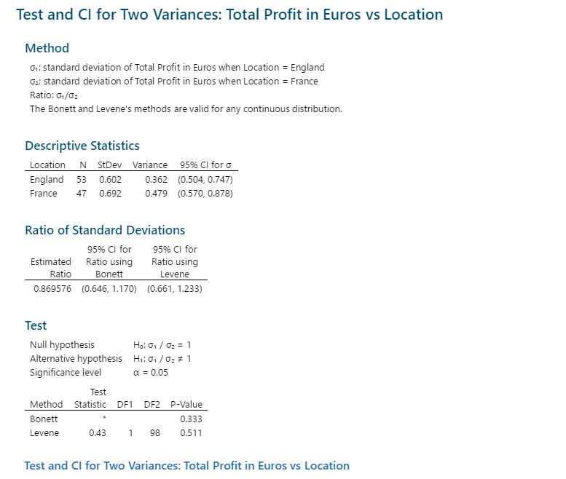
 | 1.98 | 3.9
 | 2.98 | 2.2
 | 3.77 | 3.32
 | 4.46 | 2.81
 | 4.21 | 4.09
 | 3.69 | 3.62
 | 4.09 | 4.27
 | 4.29
 | 3.03
 | 3.69
 | 3.82
 | 3.32
 | 3.12

 |  |  | 2 sample T test / Minitab assuming variances are equal
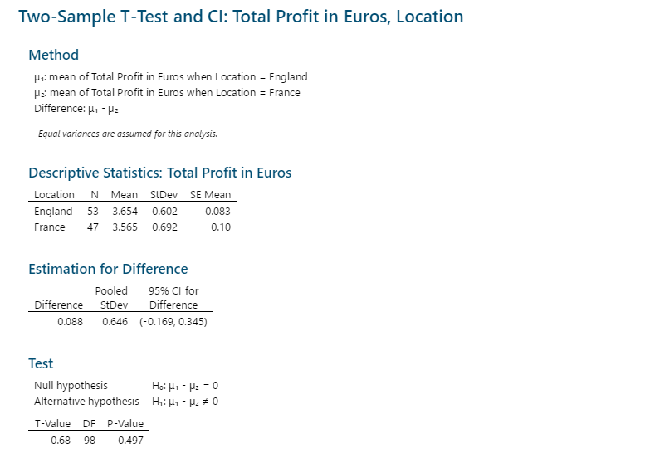

 |  |  | RCA conclusion :- "Location" is NOT a "Root Cause" for average profit variation.

RCA(Business Type)
Hypothesis Testing |  | Root Cause analysis for Business Type

Null Hypothesis ----> Business type does not impact the profit
Alternate Hypothesis ----> Business type impacts the profit

Profit/Commercial | Profit/Residential |  | Null:- Avg Profit will be same
3.4 | 2.82 |  | Null :- Confidence interval = 95%
3.99 | 2.97 |  | Risk involved = 5%
4.31 | 3.92 |  | P-value =0.05
5.33 | 3.13
3.84 | 3.49 |  | Alt:- Avg profit will not remain same as seen on the sample
4.09 | 3.57
F-test 2 sample for Variances
Risk Involved
Null Hypothesis :- Var is equal 5% or 0.05 p-value
Alt Hypothesis :- Var is different 42% or 0.42 p-value
Result :- Fail to reject the Null Hypothesis
Conclusion :- Variances are equal
3.17 | 3.34 |  | F-Test Two-Sample for Variances
3.94 | 3.21 |  |  | Profit/Commercial | Profit/Residential
4.12 | 2.22 |  | Mean | 3.983 | 3.2412
4.65 | 3.66 |  | Variance | 0.2710377551 | 0.28634546939
4.49 | 2.87 |  | Observations | 50 | 50
4.68 | 4.06 |  | df | 49 | 49
3.44 | 3.9 |  | F | 0.94654109835
4.9 | 3.13 |  | P(F<=f) one-tail | 0.4241442544
4.58 | 3.28 |  | F Critical one-tail | 0.6221654675
4.36 | 2.99
t-Test: Two-Sample Assuming Equal Variances
Risk Involved
Null Hypothesis :- Avg profit in both Business type will remain Same. 5% or 0.05 p-value
Alt Hypothesis :- Avg profit in both Business type will NOT remain Same. 0.000028% or 0.00000028 p-value
Result :- Reject the Null Hypothesis
Conclusion :- Business type is a root cause.
3.05 | 3.34 |  | t-Test: Two-Sample Assuming Equal Variances
3.75 | 3.29 |  |  | Profit/Commercial | Profit/Residential
3.92 | 3.31 |  | Mean | 3.983 | 3.2412
3.67 | 3.57 |  | Variance | 0.2710377551 | 0.28634546939
4.36 | 3.04 |  | Observations | 50 | 50
4.05 | 2.93 |  | Pooled Variance | 0.27869161224
4.29 | 2.53 |  | Hypothesized Mean Difference | 0
3.87 | 2.18 |  | df | 98
4.79 | 2.67 |  | t Stat | 7.0257854653
3.86 | 2.94 |  | P(T<=t) one-tail | 1.4212949529E-10
3.94 | 4.23 |  | t Critical one-tail | 1.6605512171
3.23 | 3.34 |  | P(T<=t) two-tail | 0.0000000002842589906
2.84 | 3.27 |  | t Critical two-tail | 1.9844674545
3.92 | 3.61
3.48 | 3.64 |  | F-test for equal variances / Minitab
4.21 | 4.1
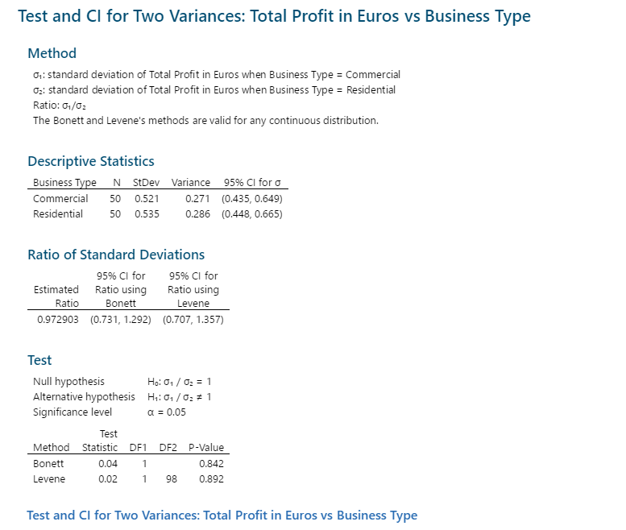
3.52 | 3.45
3.71 | 2.55
4.66 | 3.8
3.94 | 3.34
3.27 | 2.51
3.18 | 3.69
3.25 | 1.98
4.35 | 2.98
3.77 | 4.21
3.88 | 3.69
4.38 | 2.2
3.9 | 3.32
4.46 | 2.81
4.09 | 3.03
3.62 | 3.69
4.09 | 3.82
4.27 | 3.32
4.29 | 3.12

 |  |  | 2 sample T test / Minitab assuming variances are equal

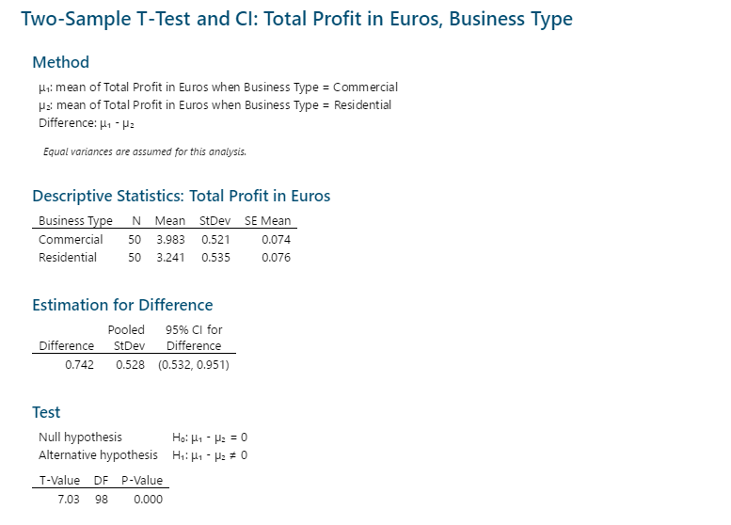

 |  |  | RCA conclusion :- Business Type Commercial and Residential is a "Root Cause" for average profit variation.

 |  |  | The management should focus on "Business Type" in the Improve phase as it is Root Causefor profit variation

RCA(Service Type)
Hypothesis Testing |  |  | Root Cause analysis for Service Type

Null Hypothesis ----> Business type does not impact the profit
Alternate Hypothesis ----> Business type impacts the profit

Profit/Express | Profit/Normal | Profit/Overnight | Null:- Avg Profit will be same
3.99 | 3.4 | 5.33 | Null :- Confidence interval = 95%
2.82 | 4.31 | 3.17 | Risk involved = 5%
2.97 | 3.84 | 3.44 | P-value =0.05
3.13 | 3.92 | 4.06
3.49 | 4.09 | 3.67 | Alt:- Avg profit will not remain same as seen on the sample
3.57 | 3.94 | 2.93
3.34 | 4.12 | 4.23
3.21 | 4.65 | 3.25 | Anova: Single Factor
2.22 | 4.49 | 2.98 | SUMMARY
3.66 | 4.68 | 3.82 | Groups | Count | Sum | Average | Variance
2.87 | 4.9 |  | Profit/Express | 42 | 132.75 | 3.1607142857 | 0.26205069686
3.9 | 4.58 |  | Profit/Normal | 42 | 167.31 | 3.9835714286 | 0.22873571429
3.28 | 3.13 |  | Profit/Overnight | 10 | 36.88 | 3.688 | 0.52706222222
3.05 | 4.36
2.99 | 3.75
3.34 | 3.92 |  | ANOVA
3.31 | 3.29 |  | Source of Variation | SS | df | MS | F | P-value | F crit
3.57 | 4.36 |  | Between Groups | 14.338920547 | 2 | 7.1694602736 | 26.237676243 | 0.000000001006969 | 3.0965526715
3.04 | 4.05 |  | Within Groups | 24.865802857 | 91 | 0.27325058085
2.53 | 4.29
2.18 | 3.87 |  | Total | 39.204723404 | 93
2.67 | 4.79
Anova: Single Factor
Risk Involved
Null hypothesis :- Var for the service type remains same. 5% or 0.05 p-value
Alt hypothesis :- Var for the service type does not remain same. 0.00000000100 p-value
Result :- Reject the Null Hypothesis
Conclusion :- Service type is a root cause.
2.84 | 3.86
2.94 | 3.94
3.34 | 3.23
3.61 | 3.92
3.64 | 3.27
2.55 | 3.48
3.8 | 4.21
3.34 | 3.52
2.51 | 3.71
3.69 | 4.66
1.98 | 4.1
3.9 | 3.45
3.69 | 3.94 |  | ANOVA analysis of variances/ Minitab
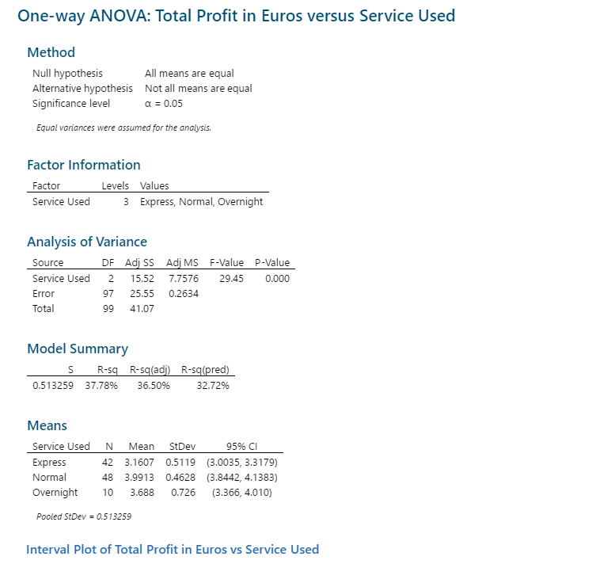
2.2 | 3.27
2.81 | 3.18
3.62 | 4.35
3.03 | 3.77
3.69 | 3.88
3.32 | 4.38
3.12 | 4.46

 |  | RCA conclusion :- Service Type Express/Normal/Overnight is a "Root Cause" for average profit variation.

 |  | The management should focus on "Service Type" in the Improve phase as it is Root Causefor profit variation

RegressionCorrelation
Correlation | Root cause analysis to dertermine if Numerical values are causes for profit variation or not

Total Profit in Euros |  | Delivery Time |  | To identify numerical cause is root cause or not
3.4 |  | 11
3.99 |  | 3
4.31 |  | 9 | Correlation Coefficient r | 0.14097577048
5.33 |  | 13
3.84 |  | 8 | Absolute r | 0.14097577 | r < 0.03 | Weak Correlation
2.82 |  | 5
Profit vs Delivery Time
3.4 |  | 11
3.99 |  | 3
4.31 |  | 9
5.33 |  | 13
3.84 |  | 8
2.82 |  | 5
2.97 |  | 1
3.92 |  | 10
3.13 |  | 15
3.49 |  | 14
4.09 |  | 12
3.17 |  | 4
3.94 |  | 15
4.12 |  | 7
4.65 |  | 6
3.57 |  | 12
3.34 |  | 5
3.21 |  | 9
2.22 |  | 3
3.66 |  | 6
4.49 |  | 11
4.68 |  | 13
3.44 |  | 14
4.9 |  | 10
4.58 |  | 14
2.87 |  | 15
4.06 |  | 1
3.9 |  | 2
3.13 |  | 15
3.28 |  | 14
4.36 |  | 15
3.05 |  | 6
3.75 |  | 11
3.92 |  | 13
3.67 |  | 13
2.99 |  | 11
3.34 |  | 11
3.29 |  | 8
3.31 |  | 13
3.57 |  | 10
4.36 |  | 13
4.05 |  | 11
4.29 |  | 15
3.87 |  | 10
4.79 |  | 3
3.04 |  | 4
2.93 |  | 12
2.53 |  | 10
2.18 |  | 1
2.67 |  | 1
...
2.97 |  | 1
Although the correlation coefficient is positive the scatter diagram shows there is NO CORRELATION between the numerical values of the given data set.
3.92 |  | 10
3.13 |  | 15
3.49 |  | 14
4.09 |  | 12
3.17 |  | 4
3.94 |  | 15
4.12 |  | 7
4.65 |  | 6
3.57 |  | 12
3.34 |  | 5
3.21 |  | 9
2.22 |  | 3
3.66 |  | 6
4.49 |  | 11
4.68 |  | 13
3.44 |  | 14
4.9 |  | 10 | RCA conclusion :- "Delivery Time " is NOT a "Root Cause" for average profit variation.
4.58 |  | 14
2.87 |  | 15
4.06 |  | 1
3.9 |  | 2
3.13 |  | 15
3.28 |  | 14
4.36 |  | 15
3.05 |  | 6
3.75 |  | 11
3.92 |  | 13
3.67 |  | 13
2.99 |  | 11
3.34 |  | 11
3.29 |  | 8
3.31 |  | 13
3.57 |  | 10
4.36 |  | 13
4.05 |  | 11
4.29 |  | 15
3.87 |  | 10
4.79 |  | 3
3.04 |  | 4
2.93 |  | 12
2.53 |  | 10
2.18 |  | 1
2.67 |  | 1
3.86 |  | 6
3.94 |  | 3
3.23 |  | 3
2.84 |  | 7
3.92 |  | 10
2.94 |  | 8
4.23 |  | 10
3.34 |  | 11
3.27 |  | 10
3.61 |  | 14
3.48 |  | 6
4.21 |  | 1
3.52 |  | 15
3.71 |  | 12
4.66 |  | 4
3.64 |  | 1
4.1 |  | 3
3.45 |  | 13
2.55 |  | 4
3.8 |  | 9
3.94 |  | 13
3.27 |  | 12
3.18 |  | 12
3.25 |  | 5
4.35 |  | 13
3.34 |  | 10
2.51 |  | 7
3.69 |  | 4
1.98 |  | 2
2.98 |  | 6
3.77 |  | 7
3.88 |  | 9
4.38 |  | 8
3.9 |  | 2
4.46 |  | 5
4.21 |  | 2
3.69 |  | 4
2.2 |  | 14
3.32 |  | 6
2.81 |  | 5
4.09 |  | 15
3.62 |  | 2
4.09 |  | 7
4.27 |  | 2
4.29 |  | 11
3.03 |  | 10
3.69 |  | 11
3.82 |  | 12
3.32 |  | 14
3.12 |  | 2

