BugReport
VISWANTHI DESIGNS
OS: WINDOWS 11, BROWSER: CHROME VERIFIED BY: RAKHY |  |  |  |  | DATE: 05/08/2024 TESTED BY: KRISHNA K.B

BUG REPORT
BUG ID | TEST ID | EXPECTED RESULT | BUG DESCRIPTION | STEPS_TO_REPRODUCE | SEVIORITY | PRIORITY | SREENSHOT | STATUS
VD_BR_01 | VD_HP_02 | user should see the splash screen | while opening the site splash screen is not showing | 1.open viswanthi.com site | enhancement | P4 | n/a | new
VD_BR_02 | VD_HP_08 | should contain voice serach availability in search field | voice search is not available in search bar | 1. open the viswanthi.com site 2. click on search bar | enhancement | P3 |  | new
VD_BR_03 | VD_HP_09 | should contain image search | search bar do not contain image search | 1. open the viswanthi.com site 2. click on search bar | enhancement | P3 |  | new
VD_BR_04 | VD_HP_14 | popular search links should give results | while clicking on popular searches, no results are showing | 1. open the viswanthi.com site 2. click on search bar 3. click on any link in popular searches | major | P2 |  | new
VD_BR_05 | VD_SP_06 | products should be shown | while filtering by colours (orange/pink) no results are shown | 1. open the viswanthi.com site 2. click on shop link 3. click on filters and choose orange/pink colour in filters and apply the filter | major | P1 | 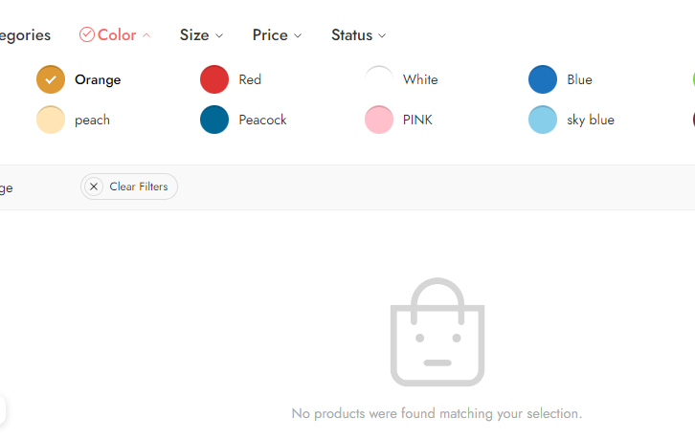 | new
VD_BR_06 | VD_SP_09 | xxl/xxxl size products should be shown | while filtering by size(xxl/xxxl),no results are shown | 1. open the viswanthi.com site 2. click on shop link 3. click on filters and choose XXL/XXXL size in filters and apply the filter | major | P2 | 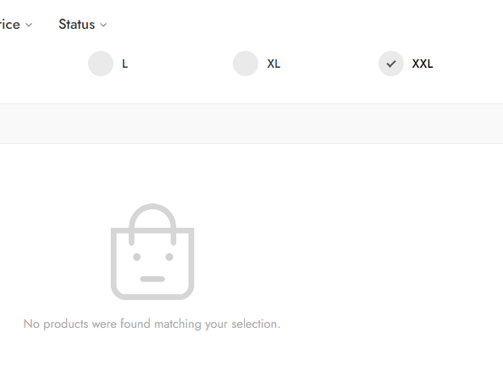 | new
VD_BR_07 | VD_SP_11 | selected options should show the results | while filtering by status ( on sale/featured..),no results are shown | 1. open the viswanthi.com site 2. click on shop link 3. click on filters and choose "on sale" from status in filters and apply the filter | major | P2 | 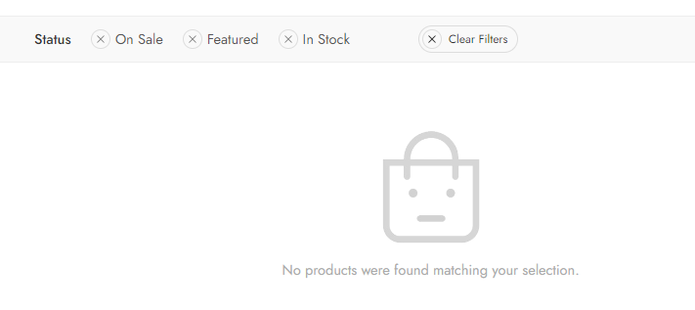 | new
VD_BR_08 | VD_SP_23 | name field should not accept more than 30 characters | In ask a question form, name field is accepting more than 30 characters | 1. open the viswanthi.com site 2. click on shop link 3. click on a product and click on the ask a question link 4. enter a name with more than 30 characters | critical | P1 |  | new
VD_BR_09 | VD_SP_24 | name field should only accepts alphabets | In ask a question form, name field is accepting symbols and number | 1. open the viswanthi.com site 2. click on shop link 3. click on a product and click on the ask a question link 4. enter a name with symbols and numbers | critical | P1
VD_BR_10 | VD_SP_27 | email field should not accept inavlid email id | In ask a question form, email field accepts invalid email id | 1. open the viswanthi.com site 2. click on shop link 3. click on a product and click on the ask a question link 4. enter an invalid email id | critical | P1 |  | new
VD_BR_11 | VD_SP_29 | verify the email field with invalid email id with symbols | In ask a question form, email field accepts symbols other than '@' | 1. open the viswanthi.com site 2. click on shop link 3. click on a product and click on the ask a question link 4. enter an invalid email id | critical | P1 |  | new
VD_BR_12 | VD_SP_31 | phone number field should not accept less than 10 digits | phone number field is accepting less than 10 digits | 1. open the viswanthi.com site 2. click on shop link 3. click on a product and click on the ask a question link 4. enter a phone number with less than10 digits | critical | P2 |  | new
VD_BR_13 | VD_SP_32 | phone number field should not accept more than 10 digits | phone number field is accepting more than 10 digits | 1. open the viswanthi.com site 2. click on shop link 3. click on a product and click on the ask a question link 4. enter a phone number with more than 10 digits | critical | P1 |  | new
VD_BR_14 | VD_SP_34 | message field should not accept characters other than alphabets and numbers | message field is accepting symbols | 1. open the viswanthi.com site 2. click on shop link 3. click on a product and click on the ask a question link 4. enter a message with only symbols | critical | P1 |  | new
VD_BR_15 | VD_SP_36 | message should not be send with inavlid input | user is able to send message with invalid inputs | 1. open the viswanthi.com site 2. click on shop link 3. click on a product and click on the ask a question link 4. enter a message with only symbols | critical | P1 |  | new
VD_BR_16 | VD_SP_37 | share icon should redirect to sharing options | user can't click on share icon and share icon is not working for some apps | 1. open the viswanthi.com site 2. click on shop link 3. click on share icon | critical | P1 |  | new
VD_BR_17 | VD_SP_39 | user should not be able to add review without purchasing a product | user is able to add reviews without purchasing | 1. open the viswanthi.com site 2. click on shop link 3. scroll down to add reviews | critical | P1 | 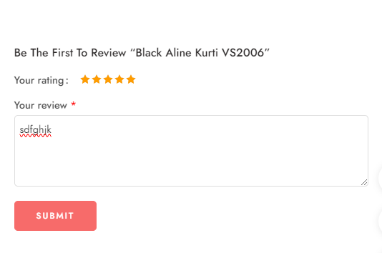 | new
VD_BR_18 | VD_RP_04 | registration with an invalid email id should not be possible | registration is possible with an invalid email id | 1. open the viswanthi.com site 2. click on my account page link 3. click on register and add an invalid email | critical | P0 |  | new
VD_BR_19 | VD_RP_06 | registration page should contain password field | registration form has no password fields are present | 1. open the viswanthi.com site 2. click on my account page link 3. click on register | critical | P1 |  | new
VD_BR_20 | VD_RP_09 | clicking on privacy policy link should redirect to privacy policy page | it is not redirecting to privacy policy | 1. open the viswanthi.com site 2. click on my account page link 3. click on register 4. click on privacy policy link | major | P2 |  | new
VD_BR_21 | VD_MAP_09 | error messages should be shown when invalid information is entered | while adding invalid informations in address form ,error messages are not showing | 1. open the viswanthi.com site 2.click on my account after login 3. click on the address link 4.click on "add" link | critical | P0 | 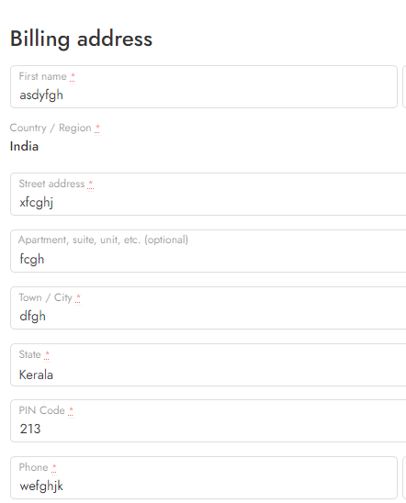 | new
VD_BR_22 | VD_MAP_11 | error messages should be shown when the user enter an invalid name | while adding invalid first name in address form ,error messages are not showing | 1. open the viswanthi.com site 2.click on my account after login 3. click on the address link 4.click on "add" link | major | P1 |  | new
VD_BR_23 | VD_MAP_12 | error messages should be shown when the user enter an invalid last name | while adding invalid last name in address form ,error messages are not showing | 1. open the viswanthi.com site 2.click on my account after login 3. click on the address link 4.click on "add" link | major | P2 |  | new
VD_BR_24 | VD_MAP_13 | user is should be able to choose country other than the default country (india) | user is not able to choose country other than the default country (india) | 1. open the viswanthi.com site 2.click on my account after login 3. click on the address link 4.click on "add" link | major | P2 |  | new
VD_BR_25 | VD_MAP_14 | error message should be shown when the user enter an invalid street name | error message should be shown when the user enter an invalid street name | 1. open the viswanthi.com site 2.click on my account after login 3. click on the address link 4.click on "add" link | major | P2 |  | new
VD_BR_26 | VD_MAP_15 | error message should be shown when the user enter an invalid apartment name | error message should be shown when the user enter an invalid apartment name | 1. open the viswanthi.com site 2.click on my account after login 3. click on the address link 4.click on "add" link | major | P2 |  | new
VD_BR_27 | VD_MAP_16 | error message should be shown when the user enter an invalid town/cityname | no error messages are shown when the user enter an invalid town/city name | 1. open the viswanthi.com site 2.click on my account after login 3. click on the address link 4.click on "add" link | major | P2 |  | new
VD_BR_28 | VD_MAP_20 | error message should be shown when the phone number field accepts less than 10 digits | no error messages are shown when the user enter less than 10 digits in phone number field | 1. open the viswanthi.com site 2.click on my account after login 3. click on the address link 4.click on "add" link | major | P2 |  | new
VD_BR_29 | VD_MAP_21 | error message should be shown when the phone number field accepts more than 10 digits | no error messages are shown when the user enter more than 10 digits in phone number field | 1. open the viswanthi.com site 2.click on my account after login 3. click on the address link 4.click on "add" link | major | P2 |  | new
VD_BR_30 | VD_MAP_24 | error message should be shown when the email field accepts other symbols except '@' or '.' | no error messages are shown when the email field accepts other symbols except '@' or '.' | 1. open the viswanthi.com site 2.click on my account after login 3. click on the address link 4.click on "add" link | major | P2 |  | new
VD_BR_31 | VD_MAP_25 | error message should be shown when the save the address button is clicked with invalid inputs | no error messages are shown when the save the address button is clicked with invalid inputs | 1. open the viswanthi.com site 2.click on my account after login 3. click on the address link 4.click on "add" link | major | P2 |  | new

DefectDistrubution Graph
DEFECT DISTRUBUTION GRAPH
MODULE NAME | DEFECT DISTRUBUTION
HOME PAGE | 4
SHOP PAGE | 13
REGISTRATION PAGE | 3
MY ACCOUNT PAGE | 11

