Sheet2
UI Enhancemnet
 | Universe Home
 | 1 | use Primary Colored Tabs (Module-aware active state) (refer - http://127.0.0.1:5000/palette) -06 — Tab & Navigation Colors) each tab should have unique tab color .
 | 2 | make these below cards explorable on click . Should list out the details of nubers respectively

 | 3 | Add one more tab "Trend" next to long term vision and current status. Which should show trend grap of all status belongs to that respective card. Should allow to filter status with checkbox
 | 4 | implement this on all tabs page available on Universe Home
 | Uiverse Home--> Money (tab)
 |  | Show Five Cards vertical cards as below as below . Highlight the Target value (big font) and then below it the current progress. Ex. Target 100 ,Current : 45



 |  | add below cards - Financial Health , Investment Decipline , Income Source , Emegency Fund, Zero Debt
 |  | Configure Targets should have two section and current scores should calculate based on that. leave the Discipline Rules section as it is and only Update the Investment allocation targets same as wealth engine in 6 section and their Allocation % . This should be configurable and can be updated by user any time. once user update here this should reflect on wealth Engine cards target as well. | Need fix
 |  | Updates on card shoul maintained under status same like other magenet cards and should diplay the trend chart
 |  | add status entry based on monthly transaction inputs comes in transaction table . Finnacia health score of each month ,investmnet decipline score, distinct no of income source , emergency fund status, Loan EMI %)
 |  | Remove fixed 4 cards from vision Goal section and make all of them configurable.
 |  | Don’t show Add vison card card on page. This should handle from +visio card button availble at money magnet header card. Remove the Long Term vison and current status button from magnet pages. By default it should show Long term vision page and incorporate cuurent status burtton within header band right corner (toggle on off ) , On- swith to cuurent sttaus page , off- back to main Lonag term vision page (implement this on all magnet tab pages. )
 |  | remove income source section from this page and move it to Money Tracker--> Dashboad page
 |  | remove 📊 Investment Allocation vs Target graph from this page to Money Tracker --> Portfolio --> before Asset Allocation by Type graph
 |  | Move Salary deductions Section from this page to Money Tracker --> Dashbaord --> above monthly trend graph
 | Wealth Engine | Provide some color change/insert image option for below card
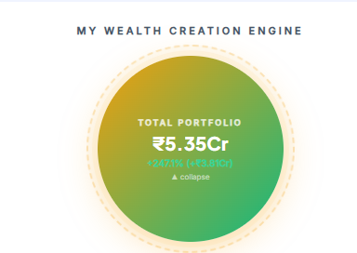

 |  | Move tabs (portfolio,Live Market, Investmnets, and trading) from Money tracker to Wealth engine

