Peer Comparison
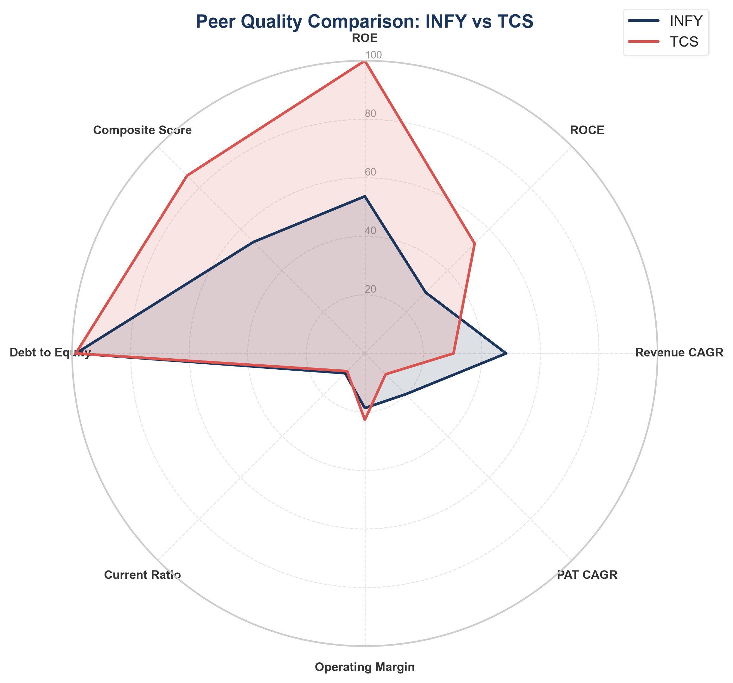
PEER COMPARISON REPORT
Target: INFY vs TCS (Information Technology)
Generated: 2026-08-19 10:25

Executive Summary: TCS outperforms INFY overall with a stronger Composite Quality Score (59.4 vs 47.5). INFY demonstrates superior performance in growth metrics (Revenue & PAT CAGRs). In terms of profitability, TCS leads in operational efficiency and returns on equity/capital.

KPI Metric | INFY | TCS | Winner
Sector | Information Technology | Information Technology | Tie
ROE (%) | 29.8 | 50.9 | TCS
ROCE (%) | 37.8 | 65.3 | TCS
Revenue CAGR (%) | 13.2 | 10.5 | INFY
PAT CAGR (%) | 11.2 | 7.9 | INFY
Operating Margin (%) | 23.7 | 26.7 | TCS
Debt to Equity | 0.09 | 0.09 | Tie
Interest Coverage | 87.52 | 87.10 | INFY
Composite Score | 47.5 | 59.4 | TCS
Peer Rank | 4 | 1 | INFY

