Monte_Carlo_Summary_Table
 | Undocumented Immigrants in CO below 133% FPL | Uninsured Rate | Utilization of Testing Services (% of Population) | Tests Per Person | Per Service Testing Cost | Eligible Population | Testing Utilization (Distinct Clients) | Testing Utilization (Distinct Tests) | Cost of Testing | Cost of Testing Original Analysis
count | 10,000 | 10,000 | 10,000 | 10,000 | 10,000 | 10,000 | 10,000 | 10,000 | 10,000
mean | 68,555 | 76% | 4% | 1.17 | $43 | 52,042 | 1,908 | 2,227 | $96,852
std | 4,242 | 9% | 1% | 0.12 | $4 | 7,147 | 735 | 888 | $39,963
min | 61,187 | 56% | 0% | 1 | $36 | 34,980 | 38 | 49 | $2,404 | $252
5% | 61,960 | 62% | 1% | 1.01 | $37 | 41,281 | 614 | 709 | $29,978
25% | 64,864 | 69% | 3% | 1.07 | $40 | 46,771 | 1,384 | 1,588 | $68,404
50% | 68,498 | 75% | 4% | 1.15 | $43 | 51,389 | 1,968 | 2,269 | $97,708
75% | 72,266 | 82% | 5% | 1.25 | $47 | 56,984 | 2,447 | 2,855 | $124,267
95% | 75,147 | 92% | 5% | 1.39 | $50 | 64,892 | 3,044 | 3,639 | $162,377
max | 75,897 | 100% | 5% | 1.5 | $51 | 74,793 | 3,970 | 5,440 | $250,671 | $319,311

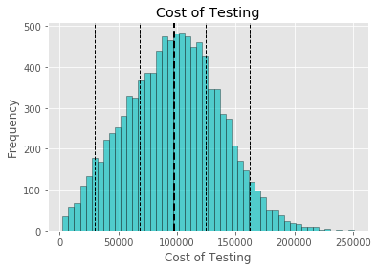

5% 25% 50% 75% 95%

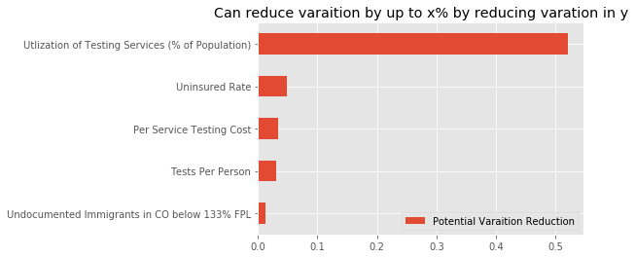
Potential Variation Reduction
Utilization of Testing Services (% of Population) | 52.14%
Uninsured Rate | 4.88%
Per Service Testing Cost | 3.39%
Tests Per Person | 3.13%
Undocumented Immigrants in CO below 133% FPL | 1.30%

