Logic 03
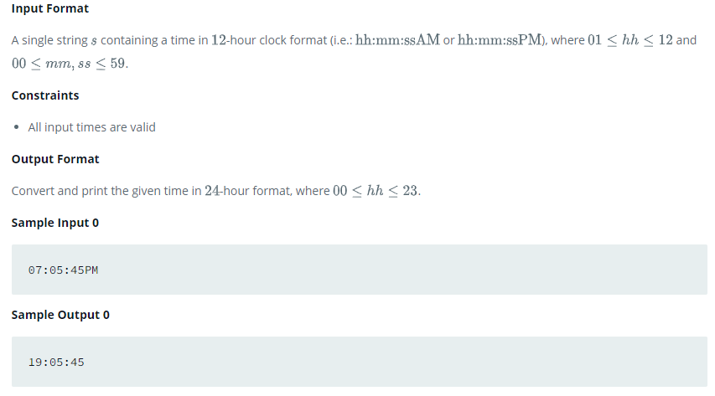
Soal 01 |  | N=7 |  | M=3 |  | O = 2 |  | Soal 02 |  | N=7 |  | M=3 |  | O = 2
 | 0 | 1 | 2 | 3 | 4 | 5 | 6 |  | 0 | 1 | 2 | 3 | 4 | 5 | 6
0 | 2 | 5 | 8 | 3 | 11 | 14 | 17 | 0 |  |  |  |  |  |  | 17
1 | 3 |  |  |  |  |  | 3 | 1 |  |  |  |  |  | 14 | 9
2 | 53 |  |  |  |  |  | 20 | 2 |  |  |  |  | 11 |  | 20
3 | 50 |  |  |  |  |  | 23 | 3 |  |  |  | 3 |  |  | 23
4 | 47 |  |  |  |  |  | 26 | 4 |  |  | 8 |  |  |  | 26
5 | 3 |  |  |  |  |  | 3 | 5 |  | 5 |  |  |  |  | 27
6 | 44 | 41 | 38 | 3 | 35 | 32 | 29 | 6 | 2 | 41 | 38 | 81 | 35 | 32 | 29

Soal 02 |  | N=7 |  | M=3 |  | O = 2
 | 0 | 1 | 2 | 3 | 4 | 5 | 6
0 |  |  |  |  |  |  | 17
1 |  |  |  |  |  | 14 | 9
2 |  |  |  |  | 11 |  | 20
3 |  |  |  | 3 |  |  | 23
4 |  |  | 8 |  |  |  | 26
5 |  | 5 |  |  |  |  | 27
6 | 2 | 41 | 38 | 81 | 35 | 32 | 29

Soal 03
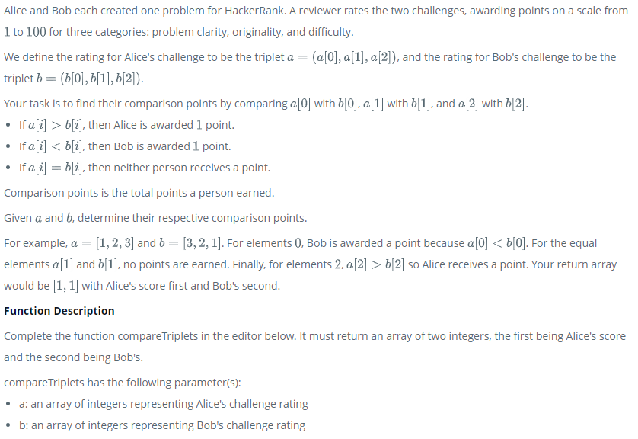

Soal 04
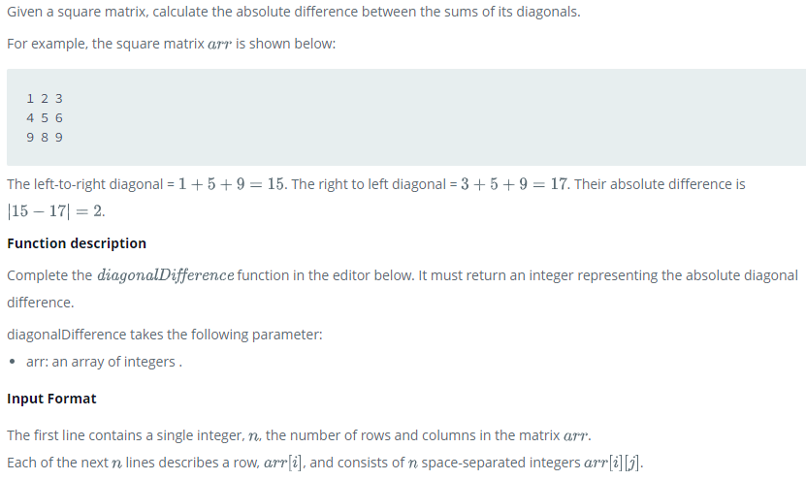

Soal 05
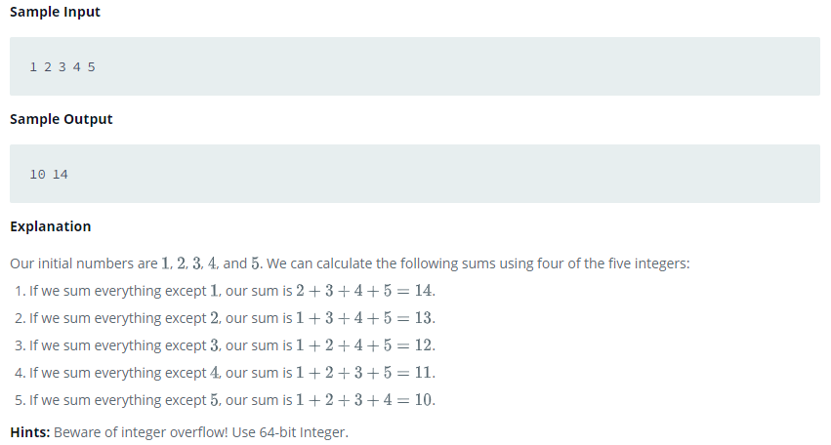

Soal 06
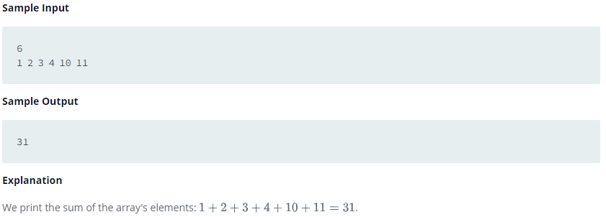

Sample 07
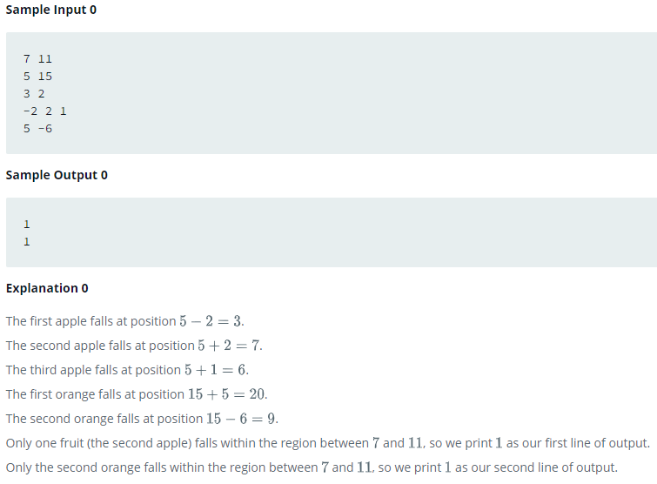

Soal 08
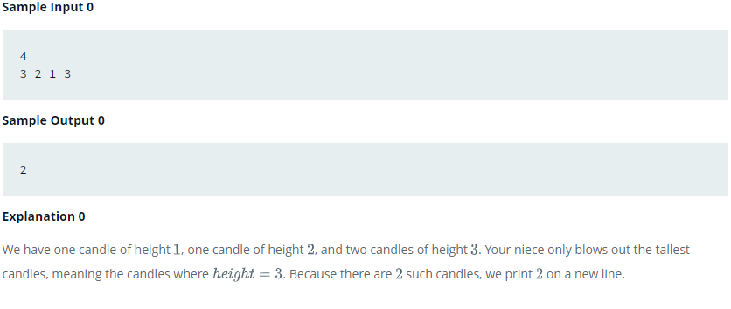

Soal 09

Logic 04
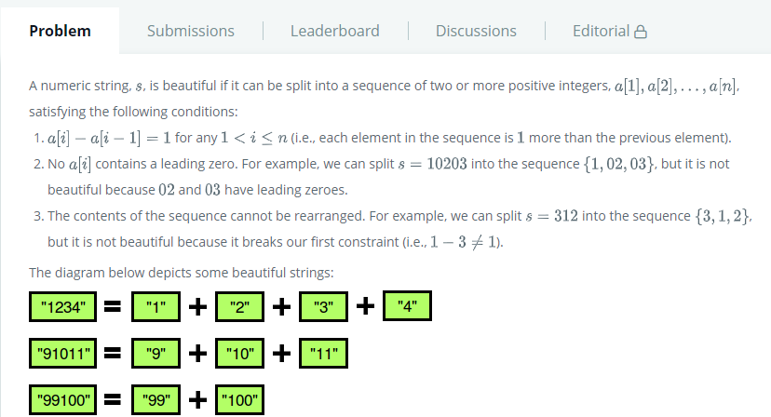
Soal 01 | String - Camel Case
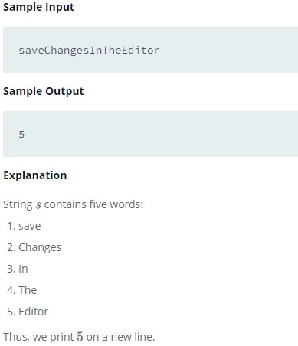

Soal 02 | String - Caesar Cipher
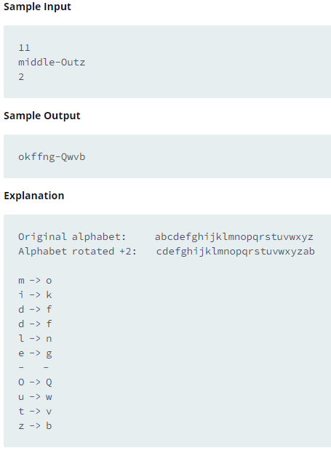

Soal 3 | String - Strong Password
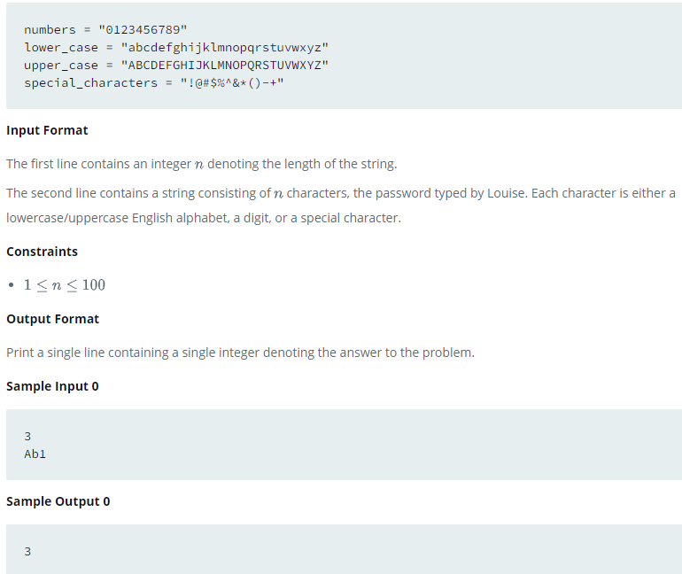

Soal 04 | String - Mars Exploration
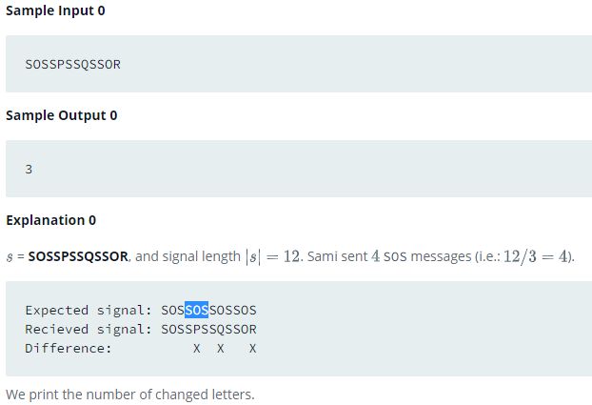

Soal 5 | String - Separated The Number

Logic 05
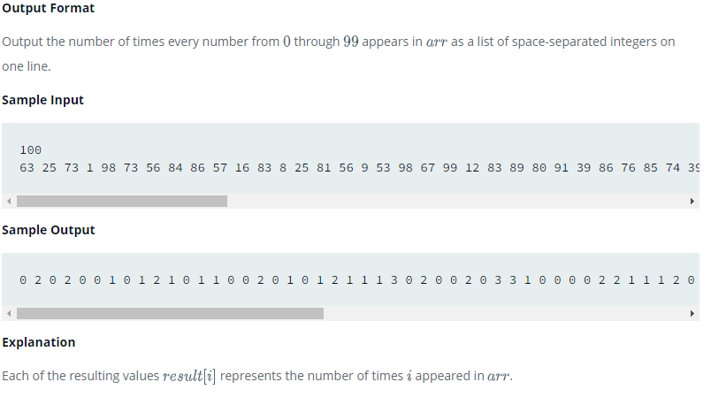
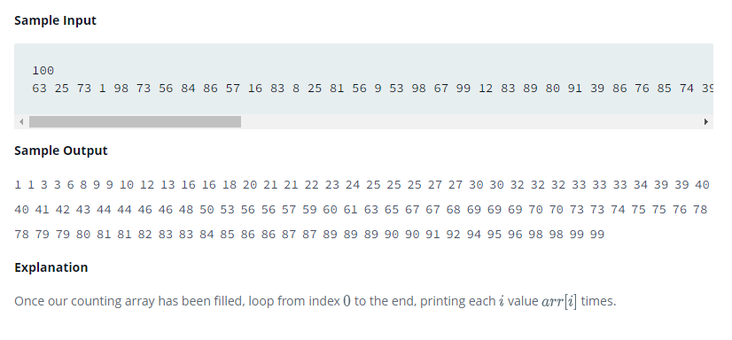
Soal 1 | Sorting - Correctness and the Loop Invariant
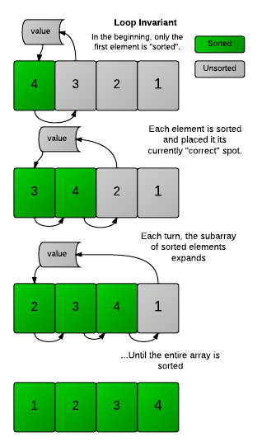

Soal 2 | Sorting - Find the Median
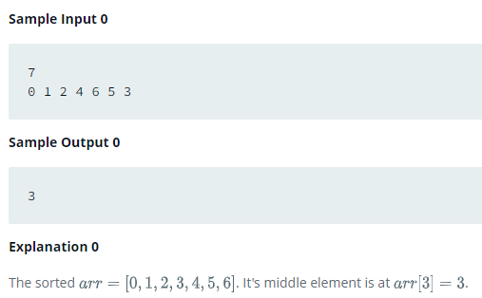

Soal 3 | Sort - Closest Numbers
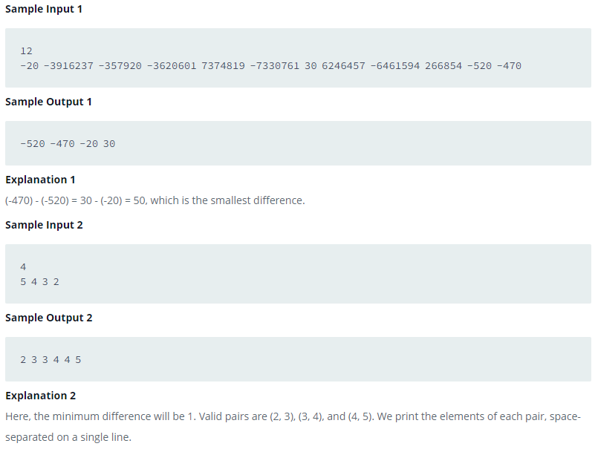

Soal 04 | Sorting - Insertion Sort 01 | Sorting - Insertion Sort 02
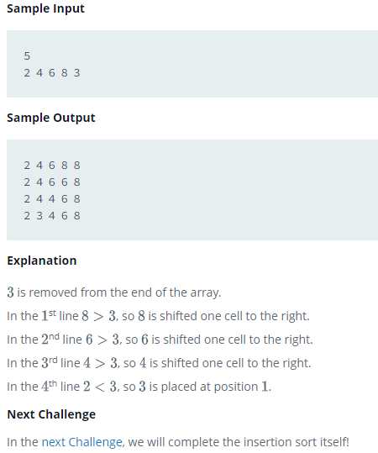
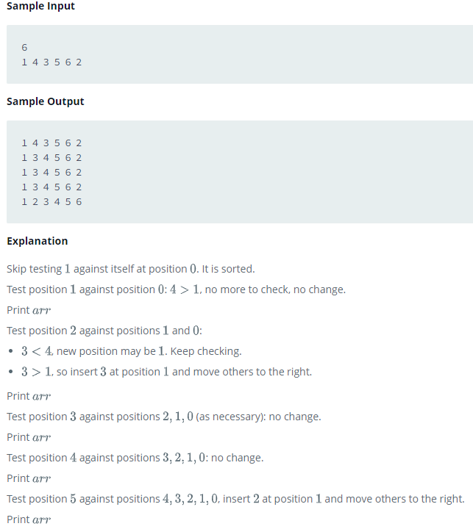

Soal 05 | Sorting -Counting Sort |  | Sorting - Counting Sort 02

Logic 06
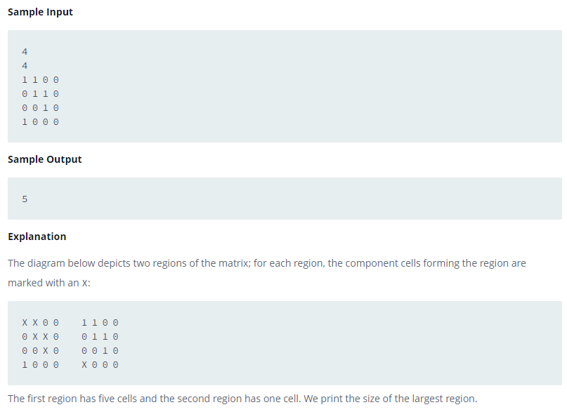
Soal 1 | Search - Sherlock and Array
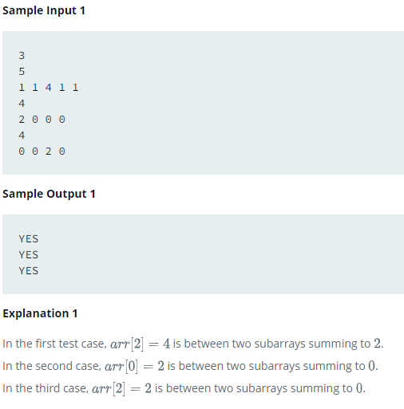

Soal 02 | Search - Pairs
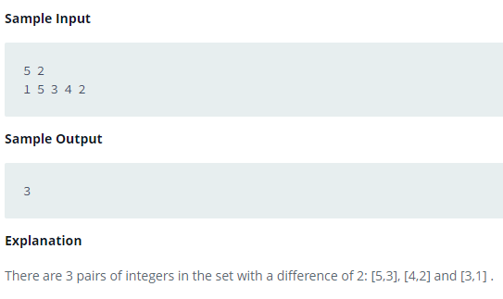

Soal 3 | Search - Minimum Loss
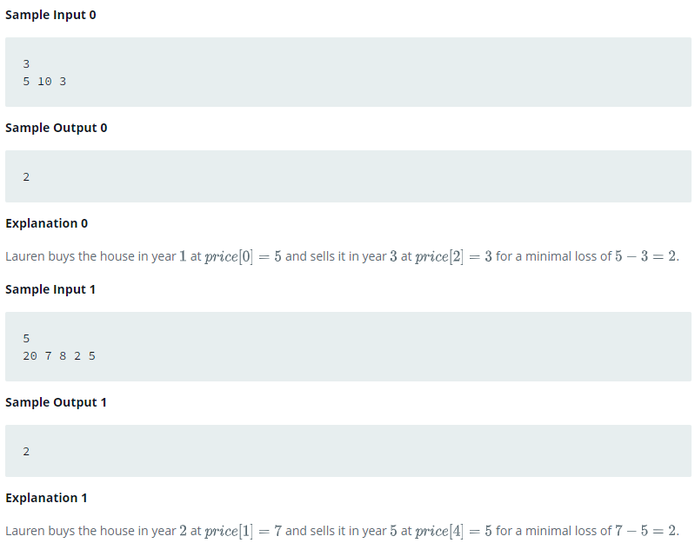

Soal 4 | Search - Cut the Tree
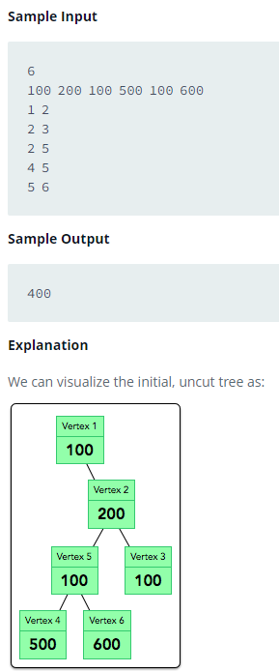

Soal 5 | Search - Connected Cells in a Grid

