Audit Check List
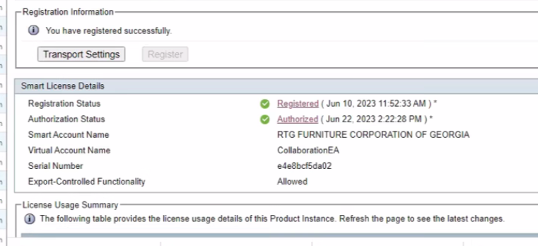
UCCX Audit Checklist | Complete |  | System version:
Configuration Items |  | *SPECIAL NOTES: 3 Clusters - Would like to move to WebEx 1 Customer Service 1 Corporate 1 PuertoRico (out of scope) | 12.5.1.110002.481
UCCX Excact Version with SU |  |  | Premium Perpetual Licesing
License Edition
Seat Count & Features
Application List
Screen Shot Each App to document Prod Script
Download Prod Scripts
Check Main Script for Subflows
XML Documents
Confirm Prompt Repository Size
Document CUCM Telephony CCG's
Document CUCM Telephony Triggers/RPs
REPORTING -Report Names | Complete | Date Range

CS SCREEN SHOTS
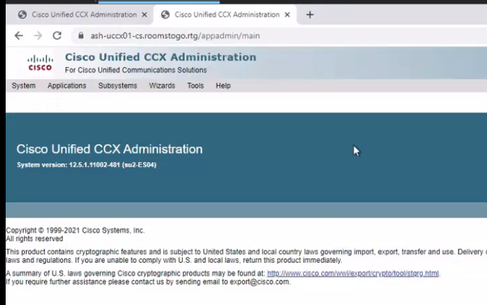

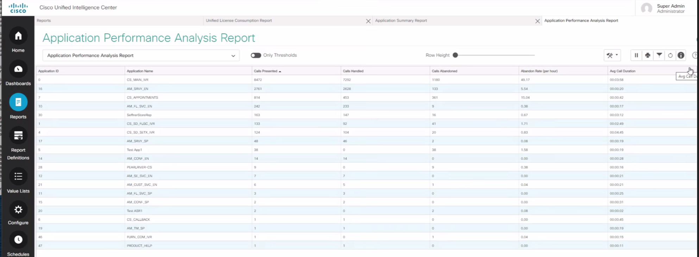

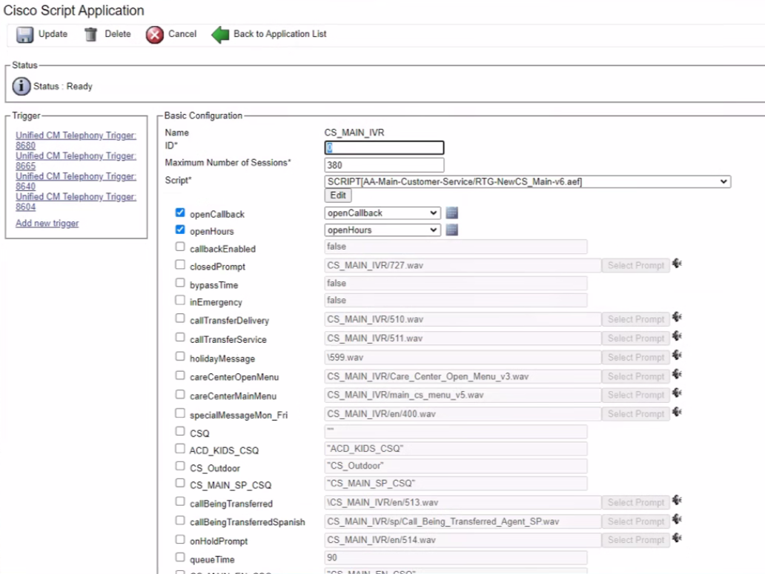

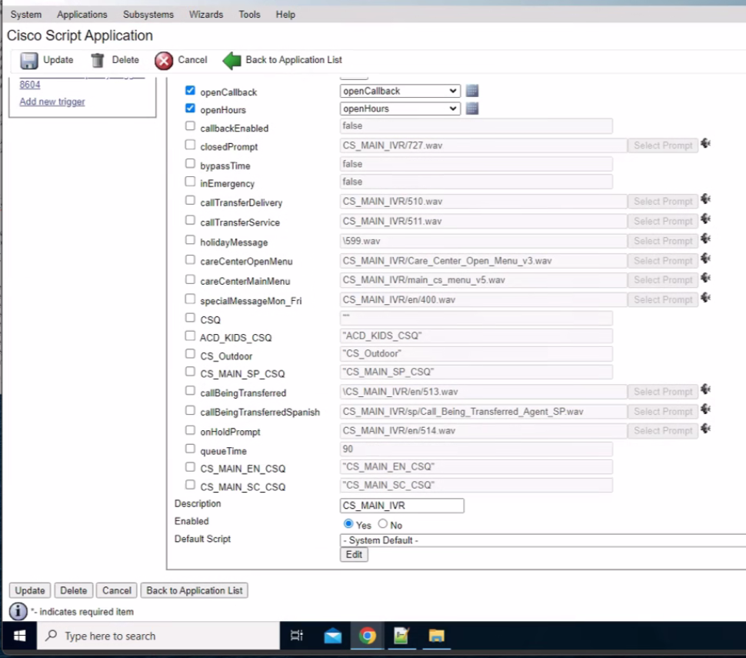

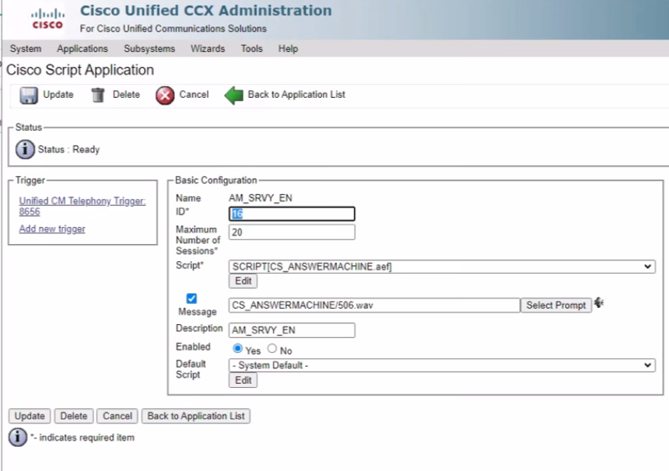

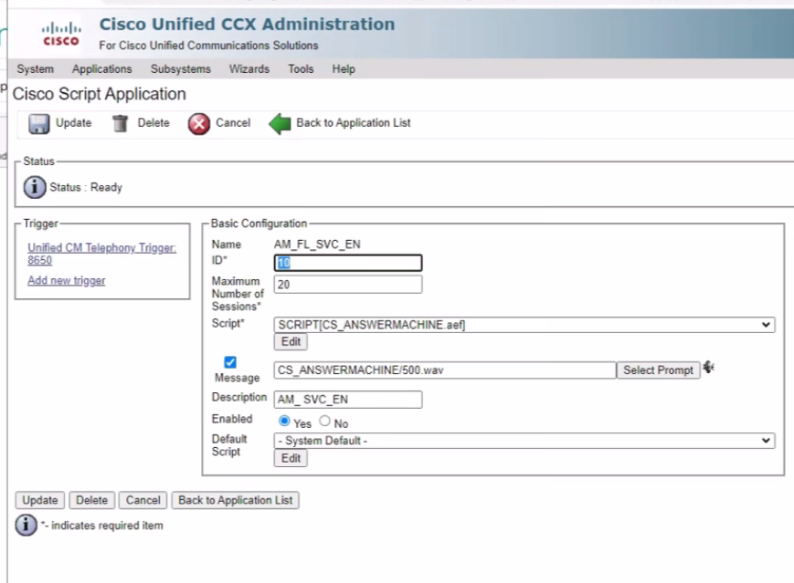

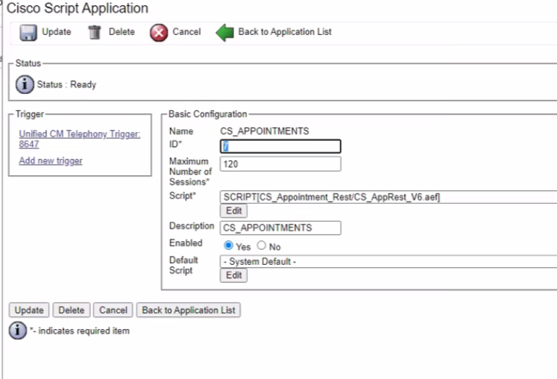

CORP SCREEN SHOTS
