Equipment
Equipment needed for 1 batch of Brownies - yields 32 samples
Gloves
Balance/Scale |  | 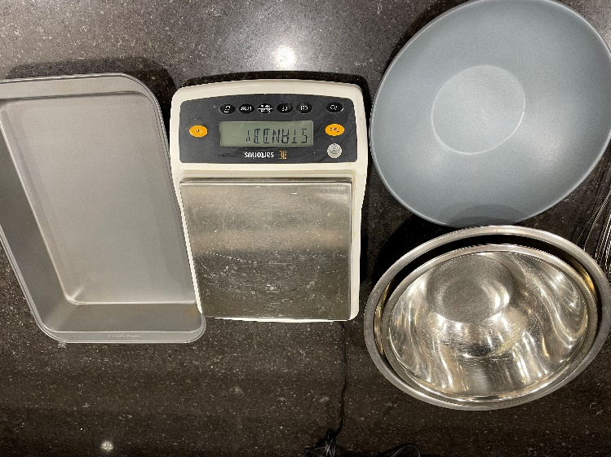
Portion Cups of Varying Sizes - 2 oz souffle - 8 oz deli container - 16 oz deli container - 32 oz deli container | 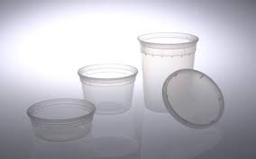 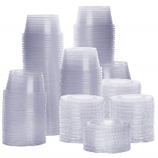
9" x 13" Metal Pan | 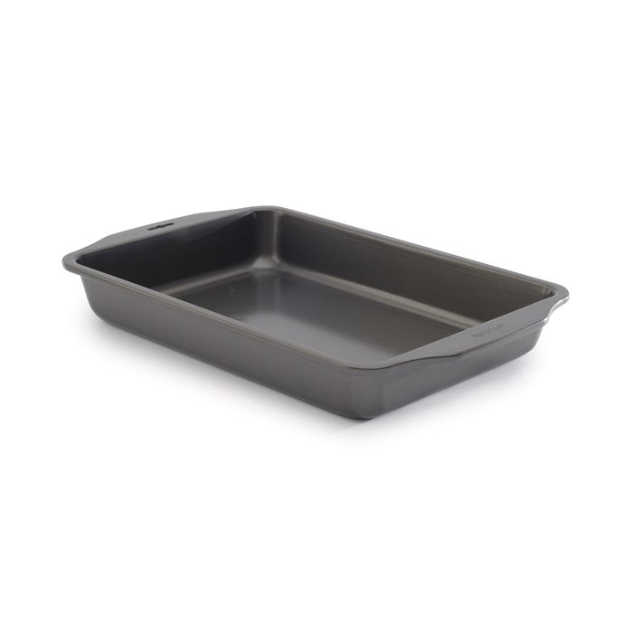
Mixing Bowls | 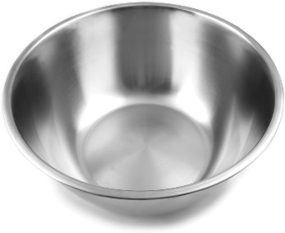
Microwaveable Bowl | 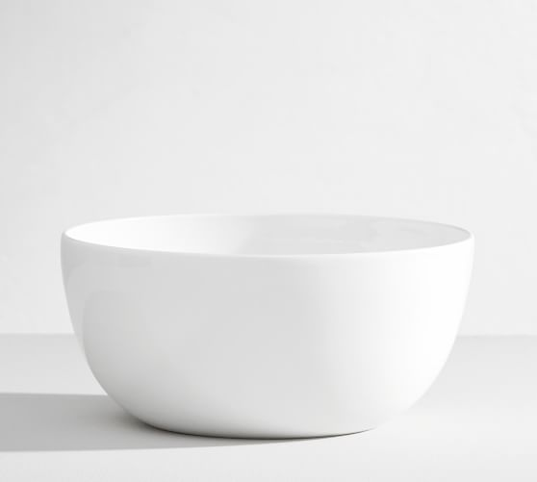
Whisk | 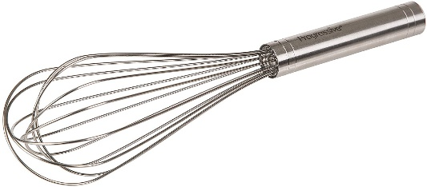
Rubber Spatula | 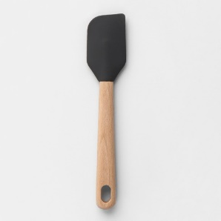
Aluminum Foil
Oven (set at 350˚F) | 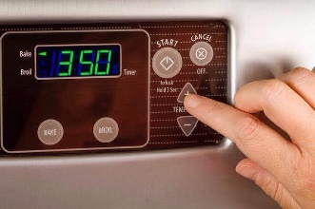

Original
Procedure for OG 002 Brownies
Serving: 40g | Samples per Recipe: 24
1. Preheat oven to 350°F. Line brownie pan with aluminum foil and oil spray.
2. Collect and scale all ingredients individually - All-Purpose Flour 186g - Vegetable Oil 224g - Semi-Sweet Chocolate Chips 112g - Granulated Sugar 403.2g - Eggs 200g - Unsweetened Cocoa Powder 26.67g - Salt, Iodized 7.75g | 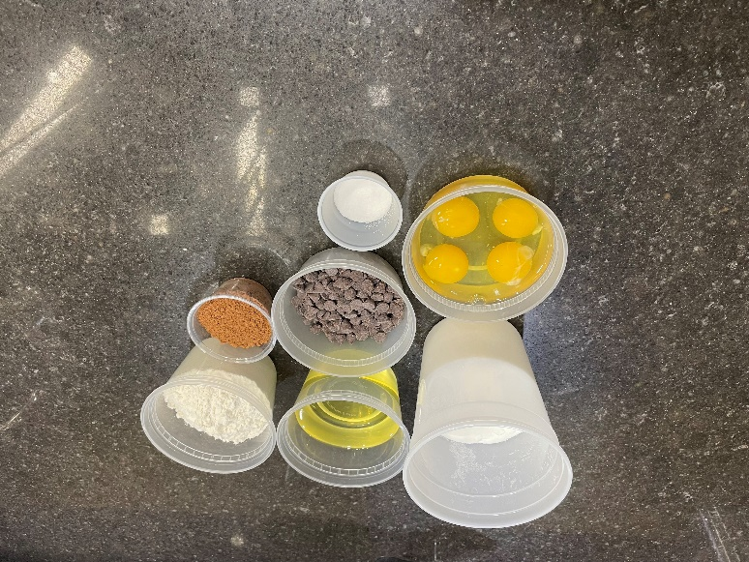
3. In a medium bowl, mix flour, cocoa powder, and salt. | 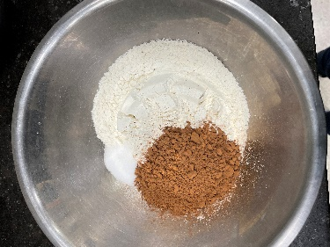 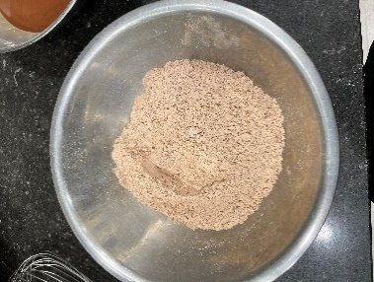
4. In a microwaveable bowl, add oil and chocolate. Heat in microwave in 30 second intervals, stiring in between, until smooth consistency is reached. | 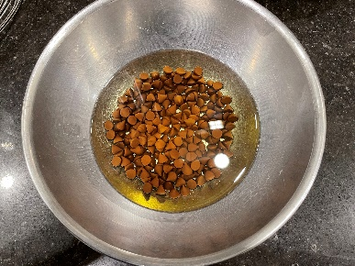 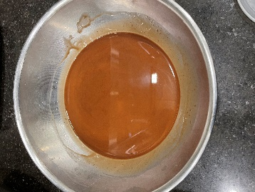
5. In last bowl, add sugar and eggs. Whisk together until mixutre is light yellow in color and well-combined. | 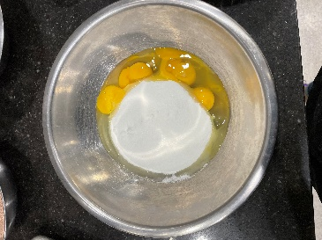
6. Add chocolate mixture to egg mixture and mix until fully incorporated. | 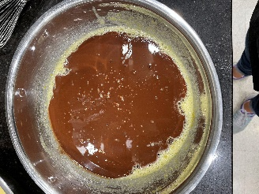
7. Add dry ingredients to wet mixture and mix until combined. | 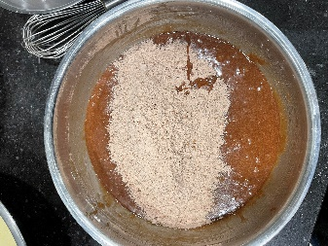
8. Pour the mixture into prepared pan and bake at 350°F for 23 minutes. | 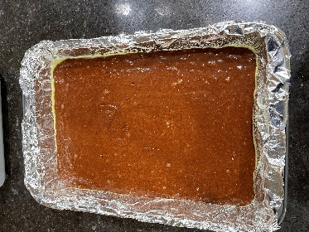
9. Remove from oven and let cool to room temperature for 15 minutes. Wrap tightly in plastic and store at room temperature for 24 hours. Brownies should be made 1 day in advance of testing | 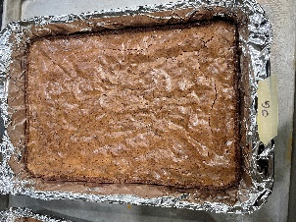
10. DAY OF TEST: remove from pan, cut off edges. Cut into 24 equal segments and serve in 4 oz portion cup.

Nutritionally Improved
Procedure for IP 003 Brownies
Serving: 40g | Samples per Recipe: 24
1. Preheat oven to 350°F. Line brownie pan with aluminum foil and oil spray.
2. Collect and scale all ingredients individually - All-Purpose Flour 186g - Vegetable Oil 224g - Semi-Sweet Chocolate Chips 112g - Granulated Sugar 252g - Eggs 200g - Unsweetened Cocoa Powder 26.67g - Salt, Iodized 3g | 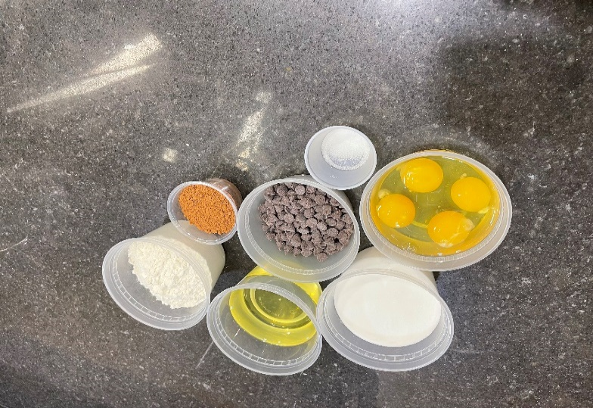
3. In a medium bowl, mix flour, cocoa powder, and salt. | 
4. In a microwaveable bowl, add oil and chocolate. Heat in microwave in 30 second intervals, stiring in between, until smooth consistency is reached.
5. In last bowl, add sugar and eggs. Whisk together until mixutre is light yellow in color and well-combined. | 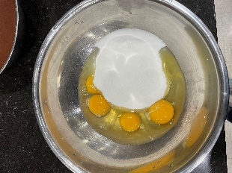 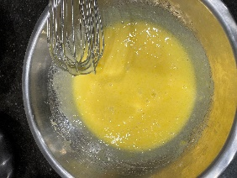
6. Add chocolate mixture to egg mixture and mix until fully incorporated. | 
7. Add dry ingredients to wet mixture and mix until combined.
8. Pour the mixture into prepared pan and bake at 350°F for 20 minutes.
9. Remove from oven and let cool to room temperature for 15 minutes. Wrap tightly in plastic and store at room temperature for 24 hours. Brownies should be made 1 day in advance of testing | 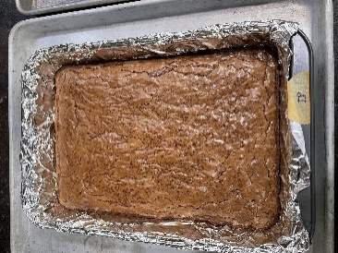
10. DAY OF TEST: remove from pan, cut off edges. Cut into 24 equal segments and serve in 4 oz portion cup.

Flavor Enhanced Nutritionally I
Procedure for IPS 003 Brownies
Serving: 40g | Samples per Recipe: 24
1. Preheat oven to 350°F. Line brownie pan with aluminum foil and oil spray.
2. Collect and scale all ingredients individually - All-Purpose Flour 186g - Vegetable Oil 224g - Semi-Sweet Chocolate Chips 112g - Granulated Sugar 252g - Eggs 200g - Unsweetened Cocoa Powder 26.67g - Salt, Iodized 3g - Vanilla 18.9g | 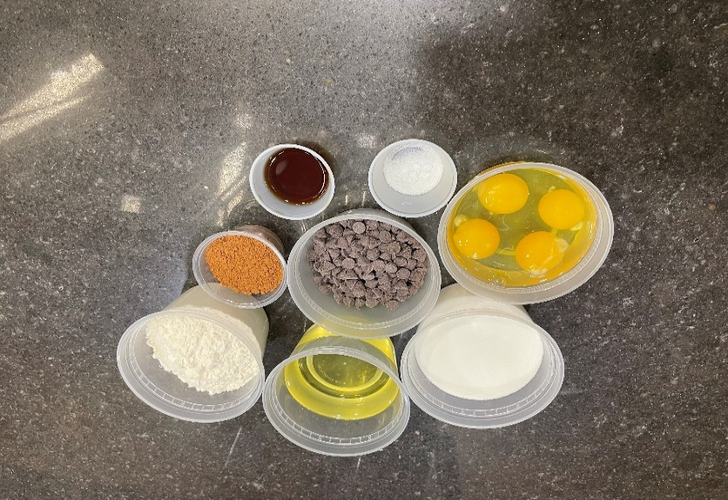
3. In a medium bowl, mix flour, cocoa powder, and salt. |  
4. In a microwaveable bowl, add oil and chocolate. Heat in microwave in 30 second intervals, stiring in between, until smooth consistency is reached.
5. In last bowl, add sugar, eggs, and vanilla. Whisk together until mixutre is light yellow in color and well-combined. | 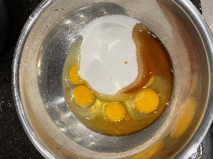 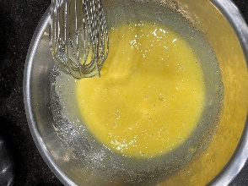
6. Add chocolate mixture to egg mixture and mix until fully incorporated.
7. Add dry ingredients to wet mixture and mix until combined.
8. Pour the mixture into prepared pan and bake at 350°F for 20 minutes.
9. Remove from oven and let cool to room temperature for 15 minutes. Wrap tightly in plastic and store at room temperature for 24 hours. Brownies should be made 1 day in advance of testing | 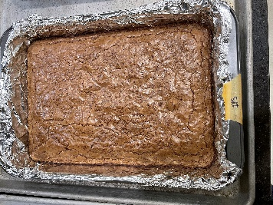
10. DAY OF TEST: remove from pan, cut off edges. Cut into 24 equal segments and serve in 4 oz portion cup.

