Equipment
Equipment
Gloves
Balance/Scale
Portion Cups of Varying Sizes - 2 oz souffle - 8 oz deli container - 16 oz deli container - 32 oz deli container | 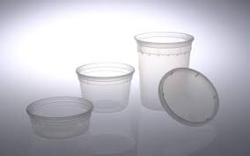 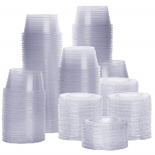
Mixing Bowls | 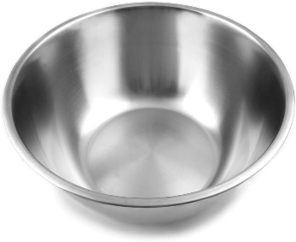
Large Metal Pot | 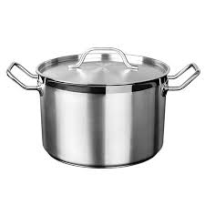
Wooden Spoon | 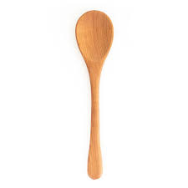
Sieve | 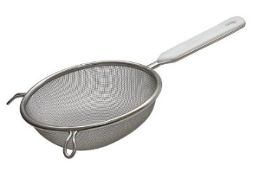
Crockpot, 6 qt | 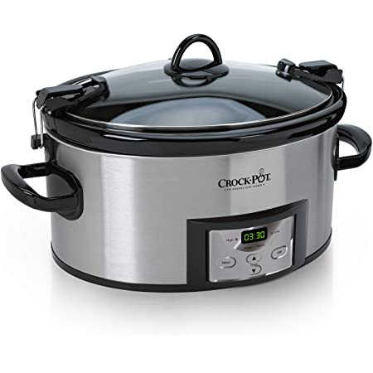

Ingredients
Ingredient needs for 1 batch of OG 002v Chili |  |  | Ingredient needs for 1 batch of IP 003v Chili |  |  | Ingredient needs for 1 batch of IPS 003v Chili
Ingredient | Image | Amount Needed | Ingredient | Image | Amount Needed | Ingredient | Image | Amount Needed
Spray Oil |  | 1-2 sec. spray | Spray Oil |  | 1-2 sec. spray | Spray Oil |  | 1-2 sec. spray
Yellow Onions, diced | 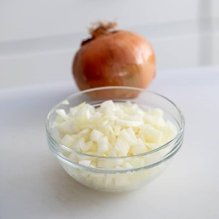 | 148.1 g | Yellow Onions, diced |  | 148.1 g | Yellow Onions, diced |  | 148.1 g
Green Bell Pepper, diced | 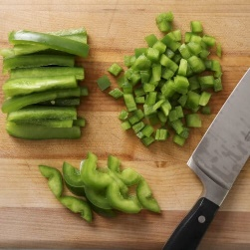 | 80.8 g | Green Bell Pepper, diced |  | 80.8 g | Green Bell Pepper, diced |  | 80.8 g
Ground Beef, 80/20, raw | 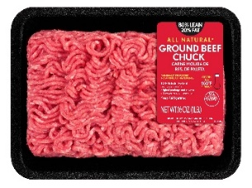 | 678.2 g | Ground Beef, 95/5, raw |  | 678.2 g | Ground Beef, 95/5, raw |  | 678.2 g
Red Kidney Beans, with liquid |  | 527.7 g Total 308.4 g Beans 219.26 g Liquid | Red Kidney Beans, with liquid, no salt added |  | 527.7 g Total 342.06 g Beans 185.64 g Liquid | Red Kidney Beans, with liquid, no salt added |  | 527.7 g Total 342.02 g Beans 185.64 g Liquid
Diced tomatoes, with juice |  | 610.9 g Total 375.5 g Solids 235.38 g Liquid | Diced tomatoes, with juice, no salt added | 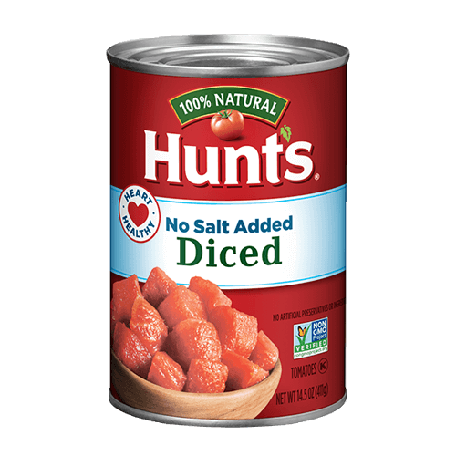 | 610.9 g Total 375.83 g Solids 235.07 g Liquid | Diced tomatoes, with juice, no salt added |  | 610.9 g Total 375.83 g Solids 235.07 g Liquid
Tomato Sauce, canned |  | 305.4 g | Tomato Sauce, canned, no salt added | 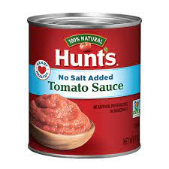 | 305.4 g | Tomato Sauce, canned, no salt added |  | 305.4 g
Iodized Salt | 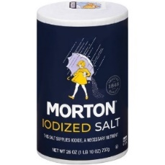 | 7.9 g | Iodized Salt |  | 6 g | Iodized Salt |  | 6 g
Chili Powder |  | 12 g | Chili Powder |  | 12 g | Chili Powder |  | 30 g
 |  |  |  |  |  | Garlic Powder |  | 7 g
 |  |  |  |  |  | Onion Powder |  | 8 g
 |  |  |  |  |  | Cumin |  | 6 g
 |  |  |  |  |  | Coriander |  | 3 g
 |  |  |  |  |  | Crushed Red Pepper Flakes |  | 2 g

Original
Procedure for OG 002v Chili
Serving: 254g | YEILD: 2147.9 g
1. Strain beans from liquid for 10-15 minutes - reserving both.
2. Strain diced tomatoes from liquid for 10-15 minutes - reserving both. | 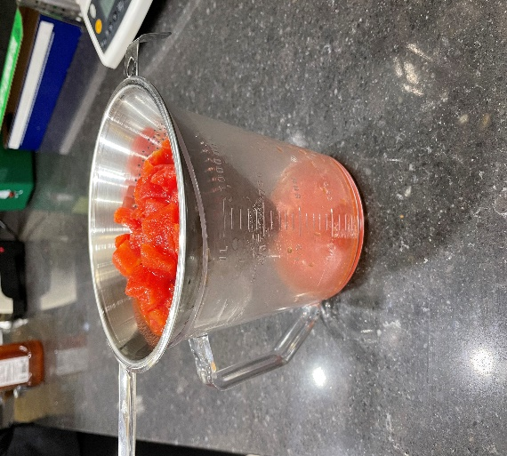
3. Collect and scale all ingredients individually - Yellow Onions, diced 148.1g - Green Bell Peppers, diced 80.8g - Ground Beef, 80/20 678.2g - Red Kidney Beans, canned, no salt added: Solids 308.4g Liquids 219.26g - Diced Tomatoes, canned, no salt added Solids 375.5g Liquids 238.38g - Tomato Sauce, canned 305.4g - Salt, iodized 6g - Chili Powder 12g | 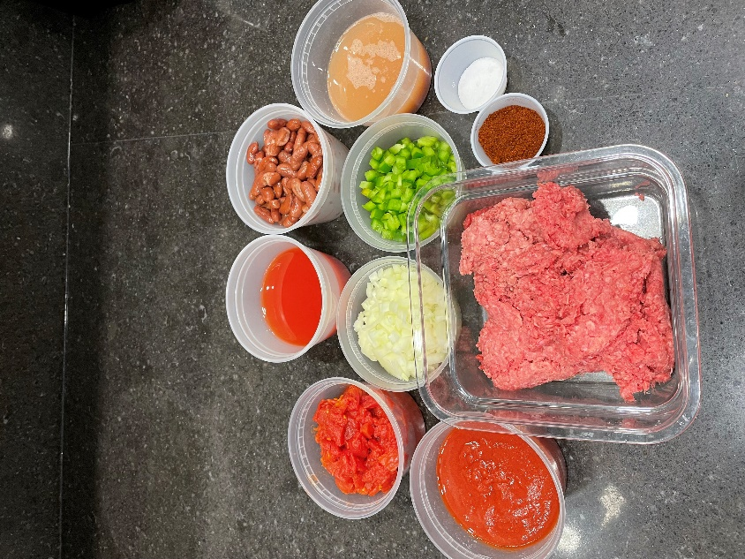
4. In a large pot over medium heat, spray bottom of pan with spray oil. Add onions and peppers. Cook until tranlucent - roughly 6-8 minutes. | 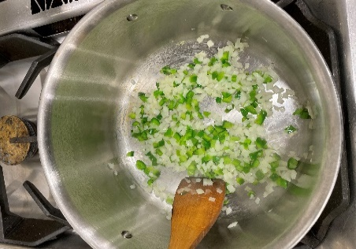
5. Add ground beef to pan and use wooden spoon to break up meat into small pieces, stiring occasionally until meat is no longer pink, roughly 7 minutes. | 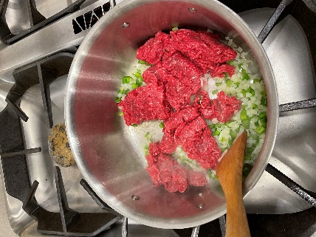
6. Add salt and spices. Cook, stirring, until spices are evenly distributed and fragrant - roughly 1 minute. | 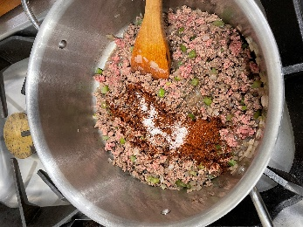
7. Add beans with liquid, tomatoes with liquid, and tomato sauce to pot. Stir until well mixed. Bring chili to a simmer for 1 minute. Reduce heat to medium low and continue to cook for 15 minutes. | 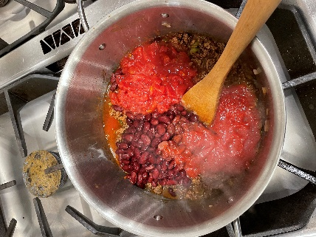
8. Remove from heat and cool completely. Store refrigerated and covered until testing Chili should be made 1 day in advance of testing | 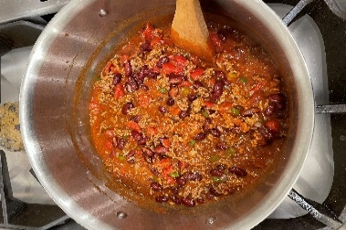
9. DAY OF TEST: In a large pot over medium low heat, reheat chili to 165˚F, will take roughly 1 hour. Place in crockpot on "warm" setting. Hold for test. | 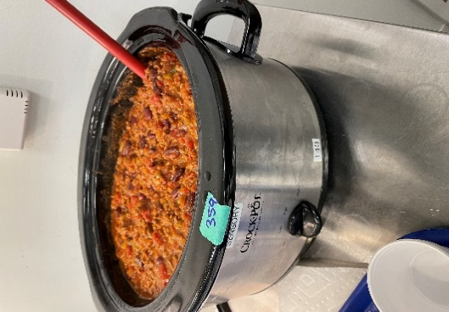

Nutritionally Improved
Procedure for IP 003v Chili
Serving: 254g | YEILD: 2145.3 g
1. Strain beans from liquid for 10-15 minutes - reserving both.
2. Strain diced tomatoes from liquid for 10-15 minutes - reserving both. | 
3. Collect and scale all ingredients individually - Yellow Onions, diced 148.1g - Green Bell Peppers, diced 80.8g - Ground Beef, 95/5 668.24g - Red Kidney Beans, canned, no salt added: Solids 342.06g Liquids 185.64g - Diced Tomatoes, canned, no salt added Solids 375.83g Liquids 235.07g - Tomato Sauce, canned, no salt added 305.4g - Salt, iodized 6g - Chili Powder 12g | 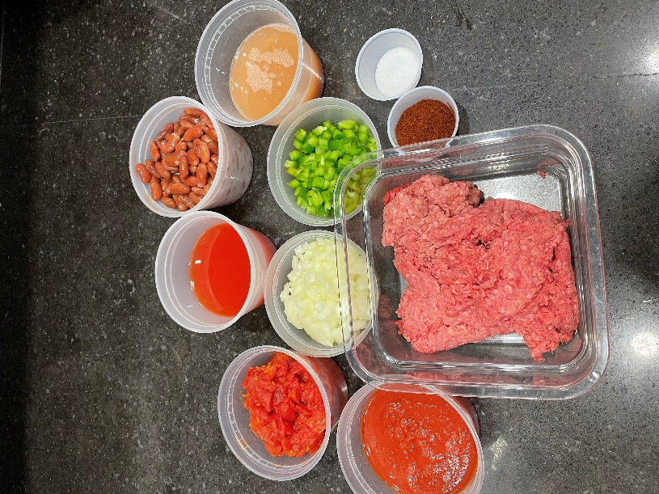
4. In a large pot over medium heat, spray bottom of pan with spray oil. Add onions and peppers. Cook until tranlucent - roughly 6-8 minutes. | 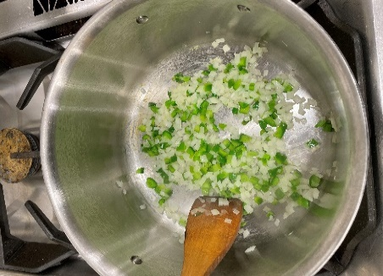
5. Add ground beef to pan and use wooden spoon to break up meat into small pieces, stiring occasionally until meat is no longer pink, roughly 7 minutes. | 
6. Add salt and spices. Cook, stirring, until spices are evenly distributed and fragrant - roughly 1 minute.
7. Add beans with liquid, tomatoes with liquid, and tomato sauce to pot. Stir until well mixed. Bring chili to a simmer for 1 minute. Reduce heat to medium low and continue to cook for 15 minutes. | 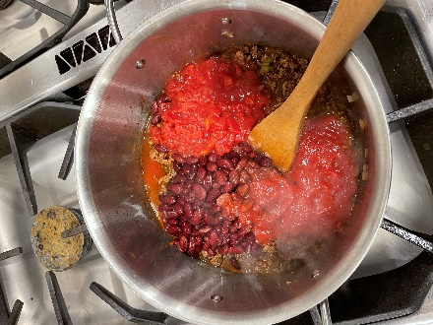
8. Remove from heat and cool completely. Store refrigerated and covered until testing Chili should be made 1 day in advance of testing | 
9. DAY OF TEST: In a large pot over medium low heat, reheat chili to 165˚F, will take roughly 1 hour. Place in crockpot on "warm" setting. Hold for test.

Flavor Enhanced Nutritionally I
Procedure for IPS 003v Chili
Serving: 254g | YEILD: 2189.3 g
1. Strain beans from liquid for 10-15 minutes - reserving both.
2. Strain diced tomatoes from liquid for 10-15 minutes - reserving both.
3. Collect and scale all ingredients individually - Yellow Onions, diced 148.1g - Green Bell Peppers, diced 80.8g - Ground Beef, 95/5 668.24g - Red Kidney Beans, canned, no salt added: Solids 342.06g Liquids 185.64g - Diced Tomatoes, canned, no salt added Solids 375.83g Liquids 235.07g - Tomato Sauce, canned, no salt added 305.4g - Salt, iodized 6g - Chili Powder 30g - Garlic Powder 7g - Onion Powder 8g - Cumin 6g - Coriander 3g - Crushed Red Pepper Flakes 2g | 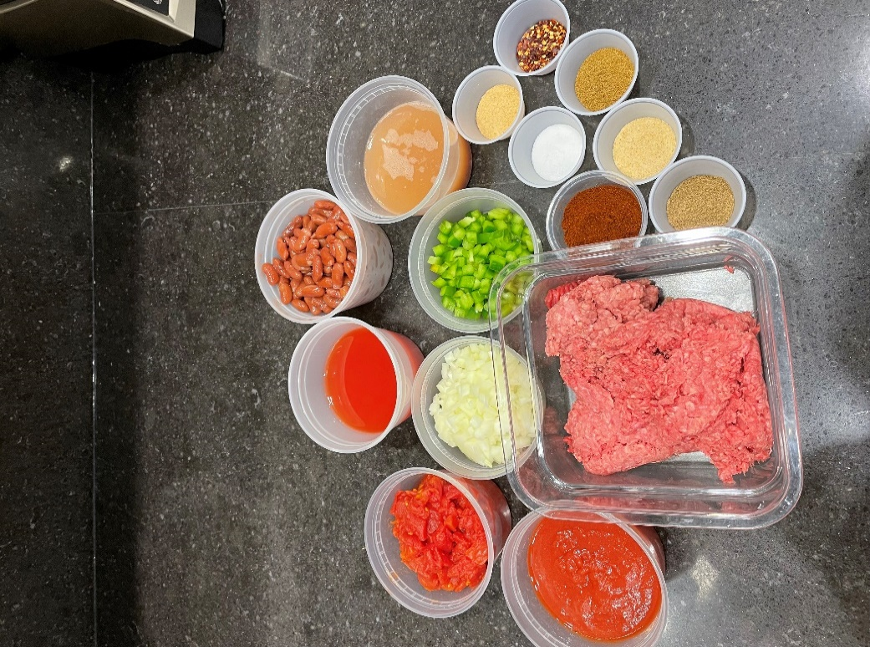
4. In a large pot over medium heat, spray bottom of pan with spray oil. Add onions and peppers. Cook until tranlucent - roughly 6-8 minutes. | 
5. Add ground beef to pan and use wooden spoon to break up meat into small pieces, stiring occasionally until meat is no longer pink, roughly 7 minutes. | 
6. Add salt and spices. Cook, stirring, until spices are evenly distributed and fragrant - roughly 1 minute.
7. Add beans with liquid, tomatoes with liquid, and tomato sauce to pot. Stir until well mixed. Bring chili to a simmer for 1 minute. Reduce heat to medium low and continue to cook for 15 minutes.
8. Remove from heat and cool completely. Store refrigerated and covered until testing Chili should be made 1 day in advance of testing
9. DAY OF TEST: In a large pot over medium low heat, reheat chili to 165˚F, will take roughly 1 hour. Place in crockpot on "warm" setting. Hold for test.

