Equipment
Equipment needed for 1 loaf of Meatloaf - yields 16 samples
Gloves
Balance/Scale | 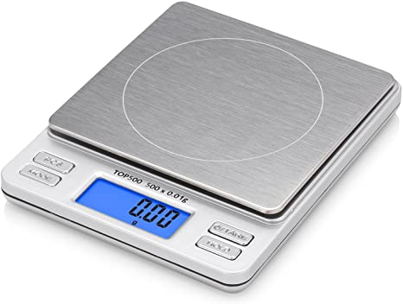
Portion Cups of Varying Sizes - 2 oz souffle - 8 oz deli container - 16 oz deli container - 32 oz deli container | 
Mixing Bowl | 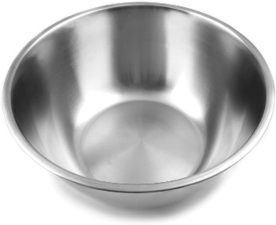
Large Metal Skillet
Loafpan
Parchment Paper, strips
Oven (set at 350˚F)
Meat Thermometer | 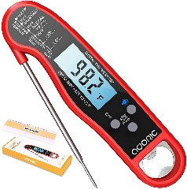

Ingredients CU
Ingredient needs for 1 loaf of OG CU Meatloaf |  |  | Ingredient needs for 1 loaf of IP CU Meatloaf |  |  | Ingredient needs for 1 loaf of IPS CU Meatloaf
Ingredient | Image | Amount Needed | Ingredient | Image | Amount Needed | Ingredient | Image | Amount Needed
Spray Oil |  | 1-2 sec. spray | Spray Oil |  | 1-2 sec. spray | Spray Oil |  | 1-2 sec. spray
Ground Beef, 80/20 | 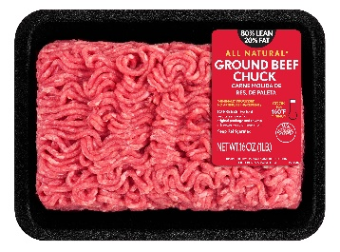 | 648.57 g | Ground Beef, 95/5 | 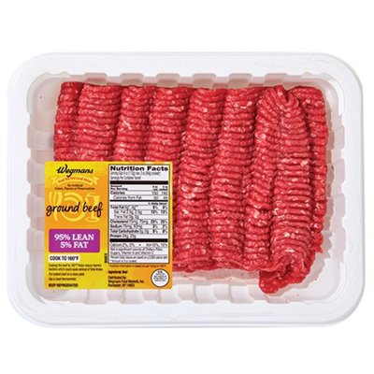 | 639.4 g | Ground Beef, 95/5 |  | 639.4 g
Whole Milk | 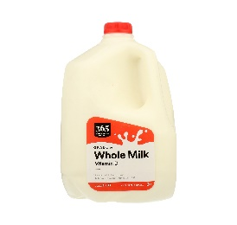 | 30.35 g | Whole Milk |  | 30.35 g | Whole Milk |  | 30.35 g
Breadcrumbs, plain |  | 78.78 g | Breadcrumbs, plain |  | 78.78 g | Breadcrumbs, plain |  | 78.78 g
Crushed Tomatoes | 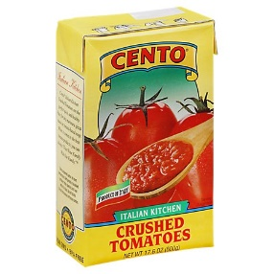 | 92.54 g | Crushed Tomatoes |  | 92.54 g | Crushed Tomatoes |  | 92.54 g
Egg |  | 162.42 g | Egg |  | 162.42 g | Egg |  | 162.42 g
Morton's Iodized Salt | 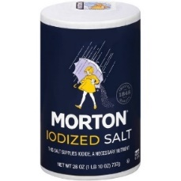 | 6 g | Morton's Iodized Salt |  | 2 g | Morton's Iodized Salt |  | 2 g
Black Pepper, shaker grind |  | 1 g | Black Pepper, shaker grind |  | 1 g | Parsley |  | 1.5 g
 |  |  |  |  |  | Onion Powder |  | 8 g
 |  |  |  |  |  | Garlic Powder |  | 6.5 g
 |  |  |  |  |  | Black Pepper, shaker grind |  | 2.5 g
 |  |  |  |  |  | Cumin |  | 0.8 g
 |  |  |  |  |  | Mustard Seed, ground |  | 1.2 g
 |  |  |  |  |  | Cayenne |  | 0.2 g

Original
Procedure for OG CU 001v Meatloaf
Serving weight: 140g | Servings per Recipe: 16
1. Preheat oven to 350˚F. Prepare pan by spraying the interior with oil spray and lining with parchment paper. | 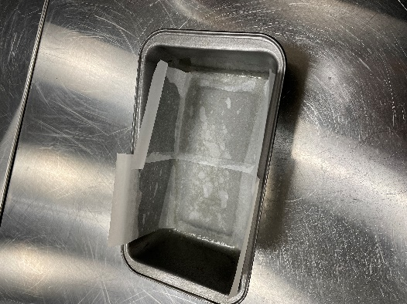
2. Collect and scale all ingredients individually - 80/20 Ground Beef 648.57g - Whole Milk 30.35g - Breadcrumbs, plain 78.78g - Crushed Tomatoes 92.54g - Egg, whole 162.42g - Salt, Morton's Iodized 6g - Black Pepper 1g | 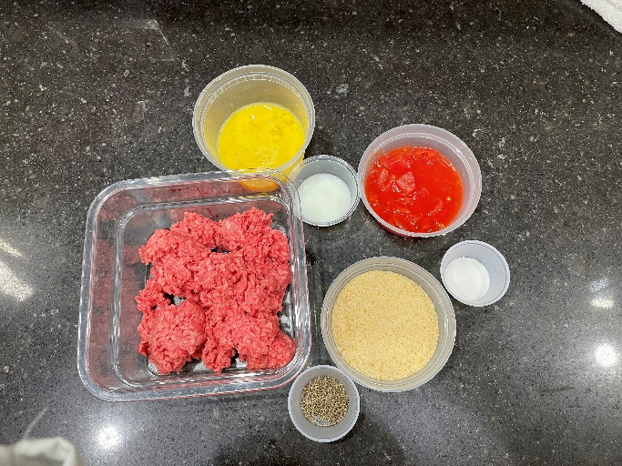
3. In a bowl, mix together all ingredients by hand for 8-10 minutes. | 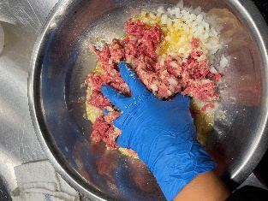
4. Add mixture to the prepared loafpan and pat down so the meat fills all corners of the pan and is flat on top.
5. Place loafpan in the oven and bake for 50 minutes. Temperature should read at least 165˚ F.
6. Remove from oven. Allow to cool at room temperature for 10 minutes.
7. Remove loaf from pan. Cut the two ends off and portion into 16 pieces. | 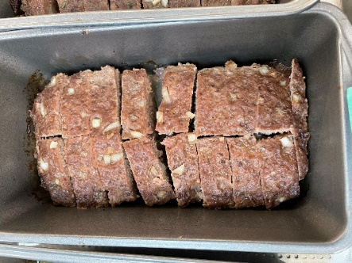
8. TO SERVE: Place pieces into separate portion plates for serving. Hold at 165˚ F for no longer than 30 min.

Nutritionally Improved
Procedure for IP CU 003v Meatloaf
Serving weight: 140g | Servings per Recipe: 16
1. Preheat oven to 350˚F. Prepare pan by spraying the interior with oil spray and lining with parchment paper.
2. Collect and scale all ingredients individually - 95/5 Ground Beef 639.4g - Whole Milk 30.35g - Breadcrumbs, plain 78.78g - Crushed Tomatoes 92.54g - Egg, whole 162.42g - Salt, Morton's Iodized 2g - Black Pepper 1g | 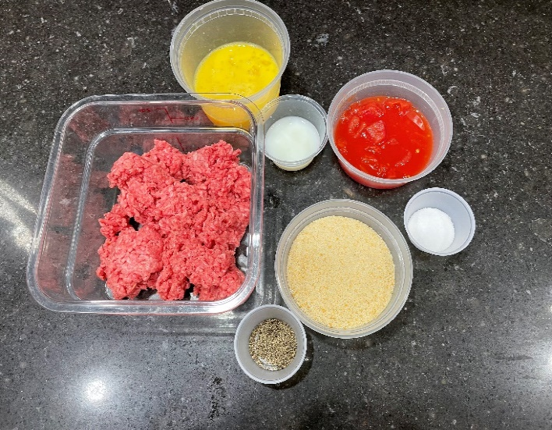
3. In a bowl, mix together all ingredients by hand for 8-10 minutes.
4. Add mixture to the prepared loafpan and pat down so the meat fills all corners of the pan and is flat on top.
5. Place loafpan in the oven and bake for 50 minutes. Temperature should read at least 165˚ F.
6. Remove from oven. Allow to cool at room temperature for 10 minutes.
7. Remove loaf from pan. Cut the two ends off and portion into 16 pieces.
8. TO SERVE: Place pieces into separate portion plates for serving. Hold at 165˚ F for no longer than 30 min.

Flavor Enhanced Nutritionally I
Procedure for IPS CU 003v Meatloaf
Serving weight: 140g | Servings per Recipe: 16
1. Preheat oven to 350˚F. Prepare pan by spraying the interior with oil spray and lining with parchment paper.
2. Collect and scale all ingredients individually - 95/5 Ground Beef 639.4g - Whole Milk 30.35g - Breadcrumbs, plain 78.78g - Crushed Tomatoes 92.54g - Egg, whole 162.42g - Salt, Morton's Iodized 2g - Black Pepper 2.5g - Parsley Flakes 1.5g - Onion Powder 8g - Garlic Powder 6.5g - Cumin 0.8g - Mustard Seed, ground 1.2g - Cayenne 0.2g | 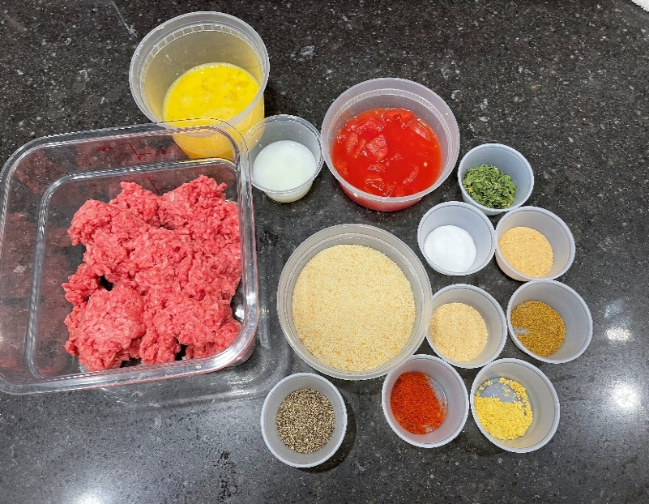
3. In a bowl, mix together all ingredients by hand for 8-10 minutes.
4. Add mixture to the prepared loafpan and pat down so the meat fills all corners of the pan and is flat on top. | 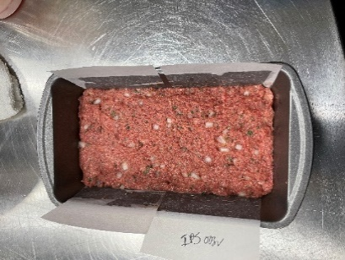
5. Place loafpan in the oven and bake for 50 minutes. Temperature should read at least 165˚ F.
6. Remove from oven. Allow to cool at room temperature for 10 minutes.
7. Remove loaf from pan. Cut the two ends off and portion into 16 pieces.
8. TO SERVE: Place pieces into separate portion plates for serving. Hold at 165˚ F for no longer than 30 min.

