INNER JOIN
Example 1
 | Table1 | Table2 |  |  | Result Table

 | ColumnA | ColumnA |  | SELECT Table1.*,Table2.* FROM Table1 INNER JOIN Table2 ON Table1.ColumnA = Table2.ColumnA | ColumnA | ColumnA
 | 1 | 1 |  |  | 1 | 1
 | 2 | 3 |  |  | 3 | 3
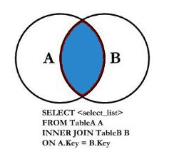
 | 3 | 4 |  |  | 4 | 4
 | 4

Example 2
Table 1: Customers |  | Table 2: Orders |  |  | Result Table

CustomerID | CustomerName | OrderID | CustomerID | SELECT OrderID, CustomerName FROM Customers INNER JOIN Orders ON Customers.CustomerID = Orders.CustomerID | CustomerName | OrderID
1 | Eric Parish | 1 | 1 |  | Eric Parish | 1
2 | Brenda Brown | 2 | 3 |  | Julia Graham | 2
3 | Julia Graham | 3 | 4 |  | Mary Briggs | 3
4 | Mary Briggs
 |  |  |  |  | *Brenda hasn't placed an order and isn't in the result set

LEFT JOIN
Example 1
 | Table1 | Table2 |  |  | Result Table

 | ColumnA | ColumnA |  | SELECT Table1.*,Table2.* FROM Table1 LEFT JOIN Table2 ON Table1.ColumnA = Table2.ColumnA | ColumnA | ColumnA
 | 1 | 1 |  |  | 1 | 1
 | 2 | 3 |  |  | 2 | null
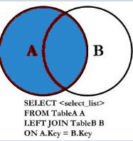
 | 3 | 4 |  |  | 3 | 3
 | 4 |  |  |  | 4 | 4

Example 2
Table 1: Customers |  | Table 2: Orders |  |  | Result Table

CustomerID | CustomerName | OrderID | CustomerID | SELECT CustomerName, OrderID FROM Customers LEFT JOIN Orders ON Customers.CustomerID = Orders.CustomerID | CustomerName | OrderID
1 | Eric Parish | 1 | 1 |  | Eric Parish | 1
2 | Brenda Brown | 2 | 3 |  | Brenda Brown | null
3 | Julia Graham | 3 | 4 |  | Julia Graham | 2
4 | Mary Briggs |  |  |  | Mary Briggs | 3

 |  |  |  |  | *Brenda hasn't placed an order, but is in the result set

