Sheet1
options = optimoptions('ga', 'PopulationSize',popSize, 'Generations', nGenerations, 'TimeLimit', timeLimit,'SelectionFcn', {@selectiontournament,2}, 'CrossoverFcn','crossoverscattered', 'CrossoverFraction', 0.8, 'EliteCount',5,'PlotFcn', {@gaplotbestf, @gaplotrange, @gaplotdistance}); |  |  |  |  | options = optimoptions('ga', 'PopulationSize',popSize, 'Generations', nGenerations, 'TimeLimit', timeLimit, 'PlotFcn', {@gaplotbestf, @gaplotrange, @gaplotdistance}); |  |  |  |  | options = optimoptions(@ga,'PlotFcn',@gaplotpareto, 'UseParallel',false, 'Generations', nGenerations, 'TimeLimit', timeLimit, 'PopulationSize', popSize); |  |  |  |  |  | options = optimoptions(@ga, 'PopulationSize', popSize, 'UseParallel',false, 'Generations', nGenerations, 'TimeLimit', timeLimit, 'PlotFcn', {@gaplotbestf, @gaplotrange, @gaplotdistance});

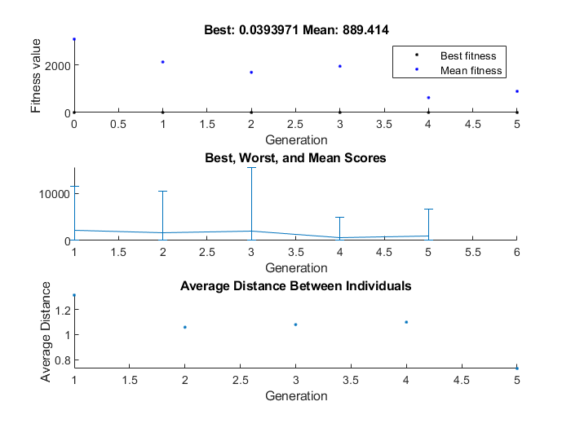
coeffEstimate |  |  |  |  | coeffEstimate |  |  |  |  | coeffEstimate |  |  |  |  |  | coeffEstimate
-0.67996114296 | -0.045132627998 | 0.68397161003 | 0.63232141599 | 0.5964551575 | -0.01917011656 | -0.45014677764 | -0.23719406421 | -0.50561738436 | -0.30004231328 | 0.25462845767 | -0.0089148526658 | 0.1156942136 | 0.31088519475 | 0.25417153495 | No image could be outputted | 0.043881106272 | -0.4609913028 | 0.39708027077 | -0.55417247687 | -0.24263148667
0.50663667838 | 0.95587069821 | 1.9817327931 | 1.8819743576 | 1.815671111 | 0.98101246158 | 0.63753456894 | 0.7888381879 | 0.60313309552 | 0.74078687489 | 1.2899822488 | 0.99112476681 | 1.1226525278 | 1.3646325452 | 1.2893929613 | gaplotpareto' can only be used for MGA | 1.0448581204 | 0.63065816233 | 1.487475326 | 0.57454751589 | 0.78456058154
Population |  |  |  |  | Population |  |  |  |  | Population |  |  |  |  |  | Population
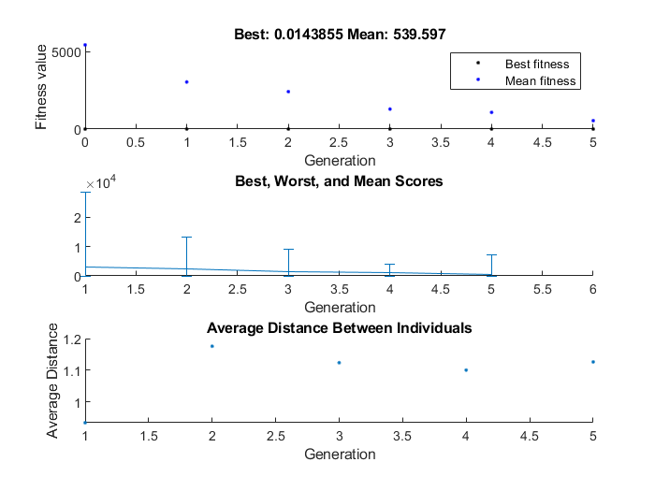
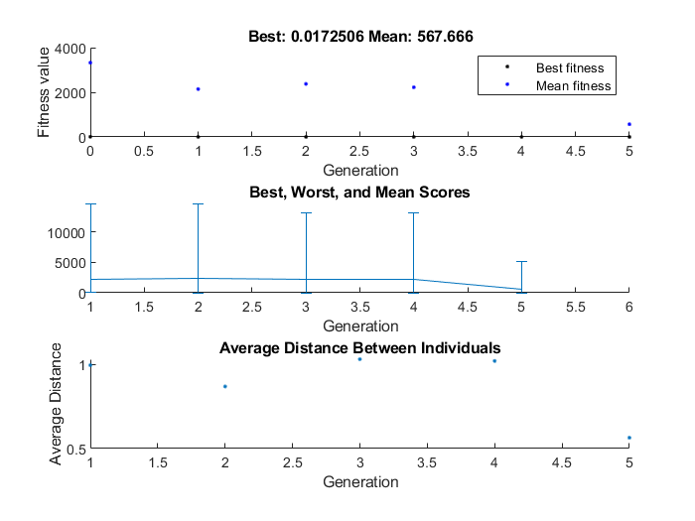
-0.67996114296 | -0.045132627998 | 0.68397161003 | 0.63232141599 | 0.5964551575 | -0.01917011656 | -0.45014677764 | -0.23719406421 | -0.50561738436 | -0.30004231328 | 0.25462845767 | -0.0089148526658 | 0.1156942136 | 0.31088519475 | 0.25417153495 |  | 0.043881106272 | -0.4609913028 | 0.39708027077 | -0.55417247687 | -0.24263148667
0.13923900994 | -0.38804480878 | -0.49526743866 | -0.39398474458 | 0.32327308254 | -0.01917011656 | -0.45014677764 | -0.23719406421 | -0.50561738436 | -0.30004231328 | 0.25462845767 | -0.0089148526658 | 0.1156942136 | 0.31088519475 | 0.25417153495 |  | 0.043881106272 | -0.4609913028 | 0.39708027077 | -0.55417247687 | -0.24263148667
-0.36076099006 | -0.15589809489 | 0.64027462861 | 0.33621477224 | -0.39154179224 | -0.01917011656 | -0.45014677764 | -0.61473772102 | -0.50561738436 | -0.30004231328 | 0.25462845767 | -0.0089148526658 | 0.1156942136 | 0.31088519475 | 0.25417153495 |  | 0.043881106272 | -0.4609913028 | -0.25770504812 | -0.55417247687 | -0.55924033303
-0.67996114296 | -0.045132627998 | 0.68397161003 | 0.63232141599 | 0.15299689314 | -0.01917011656 | -0.45014677764 | -0.61473772102 | -0.50561738436 | 0.16125506829 | -0.021572573334 | -0.12017231448 | 0.1156942136 | 0.31088519475 | 0.25417153495 |  | 0.043881106272 | -0.4609913028 | 0.39708027077 | -0.55417247687 | -0.24263148667
-0.64902404172 | -0.045132627998 | 0.20357149791 | 0.63232141599 | 0.43199141518 | -0.01917011656 | -0.45014677764 | -0.45601184486 | -0.50561738436 | -0.30004231328 | -0.065623609691 | 0.055612249353 | -0.66156508257 | 0.27996996667 | -0.48170927381 |  | 0.043881106272 | -0.4609913028 | 0.39708027077 | 0.46362124818 | -0.24263148667
0.13923900994 | -0.38804480878 | -0.49526743866 | -0.56734155157 | -0.39154179224 | -0.01917011656 | -0.45014677764 | -0.23719406421 | -0.50561738436 | -0.30004231328 | 0.25462845767 | -0.0089148526658 | 0.1156942136 | 0.2492895745 | 0.25417153495 |  | 0.043881106272 | -0.50819190487 | 0.39708027077 | -0.33452897529 | -0.24263148667
0.13923900994 | -0.38804480878 | 0.39107149791 | 0.086214772244 | -0.39154179224 | -0.01917011656 | -0.45014677764 | -0.23719406421 | -0.50561738436 | -0.30004231328 | 0.25462845767 | -0.0089148526658 | 0.1156942136 | -0.18911480525 | -0.23170927381 |  | 0.043881106272 | -0.092532678393 | -0.18251397791 | -0.55417247687 | -0.24263148667
-0.024024041722 | -0.3393404092 | 0.39107149791 | 0.086214772244 | 0.44827308254 | 0.047850654583 | -0.41369830937 | 0.689720192 | -0.56215973423 | 0.16125506829 | 0.25462845767 | -0.0089148526658 | -0.050204883358 | 0.31088519475 | -0.63773160281 |  | 0.043881106272 | -0.092532678393 | 0.56348708448 | 0.038952626484 | -0.24263148667
-0.67996114296 | -0.095128818732 | -0.22669053939 | 0.63232141599 | -0.36757740374 | -0.01917011656 | -0.45014677764 | -0.23719406421 | -0.50561738436 | -0.30004231328 | 0.52068540671 | -0.0089148526658 | -0.050204883358 | 0.31088519475 | 0.25417153495 |  | 0.043881106272 | -0.4609913028 | 0.39708027077 | -0.55417247687 | -0.24263148667
0.13923900994 | -0.38804480878 | -0.49526743866 | -0.56734155157 | -0.093053221279 | -0.01917011656 | -0.45014677764 | 0.012805935786 | -0.50561738436 | 0.19995768672 | -0.024437235814 | -0.12017231448 | 0.1156942136 | 0.14621066548 | 0.049617583535 |  | 0.043881106272 | -0.092532678393 | -0.3 | -0.55417247687 | -0.35207437256
-0.64902404172 | -0.38804480878 | 0.45674473295 | 0.33621477224 | 0.6688465278 | -0.01917011656 | -0.41369830937 | -0.23719406421 | -0.0012144902546 | -0.30004231328 | 0.25462845767 | 0.18423698403 | -0.050204883358 | 0.10030321162 | 0.25417153495 |  | 0.043881106272 | -0.4609913028 | 0.39708027077 | -0.55417247687 | -0.24263148667
-0.024024041722 | -0.38804480878 | -0.49526743866 | 0.086214772244 | 0.32327308254 | -0.01917011656 | -0.45014677764 | -0.23719406421 | -0.50561738436 | -0.30004231328 | 0.25462845767 | -0.0089148526658 | 0.1156942136 | 0.10030321162 | 0.25417153495 |  | 0.043881106272 | -0.44848070494 | 0.39708027077 | -0.55417247687 | 0.62092491557
-0.64902404172 | -0.38804480878 | 0.0060030808776 | 0.33621477224 | 0.6688465278 | -0.01917011656 | -0.45014677764 | -0.7 | -0.60806018048 | 0.44530659678 | 0.038003105232 | -0.12017231448 | 0.1156942136 | 0.14621066548 | 0.25417153495 |  | 0.30388765469 | 0.12246071659 | -0.25770504812 | 0.58927457909 | -0.24263148667
-0.67996114296 | -0.045132627998 | 0.68397161003 | 0.63232141599 | 0.5964551575 | -0.01917011656 | -0.45014677764 | -0.23719406421 | -0.50561738436 | -0.30004231328 | -0.46199689477 | -0.12017231448 | 0.1156942136 | 0.62437064786 | -0.16135788638 |  | 0.043881106272 | -0.4609913028 | 0.39708027077 | -0.55417247687 | -0.24263148667
0.13923900994 | -0.38804480878 | -0.49526743866 | -0.56734155157 | 0.32327308254 | 0.19966302147 | 0.12812724005 | -0.21750834832 | -0.50561738436 | -0.19701251543 | 0.18724468687 | -0.12017231448 | 0.1156942136 | 0.14621066548 | 0.25417153495 |  | 0.043881106272 | -0.4609913028 | 0.39708027077 | -0.55417247687 | -0.24263148667
0.13923900994 | -0.045132627998 | 0.25600308088 | -0.31734155157 | 0.5964551575 | -0.01917011656 | -0.45014677764 | -0.61473772102 | -0.50561738436 | 0.26514490552 | -0.024437235814 | -0.12017231448 | 0.1156942136 | 0.14621066548 | 0.049617583535 |  | 0.043881106272 | -0.4609913028 | 0.39708027077 | -0.55417247687 | -0.24263148667
0.13923900994 | -0.38804480878 | 0.68397161003 | 0.63232141599 | 0.32327308254 | -0.01917011656 | -0.13051033706 | -0.23719406421 | -0.50561738436 | -0.30004231328 | 0.25462845767 | -0.0089148526658 | 0.1156942136 | 0.14621066548 | 0.25417153495 |  | -0.34856705384 | -0.4609913028 | -0.18251397791 | -0.55417247687 | -0.35207437256
0.13923900994 | -0.38804480878 | -0.49399691912 | -0.12803340687 | 0.15299689314 | -0.01917011656 | -0.45014677764 | -0.23719406421 | 0.11896883302 | 0.16125506829 | 0.45594622358 | -0.12017231448 | 0.1156942136 | 0.31088519475 | 0.48698697223 |  | -0.59856705384 | -0.4609913028 | -0.18251397791 | -0.55417247687 | -0.24263148667
-0.67996114296 | -0.045132627998 | 0.68397161003 | 0.63232141599 | 0.5964551575 | -0.01917011656 | -0.45014677764 | -0.23719406421 | -0.50561738436 | 0.26514490552 | 0.25462845767 | -0.0089148526658 | 0.1156942136 | 0.31088519475 | 0.25417153495 |  | -0.59856705384 | -0.4609913028 | -0.18251397791 | 0.46362124818 | -0.24263148667
0.13923900994 | -0.38804480878 | -0.49526743866 | -0.56734155157 | 0.32327308254 | -0.01917011656 | -0.45014677764 | -0.45601184486 | -0.50561738436 | -0.30004231328 | 0.7 | -0.12017231448 | -0.60416942285 | 0.10030321162 | -0.41135788638 |  | -0.59856705384 | -0.34417873212 | 0.6030930143 | -0.55417247687 | -0.24263148667
-0.42996114296 | -0.045132627998 | -0.54325526705 | 0.63232141599 | -0.36757740374 | 0.5998800286 | 0.29985322236 | 0.28249165168 | -0.50561738436 | 0.26514490552 | 0.25462845767 | -0.0089148526658 | 0.1156942136 | 0.56088519475 | 0.44167153495 |  | 0.51862258964 | -0.50819190487 | -0.19805316397 | -0.33452897529 | -0.24263148667
-0.64902404172 | -0.029507627998 | 0.32857149791 | 0.50732141599 | 0.47886641518 | -0.6043329261 | -0.16369830937 | -0.23719406421 | -0.0012144902546 | -0.23840143915 | 0.25462845767 | 0.11608514733 | 0.1156942136 | 0.31088519475 | 0.50417153495 |  | 0.10638110627 | 0.15746732161 | 0.36729214473 | 0.46362124818 | 0.0073685133299
0.014239009939 | -0.38804480878 | 0.14027462861 | -0.39398474458 | -0.31341679224 | 0.23082988344 | -0.20014677764 | -0.61473772102 | -0.50561738436 | -0.30004231328 | 0.22556276419 | 0.62982768552 | 0.3656942136 | 0.14621066548 | -0.038326811545 |  | 0.043881106272 | 0.039008697197 | -0.040419729232 | 0.19582752313 | -0.05513148667
-0.67996114296 | 0.029871181268 | -0.13294053939 | 0.64794641599 | -0.30507740374 | 0.054473487314 | -0.33870235289 | 0.032491651676 | -0.25561738436 | 0.51514490552 | 0.52068540671 | 0.12982768552 | -0.050204883358 | 0.14621066548 | -0.16332681155 |  | 0.043881106272 | -0.19848070494 | 0.39708027077 | -0.55417247687 | -0.24263148667
0.014239009939 | -0.38804480878 | 0.45674473295 | -0.0030334068725 | 0.15299689314 | 0.16832988344 | -0.38764677764 | -0.61473772102 | -0.50561738436 | -0.55004231328 | 0.37962845767 | -0.0089148526658 | 0.3031942136 | 0.060885194747 | 0.44167153495 |  | 0.54388110627 | -0.2109913028 | -0.10291972923 | -0.054172476867 | -0.05513148667

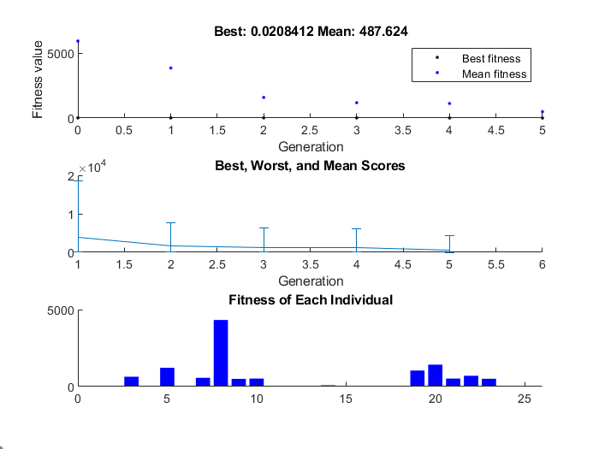
 |  |  |  |  |  |  |  |  |  |  |  |  |  |  |  | options = optimoptions('ga', 'PopulationSize',popSize, 'Generations', nGenerations, 'TimeLimit', timeLimit, 'PlotFcn', {@gaplotbestf, @gaplotrange, @gaplotscores});

 |  |  |  |  |  |  |  |  |  |  |  |  |  |  |  | coeffEstimate
 |  |  |  |  |  |  |  |  |  |  |  |  |  |  |  | 0.16437196893 | -0.063225105433 | 0.098673902668 | 0.18448899169 | -0.3895577429
 |  |  |  |  |  |  |  |  |  |  |  |  |  |  |  | 1.1786526557 | 0.9387321362 | 1.1037063252 | 1.2026037426 | 0.67735637393
 |  |  |  |  |  |  |  |  |  |  |  |  |  |  |  | Population
 |  |  |  |  |  |  |  |  |  |  |  |  |  |  |  | 0.16437196893 | -0.063225105433 | 0.098673902668 | 0.21984580658 | 0.6104422571
 |  |  |  |  |  |  |  |  |  |  |  |  |  |  |  | 0.16437196893 | -0.063225105433 | 0.11574533436 | 0.21984580658 | -0.3895577429
 |  |  |  |  |  |  |  |  |  |  |  |  |  |  |  | 0.16437196893 | 0.11621930946 | 0.098673902668 | 0.21984580658 | 0.6104422571
 |  |  |  |  |  |  |  |  |  |  |  |  |  |  |  | 0.16437196893 | -0.063225105433 | 0.098673902668 | 0.18448899169 | -0.3895577429
 |  |  |  |  |  |  |  |  |  |  |  |  |  |  |  | 0.16437196893 | -0.30387770402 | -0.38425466564 | 0.21984580658 | 0.27277907549
 |  |  |  |  |  |  |  |  |  |  |  |  |  |  |  | 0.16437196893 | -0.063225105433 | 0.098673902668 | 0.21984580658 | -0.3895577429
 |  |  |  |  |  |  |  |  |  |  |  |  |  |  |  | 0.16437196893 | -0.46249289436 | 0.098673902668 | -0.28015419342 | -0.57600517155
 |  |  |  |  |  |  |  |  |  |  |  |  |  |  |  | 0.16437196893 | 0.43677489457 | 0.34867390267 | 0.21984580658 | -0.57600517155
 |  |  |  |  |  |  |  |  |  |  |  |  |  |  |  | 0.16437196893 | -0.063225105433 | 0.098673902668 | 0.47499719266 | 0.52186524119
 |  |  |  |  |  |  |  |  |  |  |  |  |  |  |  | 0.16437196893 | 0.11621930946 | 0.098673902668 | 0.21984580658 | -0.57600517155
 |  |  |  |  |  |  |  |  |  |  |  |  |  |  |  | -0.33562803107 | -0.063225105433 | 0.098673902668 | 0.46984580658 | -0.3895577429
 |  |  |  |  |  |  |  |  |  |  |  |  |  |  |  | 0.16437196893 | -0.063225105433 | 0.11574533436 | 0.21984580658 | -0.3895577429
 |  |  |  |  |  |  |  |  |  |  |  |  |  |  |  | 0.16437196893 | -0.063225105433 | 0.098673902668 | 0.21984580658 | -0.3895577429
 |  |  |  |  |  |  |  |  |  |  |  |  |  |  |  | 0.16437196893 | 0.041516640811 | 0.098673902668 | 0.46984580658 | -0.57600517155
 |  |  |  |  |  |  |  |  |  |  |  |  |  |  |  | 0.16437196893 | -0.063225105433 | 0.098673902668 | 0.21984580658 | -0.3895577429
 |  |  |  |  |  |  |  |  |  |  |  |  |  |  |  | 0.16437196893 | -0.063225105433 | 0.14896901308 | 0.21984580658 | -0.3895577429
 |  |  |  |  |  |  |  |  |  |  |  |  |  |  |  | 0.16437196893 | -0.063225105433 | 0.098673902668 | 0.21984580658 | -0.3895577429
 |  |  |  |  |  |  |  |  |  |  |  |  |  |  |  | 0.16437196893 | -0.063225105433 | 0.11574533436 | 0.21984580658 | -0.3895577429
 |  |  |  |  |  |  |  |  |  |  |  |  |  |  |  | 0.16437196893 | -0.063225105433 | 0.098673902668 | -0.35971656504 | -0.57600517155
 |  |  |  |  |  |  |  |  |  |  |  |  |  |  |  | -0.25727365069 | 0.11621930946 | 0.098673902668 | 0.21984580658 | -0.49555910539
 |  |  |  |  |  |  |  |  |  |  |  |  |  |  |  | 0.16437196893 | 0.11621930946 | 0.098673902668 | 0.21984580658 | -0.57600517155
 |  |  |  |  |  |  |  |  |  |  |  |  |  |  |  | 0.16437196893 | 0.11621930946 | 0.098673902668 | 0.21984580658 | 0.50444089461
 |  |  |  |  |  |  |  |  |  |  |  |  |  |  |  | 0.37667609908 | 0.11621930946 | 0.11574533436 | 0.21984580658 | 0.47050142822
 |  |  |  |  |  |  |  |  |  |  |  |  |  |  |  | 0.16437196893 | -0.063225105433 | 0.098673902668 | 0.21984580658 | 0.6104422571
 |  |  |  |  |  |  |  |  |  |  |  |  |  |  |  | 0.16437196893 | -0.063225105433 | 0.11574533436 | 0.21984580658 | -0.3895577429

Sheet2
options = optimoptions(@ga, 'PopulationSize', popSize, 'UseParallel',false, 'Generations', nGenerations, 'TimeLimit', timeLimit, 'PlotFcn', @gaplotbestf);

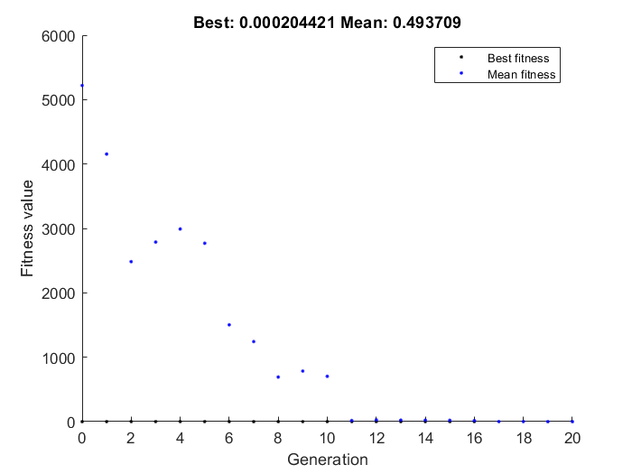
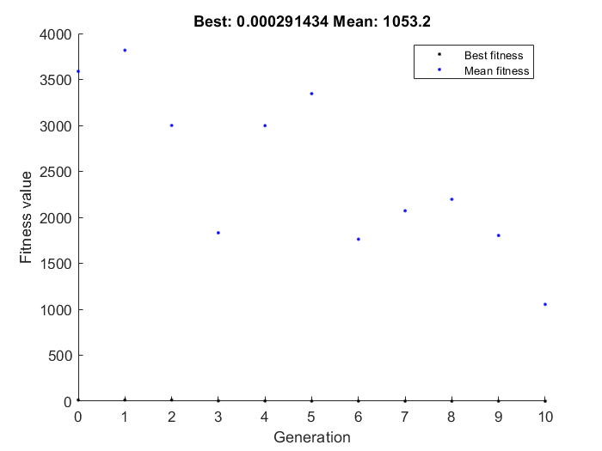
coeffEstimate |  |  |  |  | coeffEstimate
0.12425805516 | -0.45492008849 | -0.38567760911 | -0.69785595049 | -0.30702738441 | -0.58330240653 | -0.51903690699 | 0.64826449389 | -0.052180199344 | 0.051442199131 | Generation=10
1.1323080312 | 0.63449866967 | 0.67998971283 | 0.49765114947 | 0.73563045582 | 0.55805240428 | 0.59509340237 | 1.9122192793 | 0.94915781382 | 1.0527883325
Population |  |  |  |  | Population
0.12425805516 | -0.45492008849 | -0.38567760911 | -0.69785595049 | -0.30702738441 | -0.58330240653 | -0.51903690699 | 0.64826449389 | -0.052180199344 | 0.051442199131
0.12425805516 | -0.45492008849 | -0.38567760911 | -0.69785595049 | -0.30757670082 | -0.58330240653 | -0.51903690699 | 0.64826449389 | -0.052180199344 | 0.051442199131
0.12425805516 | -0.45492008849 | -0.38567760911 | -0.69785595049 | -0.30757670082 | -0.58330240653 | -0.51903690699 | 0.64826449389 | -0.052180199344 | 0.041121756484
0.15550805516 | -0.43734196349 | -0.38567760911 | -0.69785595049 | -0.31386332191 | -0.58330240653 | -0.51903690699 | 0.45237170486 | -0.052180199344 | 0.051442199131
0.14452172703 | -0.45492008849 | -0.39062145677 | -0.69785595049 | -0.28358988441 | -0.19049033986 | -0.51903690699 | 0.45237170486 | -0.052180199344 | 0.051442199131
0.11644555516 | -0.45791081115 | -0.42187145677 | -0.69785595049 | -0.30702738441 | -0.58330240653 | -0.51903690699 | 0.64826449389 | -0.052180199344 | 0.051442199131
0.12425805516 | -0.45492008849 | -0.37005260911 | -0.69785595049 | -0.30757670082 | -0.58330240653 | -0.51903690699 | 0.45237170486 | -0.052180199344 | 0.051442199131
0.11644555516 | -0.45492008849 | -0.39062145677 | -0.69785595049 | -0.31483988441 | -0.58330240653 | -0.51903690699 | 0.45237170486 | -0.052180199344 | 0.041121756484
0.11644555516 | -0.45492008849 | -0.38567760911 | -0.69785595049 | -0.31483988441 | -0.58330240653 | -0.51903690699 | 0.45237170486 | -0.052180199344 | 0.051442199131
0.12425805516 | -0.45492008849 | -0.38567760911 | -0.69004345049 | -0.30702738441 | -0.58330240653 | -0.49987882649 | 0.37715507799 | 0.44781980066 | 0.051442199131
0.12425805516 | -0.45791081115 | -0.39062145677 | -0.69785595049 | -0.31483988441 | -0.58330240653 | -0.51903690699 | 0.45237170486 | -0.052180199344 | -0.17740133743
0.12425805516 | -0.45492008849 | -0.38567760911 | -0.69785595049 | -0.30757670082 | -0.58330240653 | -0.51903690699 | 0.64826449389 | -0.052180199344 | -0.17740133743
0.11644555516 | -0.45791081115 | -0.38567760911 | -0.69785595049 | -0.31386332191 | -0.58330240653 | -0.51903690699 | 0.64826449389 | -0.052180199344 | 0.051442199131
0.11644555516 | -0.45791081115 | -0.38567760911 | -0.69785595049 | -0.30702738441 | -0.58330240653 | -0.51903690699 | 0.64826449389 | -0.052180199344 | 0.051442199131
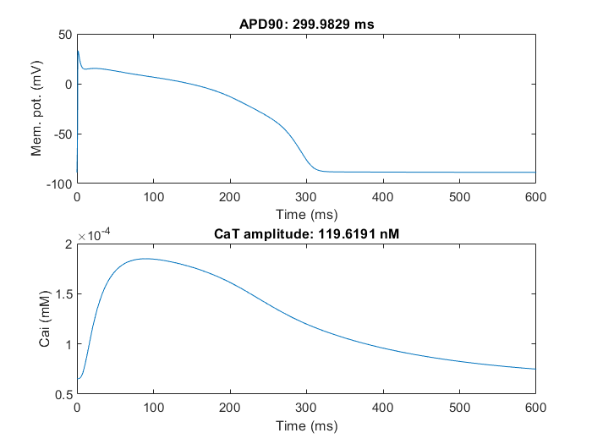
0.12914086766 | -0.45492008849 | -0.39062145677 | -0.69785595049 | -0.31483988441 | -0.66319353873 | 0.48096309301 | 0.45237170486 | -0.052180199344 | 0.051442199131
0.12987328953 | -0.45791081115 | -0.39062145677 | -0.69785595049 | -0.31386332191 | -0.58330240653 | -0.51903690699 | 0.45237170486 | -0.052180199344 | 0.051442199131
0.11644555516 | -0.45492008849 | -0.39062145677 | -0.69785595049 | -0.31483988441 | -0.58330240653 | -0.25347466698 | 0.45237170486 | -0.052180199344 | 0.051442199131
0.11644555516 | -0.45791081115 | -0.39062145677 | -0.69785595049 | -0.30702738441 | 0.050311449929 | -0.51903690699 | 0.45237170486 | -0.052180199344 | 0.041121756484
0.12425805516 | -0.45492008849 | -0.38567760911 | -0.69785595049 | -0.30605082191 | -0.58330240653 | -0.51903690699 | 0.022289659364 | 0.19781980066 | 0.051442199131
0.11644555516 | -0.44228581115 | -0.39062145677 | -0.68809032549 | -0.30898050941 | -0.19049033986 | 0.00012117351177 | 0.022289659364 | 0.44781980066 | 0.54112175648
0.12669946141 | -0.4447272174 | -0.38891247239 | -0.63340282549 | -0.33046488441 | -0.58330240653 | -0.51903690699 | 0.39826449389 | -0.052180199344 | 0.051442199131
0.13817407078 | -0.43642643615 | -0.38573864427 | -0.67576122393 | -0.34578470863 | -0.60069353873 | -0.51903690699 | 0.63987170486 | -0.30218019934 | 0.30144219913
0.12425805516 | -0.43929508849 | -0.38567760911 | -0.69785595049 | -0.30702738441 | -0.53819353873 | -0.26903690699 | 0.45237170486 | -0.30218019934 | 0.051442199131
0.11644555516 | -0.45492008849 | -0.39062145677 | -0.68223095049 | -0.31288675941 | -0.66319353873 | -0.019036906989 | 0.64826449389 | 0.19781980066 | 0.30144219913
0.11644555516 | -0.45791081115 | -0.39062145677 | -0.67539501299 | -0.29921488441 | -0.45830240653 | -0.51903690699 | 0.64826449389 | -0.052180199344 | -0.19855780087

Sheet3
options = optimoptions('ga', 'PopulationSize',popSize, 'Generations', nGenerations, 'TimeLimit', timeLimit,'SelectionFcn', {@selectiontournament,2}, 'CrossoverFcn','crossoverscattered', 'CrossoverFraction', 0.8, 'EliteCount',5,'PlotFcn', @gaplotbestf);

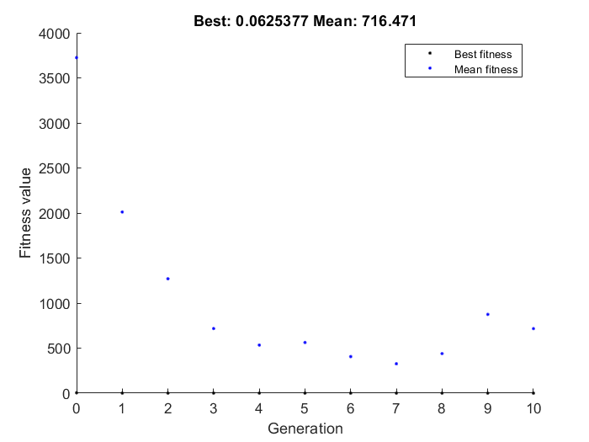
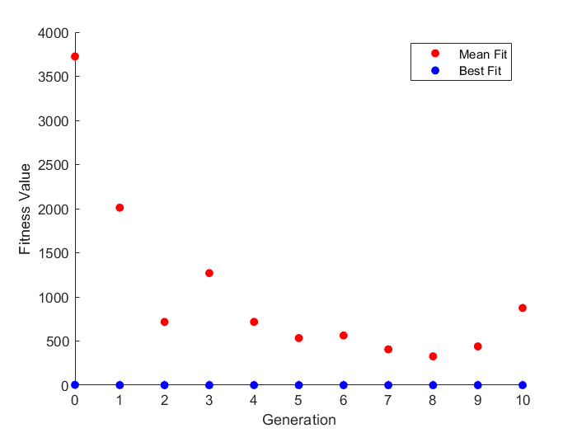
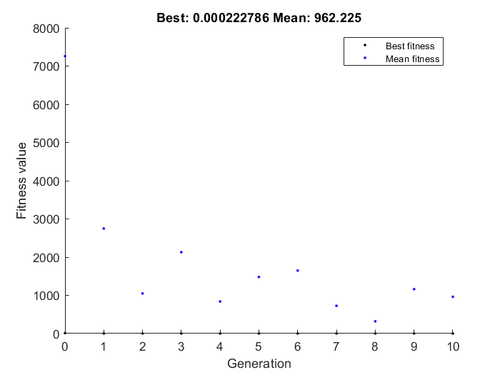
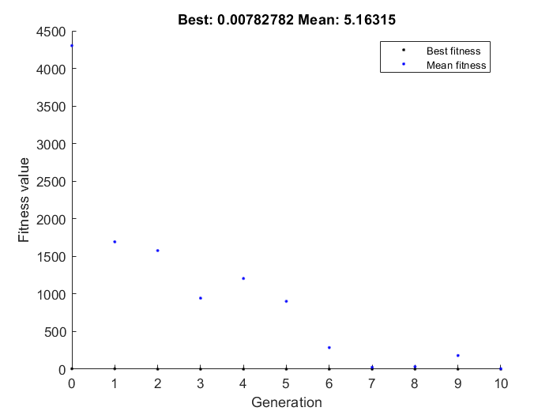
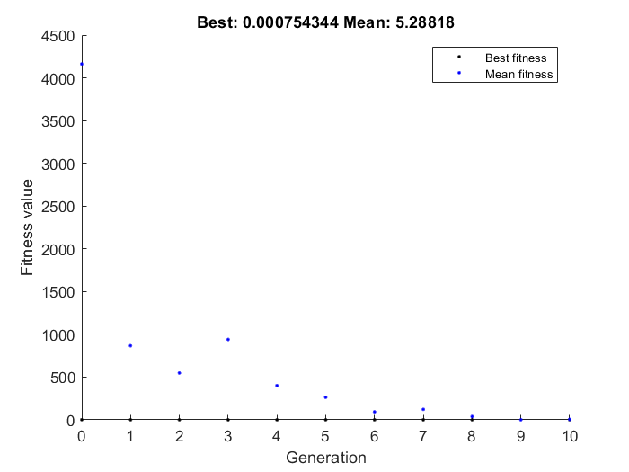
errors(1) = (apd90 - 300)^2+40*(CaTamplitude - 4e-4)^2;
coeffEstimate |  |  |  |  |  |  |  | coeffEstimate |  |  |  |  | coeffEstimate |  |  |  |  | coeffEstimate |  |  |  |  | coeffEstimate
-0.0045910504389 | -0.44488077862 | 0.035102310907 | -0.46272179962 | 0.14626984089 |  |  |  | 0.2780941014 | -0.22845442768 | -0.21154693475 | -0.24666432581 | -0.34004666031 | -0.58052122707 | -0.08538153579 | -0.27028552368 | 0.4606887137 | -0.25904687038 | 0.16826496414 | 0.079761240913 | 0.49372399634 | 0.45400786423 | -0.23003153728 | 0.64375900214 | 0.24988861718 | -0.39793424696 | 0.54696302276 | -0.40309263647
0.99541947232 | 0.64090068054 | 1.0357256694 | 0.62956775414 | 1.157508489 |  |  |  | 1.3206104627 | 0.79576256113 | 0.8093312944 | 0.78140294632 | 0.71173711211 | 0.55960660842 | 0.91816190594 | 0.76316156253 | 1.5851653342 | 0.77178684825 | 1.183250088 | 1.0830284539 | 1.6384062923 | 1.5746103805 | 0.79450854547 | 1.9036231705 | 1.2838824063 | 0.67170619294 | 1.7279971529 | 0.66825019212
Population |  |  |  |  |  |  |  | Population |  |  |  |  | Population |  |  |  |  | Population |  |  |  |  | Population
-0.0045910504389 | -0.44488077862 | 0.035102310907 | -0.46272179962 | 0.14626984089 |  |  |  | 0.2780941014 | -0.22845442768 | -0.21154693475 | -0.24666432581 | -0.34004666031 | -0.58052122707 | -0.08538153579 | -0.27028552368 | 0.4606887137 | -0.25904687038 | 0.16826496414 | 0.079761240913 | 0.49372399634 | 0.45400786423 | -0.23003153728 | -0.26863523564 | -0.14602213839 | -0.23311101817 | 0.24656811341 | -0.33742461127
-0.0045910504389 | -0.44488077862 | 0.035102310907 | -0.46272179962 | 0.14626984089 |  |  |  | 0.2927425389 | -0.21673567768 | -0.30529693475 | -0.24666432581 | -0.63422769805 | -0.58052122707 | -0.35156283468 | 0.34260540864 | 0.1095032487 | -0.50904687038 | 0.16826496414 | 0.079761240913 | 0.46247399634 | 0.45400786423 | -0.16753153728 | -0.44621476115 | -0.2936581077 | -0.39793424696 | 0.097643699779 | -0.35493975426
-0.0045910504389 | -0.44488077862 | 0.035102310907 | -0.46272179962 | 0.14626984089 |  |  |  | 0.2653987889 | -0.22845442768 | -0.24279693475 | -0.24666432581 | -0.67329019805 | -0.58052122707 | -0.35156283468 | 0.34260540864 | 0.1095032487 | -0.50904687038 | 0.16826496414 | 0.079761240913 | 0.46247399634 | 0.45400786423 | -0.16753153728 | -0.26863523564 | -0.14602213839 | 0.081520185361 | 0.24656811341 | -0.33742461127
-0.0045910504389 | -0.44488077862 | 0.035102310907 | -0.46272179962 | 0.40745645347 |  |  |  | 0.2653987889 | -0.22845442768 | -0.24279693475 | -0.24666432581 | -0.67329019805 | -0.58052122707 | -0.35156283468 | 0.34260540864 | 0.1095032487 | -0.50904687038 | 0.16826496414 | 0.079761240913 | 0.46247399634 | 0.45400786423 | -0.16753153728 | -0.26863523564 | -0.14602213839 | 0.081520185361 | 0.24656811341 | -0.33742461127
-0.0045910504389 | -0.44488077862 | 0.035102310907 | -0.46272179962 | 0.40745645347 |  |  |  | 0.2653987889 | -0.22845442768 | -0.24279693475 | -0.24666432581 | -0.67329019805 | -0.58052122707 | -0.35156283468 | 0.34260540864 | 0.1095032487 | -0.50904687038 | 0.16826496414 | 0.079761240913 | 0.46247399634 | 0.45400786423 | -0.16753153728 | 0.64375900214 | 0.24988861718 | -0.39793424696 | 0.54696302276 | -0.35493975426
0.45334319412 | -0.44488077862 | 0.035102310907 | -0.46272179962 | 0.14626984089 |  |  |  | 0.2653987889 | -0.22845442768 | -0.24279693475 | -0.24666432581 | -0.67329019805 | -0.58052122707 | -0.35156283468 | 0.34260540864 | 0.1095032487 | -0.50904687038 | 0.16826496414 | 0.079761240913 | 0.46247399634 | 0.45400786423 | -0.16753153728 | 0.64375900214 | -0.2936581077 | -0.39793424696 | 0.097643699779 | -0.35493975426
0.45334319412 | 0.17536456636 | 0.38088744698 | 0.49471940903 | 0.40745645347 |  |  |  | 0.2653987889 | -0.22845442768 | -0.24279693475 | -0.24666432581 | -0.67329019805 | -0.58052122707 | -0.35156283468 | 0.34260540864 | 0.1095032487 | -0.50904687038 | 0.16826496414 | 0.079761240913 | 0.49372399634 | 0.45986723923 | -0.16753153728 | -0.26863523564 | -0.2936581077 | 0.14402018536 | 0.24656811341 | -0.33742461127
0.45334319412 | -0.44488077862 | 0.69585802143 | 0.49471940903 | 0.40745645347 |  |  |  | 0.2653987889 | -0.22845442768 | -0.24279693475 | -0.24666432581 | -0.67329019805 | -0.58052122707 | -0.35156283468 | 0.34260540864 | 0.1095032487 | -0.50904687038 | 0.16826496414 | 0.079761240913 | 0.46247399634 | 0.45400786423 | -0.16753153728 | -0.26863523564 | -0.14602213839 | -0.39793424696 | 0.24656811341 | -0.33742461127
-0.0045910504389 | -0.44488077862 | 0.035102310907 | -0.46272179962 | 0.14626984089 |  |  |  | 0.2653987889 | -0.22845442768 | -0.24279693475 | -0.24666432581 | -0.67329019805 | -0.58052122707 | -0.35156283468 | 0.59260540864 | 0.1095032487 | -0.50904687038 | 0.16826496414 | 0.079761240913 | 0.46247399634 | 0.45400786423 | -0.16753153728 | -0.44621476115 | -0.2936581077 | -0.39793424696 | 0.097643699779 | -0.35493975426
-0.0045910504389 | -0.44488077862 | 0.035102310907 | -0.46272179962 | 0.14626984089 |  |  |  | 0.2653987889 | -0.22845442768 | -0.24279693475 | -0.24666432581 | -0.64204019805 | -0.58052122707 | -0.08538153579 | 0.34260540864 | 0.4606887137 | -0.25904687038 | 0.16826496414 | 0.079761240913 | 0.52497399634 | 0.45986723923 | -0.16753153728 | -0.26863523564 | 0.24988861718 | -0.23311101817 | 0.56649427276 | -0.41743975426
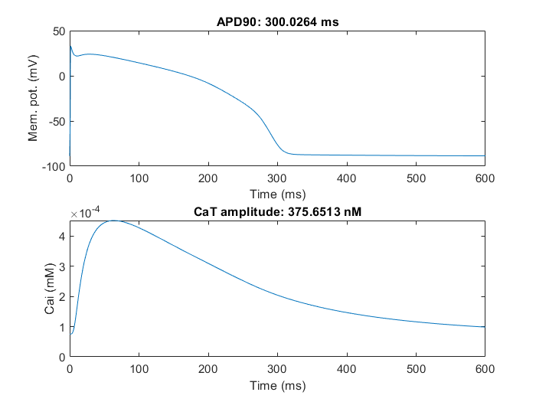
-0.0045910504389 | -0.44488077862 | 0.69585802143 | 0.49471940903 | 0.40745645347 |  |  |  | 0.2653987889 | -0.22845442768 | -0.24279693475 | -0.24666432581 | -0.67329019805 | -0.58052122707 | -0.35156283468 | 0.34260540864 | 0.1095032487 | -0.50904687038 | 0.16826496414 | 0.079761240913 | 0.46247399634 | 0.45400786423 | -0.16753153728 | -0.26863523564 | -0.14602213839 | 0.081520185361 | 0.24656811341 | -0.33742461127
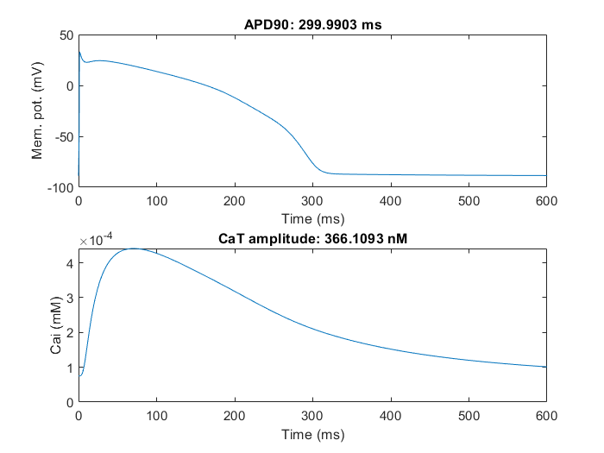
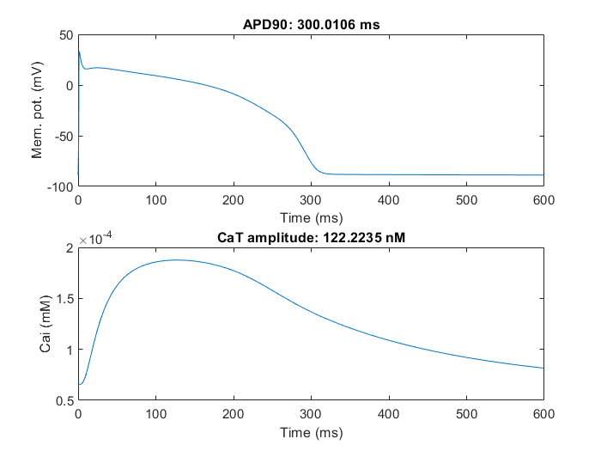
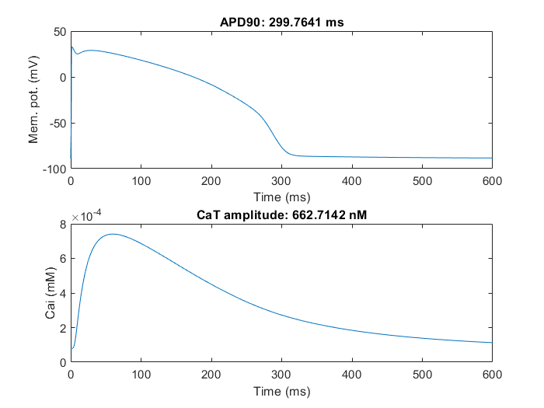
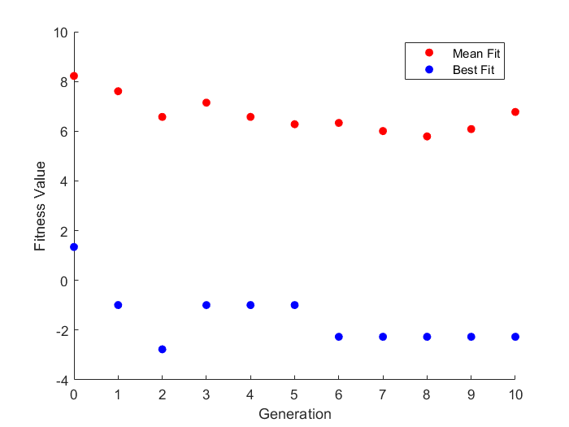
-0.0045910504389 | -0.44488077862 | 0.50588744698 | -0.46272179962 | 0.40745645347 |  |  |  | 0.2927425389 | -0.21673567768 | -0.30529693475 | -0.24666432581 | -0.67329019805 | -0.58052122707 | -0.35156283468 | 0.43635540864 | 0.1095032487 | -0.50904687038 | 0.16826496414 | 0.079761240913 | 0.46247399634 | 0.45400786423 | -0.16753153728 | -0.44621476115 | 0.24988861718 | -0.39793424696 | 0.097643699779 | -0.33742461127
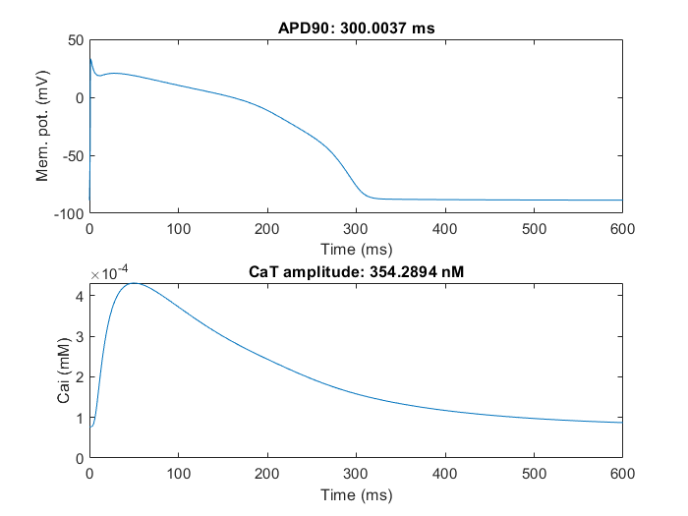
-0.0045910504389 | -0.44488077862 | 0.38088744698 | -0.46272179962 | 0.14626984089 |  |  |  | 0.2653987889 | -0.22845442768 | -0.24279693475 | -0.24666432581 | -0.67329019805 | -0.58052122707 | -0.35156283468 | 0.34260540864 | 0.1095032487 | -0.25904687038 | 0.16826496414 | 0.079761240913 | 0.49372399634 | 0.45986723923 | -0.23003153728 | 0.64375900214 | 0.24988861718 | -0.39793424696 | 0.54696302276 | -0.40309263647
-0.0045910504389 | 0.11286456636 | 0.035102310907 | -0.46272179962 | 0.14626984089 |  |  |  | 0.2653987889 | -0.22845442768 | -0.24279693475 | -0.24666432581 | -0.67329019805 | -0.58052122707 | -0.35156283468 | 0.34260540864 | 0.1095032487 | -0.50904687038 | 0.16826496414 | 0.079761240913 | 0.49372399634 | 0.45400786423 | -0.16753153728 | -0.29988523564 | -0.14602213839 | -0.39793424696 | 0.097643699779 | -0.35493975426
-0.0045910504389 | -0.44488077862 | 0.035102310907 | -0.46272179962 | 0.14626984089 |  |  |  | 0.2653987889 | -0.22845442768 | -0.24279693475 | -0.24666432581 | -0.67329019805 | -0.58052122707 | -0.35156283468 | 0.34260540864 | 0.1095032487 | -0.50904687038 | 0.19951496414 | 0.079761240913 | 0.49372399634 | 0.45400786423 | -0.16753153728 | -0.26863523564 | -0.14602213839 | 0.081520185361 | 0.24656811341 | -0.33742461127
-0.0045910504389 | -0.44488077862 | 0.035102310907 | -0.46272179962 | 0.40745645347 |  |  |  | 0.2653987889 | -0.22845442768 | -0.24279693475 | -0.24666432581 | -0.67329019805 | -0.58052122707 | -0.35156283468 | 0.34260540864 | 0.1095032487 | -0.50904687038 | 0.16826496414 | 0.079761240913 | 0.49372399634 | 0.45400786423 | -0.23003153728 | -0.44621476115 | 0.24988861718 | -0.37059049696 | 0.097643699779 | -0.33742461127
-0.0045910504389 | 0.11286456636 | 0.035102310907 | 0.49471940903 | 0.40745645347 |  |  |  | 0.2653987889 | -0.22845442768 | -0.30529693475 | -0.24666432581 | -0.67329019805 | -0.58052122707 | -0.35156283468 | 0.34260540864 | 0.1095032487 | -0.50904687038 | 0.16826496414 | 0.079761240913 | 0.46247399634 | 0.45400786423 | -0.16753153728 | -0.26863523564 | 0.24988861718 | -0.39793424696 | 0.54696302276 | -0.35493975426
-0.0045910504389 | -0.44488077862 | 0.50588744698 | -0.46272179962 | 0.14626984089 |  |  |  | 0.2653987889 | -0.22845442768 | -0.24279693475 | -0.24666432581 | -0.67329019805 | -0.58052122707 | -0.35156283468 | 0.34260540864 | 0.1095032487 | -0.25904687038 | 0.16826496414 | 0.079761240913 | 0.49372399634 | 0.45400786423 | -0.16753153728 | 0.64375900214 | 0.24988861718 | 0.081520185361 | 0.24656811341 | -0.33742461127
-0.0045910504389 | 0.11286456636 | 0.50588744698 | 0.49471940903 | 0.14626984089 |  |  |  | 0.2780941014 | -0.22845442768 | -0.27404693475 | -0.24666432581 | -0.67329019805 | -0.58052122707 | -0.33593783468 | 0.43635540864 | 0.1095032487 | -0.50904687038 | 0.16826496414 | 0.079761240913 | 0.49372399634 | 0.45400786423 | -0.16753153728 | 0.64375900214 | -0.2506893577 | -0.39793424696 | 0.035143699779 | -0.29634600426
-0.0045910504389 | -0.44488077862 | 0.035102310907 | -0.46272179962 | 0.14626984089 |  |  |  | 0.2653987889 | -0.22845442768 | -0.24279693475 | -0.24666432581 | -0.67329019805 | -0.58052122707 | -0.35156283468 | 0.59260540864 | 0.1095032487 | -0.50904687038 | 0.16826496414 | 0.079761240913 | 0.49372399634 | 0.45400786423 | -0.16753153728 | -0.29988523564 | -0.2936581077 | -0.39793424696 | 0.097643699779 | -0.31984648627
-0.0045910504389 | 0.11286456636 | 0.50588744698 | -0.46272179962 | 0.40745645347 |  |  |  | 0.2653987889 | -0.22845442768 | -0.24279693475 | -0.24666432581 | -0.67329019805 | -0.58052122707 | -0.35156283468 | 0.34260540864 | 0.1095032487 | -0.50904687038 | 0.16826496414 | 0.079761240913 | 0.49372399634 | 0.45400786423 | -0.16753153728 | 0.64375900214 | 0.24988861718 | 0.14402018536 | 0.24656811341 | -0.33742461127
0.46994475662 | 0.11286456636 | 0.69585802143 | 0.46346940903 | 0.42698770347 |  |  |  | 0.2653987889 | -0.21282942768 | -0.227660216 | -0.23811940393 | -0.67329019805 | -0.52973997707 | -0.32812533468 | -0.36012927368 | 0.047003248697 | -0.47389062038 | 0.16826496414 | 0.14226124091 | 0.49372399634 | 0.45400786423 | -0.16753153728 | -0.26472898564 | -0.13039713839 | 0.14768229474 | 0.25926342591 | -0.32765898627
-0.0045910504389 | -0.44488077862 | 0.056586685907 | -0.46272179962 | 0.11501984089 |  |  |  | 0.2653987889 | -0.21624739643 | -0.2696524035 | -0.23348073206 | -0.65766519805 | -0.58052122707 | -0.29687533468 | 0.37776165864 | 0.1720032487 | -0.45045312038 | 0.16826496414 | 0.079761240913 | 0.49372399634 | 0.45400786423 | -0.10503153728 | -0.26863523564 | -0.14602213839 | 0.081520185361 | 0.26219311341 | -0.32277617377
0.026658949561 | -0.41656046612 | 0.035102310907 | -0.46272179962 | 0.40745645347 |  |  |  | 0.2653987889 | -0.24407942768 | -0.24279693475 | -0.23958424768 | -0.66767496367 | -0.51802122707 | -0.35156283468 | -0.27028552368 | 0.1173157487 | -0.47389062038 | 0.21513996414 | 0.079761240913 | 0.51325524634 | 0.50478911423 | -0.23003153728 | -0.26863523564 | -0.14602213839 | -0.21748601817 | 0.24827709778 | -0.33742461127
0.0071276995611 | -0.42632609112 | 0.066352310907 | -0.43244836212 | 0.15994171589 |  |  |  | 0.2810237889 | -0.22845442768 | -0.24279693475 | -0.24666432581 | -0.65766519805 | -0.54927122707 | -0.35156283468 | 0.34651165864 | 0.1720032487 | -0.50904687038 | 0.22685871414 | 0.11491749091 | 0.55622399634 | 0.51650786423 | -0.12846903728 | -0.26863523564 | -0.14602213839 | 0.14402018536 | 0.24656811341 | -0.35304961127

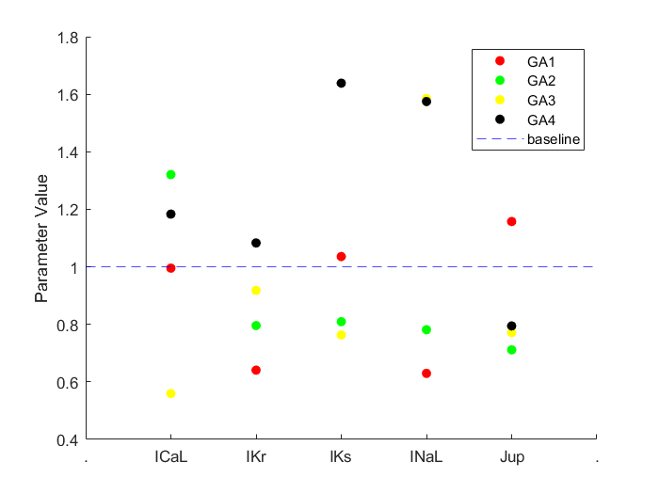
Summary
 | CaL | Kr | Ks | NaL | Jup | APD90 | CaT Amp
Trial 1 | 0.99541947232 | 0.64090068054 | 1.0357256694 | 0.62956775414 | 1.157508489 | 300.0037 | 354.2894
Trial 2 | 1.3206104627 | 0.79576256113 | 0.8093312944 | 0.78140294632 | 0.71173711211 | 299.9903 | 366.1093
Trial 3 | 0.55960660842 | 0.91816190594 | 0.76316156253 | 1.5851653342 | 0.77178684825 | 300.0106 | 122.2235
Trial 4 | 1.183250088 | 1.0830284539 | 1.6384062923 | 1.5746103805 | 0.79450854547 | 300.0264 | 375.6413

