Sonar
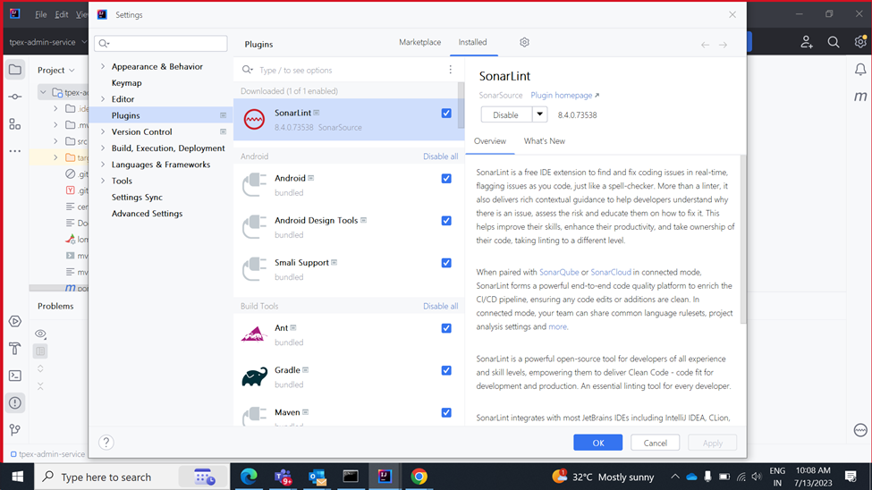
Step-1 | Sonarlint plugin install in intellj and integrate Sonarqube server | Step -1
 |  |  | Stepes to install SonarLint plugin Intellj and integrate with SonarQube server

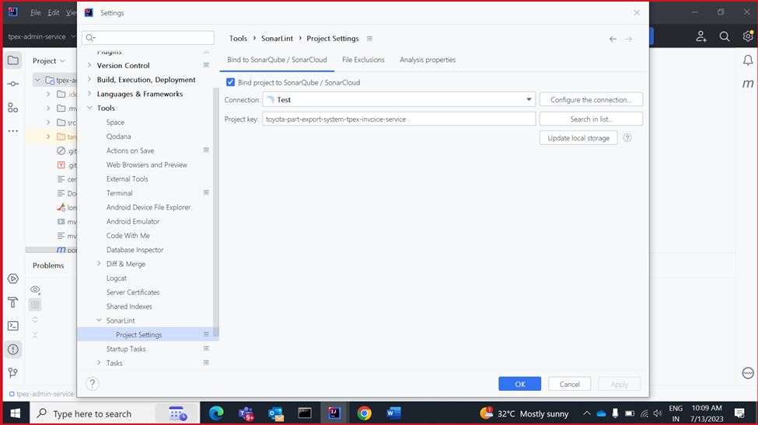

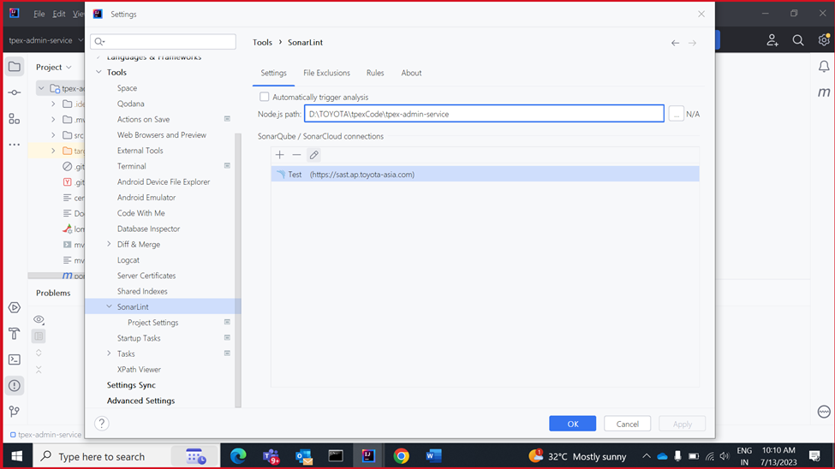

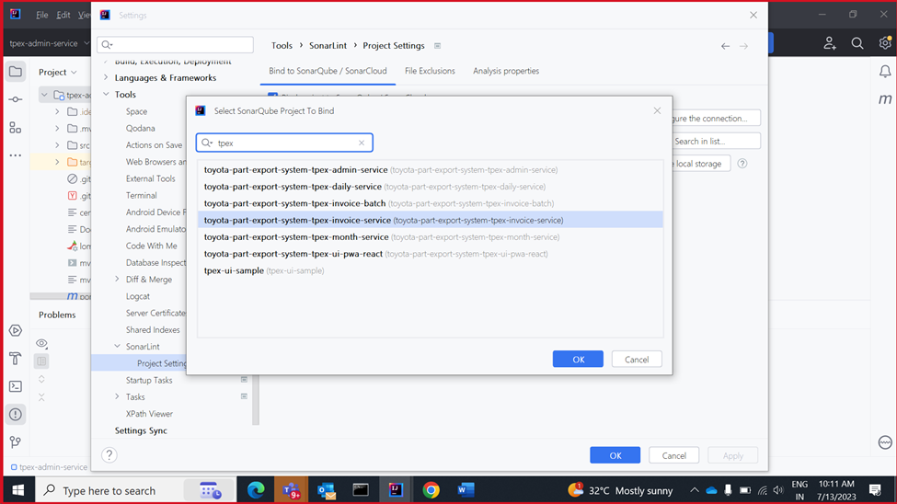

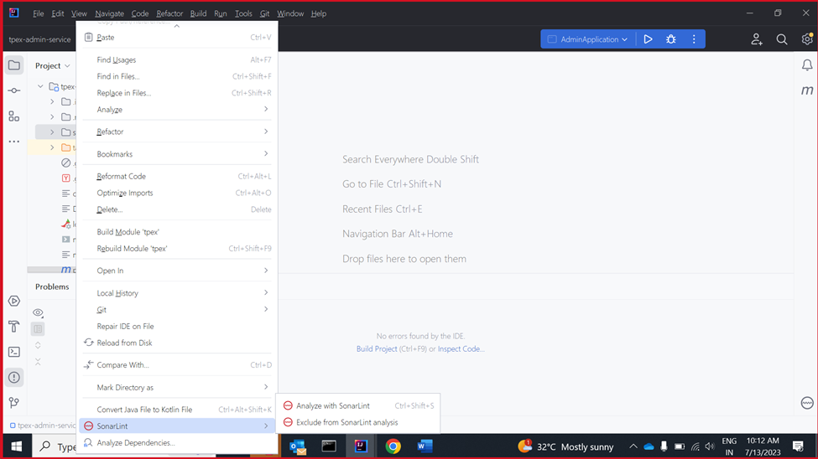

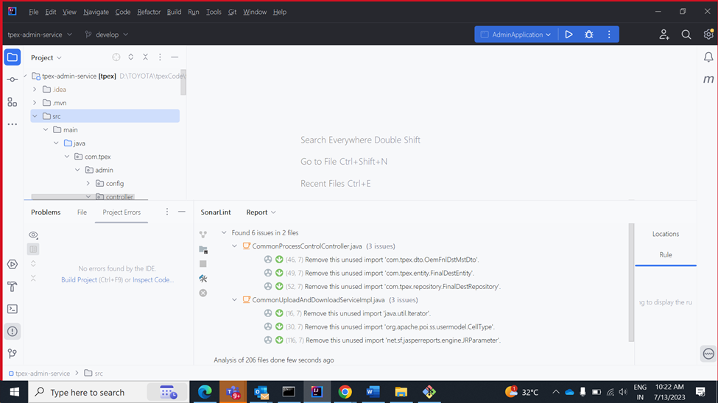

Step-2 | Install SonarQube server locally on developer box and integrate with SonarLint

 |  | Step - 2 | Install SonarQube server in local and integrate

