RestAPIGuidlines
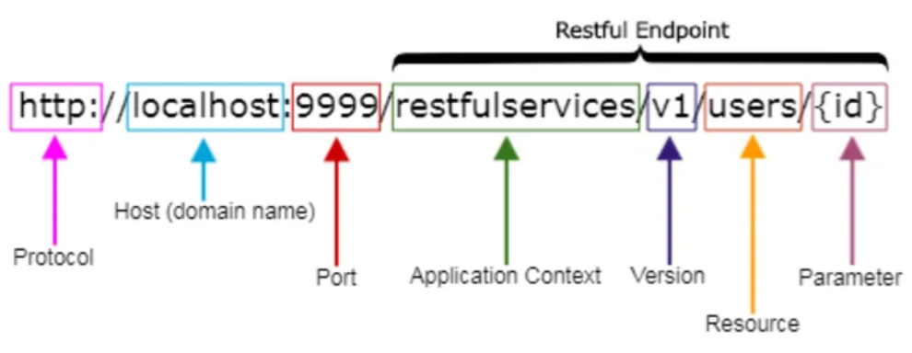
S.No. | Points | Examples
1 | Use Nouns to represent resources / Not Verbs | Examples | Bad Practice
 | 1.URIs are named with nouns to specify the resource instead of using verbs 2.The URIs shouldn’t indicate any CRUD (Create, Read, Update, Delete) operations. 3.Avoid verb-noun combinations: hyphenated, snake_case, camelCase | http://api.example.com/v1/store/items/{item-id} http://api.example.com/v1/store/employees/{emp-id} http://api.example.com/v1/store/prices/{price-id} http://api.example.com/v1/store/orders/{order-id} | http://api.example.com/v1/store/CreateItems/{item-id} http://api.example.com/v1/store/getEmployees/{emp-id} http://api.example.com/v1/store/update-prices/{price-id} http://api.example.com/v1/store/deleteOrders/{order-id}

2 | Use Pluralized Nouns for resources | http://api.example.com/v1/store/items/{item-id} http://api.example.com/v1/store/employees/{emp-id}/address | http://api.example.com/v1/store/item/{item-id} http://api.example.com/v1/store/employee/{emp-id}/address
 | 1.Use plural when possible unless they are singleton resources.

3 | Use hyphens (-) to improve the readability of URIs | http://api.example.com/v1/store/vendor-management/{vendor-id} http://api.example.com/v1/store/item-management/{item-id}/product-type http://api.example.com/v1/store/inventory-management | http://api.example.com/v1/store/vendormanagement/{vendor-id} http://api.example.com/v1/store/itemmanagement/{item-id}/producttype http://api.example.com/v1/store/inventory_management
 | 1.Separating words with hyphens will be easy for you and others to interpret. It is more user-friendly when it comes to long-path segmented URIs.

4 | Use forward slashes (/) for hierarchy but not trailing forward slash (/) | http://api.abc.com/v1/store/items | http://api.abc.com/v1/store/items/
 | 1.Forward slashes are used to show the hierarchy between individual resources and collections.

5 | Avoid using file extensions | http://api.example.com/v1/store/items http://api.example.com/v1/store/products | http://api.example.com/v1/store/items.json http://api.example.com/v1/store/products.xml
 | 1.They are unnecessary and add length and complexity to URIs.

6 | Version your APIs | http://api.example.com/v1/store/employees/{emp-id} http://api.example.com/v2/store/employees/{emp-id}/address
 | 1.Always attempt to version your APIs. You can provide an upgrade path without making any fundamental changes to the existing APIs by versioning your APIs.
7 | Using HTTP Methords
 | POST: To create a new resource GET: To fetch a single resource or group of resources PUT: To update an entire resource in one go PATCH: To partially update a resource DELETE: To delete a resource

