HighLevelView
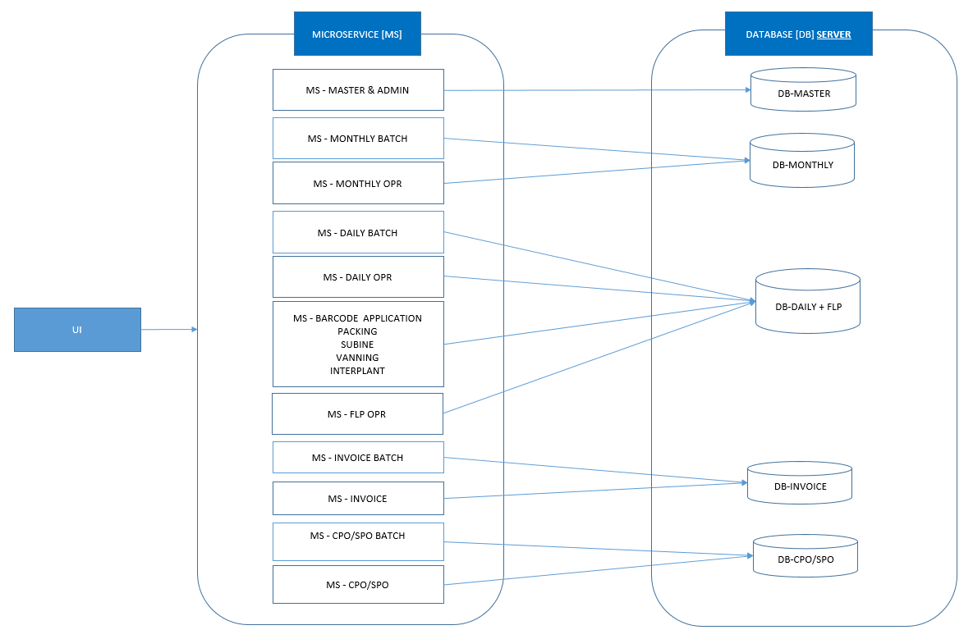

Master | MST
Monthly | MTH
Daily + FLP | DLY
Invoice | INV
CPO/SPO | CPO

