Executive Dashboard
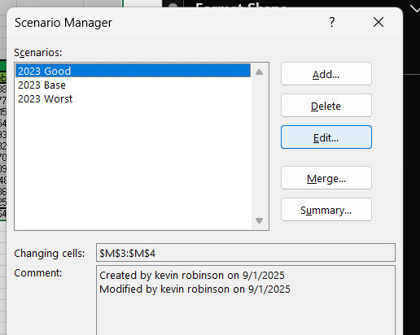
Segment Profitability
Margin Analysis
 | Gross Margin (GM) | Operating Margin (OM) | Profit Marging (PM)
2012 | 54.27% | 18.23% | 13.25%
2013 | 51.67% | 17.78% | 12.96%
2014 | 47.69% | 15.73% | 11.50%
2015 | 49.76% | 17.07% | 12.51%
2016 | 55.32% | 19.01% | 13.96%
2017 | 55.20% | 18.90% | 13.91%
2018 | 50.07% | 16.59% | 12.26%
2019 | 52.47% | 18.59% | 13.75%
2020 | 44.96% | 15.60% | 11.60%
2021 | 48.69% | 16.52% | 12.30%
2022 | 53.25% | 18.26% | 13.61%
Segment Profitability
Year | 2012 | 2013 | 2014 | 2015 | 2016 | 2017 | 2018 | 2019 | 2020 | 2021 | 2022
Total | $1,554,060,693 | $1,455,983,739 | $1,375,727,437 | $1,399,039,075 | $1,558,807,002 | $1,556,849,118 | $1,424,818,589 | $1,458,739,711 | $1,251,656,782 | $1,377,022,936 | $1,495,748,375
Validation | Clear to Move | Clear to Move | Clear to Move | Clear to Move | Clear to Move | Clear to Move | Clear to Move | Clear to Move | Clear to Move | Clear to Move | Clear to Move
Software | $961,646,659 | $904,931,992 | $853,488,073 | $871,661,019 | $974,432,082 | $966,913,536 | $880,895,253 | $921,818,453 | $776,802,076 | $860,819,143 | $930,566,005
Hardware | $343,023,652 | $317,988,231 | $304,890,764 | $313,060,222 | $337,573,386 | $348,724,552 | $314,507,192 | $312,074,245 | $271,040,028 | $307,064,491 | $327,295,433
Advertising | $249,390,382 | $233,063,515 | $217,348,600 | $214,317,834 | $246,801,534 | $241,211,030 | $229,416,144 | $224,847,013 | $203,814,678 | $209,139,302 | $237,886,937

 |  |  |  |  | . Risks & Opportunities (Small Box)
 |  |  |  |  | Risks: labor cost growth, slower revenue, material price volatility.
 |  |  |  |  | Opportunities: CI projects, automation, AI-driven efficiencies.

 |  |  |  |  |  |  |  |  | Summary:
 |  |  |  |  |  |  |  |  | This Pro-Forma model integrates finance and operations across Software, Hardware, and Advertising segments to provide a full view of profitability, margins, and cost structure. Software drives the majority of earnings, while Hardware and Advertising provide stable contributions. Gross margins average ~50%, operating margins ~16–18%, and net margins ~11–12%, reflecting disciplined expense control. Labor represents 59% of COGS, making workforce productivity the key margin lever, while commissions remain stable at ~4.5% of revenue. A debt schedule with fixed repayments and declining interest expense demonstrates financial sustainability, and a scenario manager allows testing of growth, tax, and cost assumptions under best, base, and worst cases. Together, the model shows resilience, clear cost levers, and strategic optionality, positioning it as both a financial analysis and a decision-support tool.

