Sheet1
GENERATOR TO CONTROLLER

Modbus address | Bit | Description | pymodbus function

105 | 3 | 1 = at least 1 fault | read_coils
 | 6 | 1 = Microwaves on | read_coils
 | 7 | 1=Module ready for microwaves | read_coils

102 |  | Forward power (FP) measured, 0-200W | read_holding_registers

103 |  | Reflected power (RP) measured, 0-200W | read_holding_registers

112 |  | Current frequency in 100 kHz, 24000-25000 | read_holding_registers

104 | 0 | 1=External safety connector open | read_coils

CONTROLLER TO GENERATOR
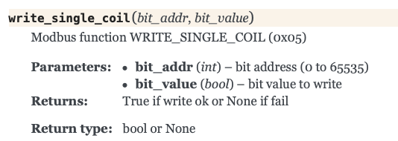
20 | 7 | Modbus heartbeat, send this every second | write_single_coil?

2 | 6 | Microwaves on, 1=ON | write_single_coil?
 | 1 | 1=Activate autotuning mode | write_single_coil?

