Note
 | This workbook needs enabled macros and trust access to the VBA

STEP 1 | STEP 2 | STEP 3
Go to File and select Options | Select Trus Centre from the menu on the left | Select Trust Center Settings (button on the right)
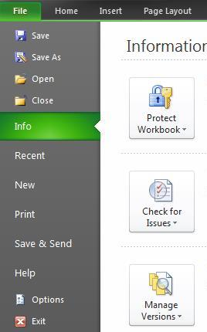
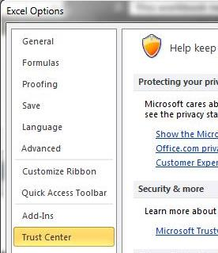

 | STEP 4 |  | STEP 5
 | Select Macro Settings |  | Close excel and restart the file
 | Select Enable all macros (not recommended; potentially dengerous code can run)
 | Select Trust access to the VBA project object model
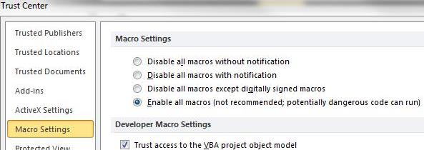
 |  |  | For the safety reasons make sure you dissable these settings after using New CAPEX Template !

